AC-NET

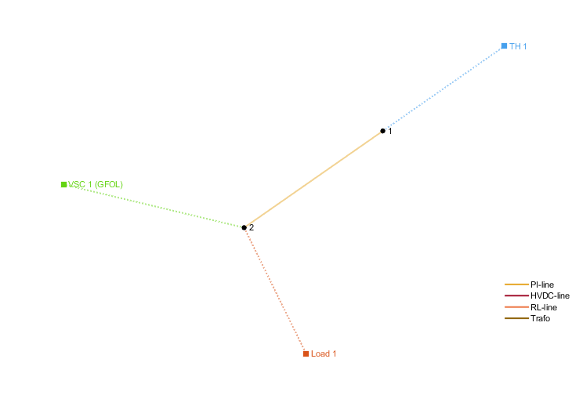
number | Area | SyncArea | bus_from | bus_to | R | X | B | state

PF

bus | Area | SyncArea | Vm | theta
1 | 1 | 1 | 1 | 0

