AC-NET
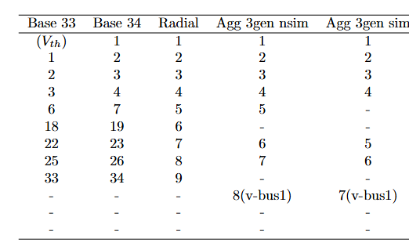
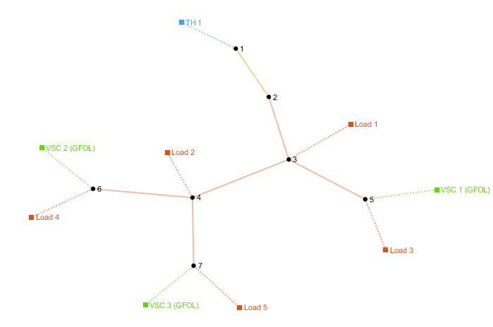
number | Area | SyncArea | bus_from | bus_to | R | X | B | state
1 | 1 | 1 | 1 | 2 | 0.00057525911617 | 0.00029324488568 | 0 | 1
2 | 1 | 1 | 2 | 3 | 0.0030759516732 | 0.0015666763999 | 0 | 1
3 | 1 | 1 | 2 | 4 | 0.017396929363 | 0.018296348322 | 0 | 1
4 | 1 | 1 | 3 | 5 | 0.014035771075 | 0.010753496839 | 0 | 1
5 | 1 | 1 | 3 | 6 | 0.029441938147 | 0.024234682426 | 0 | 1

