Sheet1
PROJET BTS SIO

 | Machine | Interface | Adresse | Masque | Description
 | ORION | WAN | 10.10.101.75 | 255.255.0.0 | Gateway WAN MEWO (Internet)
 |  | DMZ | 10.11.75.14 | 255.255.255.240 | Gateway DMZ
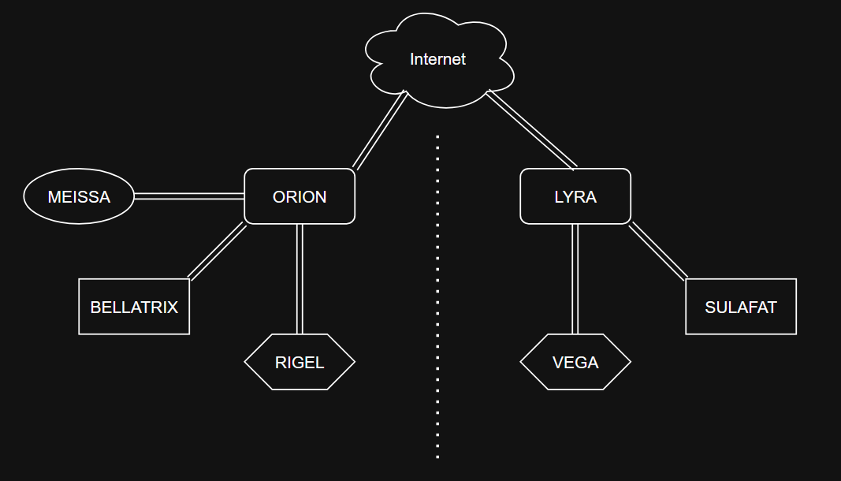
 |  | LAN | 10.11.75.30 | 255.255.255.240 | Gateway VLAN 10
 |  | LAN | 10.11.75.46 | 255.255.255.240 | Gateway VLAN 20
 |  | LAN | 10.11.75.62 | 255.255.255.240 | Gateway VLAN 30
 |  | LAN | 10.11.75.78 | 255.255.255.240 | Gateway VLAN 40
 |  | LAN | 10.11.75.94 | 255.255.255.240 | Gateway VLAN 50
 |  | LAN | 10.11.75.240 | 255.255.255.240 | Gateway LAN
 | LYRA | WAN | 10.10.101.76 | 255.255.0.0 | Gateway WAN MEWO (Internet)
 |  | DMZ | 10.11.76.14 | 255.255.255.240 | Gateway DMZ
 |  | LAN | 10.11.76.30 | 255.255.255.240 | Gateway VLAN 40
 |  | LAN | 10.11.76.46 | 255.255.255.240 | Gateway VLAN 50
 |  | LAN | 10.11.76.62 | 255.255.255.240 | Gateway VLAN 60
 |  | LAN | 10.11.76.240 | 255.255.255.240 | Gateway LAN
 | MEISSA | NIC | 10.11.75.1 | 255.255.255.240 | Serveur WEB DMZ
 | RIGEL | NIC | 10.11.75.241 | 255.255.255.240 | AD 1 / DNS / DHCP
 | BELLATTRIX | NIC | 10.11.75.242 | 255.255.255.240 | GLPI
 | VEGA | NIC | 10.11.76.241 | 255.255.255.240 | AD 2 / DNS / DHCP (failover)
 | SULAFAT | NIC | 10.11.76.242 | 255.255.255.240 | ZABBIX

 | Nom | VLAN | Réseau | Passerelle | Emplacement
 | Direction | 10 | 10.11.75.16 /28 | 10.11.75.30 | LAN 1
 | DRH | 20 | 10.11.75.32 /28 | 10.11.75.46 | LAN 1
 | COMPTA | 30 | 10.11.75.48 /28 | 10.11.75.62 | LAN 1
 | IT | 40 | 10.11.75.64 /28 | 10.11.75.78 | LAN 1
 |  |  | 10.11.76.16 /28 | 10.11.76.30 | LAN 2
 | WiFi | 50 | 10.11.75.80 /28 | 10.11.75.94 | LAN 1
 |  |  | 10.11.76.32 /28 | 10.11.76.46 | LAN 2
 | DEV | 60 | 10.11.76.48 /28 | 10.11.76.62 | LAN 2

