Challenge analysis
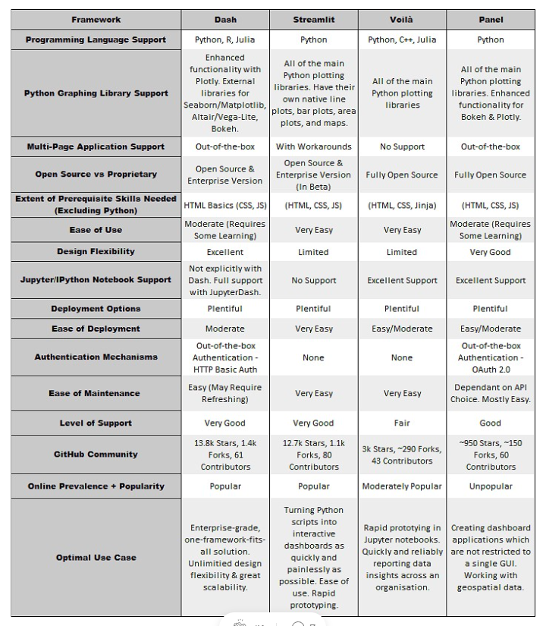
 | Bad | Good
Bokeh | Does not support 3D graphs or multi page apps

Dash | Synchronous (async can be done, but manual)
 | Stateless, information does not persist on refresth | stateless so more scalable
 | not fully open source, has enterprise version | You can use dask or datashader for rendering as well

Panel | Unpopular | Interactive visualize bigger dataset with Datashader (GPU accelerated)
 | slower than dash | asynchronous is easier
 |  | can access state so need more resources to make scalable

