Total Like
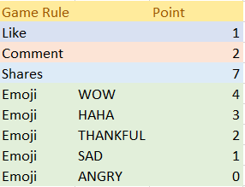
ID | TOTAL LIKE
12457609 | 1
78452390 | 0
90573478 | 0

Total Emoji
USER ID | TOTAL EMOJI
12457609 | 5
78452390 | 11
90573478 | 3



//'Emoji'D2*4+E2*3+H2*2+F2*1+G2*0)

Like

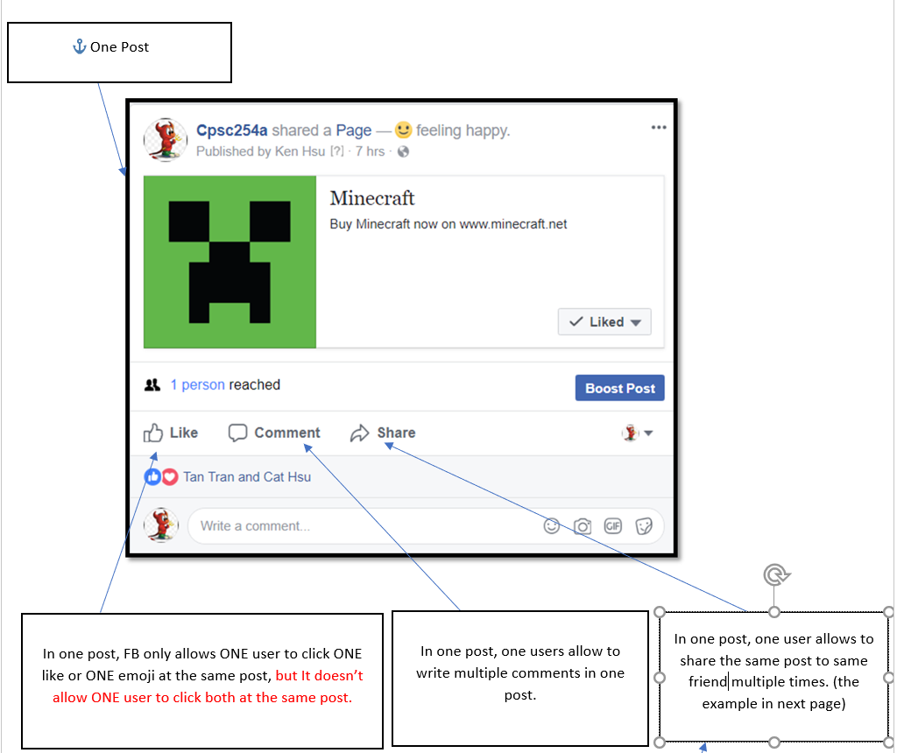
USER ID | POST | LIKES
12457609 | 0 | 0
 | 1 | 0
 | 2 | 0
 | 3 | 1
78452390 | 0 | 0
 | 1 | 0
 | 2 | 0
90573478 | 0 | 0
 | 1 | 0
 | 2 | 0

