Sheet1
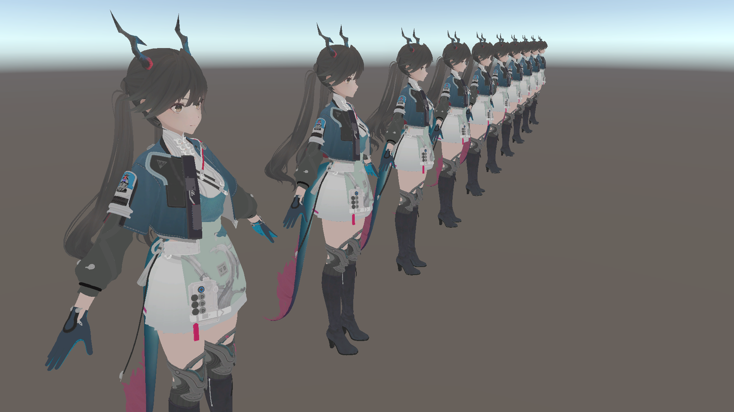


资源名称 | 顶点数 | 占用像素数 | 平均像素密度（总顶点数/总占用像素数） | 资源场景路径
S_actor_chen_iris_01_lod0 | 208 | 3 | 69.33 | GameObject/chr_0005_chen_uimodel/Mesh_all/lod0/S_actor_chen_iris_01_lod0
S_actor_chen_iris_01_lod0 | 208 | 3 | 69.33 | GameObject/chr_0005_chen_uimodel (1)/Mesh_all/lod0/S_actor_chen_iris_01_lod0
S_actor_chen_eyebrow_01_lod0 | 353 | 8 | 44.13 | GameObject/chr_0005_chen_uimodel (1)/Mesh_all/lod0/S_actor_chen_eyebrow_01_lod0
S_actor_chen_iris_01_lod0 | 208 | 5 | 41.60 | GameObject/chr_0005_chen_uimodel (2)/Mesh_all/lod0/S_actor_chen_iris_01_lod0
S_actor_chen_eyebrow_01_lod0 | 353 | 10 | 35.30 | GameObject/chr_0005_chen_uimodel/Mesh_all/lod0/S_actor_chen_eyebrow_01_lod0
S_actor_chen_iris_01_lod0 | 208 | 7 | 29.71 | GameObject/chr_0005_chen_uimodel (3)/Mesh_all/lod0/S_actor_chen_iris_01_lod0
S_actor_chen_eyebrow_01_lod0 | 353 | 13 | 27.15 | GameObject/chr_0005_chen_uimodel (2)/Mesh_all/lod0/S_actor_chen_eyebrow_01_lod0
S_actor_chen_eyebrow_01_lod0 | 353 | 13 | 27.15 | GameObject/chr_0005_chen_uimodel (3)/Mesh_all/lod0/S_actor_chen_eyebrow_01_lod0
S_actor_chen_iris_01_lod0 | 208 | 8 | 26.00 | GameObject/chr_0005_chen_uimodel (4)/Mesh_all/lod0/S_actor_chen_iris_01_lod0
S_actor_chen_eyebrow_01_lod0 | 353 | 19 | 18.58 | GameObject/chr_0005_chen_uimodel (4)/Mesh_all/lod0/S_actor_chen_eyebrow_01_lod0
S_actor_chen_iris_01_lod0 | 208 | 15 | 13.87 | GameObject/chr_0005_chen_uimodel (5)/Mesh_all/lod0/S_actor_chen_iris_01_lod0
S_actor_chen_eyebrow_01_lod0 | 353 | 36 | 9.81 | GameObject/chr_0005_chen_uimodel (5)/Mesh_all/lod0/S_actor_chen_eyebrow_01_lod0
S_actor_chen_iris_01_lod0 | 208 | 22 | 9.45 | GameObject/chr_0005_chen_uimodel (6)/Mesh_all/lod0/S_actor_chen_iris_01_lod0
S_actor_chen_eyebrow_01_lod0 | 353 | 42 | 8.40 | GameObject/chr_0005_chen_uimodel (6)/Mesh_all/lod0/S_actor_chen_eyebrow_01_lod0
S_actor_chen_iris_01_lod0 | 208 | 45 | 4.62 | GameObject/chr_0005_chen_uimodel (7)/Mesh_all/lod0/S_actor_chen_iris_01_lod0
S_actor_chen_eyebrow_01_lod0 | 353 | 79 | 4.47 | GameObject/chr_0005_chen_uimodel (7)/Mesh_all/lod0/S_actor_chen_eyebrow_01_lod0
S_actor_chen_face_01_lod0 | 1736 | 420 | 4.13 | GameObject/chr_0005_chen_uimodel/Mesh_all/lod0/S_actor_chen_face_01_lod0
S_actor_chen_face_01_lod0 | 1736 | 518 | 3.35 | GameObject/chr_0005_chen_uimodel (1)/Mesh_all/lod0/S_actor_chen_face_01_lod0
S_actor_chen_cloth_01_lod0 | 34190 | 10525 | 3.25 | GameObject/chr_0005_chen_uimodel/Mesh_all/lod0/S_actor_chen_cloth_01_lod0
S_actor_chen_face_01_lod0 | 1736 | 640 | 2.71 | GameObject/chr_0005_chen_uimodel (2)/Mesh_all/lod0/S_actor_chen_face_01_lod0
S_actor_chen_cloth_01_lod0 | 34190 | 12731 | 2.69 | GameObject/chr_0005_chen_uimodel (1)/Mesh_all/lod0/S_actor_chen_cloth_01_lod0
S_actor_chen_hair_01_lod0 | 10197 | 4550 | 2.24 | GameObject/chr_0005_chen_uimodel/Mesh_all/lod0/S_actor_chen_hair_01_lod0
S_actor_chen_cloth_01_lod0 | 34190 | 15676 | 2.18 | GameObject/chr_0005_chen_uimodel (2)/Mesh_all/lod0/S_actor_chen_cloth_01_lod0
S_actor_chen_face_01_lod0 | 1736 | 825 | 2.10 | GameObject/chr_0005_chen_uimodel (3)/Mesh_all/lod0/S_actor_chen_face_01_lod0
S_actor_chen_eyebrow_01_lod0 | 353 | 173 | 2.04 | GameObject/chr_0005_chen_uimodel (8)/Mesh_all/lod0/S_actor_chen_eyebrow_01_lod0
S_actor_chen_cloth_02_lod0 | 3747 | 2012 | 1.86 | GameObject/chr_0005_chen_uimodel/Mesh_all/lod0/S_actor_chen_cloth_02_lod0
S_actor_chen_hair_01_lod0 | 10197 | 5491 | 1.86 | GameObject/chr_0005_chen_uimodel (1)/Mesh_all/lod0/S_actor_chen_hair_01_lod0
S_actor_chen_iris_01_lod0 | 208 | 113 | 1.84 | GameObject/chr_0005_chen_uimodel (8)/Mesh_all/lod0/S_actor_chen_iris_01_lod0
S_actor_chen_cloth_01_lod0 | 34190 | 19784 | 1.73 | GameObject/chr_0005_chen_uimodel (3)/Mesh_all/lod0/S_actor_chen_cloth_01_lod0
S_actor_chen_cloth_02_lod0 | 3747 | 2392 | 1.57 | GameObject/chr_0005_chen_uimodel (1)/Mesh_all/lod0/S_actor_chen_cloth_02_lod0
S_actor_chen_face_01_lod0 | 1736 | 1111 | 1.56 | GameObject/chr_0005_chen_uimodel (4)/Mesh_all/lod0/S_actor_chen_face_01_lod0
S_actor_chen_hair_01_lod0 | 10197 | 6760 | 1.51 | GameObject/chr_0005_chen_uimodel (2)/Mesh_all/lod0/S_actor_chen_hair_01_lod0
S_actor_chen_cloth_03_lod0 | 1988 | 1400 | 1.42 | GameObject/chr_0005_chen_uimodel/Mesh_all/lod0/S_actor_chen_cloth_03_lod0
S_actor_chen_cloth_01_lod0 | 34190 | 25905 | 1.32 | GameObject/chr_0005_chen_uimodel (4)/Mesh_all/lod0/S_actor_chen_cloth_01_lod0
S_actor_chen_cloth_02_lod0 | 3747 | 2922 | 1.28 | GameObject/chr_0005_chen_uimodel (2)/Mesh_all/lod0/S_actor_chen_cloth_02_lod0
S_actor_chen_hair_01_lod0 | 10197 | 8610 | 1.18 | GameObject/chr_0005_chen_uimodel (3)/Mesh_all/lod0/S_actor_chen_hair_01_lod0
S_actor_chen_cloth_03_lod0 | 1988 | 1699 | 1.17 | GameObject/chr_0005_chen_uimodel (1)/Mesh_all/lod0/S_actor_chen_cloth_03_lod0
S_actor_chen_face_01_lod0 | 1736 | 1536 | 1.13 | GameObject/chr_0005_chen_uimodel (5)/Mesh_all/lod0/S_actor_chen_face_01_lod0
S_actor_chen_cloth_02_lod0 | 3747 | 3619 | 1.04 | GameObject/chr_0005_chen_uimodel (3)/Mesh_all/lod0/S_actor_chen_cloth_02_lod0
S_actor_chen_cloth_01_lod0 | 34190 | 35312 | 0.97 | GameObject/chr_0005_chen_uimodel (5)/Mesh_all/lod0/S_actor_chen_cloth_01_lod0
S_actor_chen_cloth_03_lod0 | 1988 | 2143 | 0.93 | GameObject/chr_0005_chen_uimodel (2)/Mesh_all/lod0/S_actor_chen_cloth_03_lod0
S_actor_chen_hair_01_lod0 | 10197 | 11189 | 0.91 | GameObject/chr_0005_chen_uimodel (4)/Mesh_all/lod0/S_actor_chen_hair_01_lod0
S_actor_chen_cloth_02_lod0 | 3747 | 4714 | 0.79 | GameObject/chr_0005_chen_uimodel (4)/Mesh_all/lod0/S_actor_chen_cloth_02_lod0
S_actor_chen_face_01_lod0 | 1736 | 2312 | 0.75 | GameObject/chr_0005_chen_uimodel (6)/Mesh_all/lod0/S_actor_chen_face_01_lod0
S_actor_chen_cloth_03_lod0 | 1988 | 2734 | 0.73 | GameObject/chr_0005_chen_uimodel (3)/Mesh_all/lod0/S_actor_chen_cloth_03_lod0
S_actor_chen_cloth_01_lod0 | 34190 | 51185 | 0.67 | GameObject/chr_0005_chen_uimodel (6)/Mesh_all/lod0/S_actor_chen_cloth_01_lod0
S_actor_chen_hair_01_lod0 | 10197 | 15332 | 0.67 | GameObject/chr_0005_chen_uimodel (5)/Mesh_all/lod0/S_actor_chen_hair_01_lod0
S_actor_chen_cloth_02_lod0 | 3747 | 6263 | 0.60 | GameObject/chr_0005_chen_uimodel (5)/Mesh_all/lod0/S_actor_chen_cloth_02_lod0
S_actor_chen_body_01_lod0 | 1082 | 1916 | 0.56 | GameObject/chr_0005_chen_uimodel/Mesh_all/lod0/S_actor_chen_body_01_lod0
S_actor_chen_cloth_03_lod0 | 1988 | 3624 | 0.55 | GameObject/chr_0005_chen_uimodel (4)/Mesh_all/lod0/S_actor_chen_cloth_03_lod0
S_actor_chen_eyebrow_01_lod0 | 353 | 661 | 0.53 | GameObject/chr_0005_chen_uimodel (9)/Mesh_all/lod0/S_actor_chen_eyebrow_01_lod0
S_actor_chen_body_01_lod0 | 1082 | 2311 | 0.47 | GameObject/chr_0005_chen_uimodel (1)/Mesh_all/lod0/S_actor_chen_body_01_lod0
S_actor_chen_hair_01_lod0 | 10197 | 22192 | 0.46 | GameObject/chr_0005_chen_uimodel (6)/Mesh_all/lod0/S_actor_chen_hair_01_lod0
S_actor_chen_face_01_lod0 | 1736 | 3879 | 0.45 | GameObject/chr_0005_chen_uimodel (7)/Mesh_all/lod0/S_actor_chen_face_01_lod0
S_actor_chen_iris_01_lod0 | 208 | 487 | 0.43 | GameObject/chr_0005_chen_uimodel (9)/Mesh_all/lod0/S_actor_chen_iris_01_lod0
S_actor_chen_cloth_02_lod0 | 3747 | 8815 | 0.43 | GameObject/chr_0005_chen_uimodel (6)/Mesh_all/lod0/S_actor_chen_cloth_02_lod0
S_actor_chen_cloth_01_lod0 | 34190 | 81307 | 0.42 | GameObject/chr_0005_chen_uimodel (7)/Mesh_all/lod0/S_actor_chen_cloth_01_lod0
S_actor_chen_cloth_03_lod0 | 1988 | 5077 | 0.39 | GameObject/chr_0005_chen_uimodel (5)/Mesh_all/lod0/S_actor_chen_cloth_03_lod0
S_actor_chen_body_01_lod0 | 1082 | 2851 | 0.38 | GameObject/chr_0005_chen_uimodel (2)/Mesh_all/lod0/S_actor_chen_body_01_lod0
S_actor_chen_body_01_lod0 | 1082 | 3558 | 0.30 | GameObject/chr_0005_chen_uimodel (3)/Mesh_all/lod0/S_actor_chen_body_01_lod0
S_actor_chen_hair_01_lod0 | 10197 | 35273 | 0.29 | GameObject/chr_0005_chen_uimodel (7)/Mesh_all/lod0/S_actor_chen_hair_01_lod0
S_actor_chen_cloth_02_lod0 | 3747 | 13330 | 0.28 | GameObject/chr_0005_chen_uimodel (7)/Mesh_all/lod0/S_actor_chen_cloth_02_lod0
S_actor_chen_cloth_03_lod0 | 1988 | 7652 | 0.26 | GameObject/chr_0005_chen_uimodel (6)/Mesh_all/lod0/S_actor_chen_cloth_03_lod0
S_actor_chen_body_01_lod0 | 1082 | 4626 | 0.23 | GameObject/chr_0005_chen_uimodel (4)/Mesh_all/lod0/S_actor_chen_body_01_lod0
S_actor_chen_cloth_01_lod0 | 34190 | 151431 | 0.23 | GameObject/chr_0005_chen_uimodel (8)/Mesh_all/lod0/S_actor_chen_cloth_01_lod0
S_actor_chen_face_01_lod0 | 1736 | 7946 | 0.22 | GameObject/chr_0005_chen_uimodel (8)/Mesh_all/lod0/S_actor_chen_face_01_lod0
S_actor_chen_body_01_lod0 | 1082 | 6241 | 0.17 | GameObject/chr_0005_chen_uimodel (5)/Mesh_all/lod0/S_actor_chen_body_01_lod0
S_actor_chen_cloth_02_lod0 | 3747 | 23073 | 0.16 | GameObject/chr_0005_chen_uimodel (8)/Mesh_all/lod0/S_actor_chen_cloth_02_lod0
S_actor_chen_hair_01_lod0 | 10197 | 64996 | 0.16 | GameObject/chr_0005_chen_uimodel (8)/Mesh_all/lod0/S_actor_chen_hair_01_lod0
S_actor_chen_cloth_03_lod0 | 1988 | 12886 | 0.15 | GameObject/chr_0005_chen_uimodel (7)/Mesh_all/lod0/S_actor_chen_cloth_03_lod0
S_actor_chen_body_01_lod0 | 1082 | 8853 | 0.12 | GameObject/chr_0005_chen_uimodel (6)/Mesh_all/lod0/S_actor_chen_body_01_lod0
S_actor_chen_cloth_02_lod0 | 3747 | 33900 | 0.11 | GameObject/chr_0005_chen_uimodel (9)/Mesh_all/lod0/S_actor_chen_cloth_02_lod0
S_actor_chen_cloth_01_lod0 | 34190 | 373540 | 0.09 | GameObject/chr_0005_chen_uimodel (9)/Mesh_all/lod0/S_actor_chen_cloth_01_lod0
S_actor_chen_body_01_lod0 | 1082 | 13541 | 0.08 | GameObject/chr_0005_chen_uimodel (7)/Mesh_all/lod0/S_actor_chen_body_01_lod0
S_actor_chen_cloth_03_lod0 | 1988 | 26304 | 0.08 | GameObject/chr_0005_chen_uimodel (8)/Mesh_all/lod0/S_actor_chen_cloth_03_lod0
S_actor_chen_face_01_lod0 | 1736 | 25531 | 0.07 | GameObject/chr_0005_chen_uimodel (9)/Mesh_all/lod0/S_actor_chen_face_01_lod0
S_actor_chen_hair_01_lod0 | 10197 | 170473 | 0.06 | GameObject/chr_0005_chen_uimodel (9)/Mesh_all/lod0/S_actor_chen_hair_01_lod0
S_actor_chen_body_01_lod0 | 1082 | 23395 | 0.05 | GameObject/chr_0005_chen_uimodel (8)/Mesh_all/lod0/S_actor_chen_body_01_lod0
S_actor_chen_cloth_03_lod0 | 1988 | 81675 | 0.02 | GameObject/chr_0005_chen_uimodel (9)/Mesh_all/lod0/S_actor_chen_cloth_03_lod0
S_actor_chen_body_01_lod0 | 1082 | 52723 | 0.02 | GameObject/chr_0005_chen_uimodel (9)/Mesh_all/lod0/S_actor_chen_body_01_lod0

