Task2
Dashboard for a Profit and Loss Statement
Ticker Symbol:
AAPL
 | Year 1 | Year 2 | Year 3 | Year 4
Revenue | $170,910,000,000 | $182,795,000,000 | $233,715,000,000 | $215,639,000,000
COGS | $106,606,000,000 | $112,258,000,000 | $140,089,000,000 | $131,376,000,000
Gross Profit | $64,304,000,000 | $70,537,000,000 | $93,626,000,000 | $84,263,000,000
Sales, General and Admin. | $10,830,000,000 | $11,993,000,000 | $14,329,000,000 | $14,194,000,000
Other Operating Items | $0 | $0 | $0 | $0
Research and Development | $4,475,000,000 | $6,041,000,000 | $8,067,000,000 | $10,045,000,000
Total Operating Expenses | $15,305,000,000 | $18,034,000,000 | $22,396,000,000 | $24,239,000,000
Operating Profit /EBIT | $48,999,000,000 | $52,503,000,000 | $71,230,000,000 | $60,024,000,000

Profit and Loss statement for AAPL

Chart1
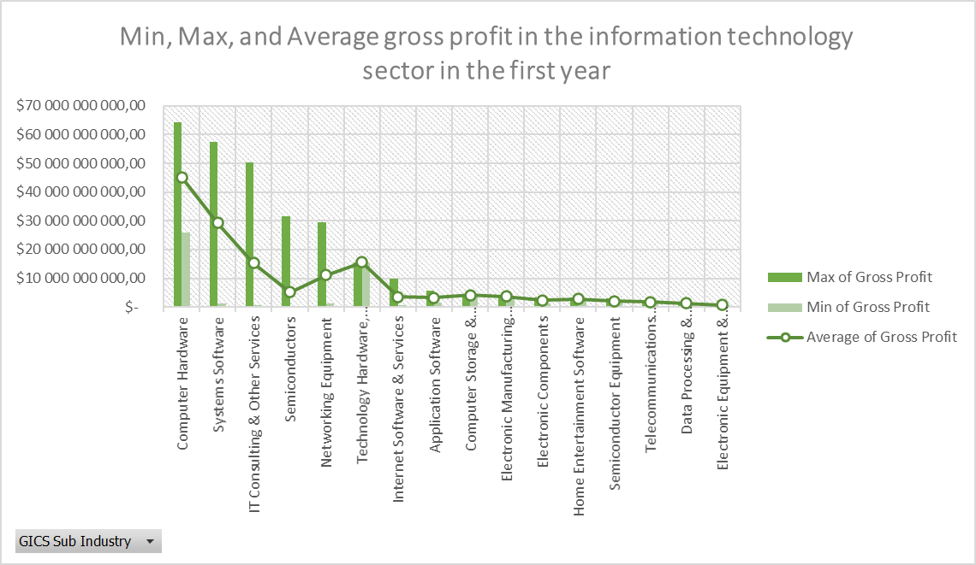
Min, Max, and Average gross profit in the information technology sector in the first year
 | Max of Gross Profit | Min of Gross Profit | Average of Gross Profit
Computer Hardware | 64304000000 | 25918000000 | 45111000000
Systems Software | 57464000000 | 1128217000 | 29296108500
IT Consulting & Other Services | 50361000000 | 787445000 | 15250919000
Semiconductors | 31521000000 | 404927000 | 5192896538.5
Networking Equipment | 29440000000 | 1228267000 | 11125689000
Technology Hardware, Storage & Peripherals | 15637000000 | 15637000000 | 15637000000
Internet Software & Services | 9846000000 | 604216000 | 3490135562.5
Application Software | 5731000000 | 1491000000 | 3191095750
Computer Storage & Peripherals | 4363000000 | 3940000000 | 4151500000
Electronic Manufacturing Services | 3651000000 | 3651000000 | 3651000000
Electronic Components | 3324000000 | 1343200000 | 2333600000
Home Entertainment Software | 3194000000 | 2409000000 | 2801500000
Semiconductor Equipment | 2991000000 | 1403059000 | 1999796000
Telecommunications Equipment | 1727000000 | 1727000000 | 1727000000
Data Processing & Outsourced Services | 1513848000 | 1249299000 | 1381573500
Electronic Equipment & Instruments | 735184000 | 735184000 | 735184000

Pivot2
Min, Max, and Average gross profit in the information technology sector in the first year without the top 5 market participants

Row Labels | Min of Gross Profit | Max of Gross Profit3 | Average of Gross Profit2
Computer Hardware | 25918000000 | 25918000000 | 25918000000
Technology Hardware, Storage & Peripherals | 15637000000 | 15637000000 | 15637000000
Computer Storage & Peripherals | 3940000000 | 4363000000 | 4151500000
Electronic Manufacturing Services | 3651000000 | 3651000000 | 3651000000
IT Consulting & Other Services | 787445000 | 6787000000 | 3547558666.7
Internet Software & Services | 604216000 | 9846000000 | 3490135562.5
Application Software | 1491000000 | 5731000000 | 3191095750
Semiconductors | 404927000 | 15046000000 | 2998887916.7
Home Entertainment Software | 2409000000 | 3194000000 | 2801500000
Electronic Components | 1343200000 | 3324000000 | 2333600000
Semiconductor Equipment | 1403059000 | 2991000000 | 1999796000
Networking Equipment | 1228267000 | 2708800000 | 1968533500
Telecommunications Equipment | 1727000000 | 1727000000 | 1727000000
Data Processing & Outsourced Services | 1249299000 | 1513848000 | 1381573500
Systems Software | 1128217000 | 1128217000 | 1128217000
Electronic Equipment & Instruments | 735184000 | 735184000 | 735184000
Grand Total | 404927000 | 25918000000 | 3616760851.9

