Sheet1
 | Total
Jan | 92759
Feb | 93096
Mar | 103309
Apr | 93392
May | 118523
Jun | 105113
Jul | 86694
Aug | 96143
Sep | 89459
Oct | 88891
Nov | 99699
Dec | 91073
Jan | 84293
Feb | 106033
Mar | 127074
Apr | 92400
May | 91637
Jun | 88012
Jul | 71980
Aug | 88838
Sep | 82758
Oct | 37415

Row Labels | Sum of Revenue
2018
Jan | 92759
Feb | 93096
Mar | 103309
Apr | 93392
May | 118523
Jun | 105113
Jul | 86694
Aug | 96143
Sep | 89459
Oct | 88891
Nov | 99699
Dec | 91073
2019
Jan | 84293
Feb | 106033
Mar | 127074
Apr | 92400
May | 91637
Jun | 88012
Jul | 71980
Aug | 88838
Sep | 82758
Oct | 37415
Grand Total | 2028591

Sheet2
Row Labels | Sum of Revenue
Item 1 | 736953
Item 2 | 365762
Item 3 | 124890
Item 4 | 301305
Item 5 | 499681
Grand Total | 2028591

Sheet3
Row Labels | Count of Quarters
Company D | 113
Company H | 113
Company M | 112
Company Q | 111
Company E | 108
Company S | 107
Company B | 106
Company I | 106
Company N | 104
Company J | 99
Company A | 98
Company O | 98
Company R | 97
Company K | 93
Company G | 92
Company C | 90
Company P | 90
Company F | 88
Company T | 88
Company L | 87
Grand Total | 2000

Sheet4
Sum of Revenue | Column Labels
Row Labels | Andrew James | Anna Weber | Anne Lee | Ben Wallace | Kim Fishman | Laura Larsen | Michael Fox | Oscar Knox | Grand Total
2018 | 138437 | 141614 | 127145 | 135455 | 126344 | 176838 | 155111 | 157207 | 1158151
2019 | 105244 | 134764 | 114049 | 120302 | 105444 | 99493 | 96679 | 94465 | 870440
Grand Total | 243681 | 276378 | 241194 | 255757 | 231788 | 276331 | 251790 | 251672 | 2028591

Sheet6
Row Labels | Sum of Revenue
Texas | 532135
California | 508119
Arizona | 495353
New Mexico | 492984
Grand Total | 2028591

Sheet5
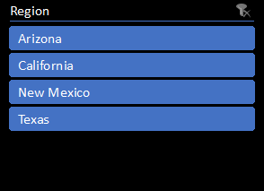
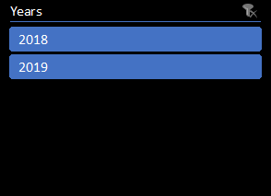
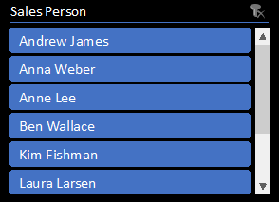

PERFORMANCE DASHBOARD

SHAPE AI

Sales Trend
Company Revenue
 | Total
Jan | 92759
Feb | 93096
Mar | 103309
Apr | 93392
May | 118523
Jun | 105113
Jul | 86694
Aug | 96143
Sep | 89459
Oct | 88891
Nov | 99699
Dec | 91073
Jan | 84293
Feb | 106033
Mar | 127074
Apr | 92400
May | 91637
Jun | 88012
Jul | 71980
Aug | 88838
Sep | 82758
Oct | 37415
 | Total
Company D | 113
Company H | 113
Company M | 112
Company Q | 111
Company E | 108
Company S | 107
Company B | 106
Company I | 106
Company N | 104
Company J | 99
Company A | 98
Company O | 98
Company R | 97
Company K | 93
Company G | 92
Company C | 90
Company P | 90
Company F | 88
Company T | 88
Company L | 87

Sales of Employee
Items Share
Sales by Region
 | Andrew James | Anna Weber | Anne Lee | Ben Wallace | Kim Fishman | Laura Larsen | Michael Fox | Oscar Knox
2018 | 138437 | 141614 | 127145 | 135455 | 126344 | 176838 | 155111 | 157207
2019 | 105244 | 134764 | 114049 | 120302 | 105444 | 99493 | 96679 | 94465
 | Total
Item 1 | 736953
Item 2 | 365762
Item 3 | 124890
Item 4 | 301305
Item 5 | 499681
 | Total
Texas | 532135
California | 508119
Arizona | 495353
New Mexico | 492984

