Sheet1
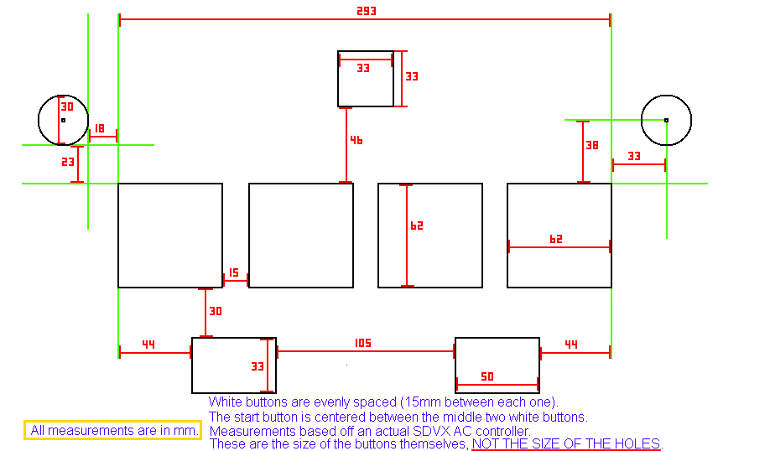
define rl to design ratio here: | 0.58064516129 | (rl bt size/design bt size) |  | values to use in photoshop
real life | design |  |  |  | if you don't have photoshop
15 | 9 | between bt |  |  | go use gimp (can open psd files)
62 | 36 | bt |  |  | or pirate it
30 | 17 | bt to fx |  |  | or buy it
44 | 26 | bt side to fx
33 | 19 | fx h
105 | 61 | fx between
50 | 29 | fx w
46 | 27 | bt to start
33 | 19 | start

x position | y position |  | anchor location |  | values from photoshop, to use in the lua file
width | height |  | 13 | 117
 |  |  | position relative to anchor
89 | 117 | start | 76 | 0
19 | 19

13 | 153 | bt | 0 | 36
36 | 36

58 | 153 |  | 45 | 36
36 | 36

103 | 153 |  | 90 | 36
36 | 36

148 | 153 |  | 135 | 36
36 | 36

39 | 206 | fx | 26 | 89
29 | 19

129 | 206 |  | 116 | 89
29 | 19

