Sheet1
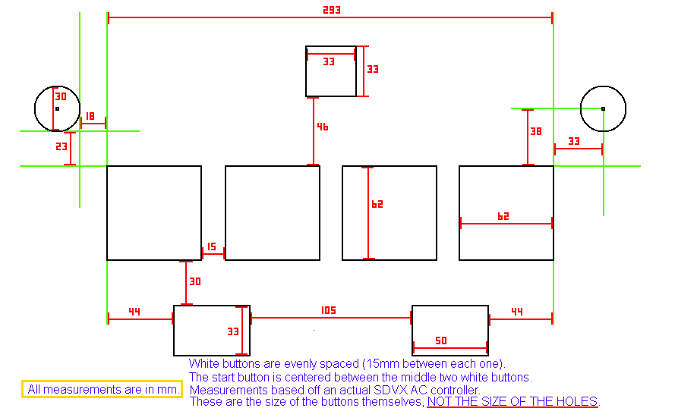
define rl to design ratio here: | 0.58064516129 | (rl bt size/design bt size) |  | values to use in photoshop
real life | design |  |  |  | if you don't have photoshop
15 | 9 | between bt |  |  | go use gimp (can open psd files)
62 | 36 | bt |  |  | or pirate it
30 | 17 | bt to fx |  |  | or buy it
44 | 26 | bt side to fx
33 | 19 | fx h
105 | 61 | fx between
50 | 29 | fx w
46 | 27 | bt to start
33 | 19 | start
33 | 19 | bt side to knob cent
38 | 22 | bt top to knob cent
15 | 9 | knob r
18 | 10
23 | 13

x position | y position |  | anchor location |  | values from photoshop, to use in the lua file
width | height |  | 13 | 599
 |  |  | position relative to anchor
117 | 599 | start | 104 | 0
19 | 19

41 | 635 | bt | 28 | 36
36 | 36

86 | 635 |  | 73 | 36
36 | 36

131 | 635 |  | 118 | 36
36 | 36

176 | 635 |  | 163 | 36
36 | 36

67 | 688 | fx | 54 | 89
29 | 19

157 | 688 |  | 144 | 89
29 | 19

21.5 | 612.5 | knobs | 8.5 | 13.5
9

230.5 | 612.5 |  | 217.5 | 13.5
9

