Sheet1
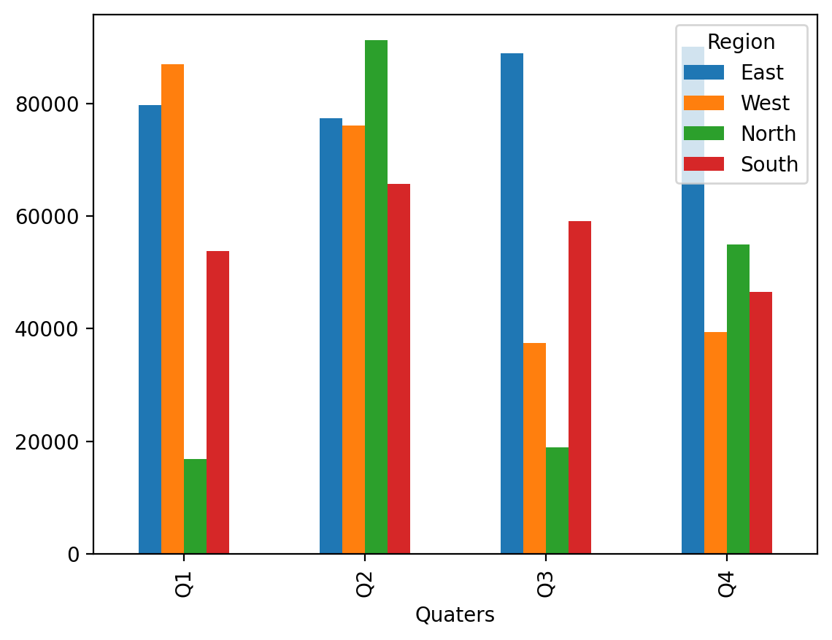
Import data with Xlwings | Quaters | East | West | North | South
 | Q1 | 79716.018987 | 86974.137203 | 16868.248251 | 53763.896954
 | Q2 | 77371.753111 | 75985.346625 | 91215.453307 | 65640.212396
 | Q3 | 88824.345582 | 37456.897713 | 18936.503154 | 59130.469858
 | Q4 | 90066.214506 | 39320.261529 | 54899.188573 | 46453.103287

