Lime_Rock
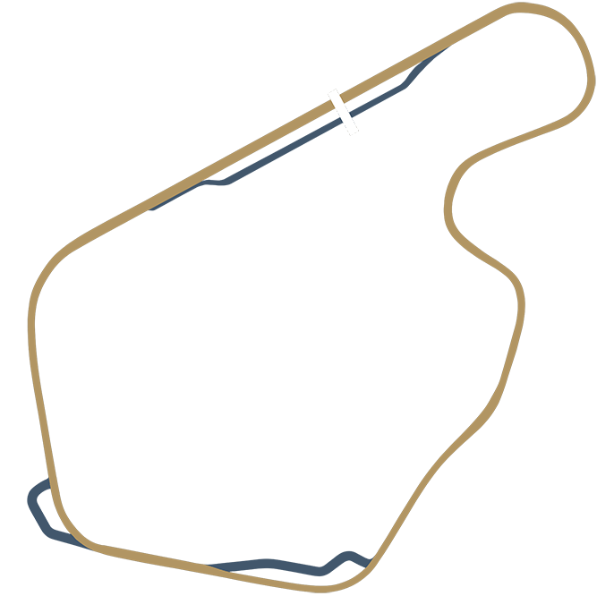
Lime Rock |  |  |  |  |  | https://projectmotorracing.com/track.php?trackIndex=0
Laps: 30 - enter finishing order, lap times, and Y for fastest lap
Position | Driver | Race Points | Fastest Lap? | Total Points | Best Lap Time
1 | Oliver Record | 10 | Y | 12 | 0:57.239
2 | Ryan Drew | 7 | N | 7 | 0:57.328
3 | Ryan Ashworth | 5 | N | 5 | 0:58.995
4 | Neil Hinder | 3 | N | 3 | 0:58.489
5 |  | 2 |  | 2
6 |  | 1 |  | 1

Zolder
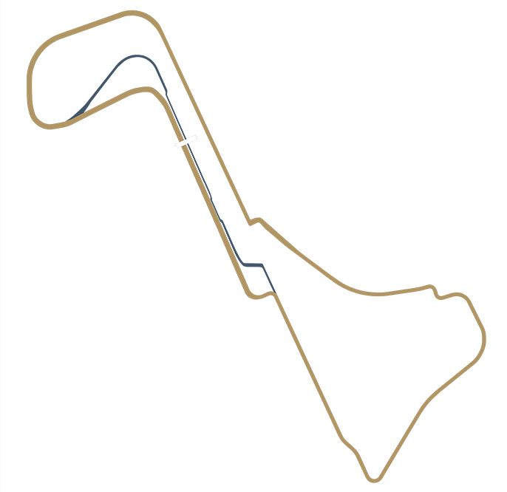
Zolder |  |  |  |  |  | https://projectmotorracing.com/track.php?trackIndex=3
Laps: 21 - enter finishing order, lap times, and Y for fastest lap
Position | Driver | Race Points | Fastest Lap? | Total Points | Best Lap Time
1 | Oliver Record | 10 | Y | 12 | 1:49.184
2 | Ryan Drew | 7 | N | 7 | 1:49.767
3 | Neil Hinder | 5 | N | 5 | 1:53.984
4 | Ryan Ashworth | 3 | N | 3 | 1:52.717
5 | Dene Ashworth | 2 |  | 2 | 1:51.589
6 |  | 1 |  | 1

Donington_Park
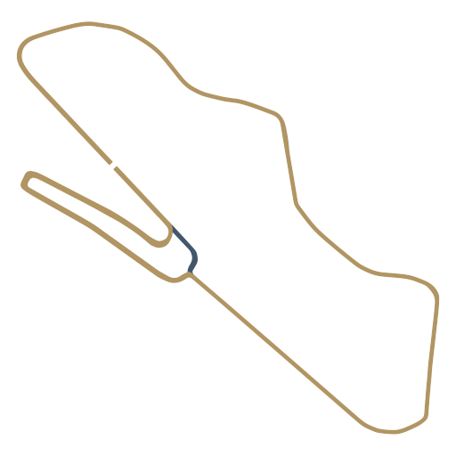
Donington Park |  |  |  |  |  | https://projectmotorracing.com/track.php?trackIndex=13
Laps: 21 - enter finishing order, lap times, and Y for fastest lap
Position | Driver | Race Points | Fastest Lap? | Total Points | Best Lap Time
1 | Oliver Record | 10 | Y | 12 | 1:47.123
2 | Ryan Drew | 7 | N | 7 | 1:47.512
3 | Ryan Ashworth | 5 | N | 5 | 1.51.945
4 | Neil Hinder | 3 | N | 3 | 1.51.773
5 |  | 2 |  | 2
6 |  | 1 |  | 1

Mid-Ohio
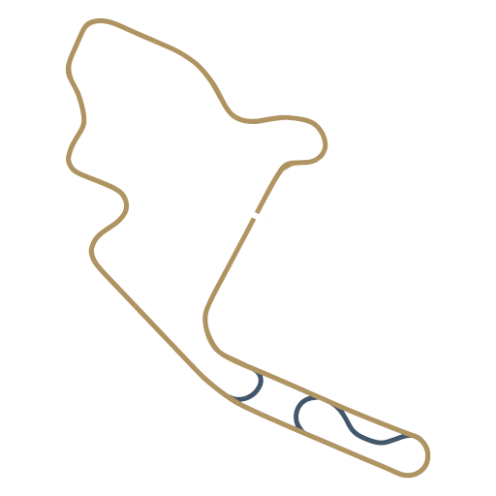
Mid-Ohio |  |  |  |  |  | https://projectmotorracing.com/track.php?trackIndex=16
Laps: 18 - enter finishing order, lap times, and Y for fastest lap
Position | Driver | Race Points | Fastest Lap? | Total Points | Best Lap Time
1 | Oliver Record | 10 | Y | 12 | 1:36.084
2 | Ryan Drew | 7 | N | 7 | 1:37.350
3 | Dene Ashworth | 5 | N | 5 | 1:39.667
4 | Neil Hinder | 3 | N | 3 | 1:43.250
5 | Ryan Ashworth | 2 | N | 2 | 1:41.506
6 |  | 1 |  | 1

Interlagos
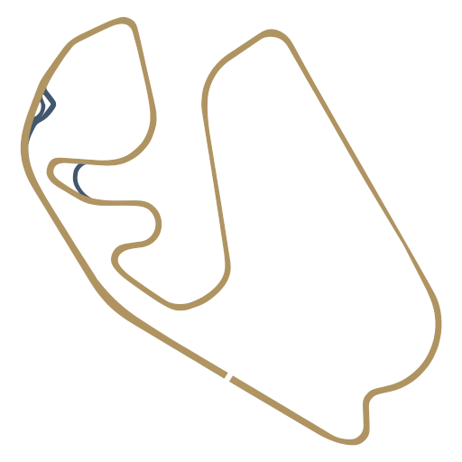
Interlagos |  |  |  |  |  | https://projectmotorracing.com/track.php?trackIndex=17
Laps: 17 - enter finishing order, lap times, and Y for fastest lap
Position | Driver | Race Points | Fastest Lap? | Total Points | Best Lap Time
1 | Oliver Record | 10 | Y | 12 | 1:53.312
2 | Dene Ashworth | 7 | N | 7 | 1:54.689
3 | Ryan Drew | 5 | N | 5 | 1:53.617
4 | Neil Hinder | 3 | N | 3 | 1:58.128
5 | Ryan Ashworth | 2 | N | 2 | 1:56.234
6 |  | 1 |  | 1

Red_Bull_Ring
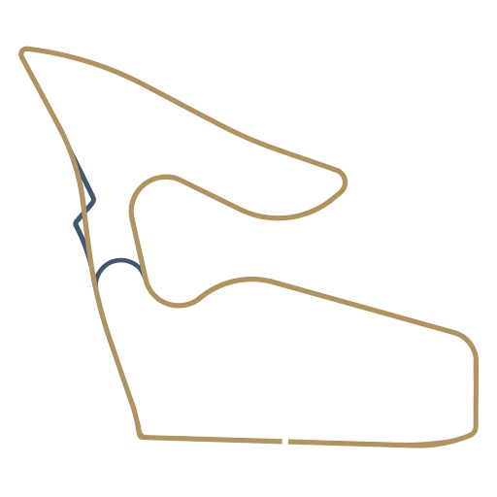
Red Bull Ring |  |  |  |  |  | https://projectmotorracing.com/track.php?trackIndex=14
Laps: 19 - enter finishing order, lap times, and Y for fastest lap
Position | Driver | Race Points | Fastest Lap? | Total Points | Best Lap Time
1 | Oliver Record | 10 | Y | 12 | 1:52.589
2 | Ryan Drew | 7 | N | 7 | 1:52.984
3 | Dene Ashworth | 5 | N | 5 | 1:53.345
4 | Neil Hinder | 3 | N | 3 | 1:56.606
5 | Ryan Ashworth | 2 | N | 2 | 1:54.645
6 |  | 1 |  | 1

Mosport
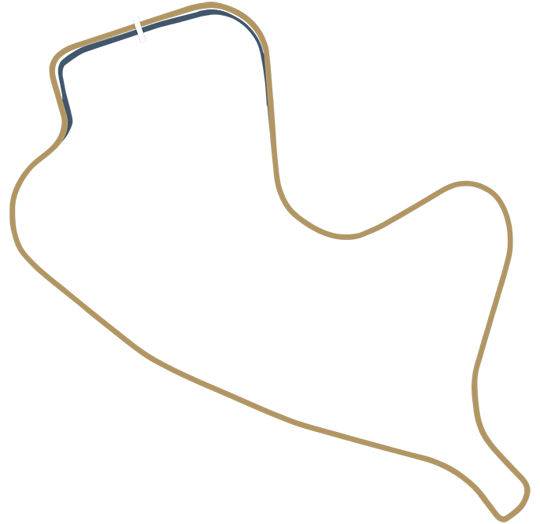
Mosport |  |  |  |  |  | https://projectmotorracing.com/track.php?trackIndex=1
Laps: 19 - enter finishing order, lap times, and Y for fastest lap
Position | Driver | Race Points | Fastest Lap? | Total Points | Best Lap Time
1 | Oliver Record | 10 | Y | 12 | 1:34.995
2 | Ryan Drew | 7 | N | 7 | 1:35.173
3 | Ryan Ashworth | 5 | N | 5 | 1:35.795
4 | Dene Ashworth | 3 | N | 3 | 1:35.350
5 | Neil Hinder | 2 | N | 2 | 1:37.778
6 |  | 1 |  | 1

Kyalami
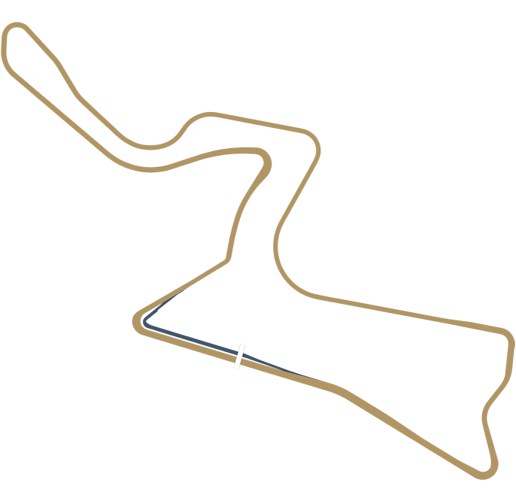
Kyalami |  |  |  |  |  | https://projectmotorracing.com/track.php?trackIndex=2
Laps: 17 - enter finishing order, lap times, and Y for fastest lap
Position | Driver | Race Points | Fastest Lap? | Total Points | Best Lap Time
1 | Oliver Record | 10 | Y | 12 | 2:03.062
2 | Dene Ashworth | 7 | N | 7 | 2:03.906
3 | Ryan Drew | 5 | N | 5 | 2:03.889
4 | Ryan Ashworth | 3 | N | 3 | 2:05.195
5 | Neil Hinder | 2 | N | 2 | 2:06.289
6 |  | 1 |  | 1

Imola
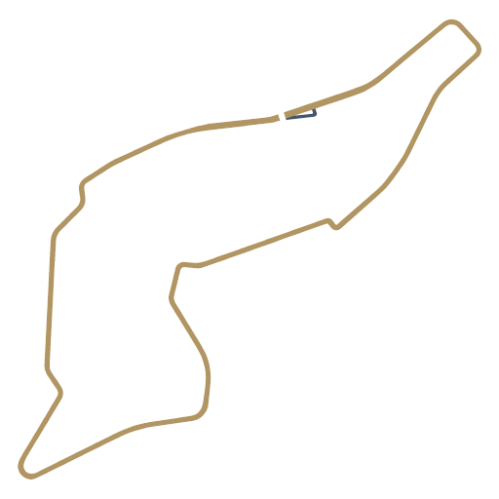
Imola |  |  |  |  |  | https://projectmotorracing.com/track.php?trackIndex=12
Laps: 16 - enter finishing order, lap times, and Y for fastest lap
Position | Driver | Race Points | Fastest Lap? | Total Points | Best Lap Time
1 | Ryan Drew | 10 | Y | 12 | 2:10.400
2 | Dene Ashworth | 7 |  | 7 | 2:11.217
3 | Ryan Ashworth | 5 |  | 5 | 2:11.967
4 | Neil Hinder | 3 |  | 3 | 2:14.334
5 |  | 2 |  | 2
6 |  | 1 |  | 1

Silverstone
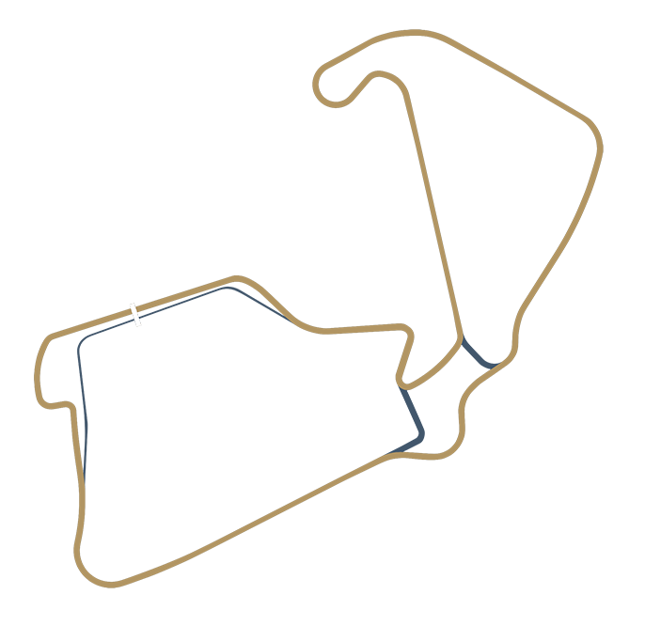
Silverstone |  |  |  |  |  | https://projectmotorracing.com/track.php?trackIndex=9
Laps: 14 - enter finishing order, lap times, and Y for fastest lap
Position | Driver | Race Points | Fastest Lap? | Total Points | Best Lap Time
1 | Dene Ashworth | 10 | Y | 12 | 2:31.223
2 | Ryan Ashworth | 7 |  | 7 | 2:33.123
3 | Ryan Drew | 5 |  | 5 | 2:31.434
4 | Neil Hinder | 3 |  | 3 | 2:35.528
5 |  | 2 |  | 2
6 |  | 1 |  | 1

Sebring
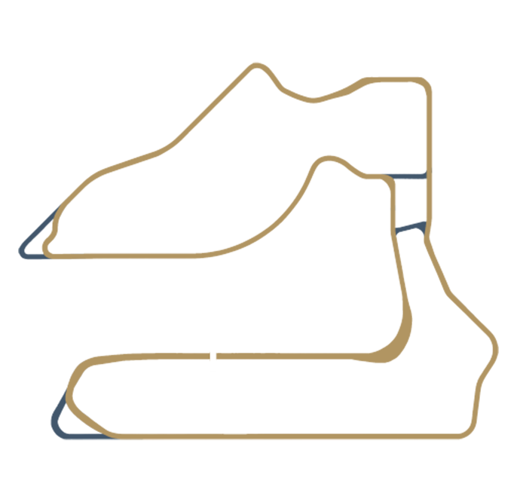
Sebring |  |  |  |  |  | https://projectmotorracing.com/track.php?trackIndex=10
Laps: 14 - enter finishing order, lap times, and Y for fastest lap
Position | Driver | Race Points | Fastest Lap? | Total Points | Best Lap Time
1 | Oliver Record | 10 | Y | 12 | 2:30.489
2 | Ryan Drew | 7 |  | 7 | 2:31.334
3 | Dene Ashworth | 5 |  | 5 | 2:31.384
4 | Ryan Ashworth | 3 |  | 3 | 2:32.450
5 | Neil Hinder | 2 |  | 2 | 2:33.200
6 |  | 1 |  | 1

Daytona_Road
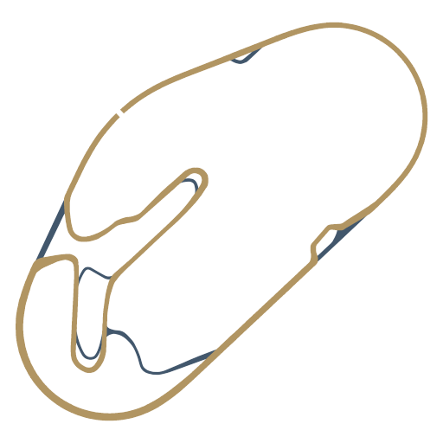
Daytona Road |  |  |  |  |  | https://projectmotorracing.com/track.php?trackIndex=11
Laps: 15 - enter finishing order, lap times, and Y for fastest lap
Position | Driver | Race Points | Fastest Lap? | Total Points | Best Lap Time
1 | Oliver Record | 10 | Y | 12 | 2:14.017
2 | Ryan Drew | 7 |  | 7 | 2:15.912
3 | Dene Ashworth | 5 |  | 5 | 2:15.428
4 | Ryan Ashworth | 3 |  | 3 | 2:15.434
5 | Neil Hinder | 2 |  | 2 | 2:15.767
6 |  | 1 |  | 1

Monza
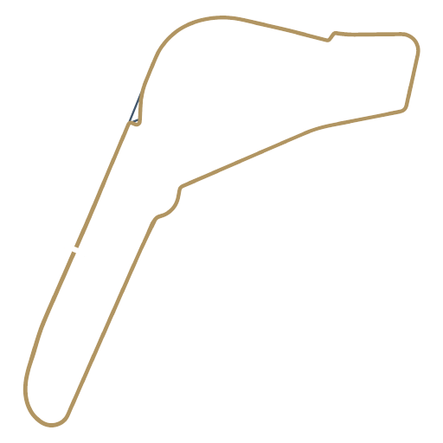
Monza |  |  |  |  |  | https://projectmotorracing.com/track.php?trackIndex=15
Laps: 15 - enter finishing order, lap times, and Y for fastest lap
Position | Driver | Race Points | Fastest Lap? | Total Points | Best Lap Time
1 | Oliver Record | 10 | Y | 12 | 2:18.234
2 | Dene Ashworth | 7 |  | 7 | 2:220.867
3 | Ryan Ashworth | 5 |  | 5 | 2:20.373
4 | Neil Hinder | 3 |  | 3 | 2:22.900
5 | Ryan Drew | 2 |  | 2 | 2:20.556
6 |  | 1 |  | 1

Nürburgring_GP
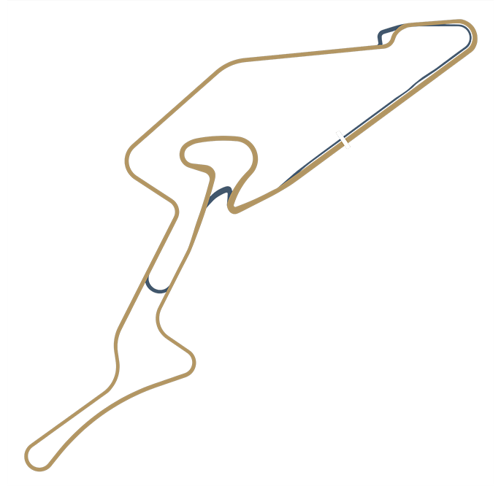
Nürburgring GP |  |  |  |  |  | https://projectmotorracing.com/track.php?trackIndex=7
Laps: 14 - enter finishing order, lap times, and Y for fastest lap
Position | Driver | Race Points | Fastest Lap? | Total Points | Best Lap Time
1 | Oliver Record | 10 | Y | 12 | 2:21.156
2 | Dene Ashworth | 7 |  | 7 | 2:23.378
3 | Ryan Drew | 5 |  | 5 | 2:22.939
4 | Neil Hinder | 3 |  | 3 | 2:23.789
5 | Ryan Ashworth | 2 |  | 2 | 2:23.812
6 |  | 1 |  | 1

Spa
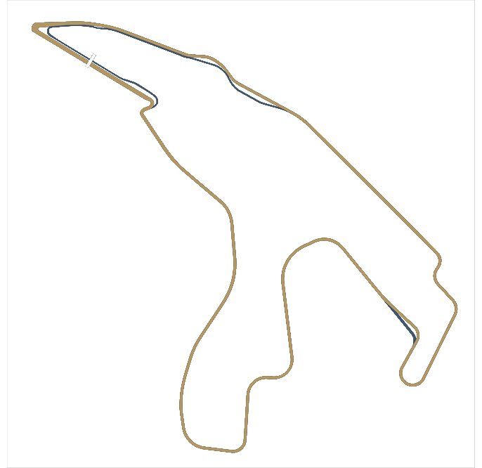
Spa |  |  |  |  |  | https://projectmotorracing.com/track.php?trackIndex=4
Laps: 12 - enter finishing order, lap times, and Y for fastest lap
Position | Driver | Race Points | Fastest Lap? | Total Points | Best Lap Time
1 | Ryan Drew | 10 |  | 10 | 2:53.295
2 | Oliver Record | 7 | Y | 9 | 2:52.400
3 | Dene Ashworth | 5 |  | 5 | 2:54.795
4 | Neil Hinder | 3 |  | 3 | 2:55.262
5 | Ryan Ashworth | 2 |  | 2 | 2:53.895
6 |  | 1 |  | 1

Bathurst
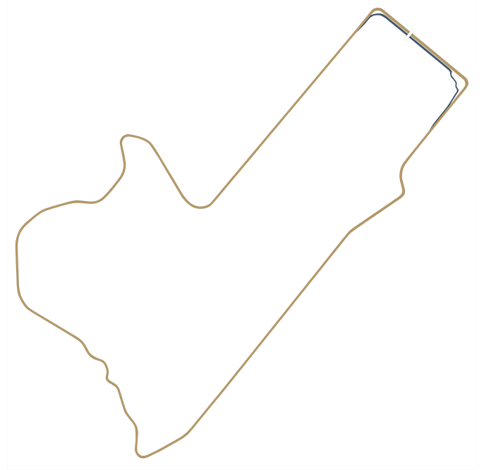
Bathurst |  |  |  |  |  | https://projectmotorracing.com/track.php?trackIndex=8
Laps: 12 - enter finishing order, lap times, and Y for fastest lap
Position | Driver | Race Points | Fastest Lap? | Total Points | Best Lap Time
1 | Oliver Record | 10 | 2:37.039 | 10
2 | Ryan Drew | 7 | 2:38.167 | 7
3 | Neil Hinder | 5 | 2:40.800 | 5
4 | Ryan Ashworth | 3 | 2:40.512 | 3
5 | Dene Ashworth | 2 | 2:41.106 | 2
6 |  | 1 |  | 1

Nordschleife
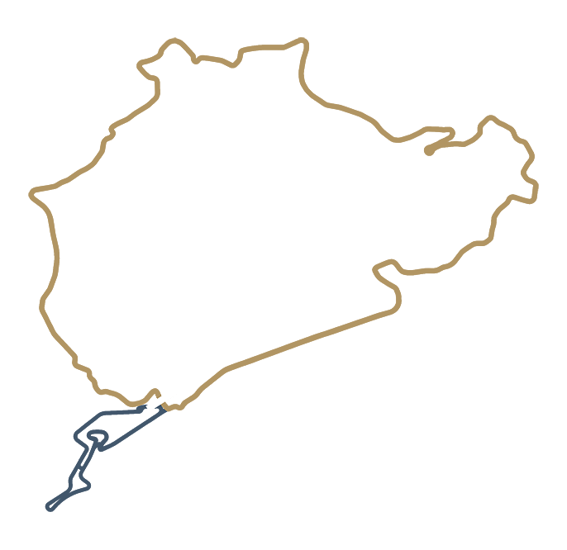
Nordschleife |  |  |  |  |  | https://projectmotorracing.com/track.php?trackIndex=5
Laps: 4 - enter finishing order, lap times, and Y for fastest lap
Position | Driver | Race Points | Fastest Lap? | Total Points | Best Lap Time
1 | Oliver Record | 10 | Y | 12 | 8:22.123
2 | Ryan Drew | 7 |  | 7
3 | Neil Hinder | 5 |  | 5 | 8:53.384
4 | Dene Ashworth | 3 |  | 3 | 8:37.701
5 | Ryan Ashworth | 2 |  | 2 | 8:39.573
6 |  | 1 |  | 1

Spielberg Small
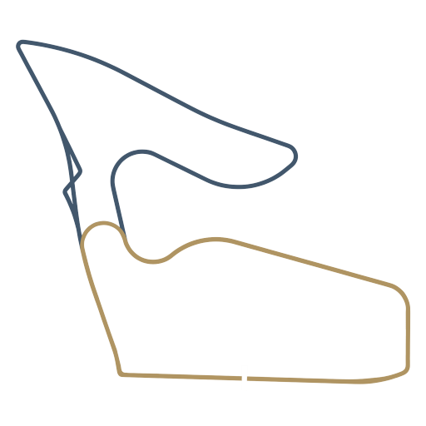
Spielberg Small |  |  |  |  |  | https://projectmotorracing.com/track.php?trackIndex=14
Laps: 4 - enter finishing order, lap times, and Y for fastest lap
Position | Driver | Race Points | Fastest Lap? | Total Points | Best Lap Time
1 | Oliver Record | 10 | Y | 12 | 1:01.150
2 | Ryan Drew | 7 |  | 7 | 1:01.534
3 | Dene Ashworth | 5 |  | 5 | 1:01.723
4 | Ryan Ashworth | 3 |  | 3 | 1:02.434
5 | Neil Hinder | 2 |  | 2 | 1:02.289
6 |  | 1 |  | 1

Driver 1
Driver Name | Neil Hinder
Driver Nationality | English
Driver Nickname | Nuzik
Driver Age | 44
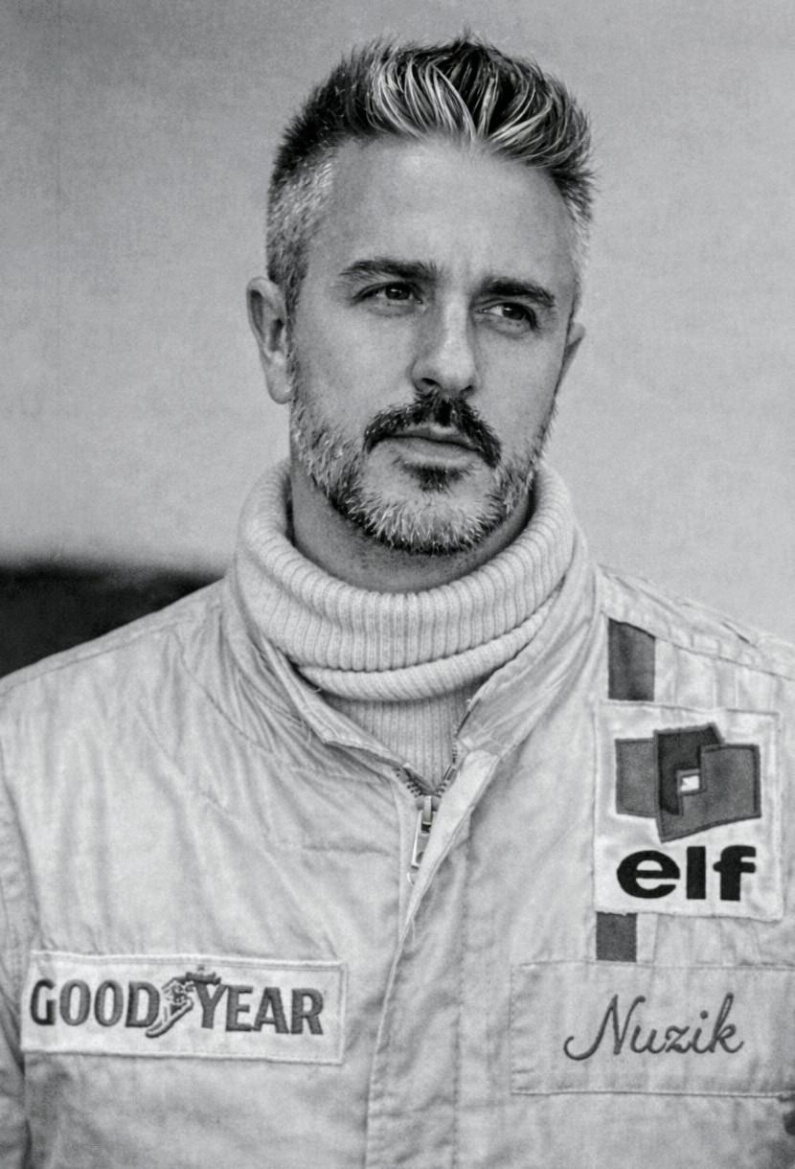
Driver Photo

Points | Wins | Podiums | Fast Laps | Starts | Avg Finish
55 | 0 | 3 | 0 | 18 | 4.11

Driver 2
Driver Name | Oliver Record
Driver Nationality | English
Driver Nickname | One Sock Oli
Driver Age | 34

Driver Photo

Points | Wins | Podiums | Fast Laps | Starts | Avg Finish
187 | 15 | 16 | 30 | 16 | 1.06

Driver 3
Driver Name | Ryan Drew
Driver Nationality | English
Driver Nick Name | Drew
Driver Age | 32

Driver Photo

Points | Wins | Podiums | Fast Laps | Starts | Avg Finish
121 | 2 | 17 | 2 | 18 | 2.28

Driver 4
Driver Name | Dene Ashworth
Driver Nationality | English
Driver Nick Name | Deno
Driver Age | 35
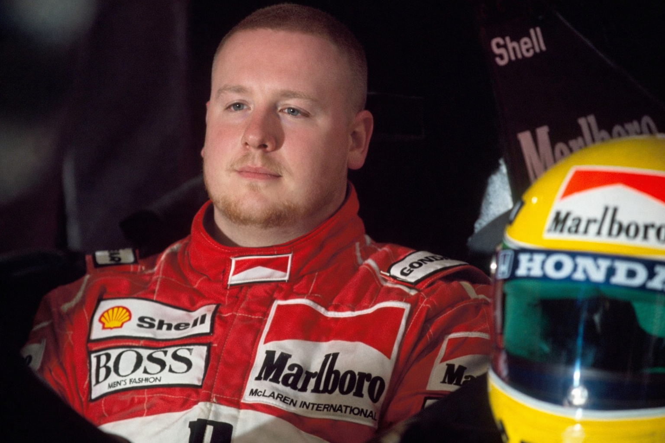
Driver Photo

Points | Wins | Podiums | Fast Laps | Starts | Avg Finish
87 | 1 | 12 | 2 | 16 | 2.94

Driver 5
Driver Name | Ryan Ashworth
Driver Nationality | English
Driver Nick Name | Ry-Dawg
Driver Age | 33
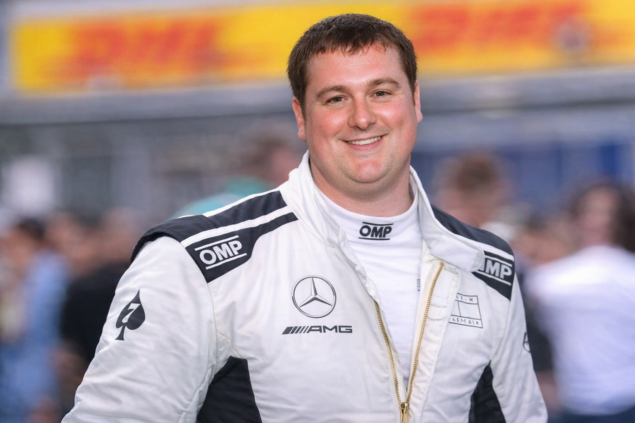
Driver Photo

Points | Wins | Podiums | Fast Laps | Starts | Avg Finish
62 | 0 | 6 | 0 | 18 | 3.94

