Summary
TRAFFIC SURVEY ANALYSIS

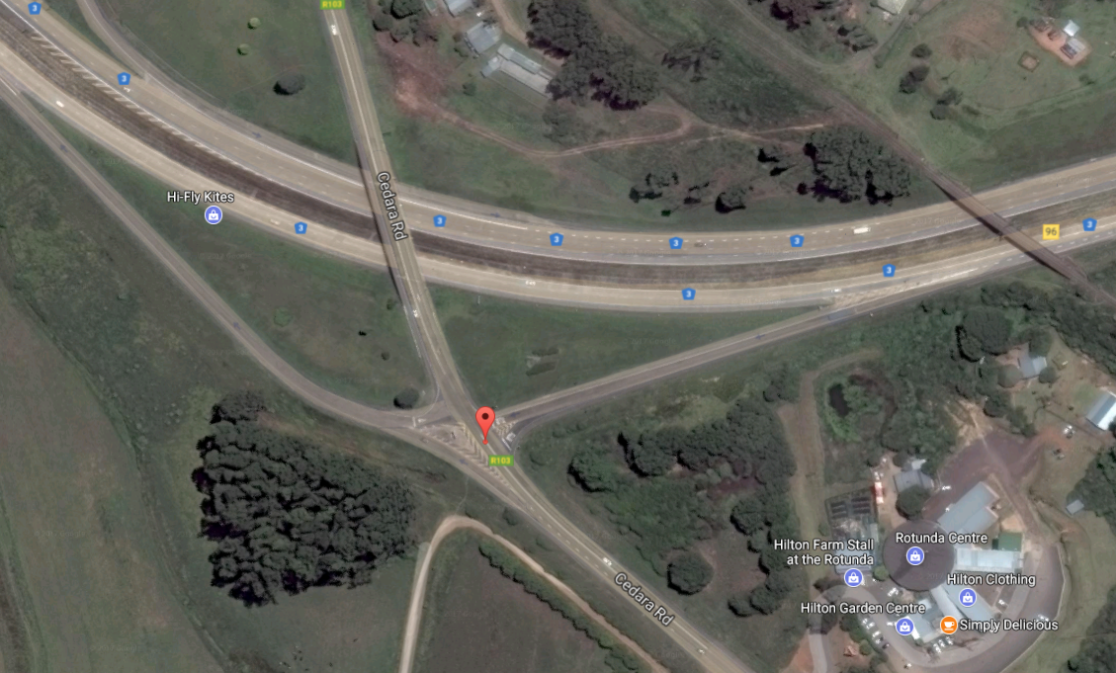
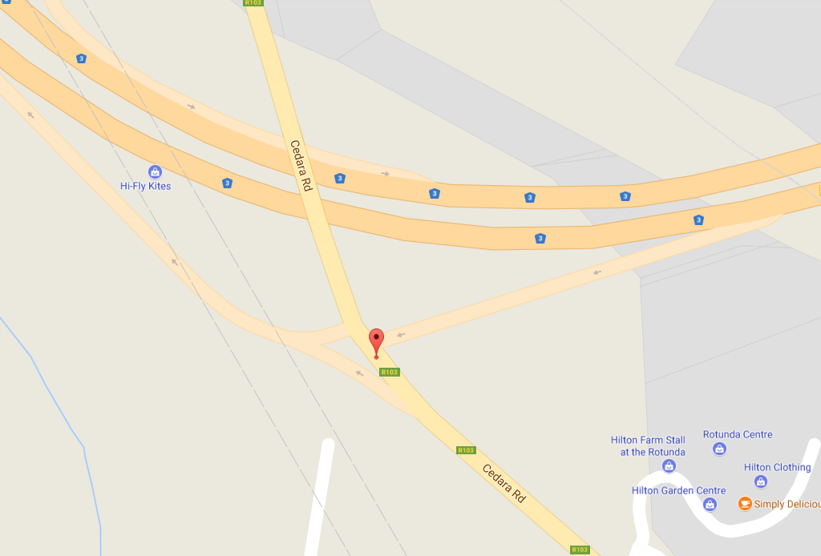
 | Municipality: | uMngeni Local Municipality |  |  |  |  |  |  |  |  |  |  |  |  | Intersection Satellite View |  |  |  |  | Intersection Map View
 | Site: | Cedara Road & R103
 | Date: | 4-May-17
 | Lat: | 29°32'22.38"S
 | Long: | 30°16'35.36"E
 | Road Name N: | R103
 | Road Name E: | R103
 | Road Name S: | Dennis Shepstone
 | Road Name W: | R103

 |  | Left Turn |  |  |  | Through |  |  |  | Right Turn
 |  | C | T | H | B | C | T | H | B | C | T | H | B
From North |  | 0 | 0 | 0 | 0 | 2174 | 54 | 75 | 9 | 72 | 11 | 3 | 0
From East |  | 429 | 36 | 22 | 2 | 14 | 17 | 0 | 2 | 803 | 40 | 32 | 13
From South |  | 1518 | 26 | 52 | 1 | 1074 | 41 | 26 | 15 | 0 | 0 | 0 | 0
From West |  | 0 | 0 | 0 | 0 | 0 | 0 | 0 | 0 | 0 | 0 | 0 | 0

 | Direction Counts |  |  |  |  |  |  |  |  |  |  |  |  |  | Lane Counts |  |  |  |  | Segment Counts

 |  |  |  |  |  |  |  |  | 86 | 2312 | 0 |  |  |  |  |  |  |  |  |  |  | 4442
 |  |  |  |  |  |  |  |  |  |  |  |  |  |  |  |  | 2044 | 2398

 |  | 0
 |  | 0 |  |  |  |  |  |  |  |  |  |  |  |  |  | 0 |  |  | 0
 |  | 0 |  |  |  |  |  |  |  |  |  |  |  |  |  |  |  |  |  |  | 1716 |  | 1410
 |  |  |  |  |  |  |  |  |  |  |  |  |  | 888
 |  |  |  |  |  |  |  |  |  |  |  |  |  | 33 |  | 1716 |  |  | 1410
 |  |  |  |  |  |  |  |  |  |  |  |  |  | 489
 |  |  |  |  |  |  |  |  |  |  |  |  |  |  |  |  |  |  |  |  |  | 5554
 |  |  |  |  |  |  |  |  |  |  |  |  |  |  |  |  | 2753 | 2801
 |  |  |  |  |  | 1597 | 1156 | 0

