Sheet1
 | 2013 | 2014 | 2015 | 2016 | 2017
Desktops | 153 | 156 | 158 | 161 | 164
Monitors | 165 | 170 | 175 | 180 | 185
Laptops | 284 | 332 | 384 | 443 | 511
Smartphones | 900 | 1175 | 1390 | 1630 | 1911
Tablets | 250 | 350 | 500 | 570 | 650
Networks | 407 | 469 | 542 | 629 | 731
Data center | 320 | 365 | 416 | 475 | 541

Sheet2
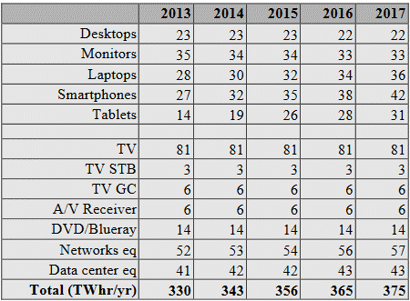
Table 2: manufacturing Electricity Consumption (TWh/yr) - best case scenario.
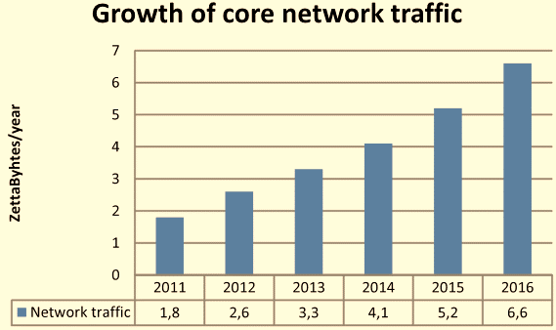
Graph 1 : Growth in core network traffic, including traffic within data centers (~70% of total traffic is between data centers).
 | 2011 | 2012 | 2013 | 2014 | 2015 | 2016
TWHr/yr | 38 | 39 | 41 | 42 | 42 | 43
 | 1.8 | 2.6 | 3.3 | 4.1 | 5.2 | 6.6
Network Traffic Growth | 68.4 | 101.4 | 135.3 | 172.2 | 218.4 | 283.8

Growth of Network Traffic vs Energy Consumption

