Building&ChoiceMenu
Building Menu:BM01

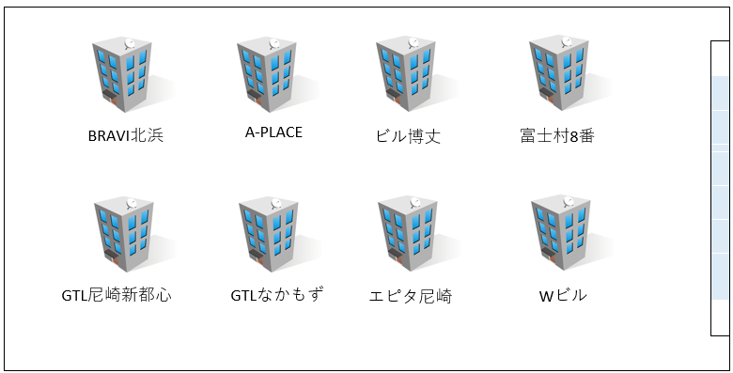
 |  | BRAVI北浜 |  | 2023年度9月度
 |  |  |  |  | Button
 |  |  | 1F
 |  |  |  |  | TextField
 | 種別
 | 電灯
 |  |  |  |  | Label

 |  |  | Upload Image |  | CheckBox
 |  |  | Confirm
 |  |  |  |  | Image

ChoiceMenu:FM01

 |  | BRAVI北浜 |  | 2023年度9月度

 |  |  | 1F
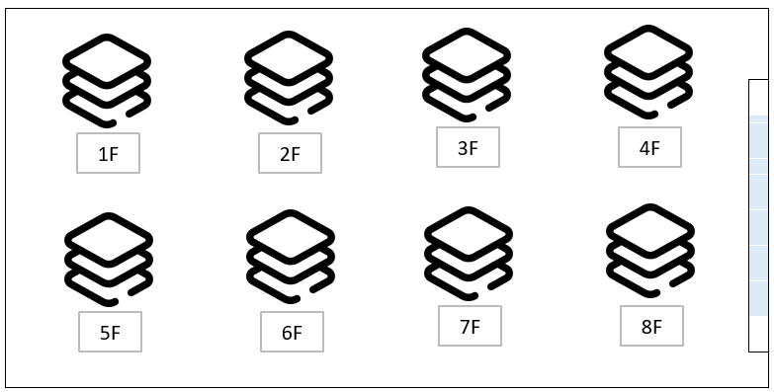
 | 種別
 | 電灯

 |  |  | Image

 |  |  | Upload Image
 |  |  | Confirm

種別ComboBox:TCB01

 |  | BRAVI北浜 |  | 2023年度9月度

 |  |  | 1F

 | 種別
 | 電灯

 |  |  | Image

 |  |  | Upload Image
 |  |  | Confirm

BM01,FM01,TCB01
Building Menu:BM01

 |  | Button

 |  | TextField
BRAVI北浜
A-PLACE
ビル博丈
富士村8番

 |  | Label

 |  | CheckBox
GTL尼崎新都心
GTLなかもず
エピタ尼崎
Wビル
 |  | Image

ChoiceMenu:FM01

1F
2F
3F
4F

5F
6F
7F
8F

種別ComboBox:TCB01

 | 電灯

 | 動力

 | 水道

 | ガス

