Screen Flow
Screen Flow (画面遷移） |  | စာအုပ်ဆိုင် Book Store |  |  |  |  |  | Create Date | 2022-05-17
 |  |  |  |  |  |  |  | Update Date | 2022-06-17

Explanation of Project |  |  | စာဖတ်ခြင်းကိုချစ်မြတ်နိုးကြသည့်မိတ်ဆွေများအတွက်ရည်ရွယ်ပြီးစာအုပ်ဆိုင် Bookstore Websiteလေးကိုဖန်တီးထားခြင်းဖြစ်ပါသည်။ထို့အပြင်စာဖတ်ရတာကြိုက်ပေမယ့်အပြင်ထွက်တာမကြိုက်သည့်သူ၊ရပ်ဝေးမှာနေသည့်သူတွေအတွက်လည်း အဆင်ပြေပြေOnline ကနေ ဝယ်လို့ရအောင်လည်း ပြုလုပ်ပေးထားပါသည်။
プロジャックの説明

(画面遷移）

 | Path： | Admin |  |  |  | Path： | Customer

Home Page
Admin Page

 |  |  |  | No
Login
Search (Category,Author,Book Name)
Category
Author Profile (Name,photo,count of book,...)
Shop
Contact
Login
SignUp
Logout
 |  |  |  | Yes
valid
view items
Add to cart
check out
buy?
valid
 |  |  |  |  |  |  |  | No

previews
 |  |  |  |  |  |  |  | Yes
Voucher
 |  |  |  |  |  |  |  |  | No
DashBoard
Book Info
Author Info
Shop Info
User Info
Order Info
Community
Setting

show rating
 |  |  |  |  |  |  |  | Yes
Total
-customers
-total order
-total sale
-monthly oreder's chart
-daily order
-BookList
(name
img
price
rating
description
category)
-Add
-Edit
-Delete
Author
-list
(
AuthorName,
AuthorImage,
Biography)
-Add
-Edit
-Delete
-Shop List
(Name,
Image,
Phno,
Address,
Website Link)
-User List
(Name,
Phno,
Email,
Ban icon
-Ban User List
ban user,
unban icon
-Order List
(CustomerName,
Cus's Address,
Delivery City,
Total Amount,
Delivery Fees)
-Order Detail
(BookName,
BookPrice,
Quantity,
Total)
-Review
(CustomerName,
BookName,
CategoryName,
Comment)
-Contact Form from customers
(CustomerName,
Email,
Message)
- Category Add/Update/Delete
-LogoChange -faviconChge
-SliderChange
- Welcome Text
- Website info (phone,address,email,...)
- Guide Change
- Service Change
- PP Change
- FAQ Add/Update
-Create
Admin account
order confirmed

account?
only view
Order History
 |  |  |  |  |  | No

 |  |  |  |  | Yes
UserProfile
give review

LogOut

Screen Design
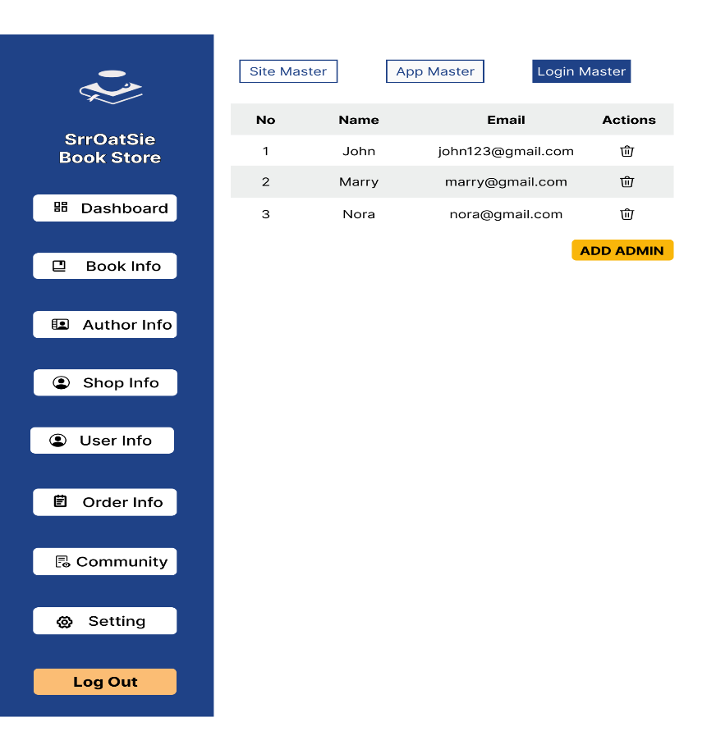
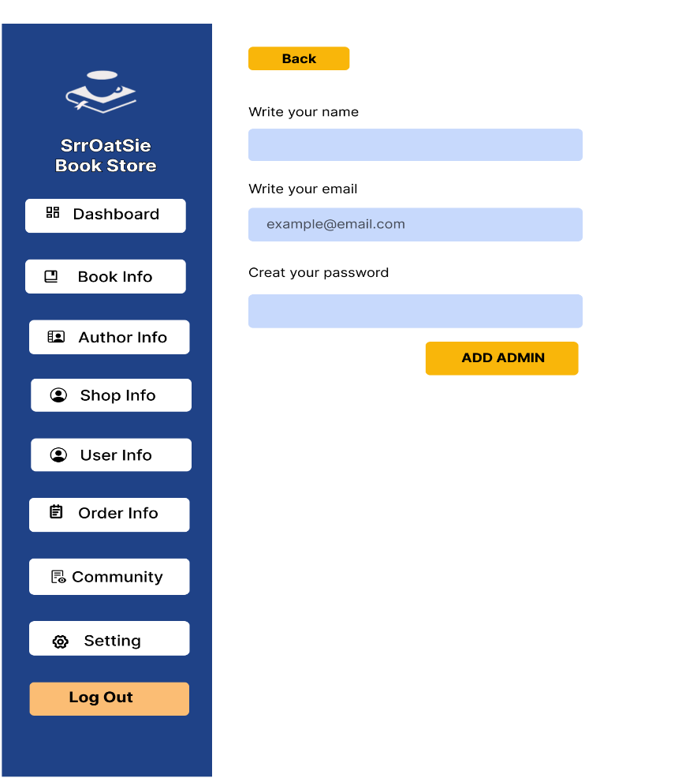
Screen Design (画面設計） |  | Project Name |  |  |  |  |  |  |  |  | Create Date | 2022-05-17
 |  |  |  |  |  |  |  |  |  |  | Update Date | 2022-06-17

Screen Name ： |  |  | Customer |  |  | Screen Name ： |  |  | Admin

 | Home Page |  |  | Category Pages |  |  | Admin Login |  |  | Dashboard
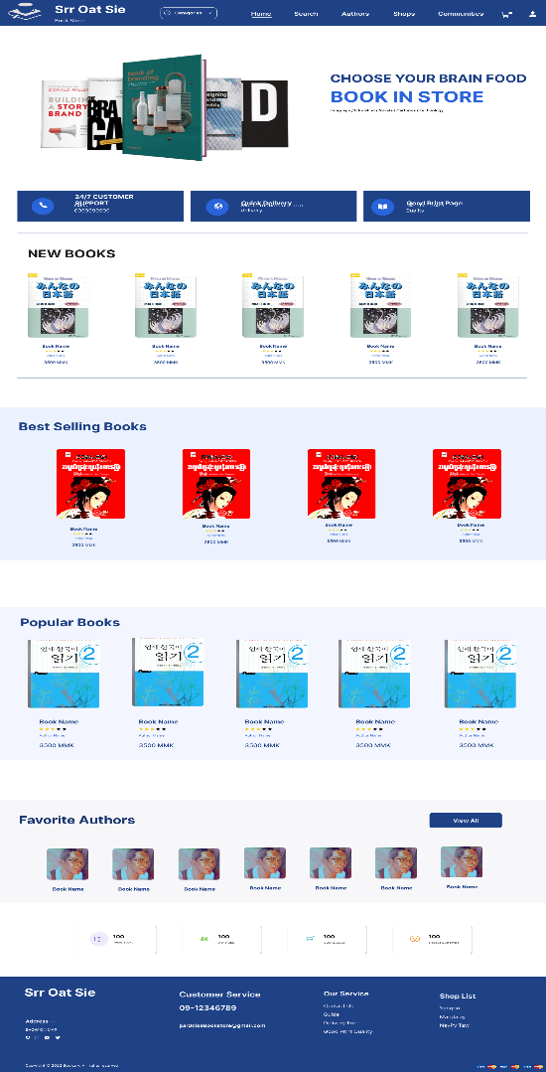
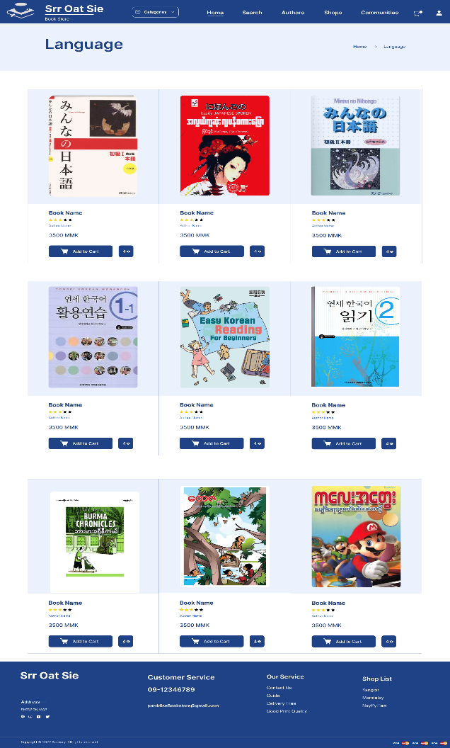
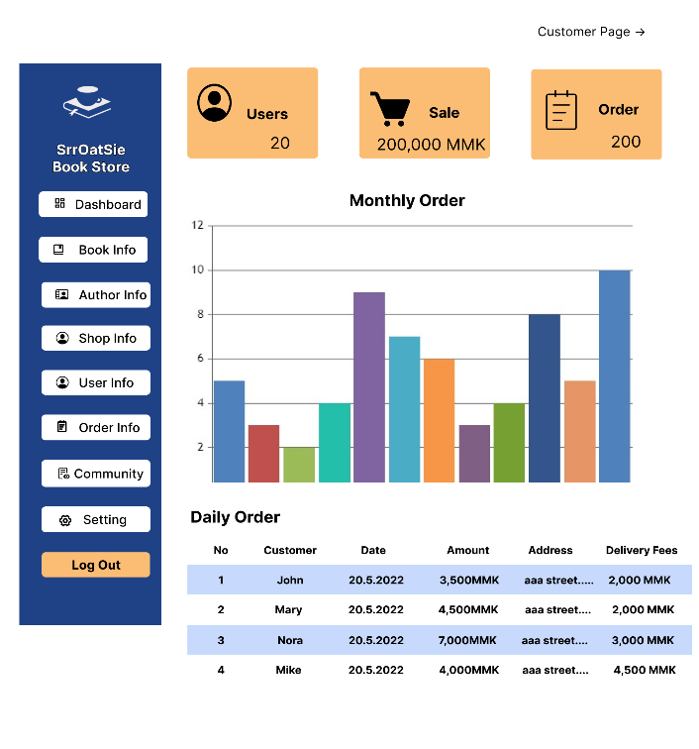
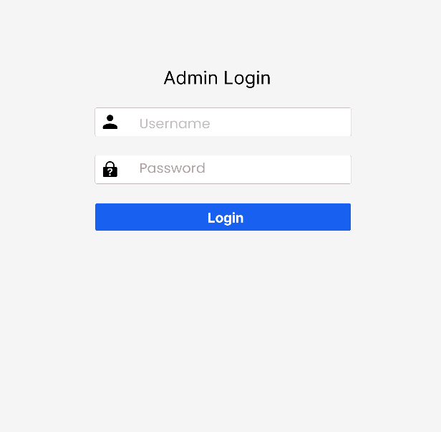

 |  |  |  |  |  |  |  | Book Info |  |  | Add Book
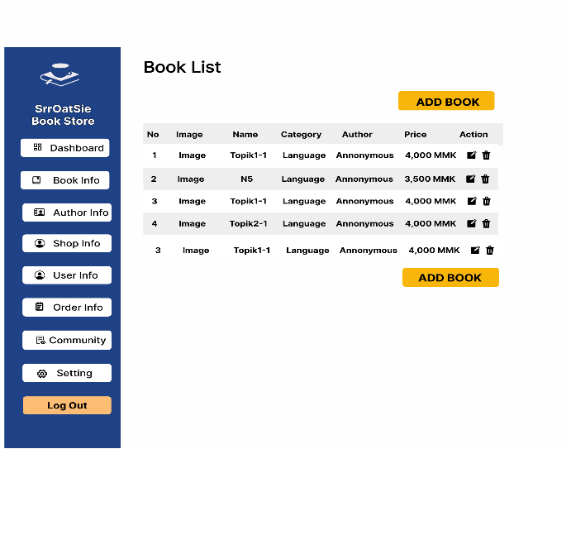
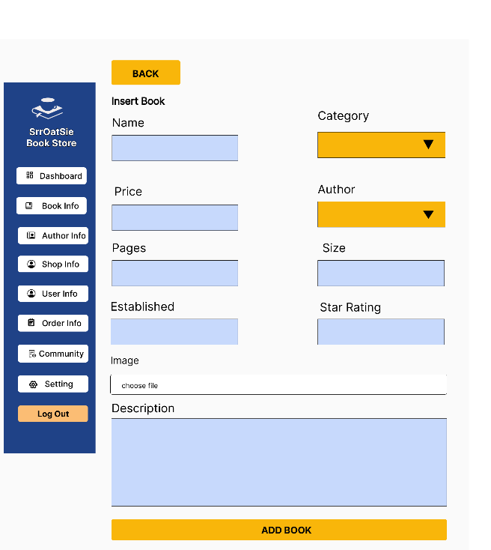

 | Search Page |  |  | Author Page

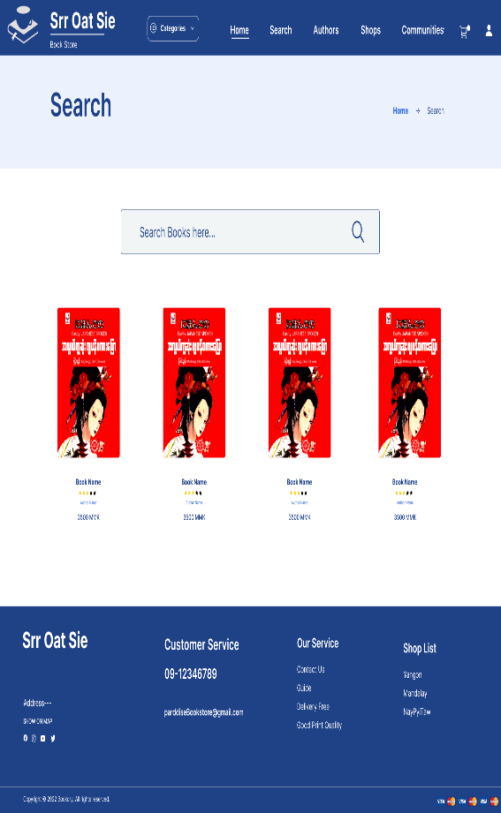
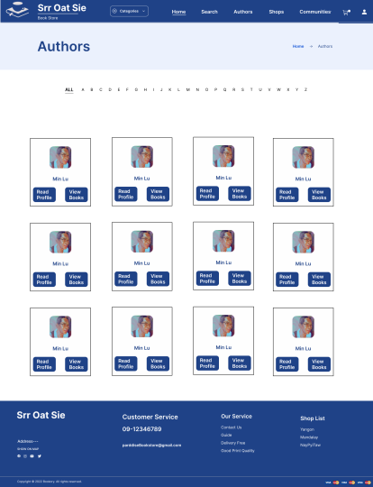

 |  |  |  |  |  |  |  | Edit Book
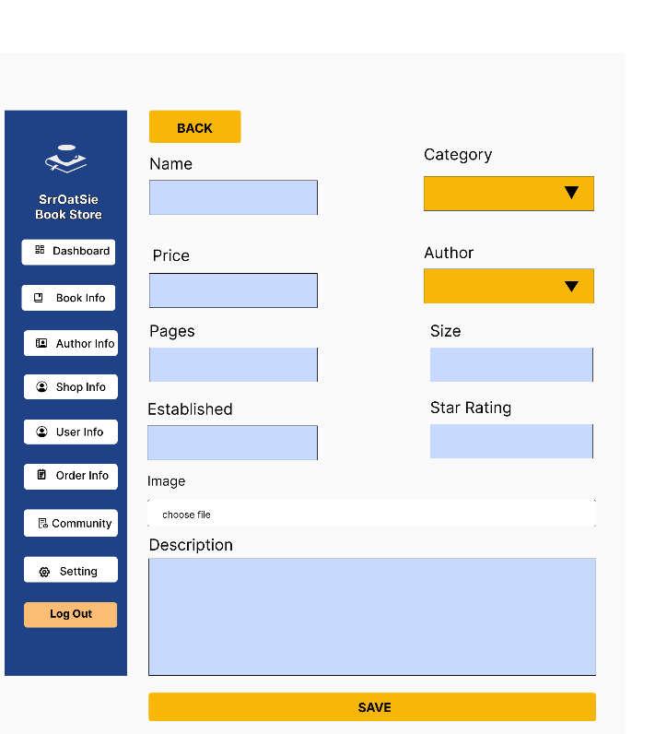
 |  |  |  |  |  |  |  |  |  |  | Author Info
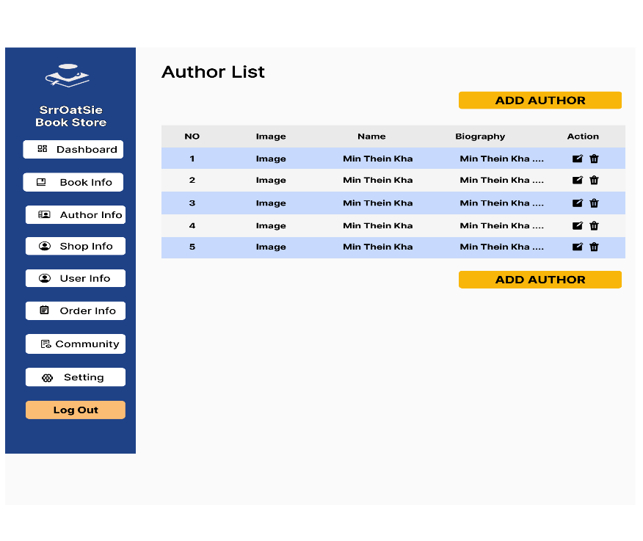

 | BookDetails Page |  |  |  | Add to Cart Page |  |  | Add Author |  |  | Edit Author
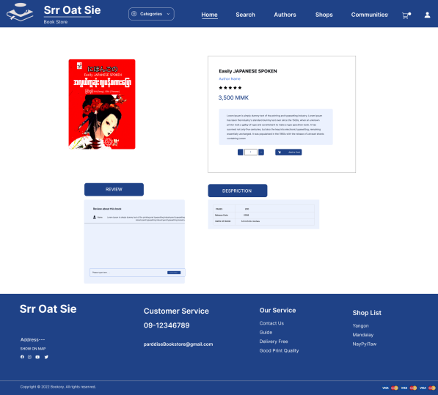
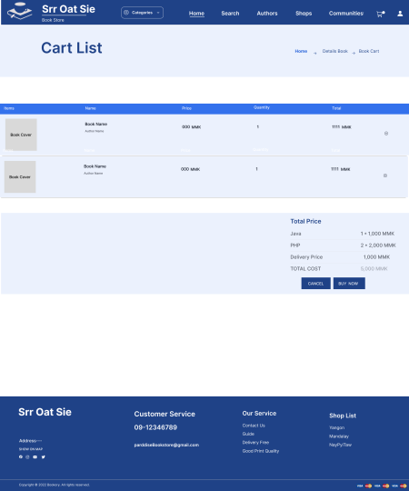
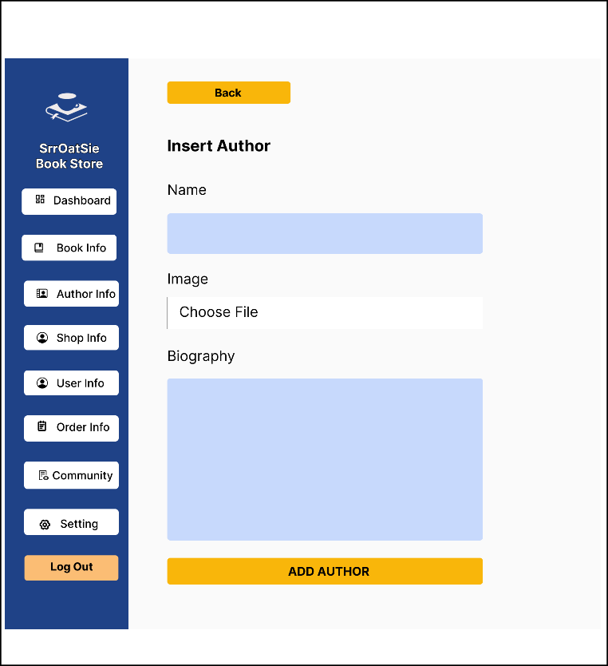
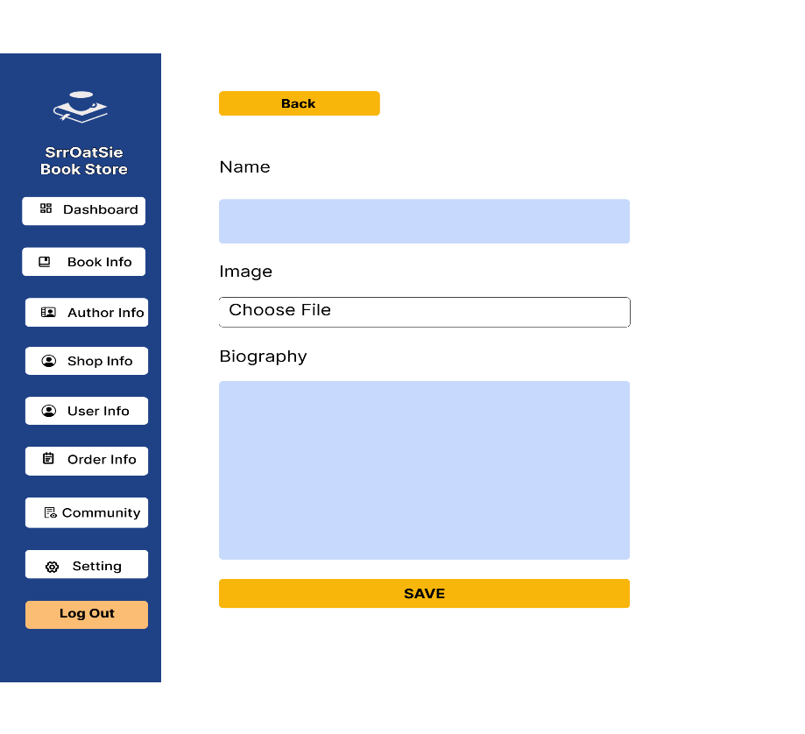

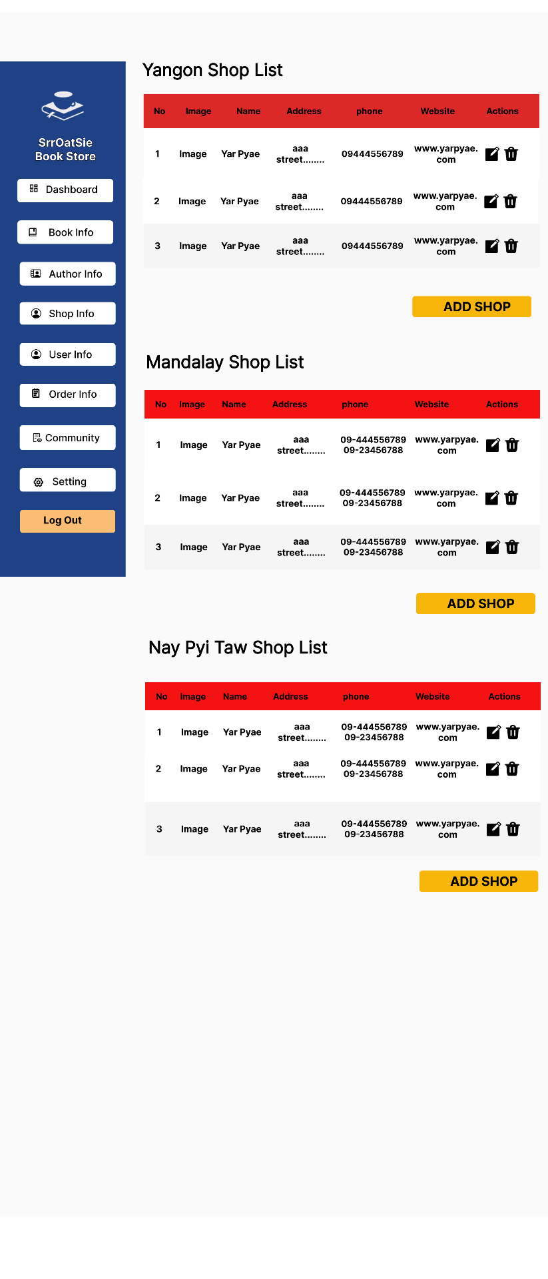
 |  |  |  |  |  |  |  | Shop Info |  |  | Add Shop
 | Sign Up |  |  |  | Sign In
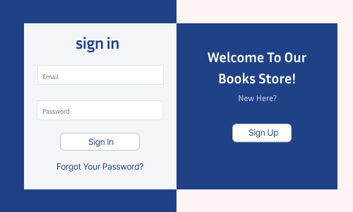
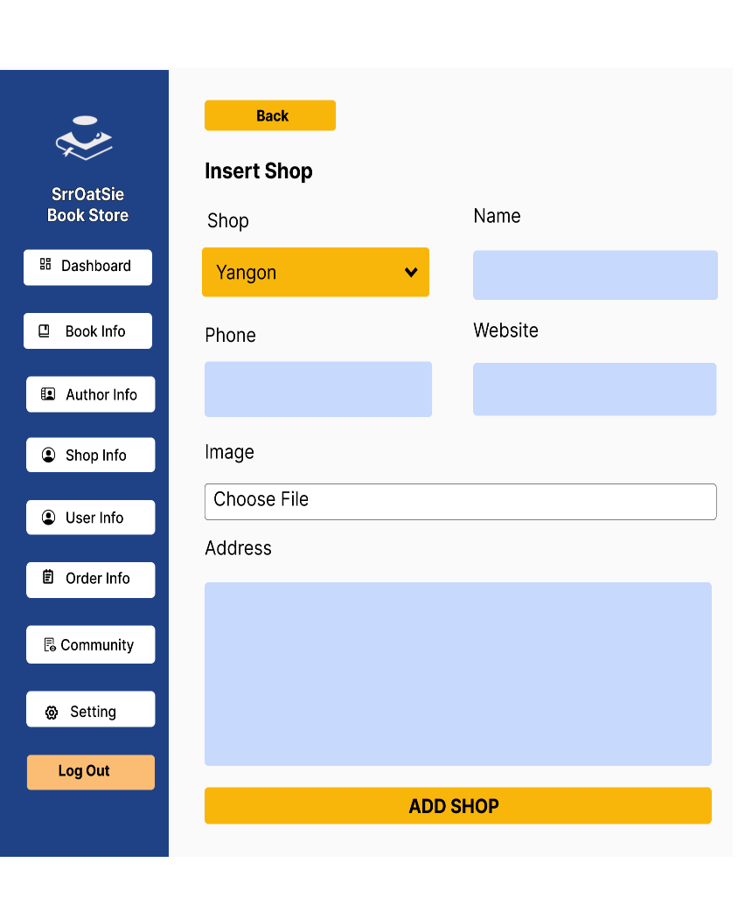
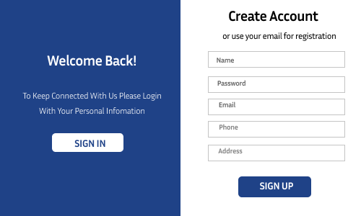

 | Voucher |  |  |  | Order History

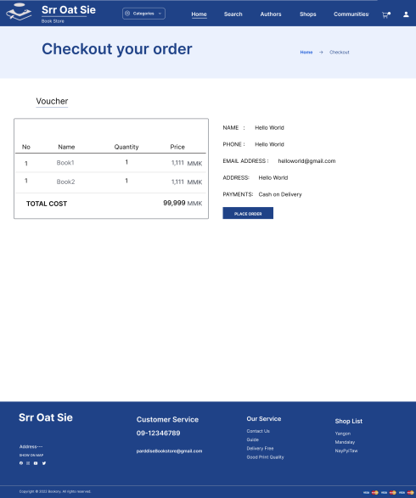
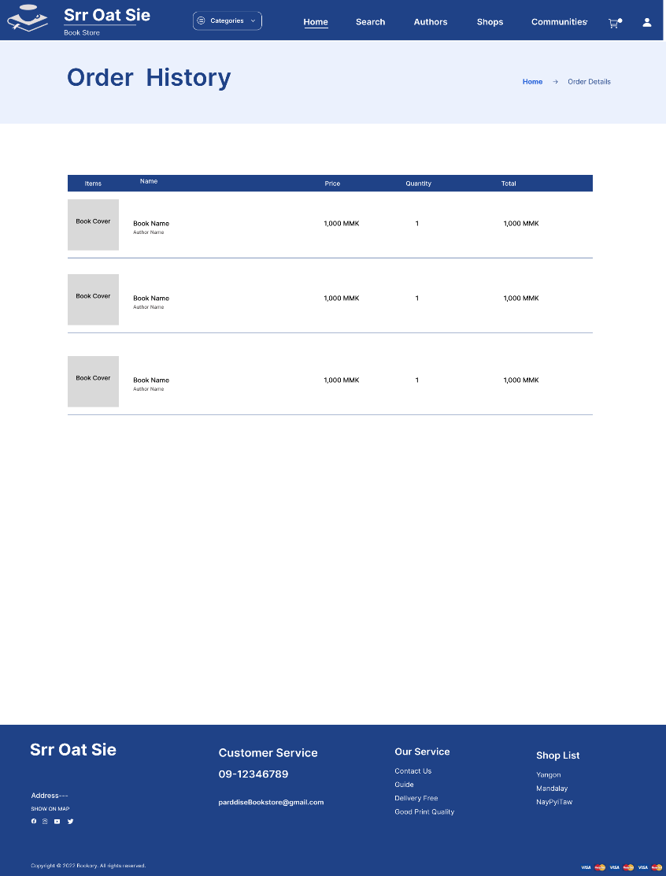

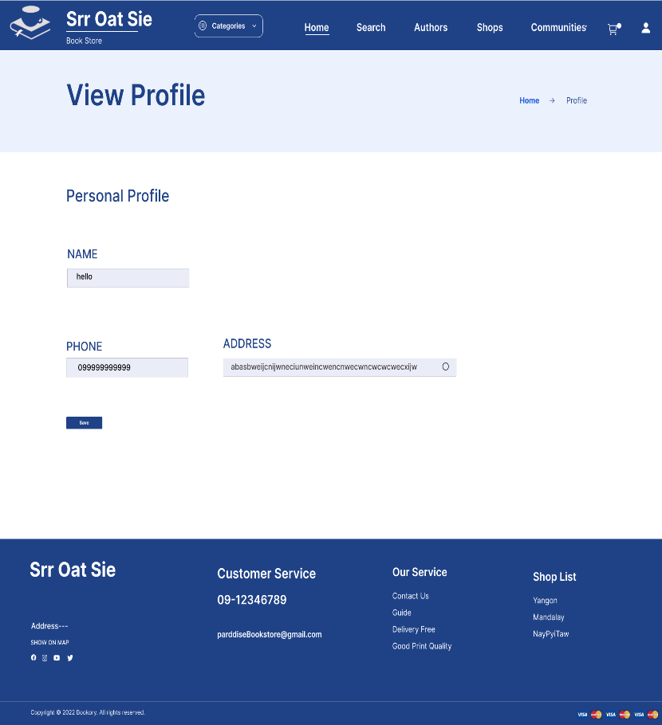
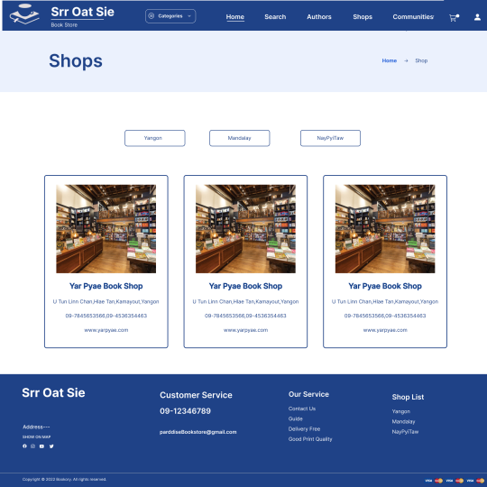
 | View Profile |  |  |  | Shops
 |  |  |  |  |  |  |  | Edit Shop |  |  | User Info
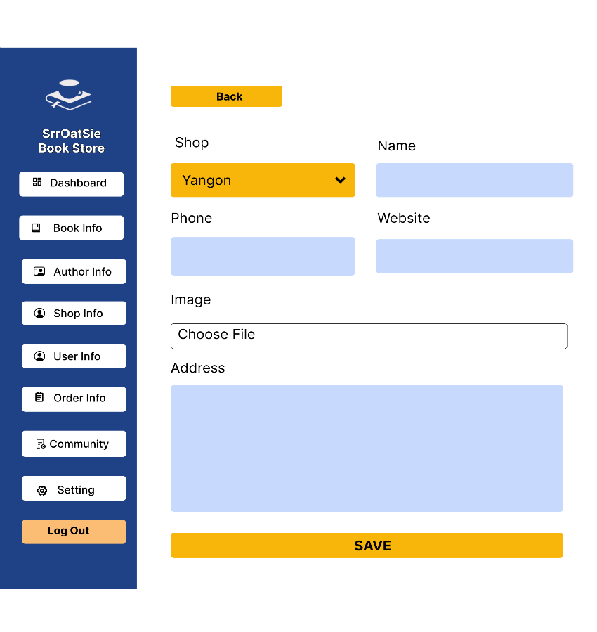

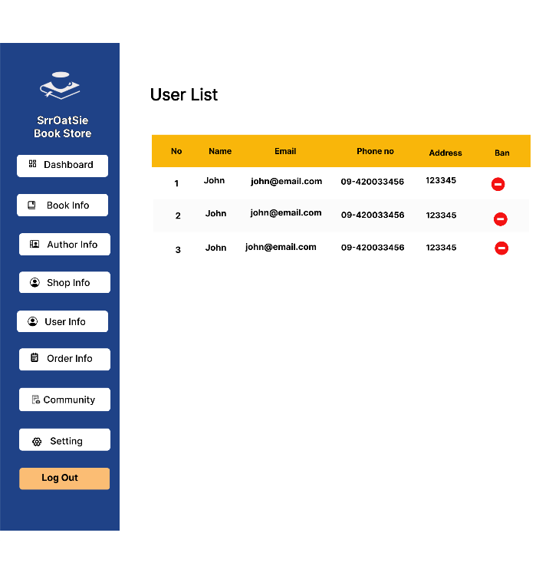

 | Service |  |  |  | Guide |  |  | Order Info |  |  | Order Details
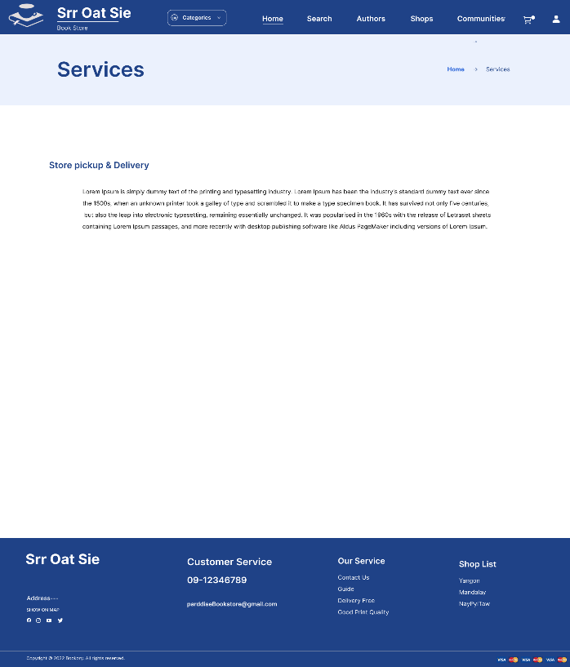
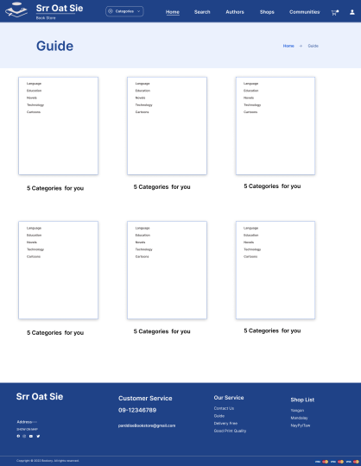
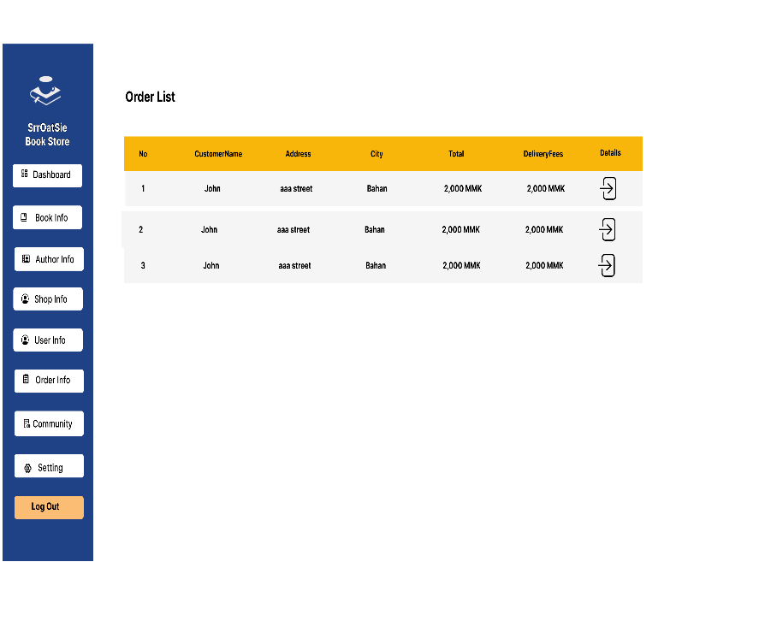
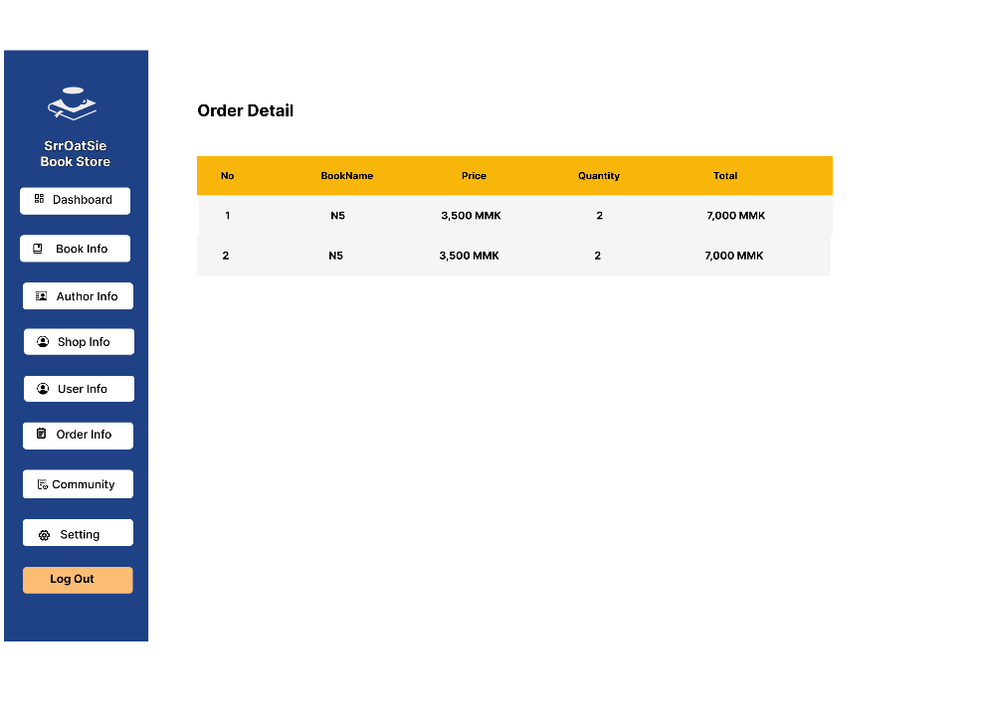

 |  |  |  |  |  |  |  | Community
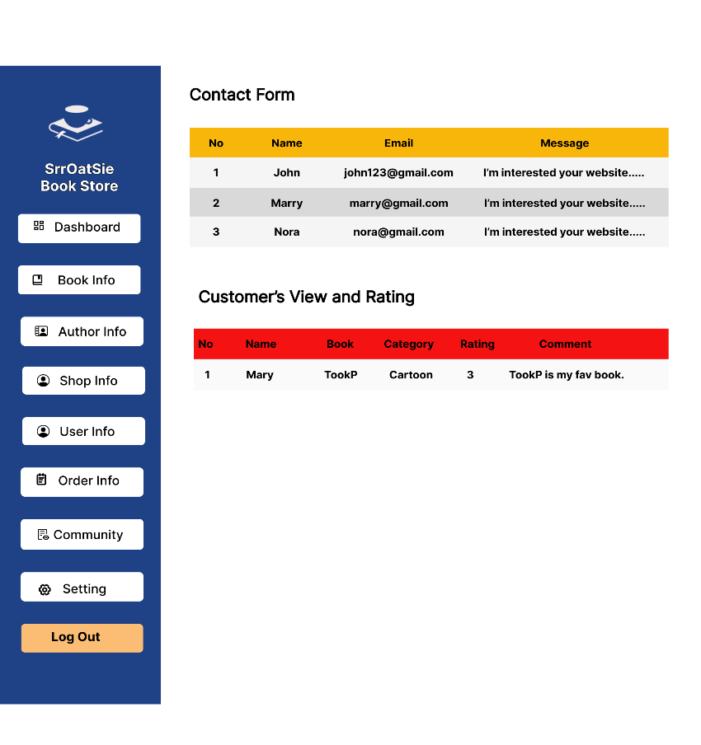
 | Privacy Policy |  |  | Faq
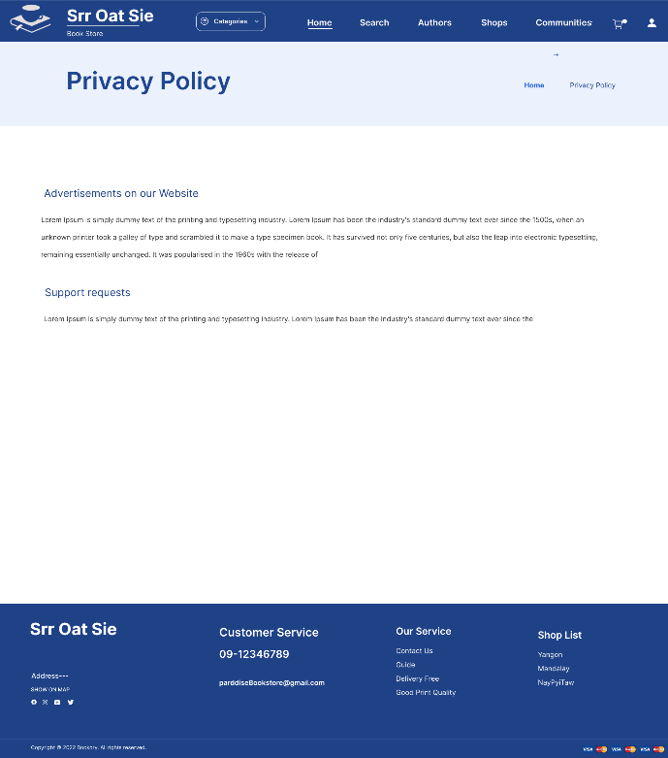
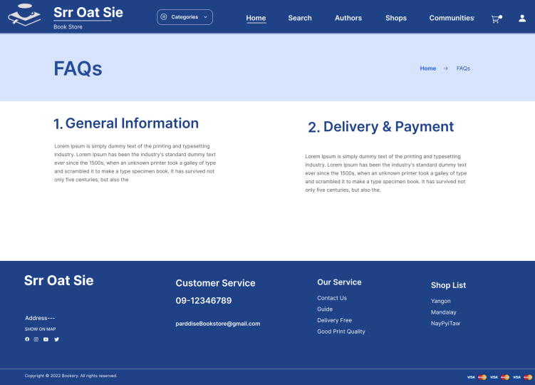

 | Contact us
 |  |  |  |  |  |  |  | Site Master |  |  | App Master
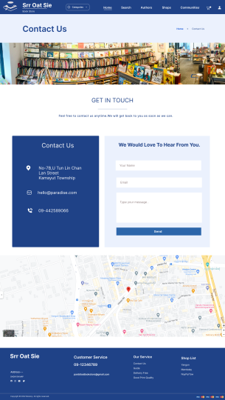
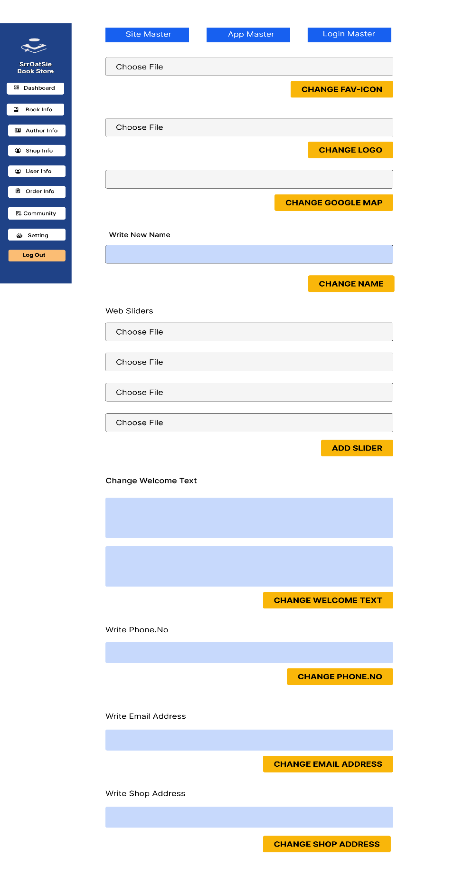
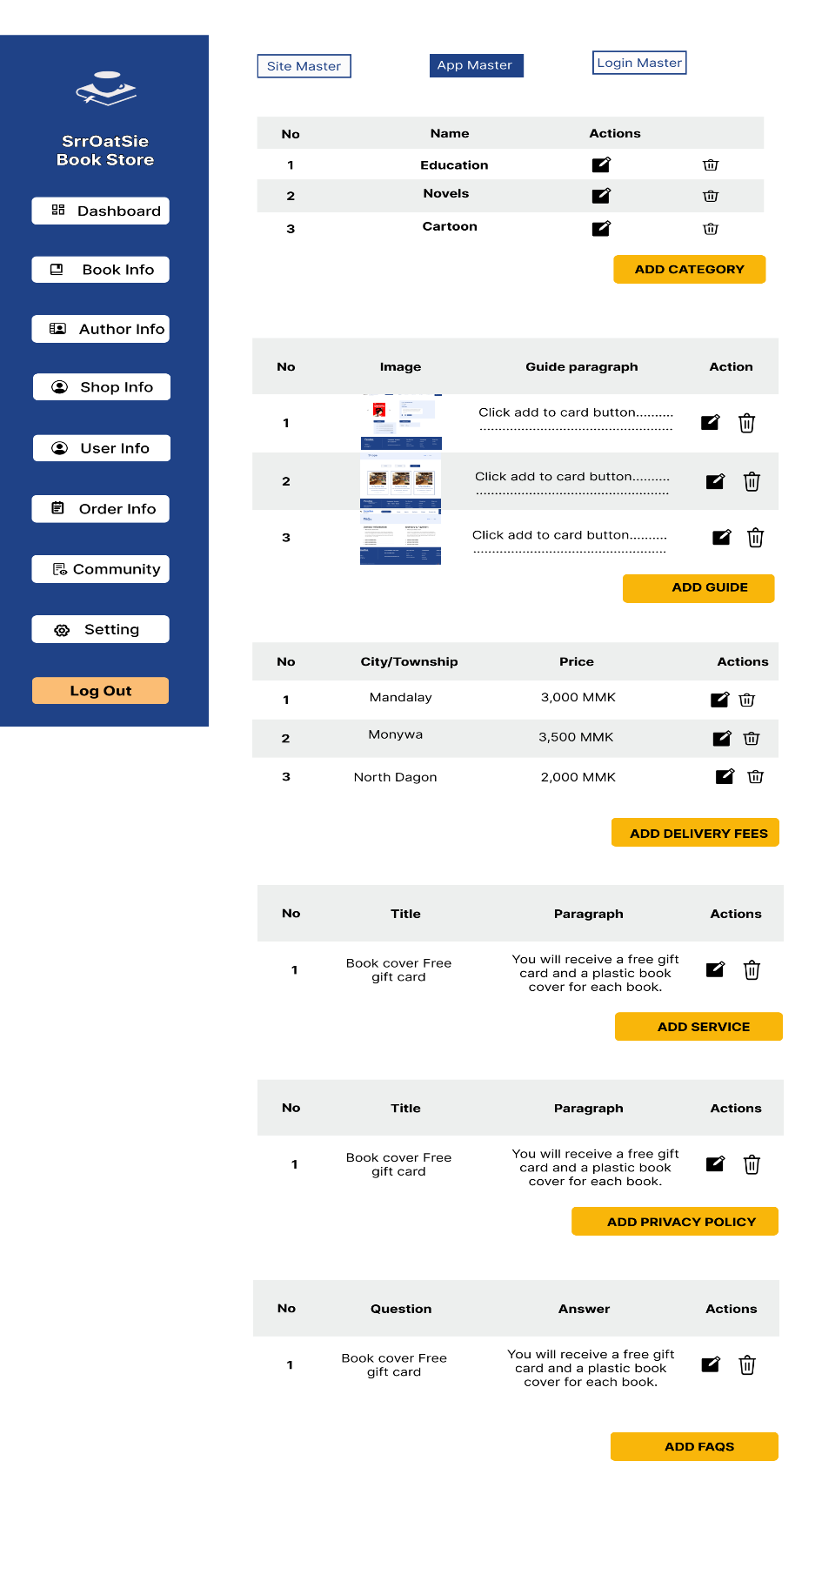

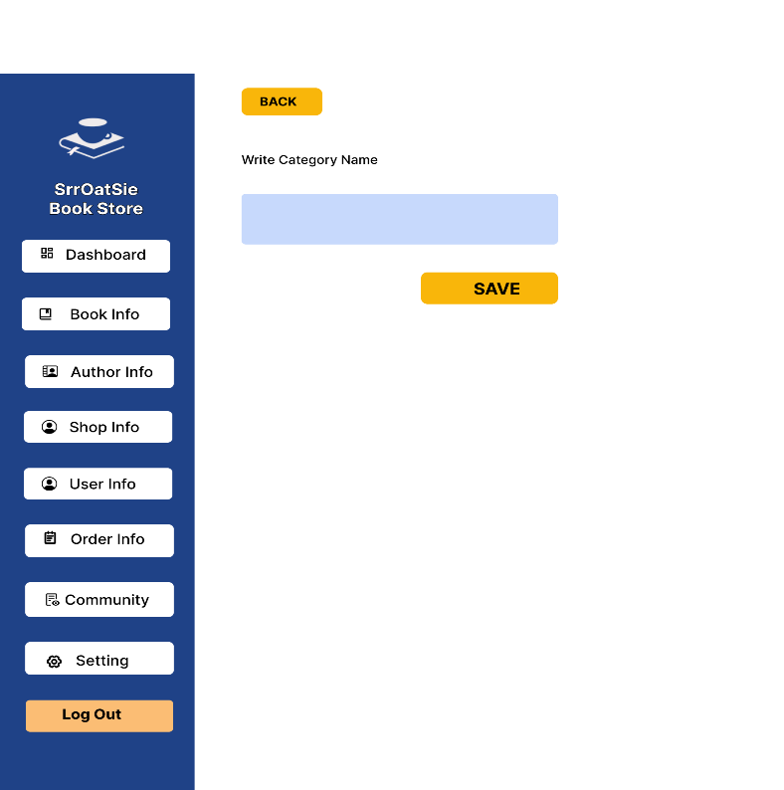
 |  |  |  |  |  |  |  | Add Category |  |  | Edit Category
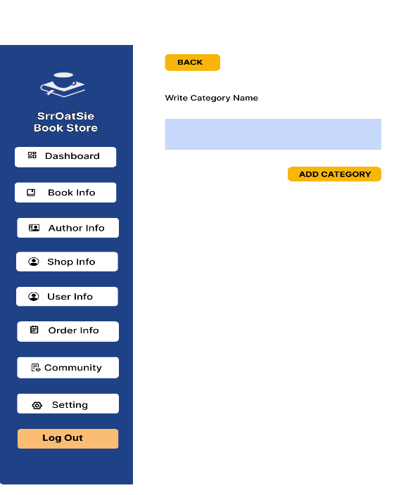

 |  |  |  |  |  |  |  | Add Guide |  |  | Edit Guide
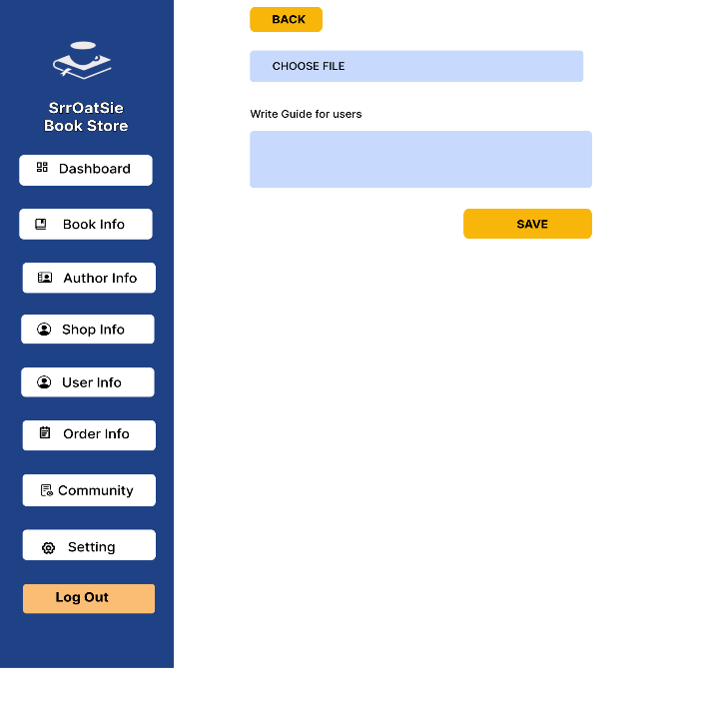


 |  |  |  |  |  |  |  | Add Delivery Fees |  |  | Edit Delivery Fees
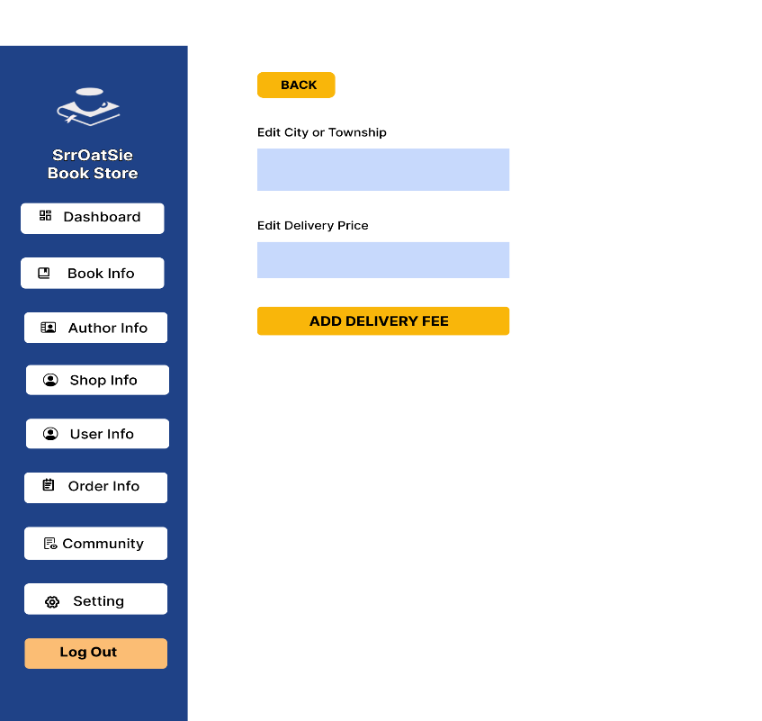
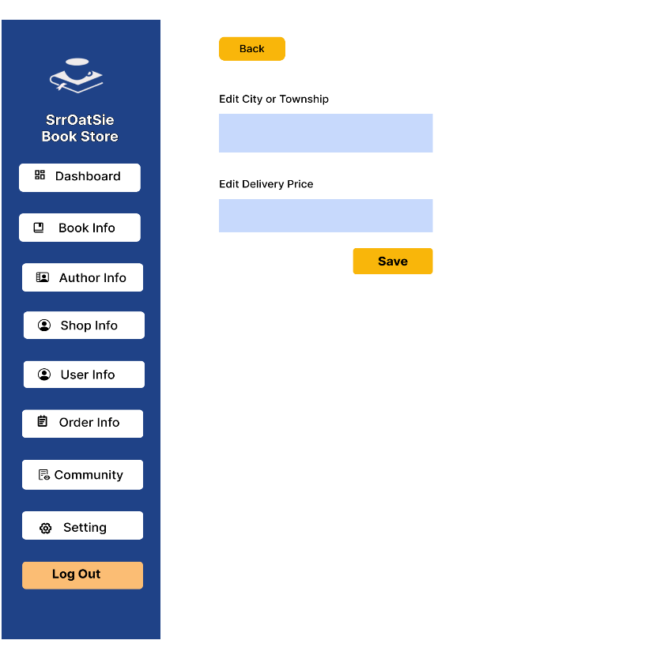

 |  |  |  |  |  |  |  | Add Service |  |  | Edit Service
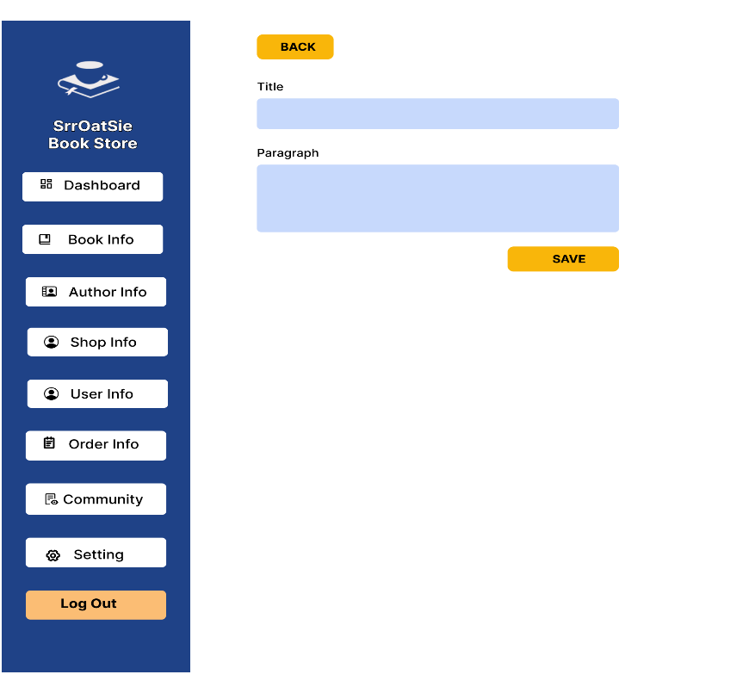
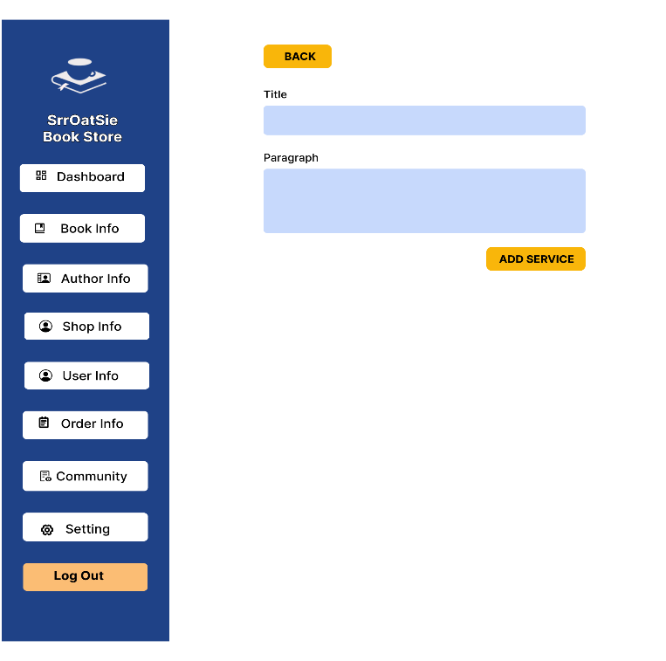

 |  |  |  |  |  |  |  | Add Privacy Policy |  |  | Edit Privacy Policy

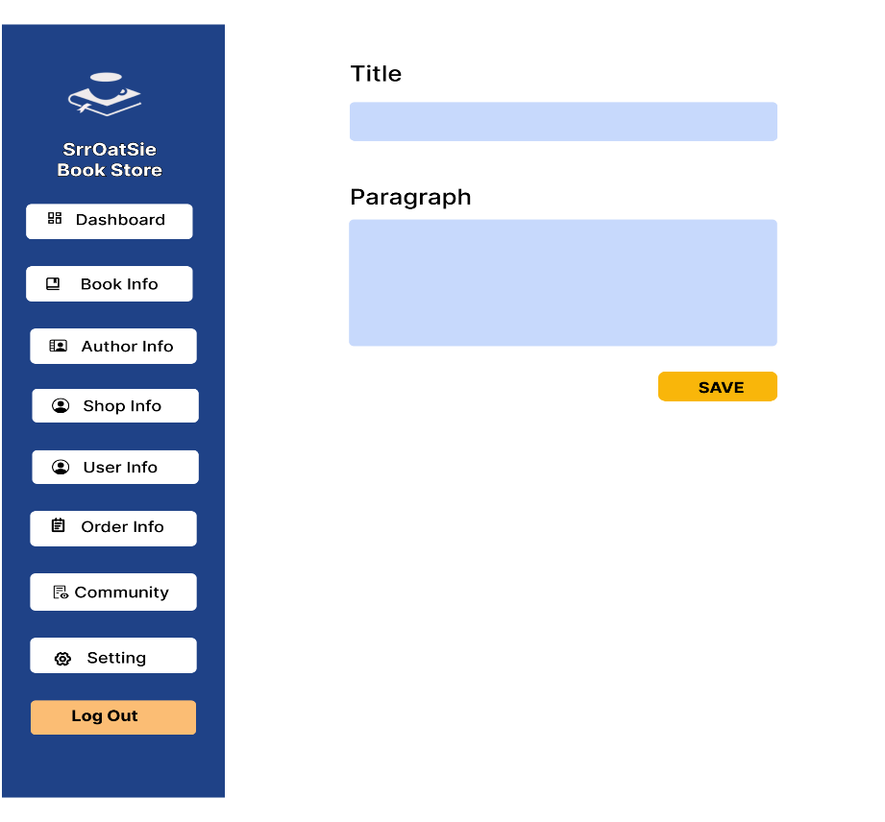
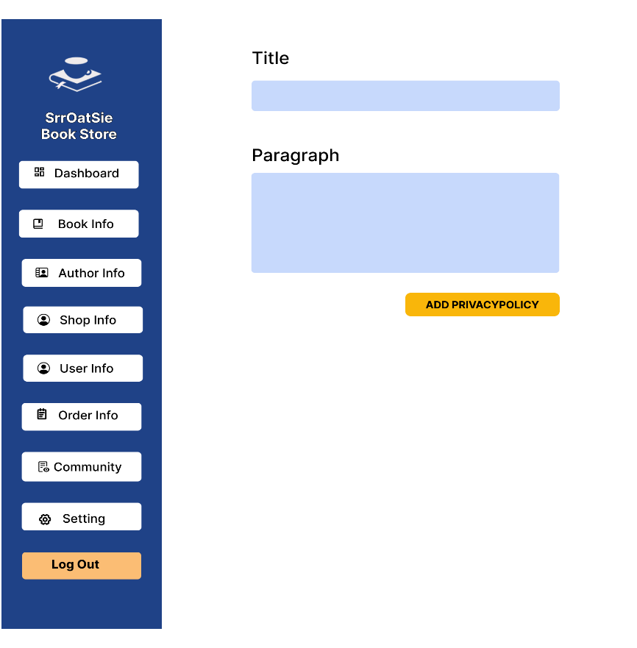

 |  |  |  |  |  |  |  | Add Faq |  |  | Edit Faq
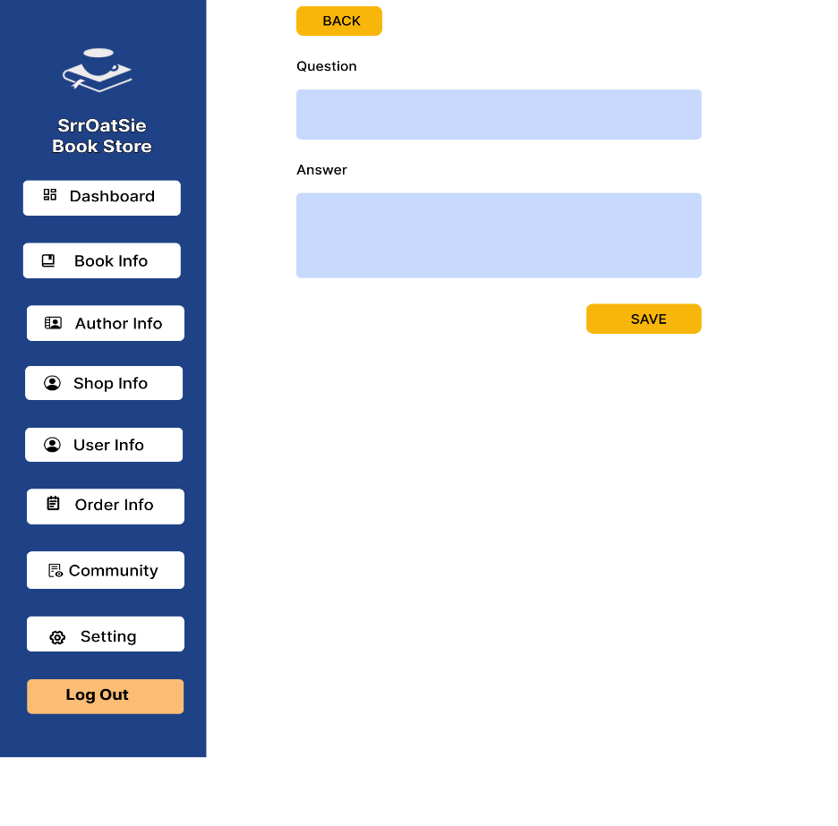
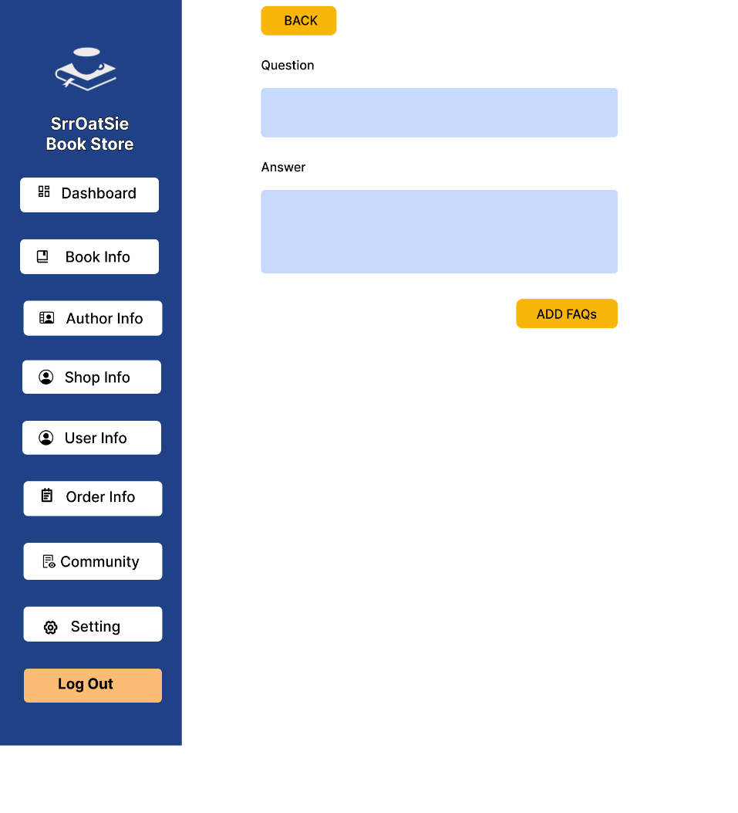

 |  |  |  |  |  |  |  | Login Master |  |  | Add Admin

