Main Flow
Main Flow (プロジャック流れ） |  | စာအုပ်ဆိုင် Book Store |  |  |  |  |  | Create Date | 2022-05-17
 |  |  |  |  |  |  |  | Update Date | 2022-06-17

Explanation of Project
プロジャックの説明

(プロジャック流れ）

 | Path： | Admin |  |  |  | Path： | Customer

Home Page
Admin Page

 |  |  |  | No
Login
Search (Category,Author,Book Name)
Category
Author Profile (Name,photo,count of book,...)
Shop
Contact
Login
SignUp
Logout
 |  |  | Yes
valid
view items
Add to cart
check out
buy?
valid
 |  |  |  |  |  |  |  | No

previews
 |  |  |  |  |  |  |  | Yes
Voucher
 |  |  |  |  |  |  |  |  | No
DashBoard
Book Info
Author Info
Shop Info
Community
Order Info
Setting

show rating
 |  |  |  |  |  |  |  | Yes
Total
-viewer
-register
-download
-order & sale
-Add item
-name
-img
-price
-preview
-stock
-category
-upload pdf
-link generate
-BookList
-Update
-Delete
Author
-list
-Add
-Update
-Delete
-Add
-Update
-Delete
- Category Add/Update/Delete
LogoChange faviconChge
SliderChange
- Welcome Text
- Website info (phone,address,email,...)
- Guide Change
- Service Change
- PP Change
- FAQ Add/Update
-Create account
order confirmed
-Review & Rating(view)
-View form
-Contact Us
-Today Order
-Order Detail Table (userinfo)
-user info (for view)

account?
only view
Order History
 |  |  |  |  |  | No

 |  |  |  |  | Yes
UserProfile
give review

LogOut

Screen Design
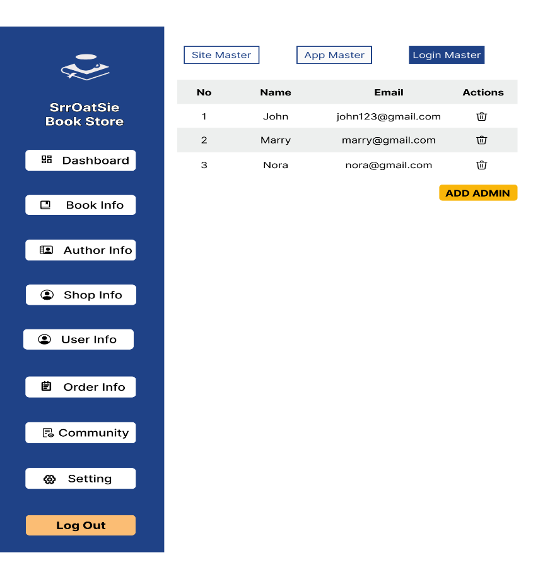
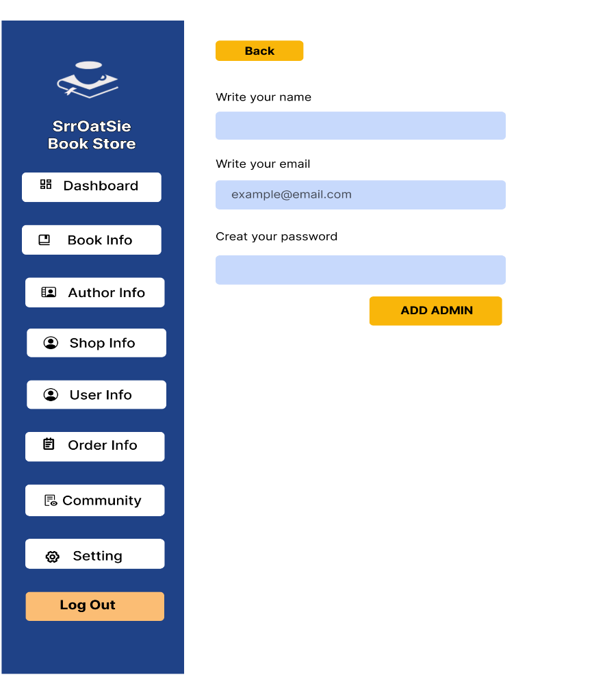
Screen Design (画面設計） |  | Project Name |  |  |  |  |  |  |  |  | Create Date | 2022-05-17
 |  |  |  |  |  |  |  |  |  |  | Update Date | 2022-06-17

Screen Name ： |  |  | Customer |  |  | Screen Name ： |  |  | Admin

 | Home Page |  |  | Category Pages |  |  | Admin Login |  |  | Dashboard
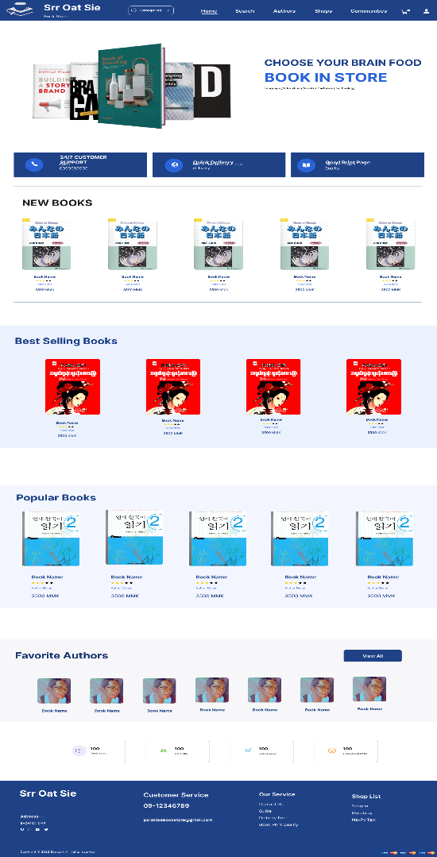
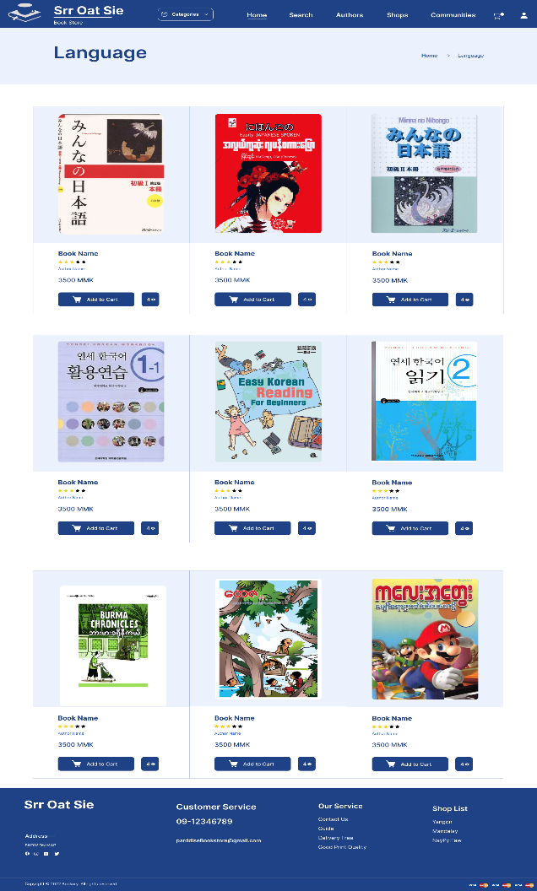
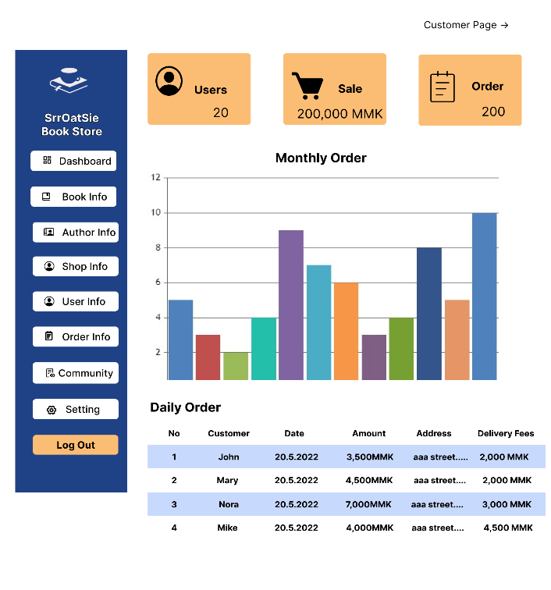
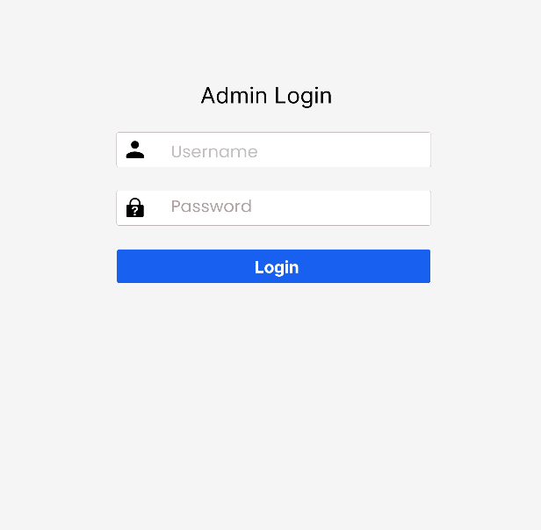

 |  |  |  |  |  |  |  | Book Info |  |  | Add Book
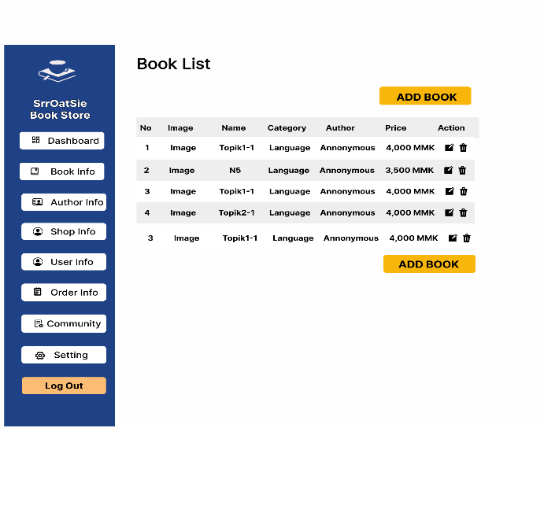
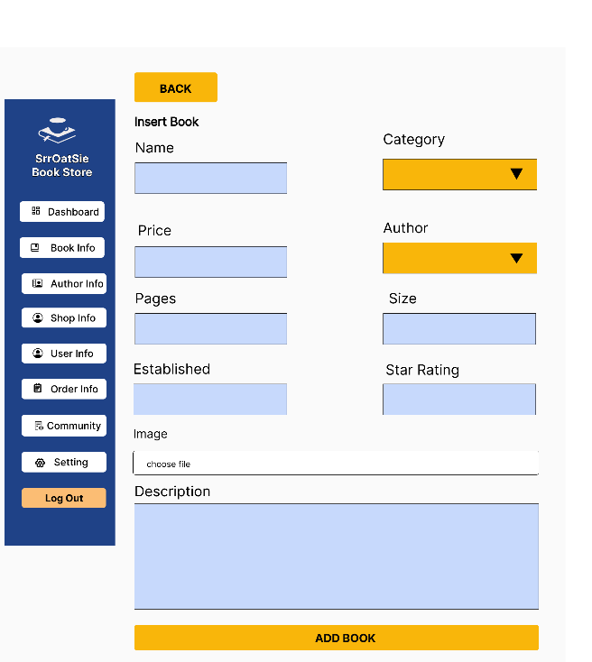

 | Search Page |  |  | Author Page

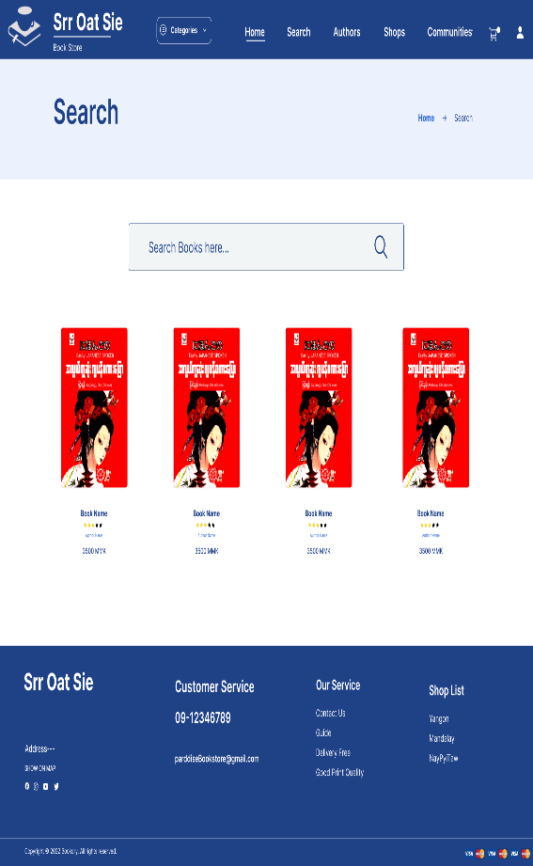
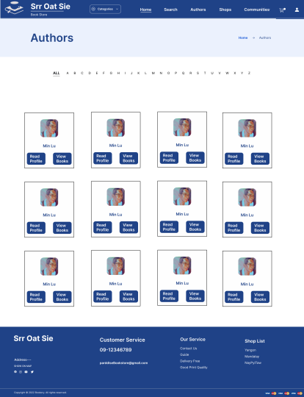

 |  |  |  |  |  |  |  | Edit Book
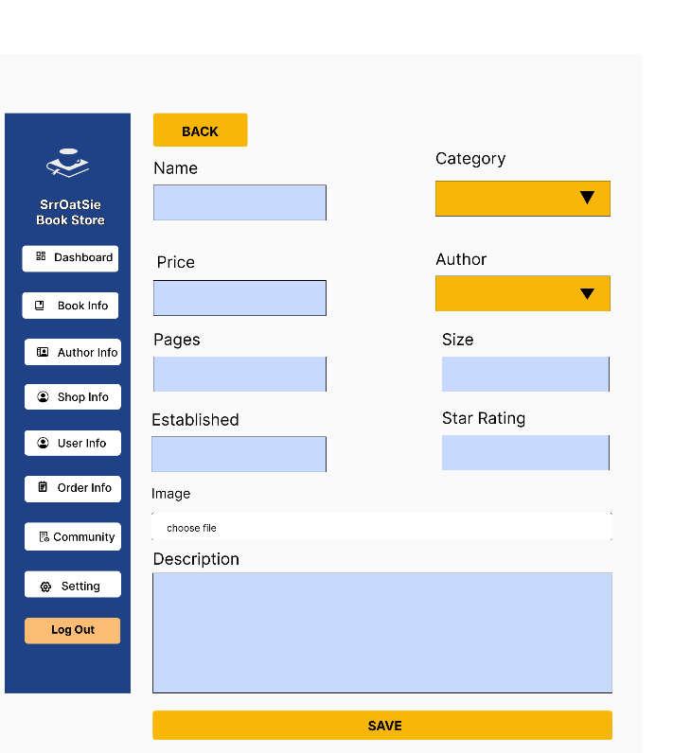
 |  |  |  |  |  |  |  |  |  |  | Author Info
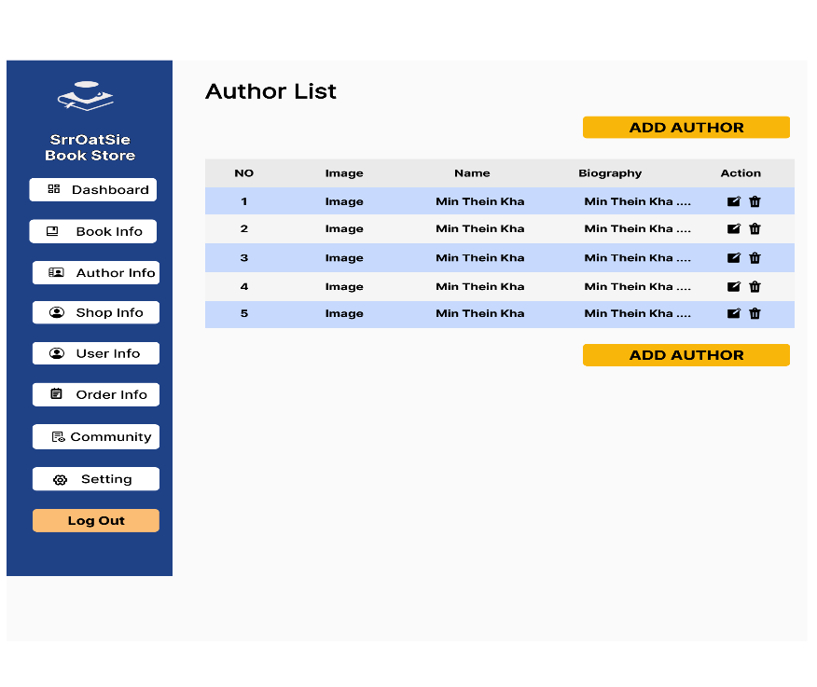

 | BookDetails Page |  |  |  | Add to Cart Page |  |  | Add Author |  |  | Edit Author
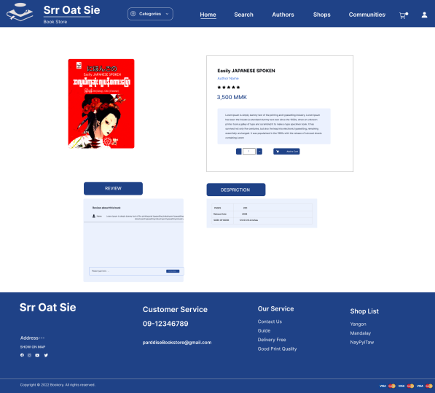
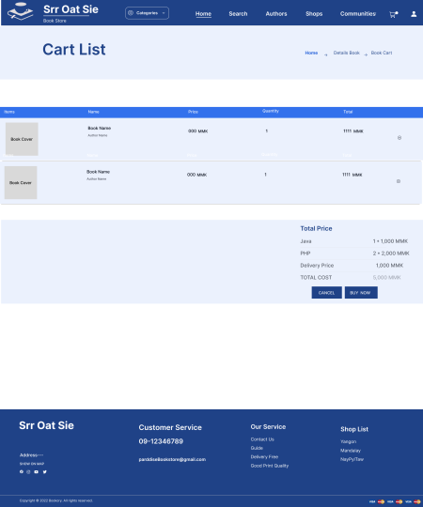
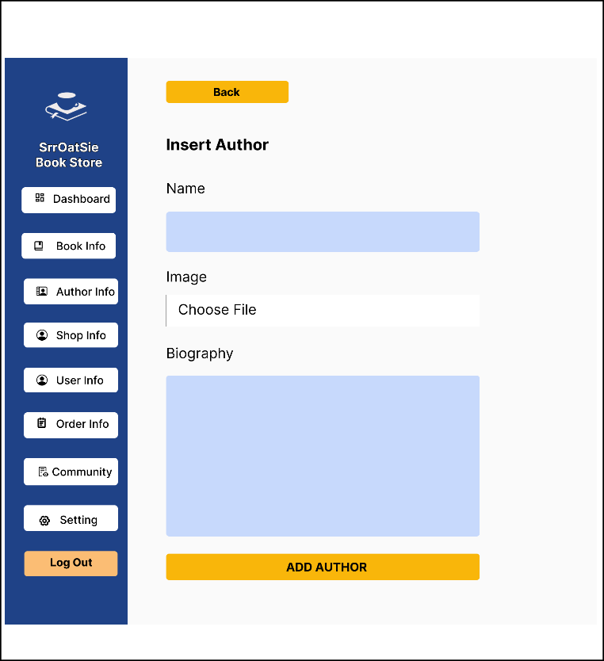
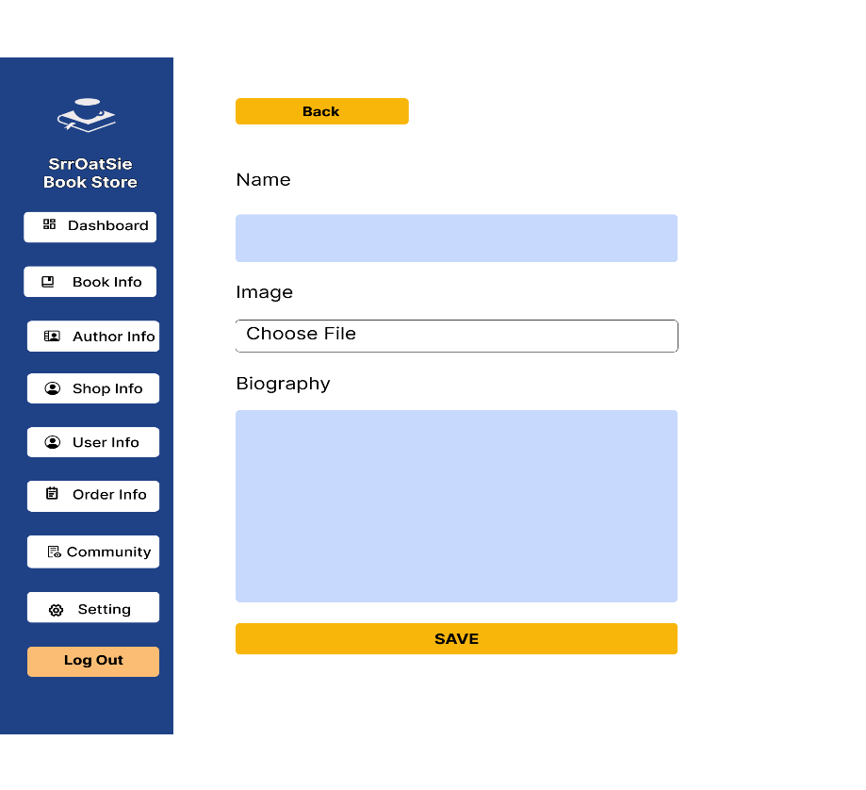

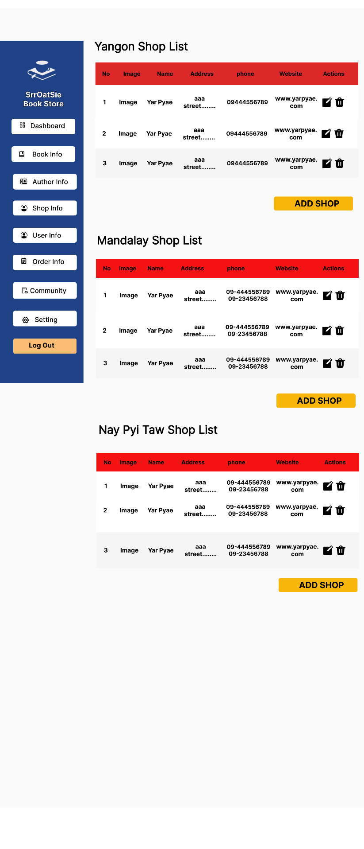
 |  |  |  |  |  |  |  | Shop Info |  |  | Add Shop
 | Sign Up |  |  |  | Sign In
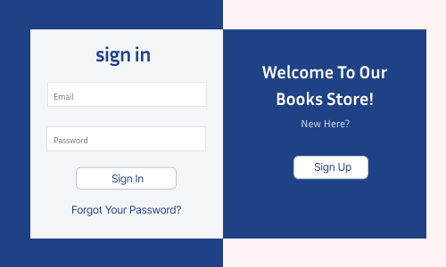
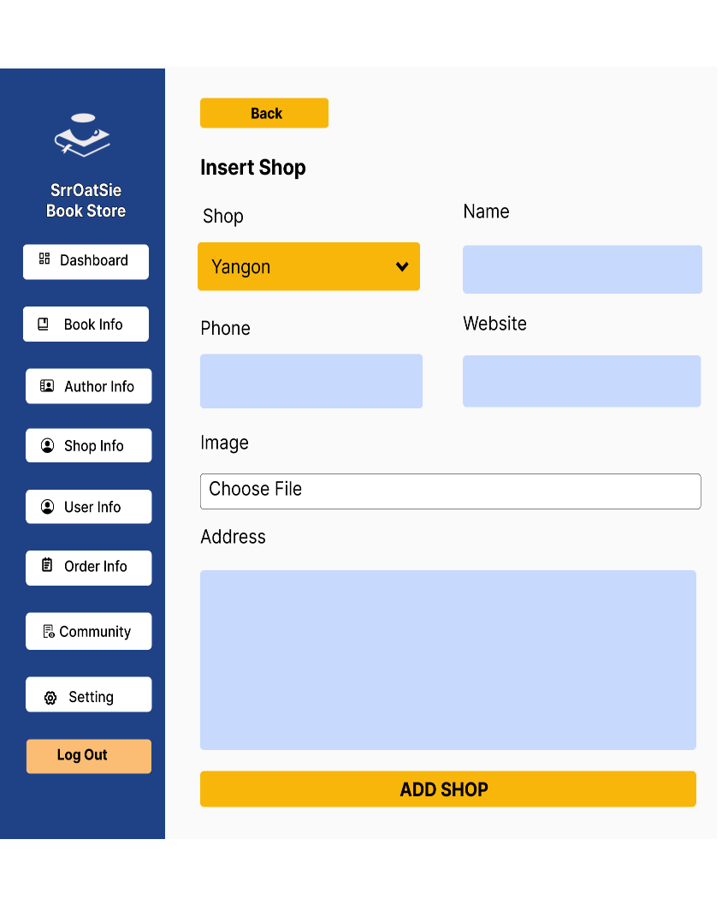
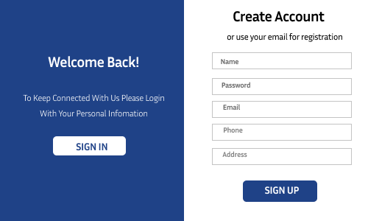

 | Voucher |  |  |  | Order History

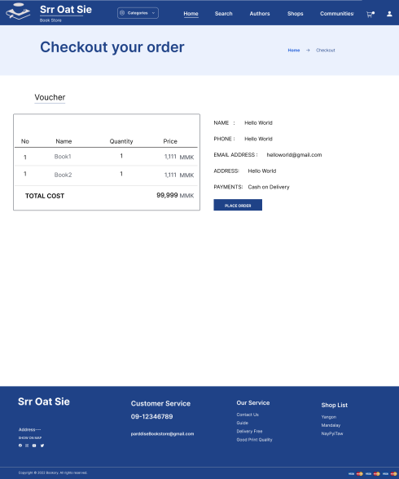
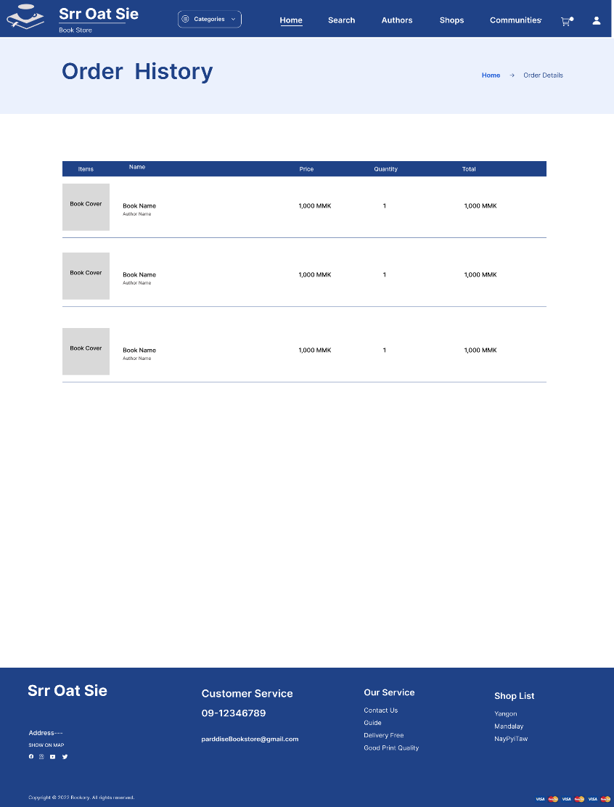

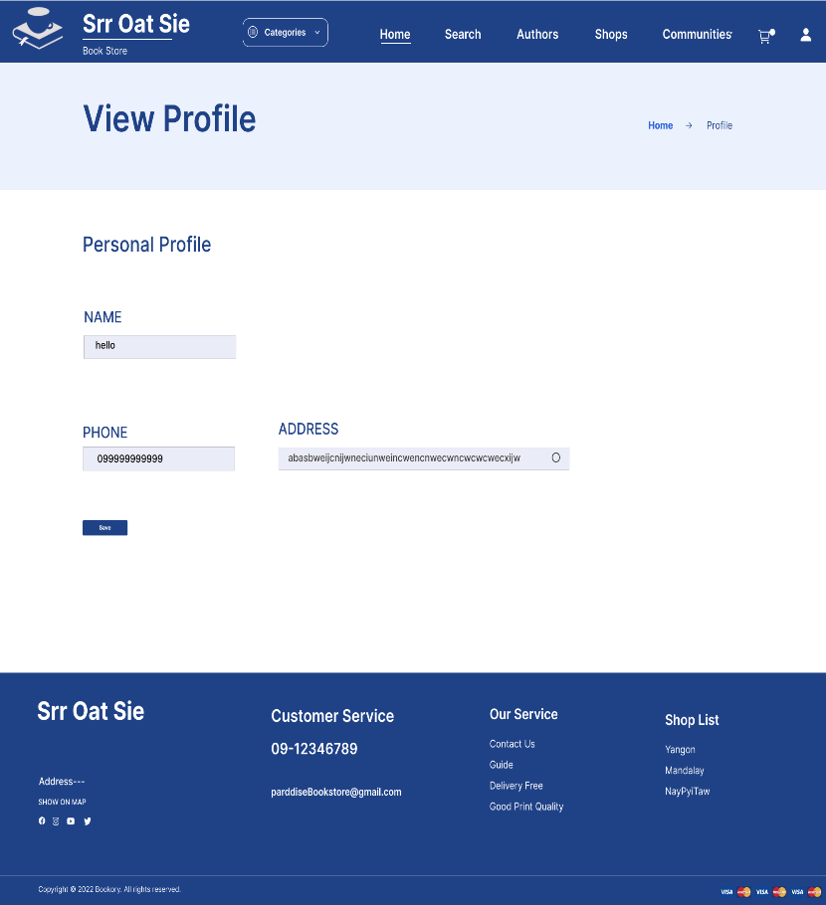
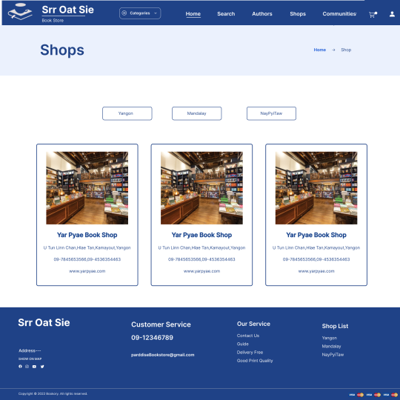
 | View Profile |  |  |  | Shops
 |  |  |  |  |  |  |  | Edit Shop |  |  | User Info
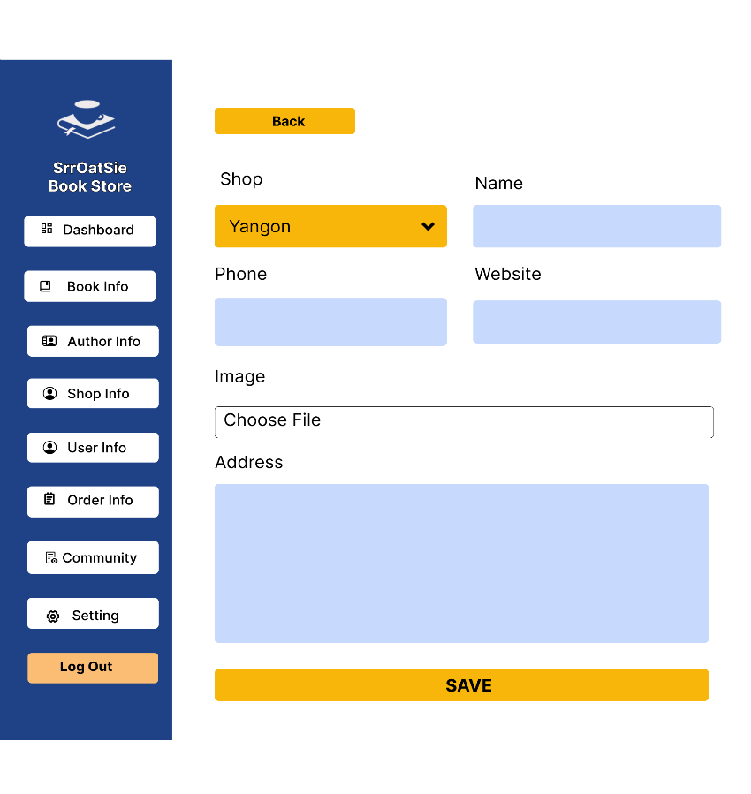

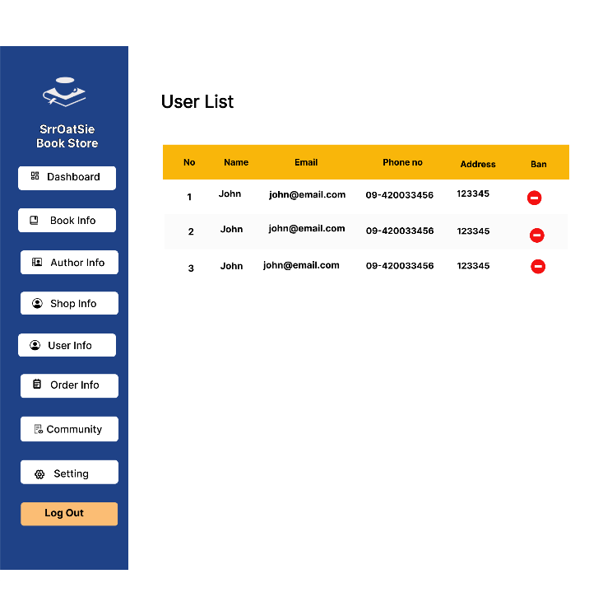

 | Service |  |  |  | Guide |  |  | Order Info |  |  | Order Details
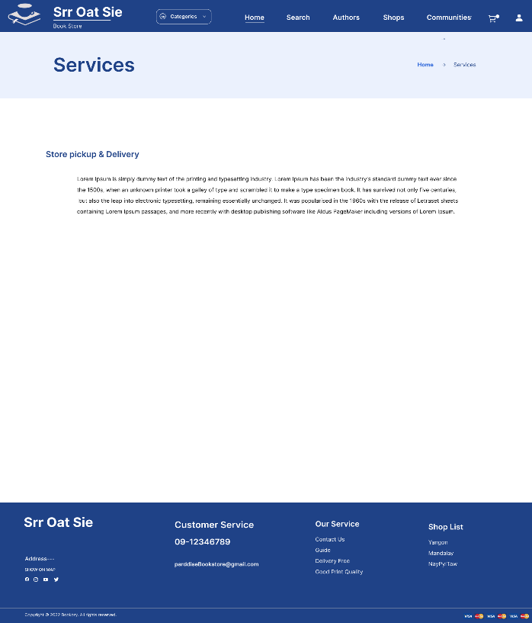
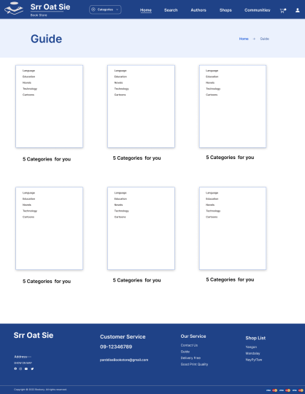
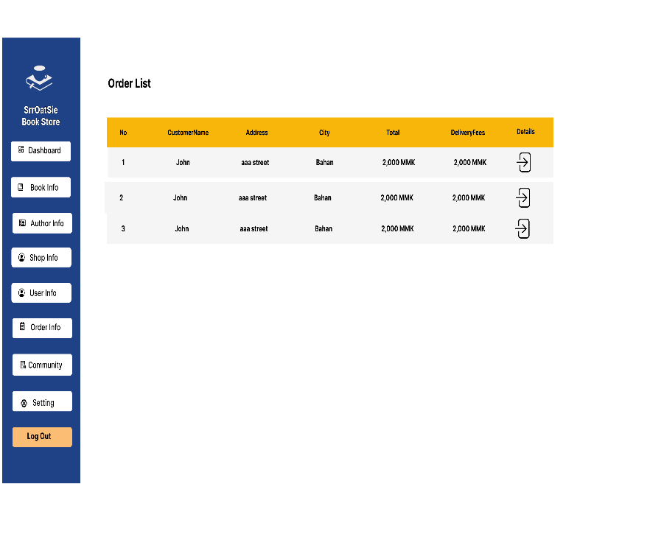
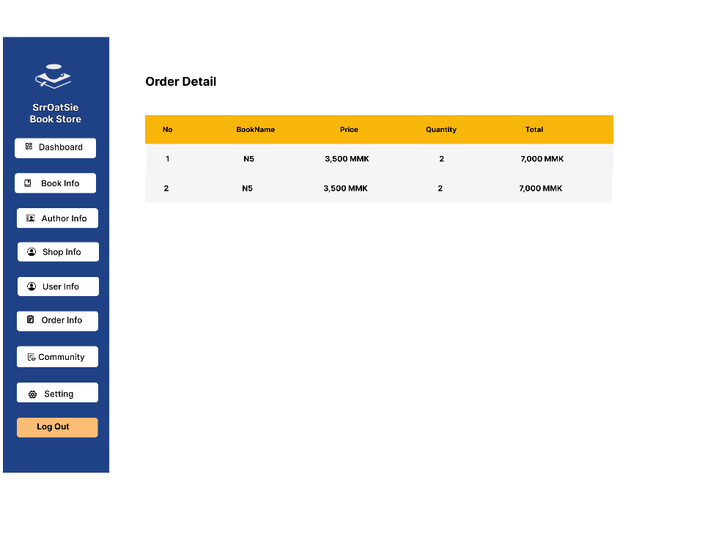

 |  |  |  |  |  |  |  | Community
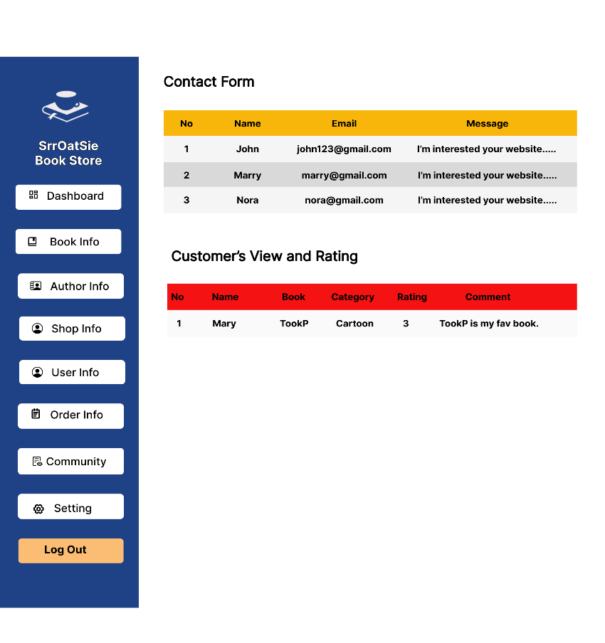
 | Privacy Policy |  |  | Faq
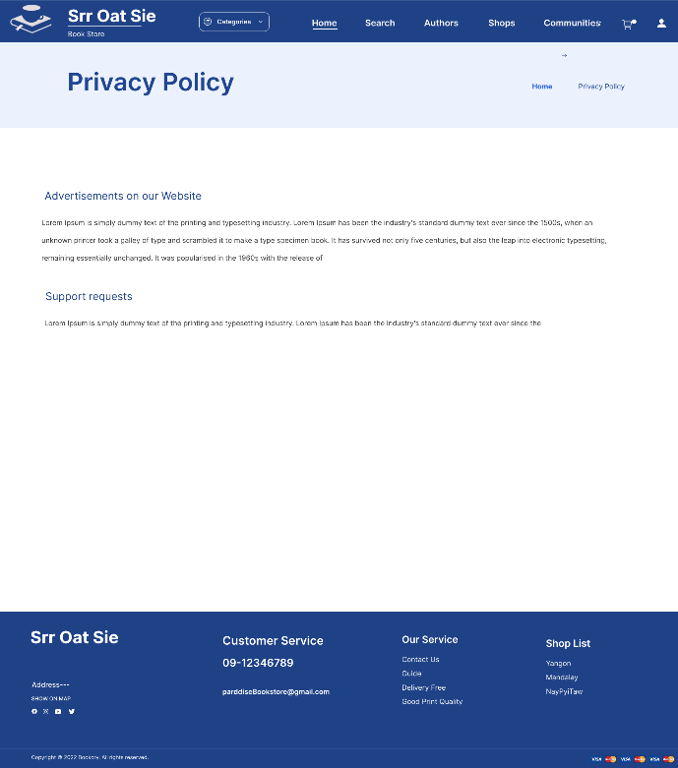
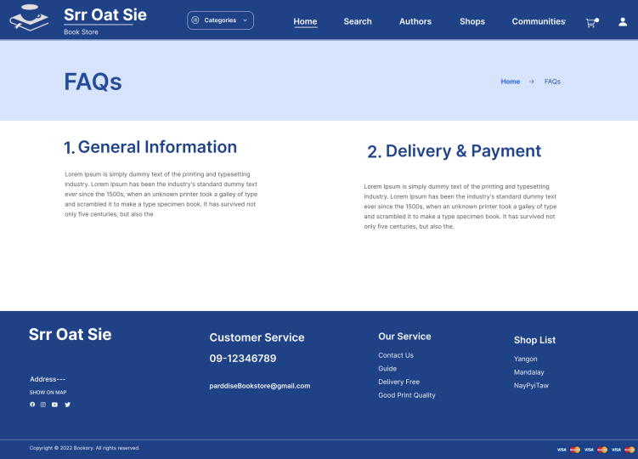

 | Contact us
 |  |  |  |  |  |  |  | Site Master |  |  | App Master
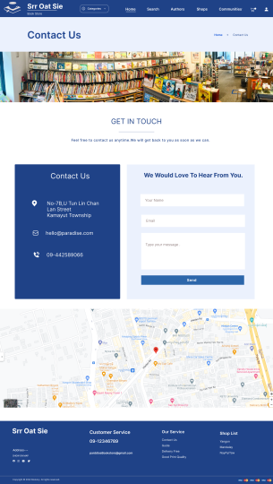
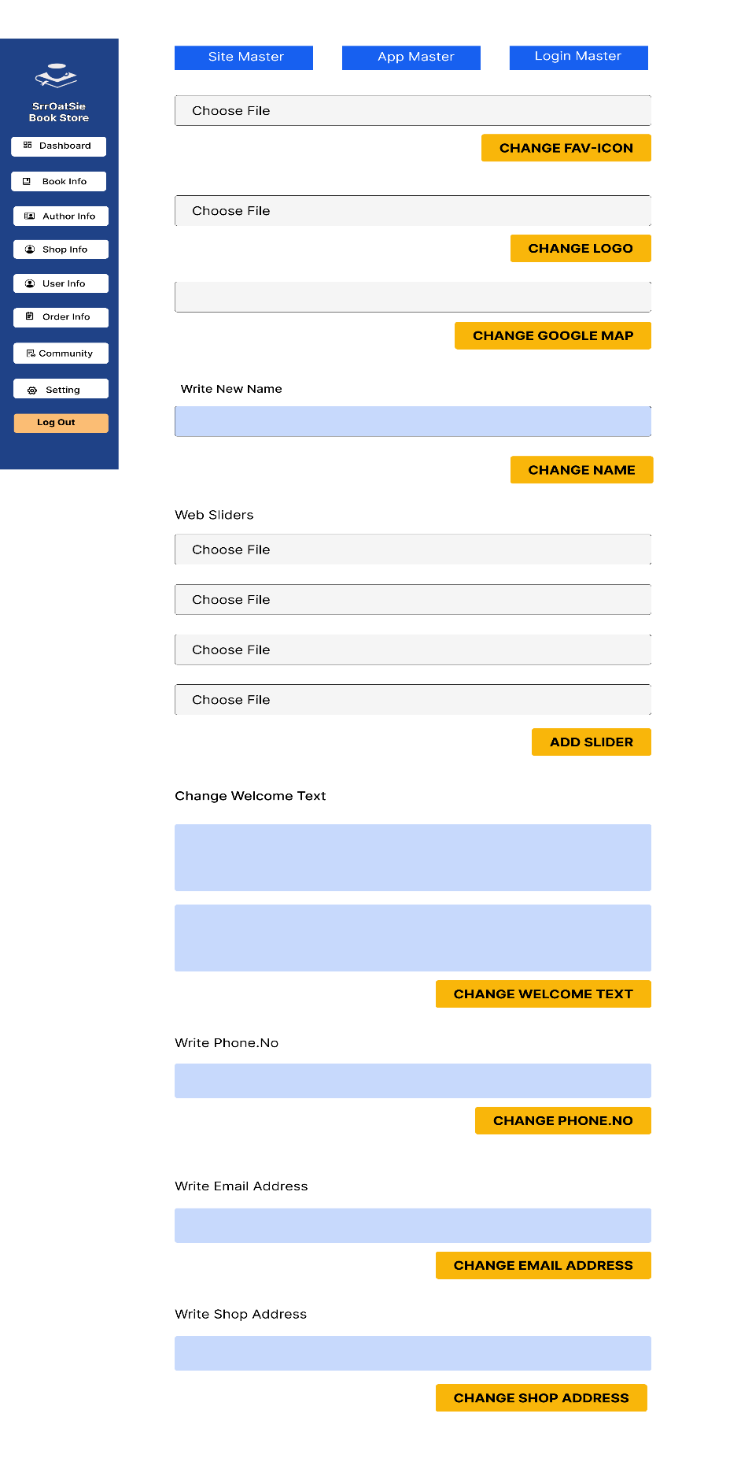
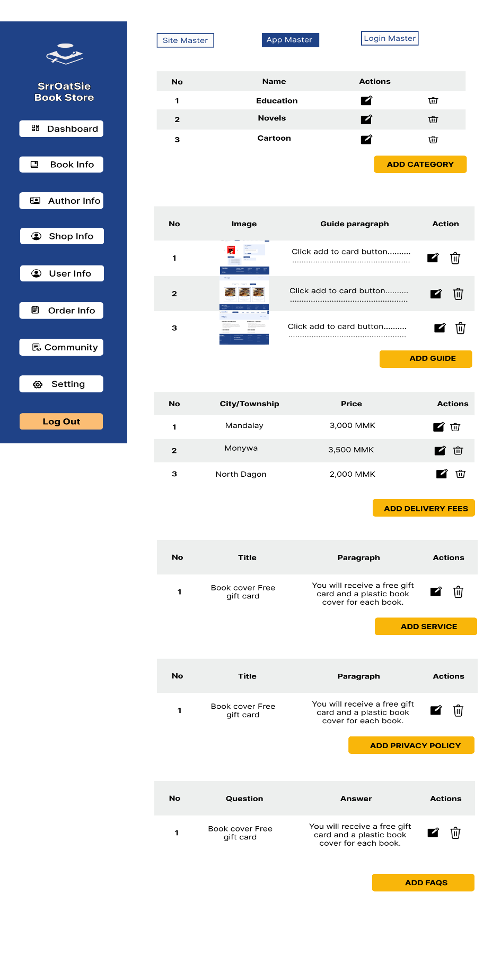

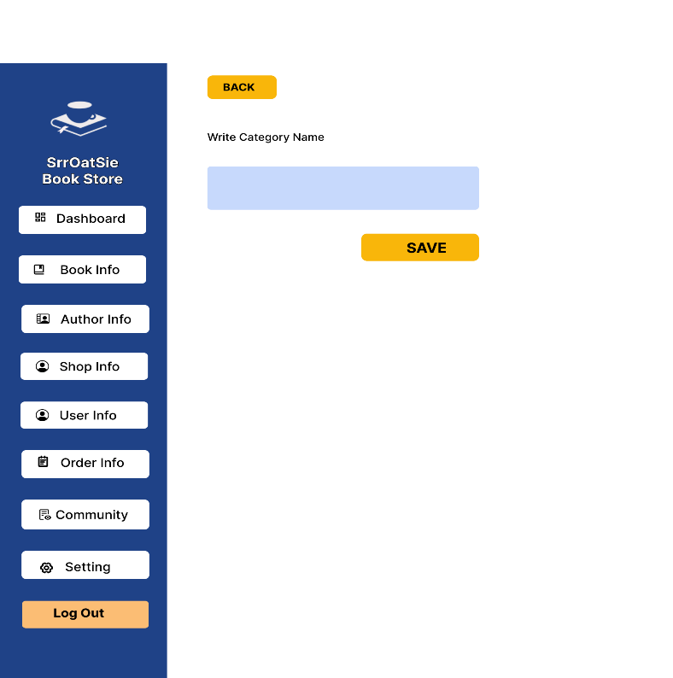
 |  |  |  |  |  |  |  | Add Category |  |  | Edit Category
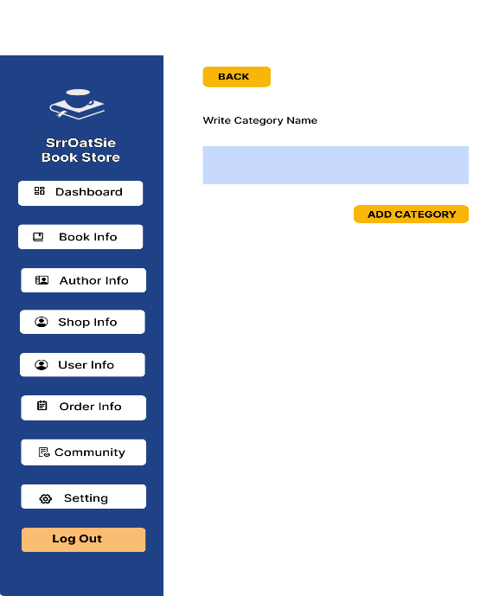

 |  |  |  |  |  |  |  | Add Guide |  |  | Edit Guide
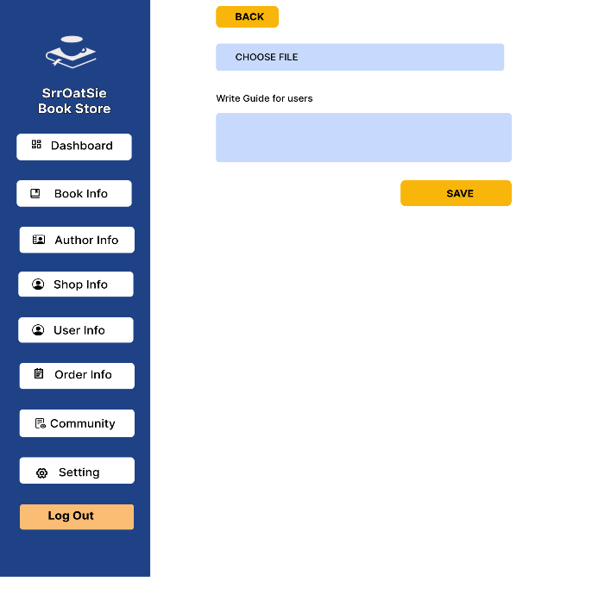


 |  |  |  |  |  |  |  | Add Delivery Fees |  |  | Edit Delivery Fees
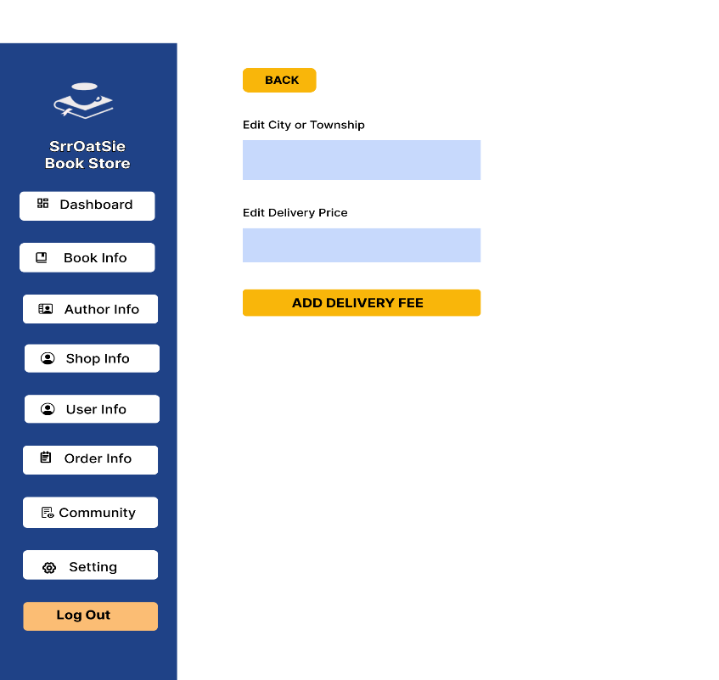
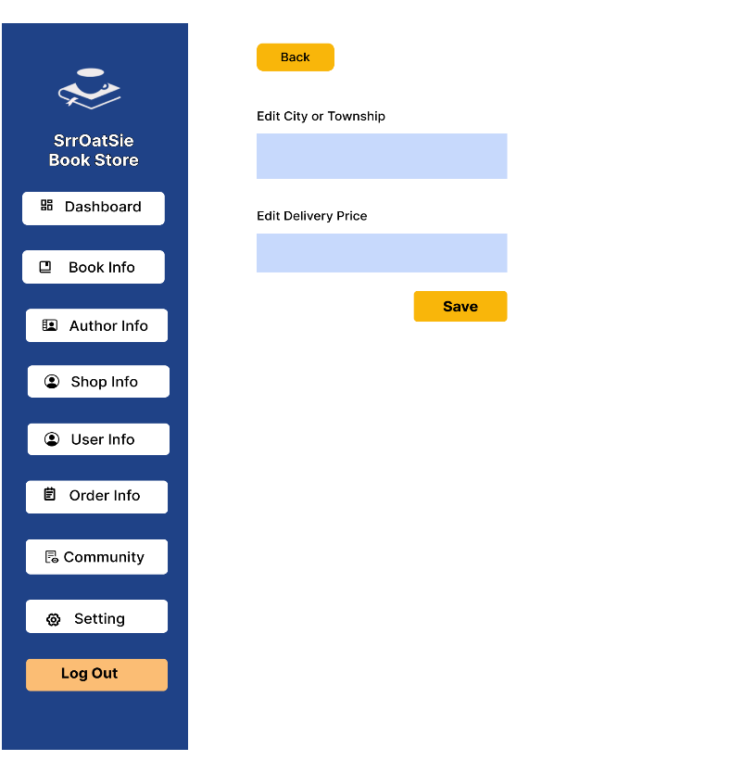

 |  |  |  |  |  |  |  | Add Service |  |  | Edit Service
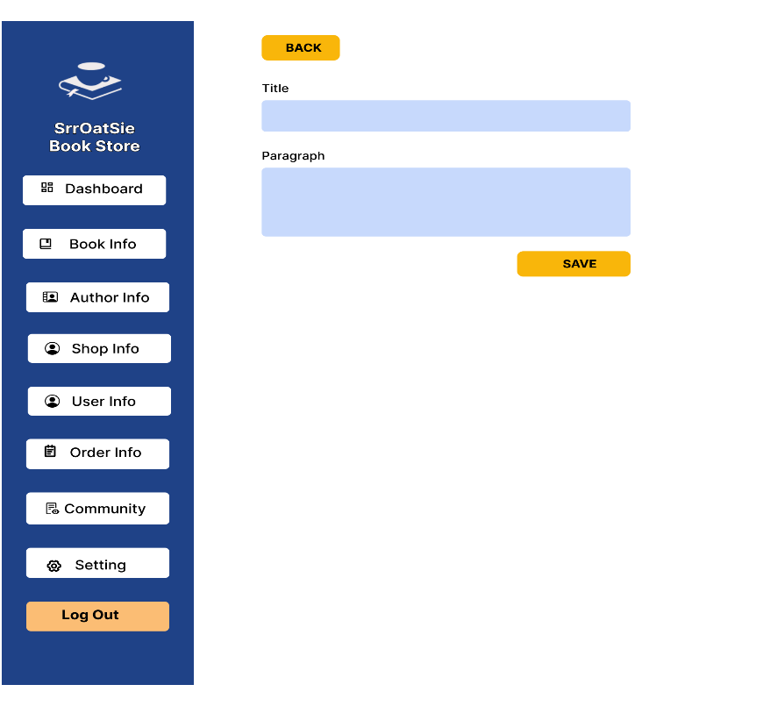
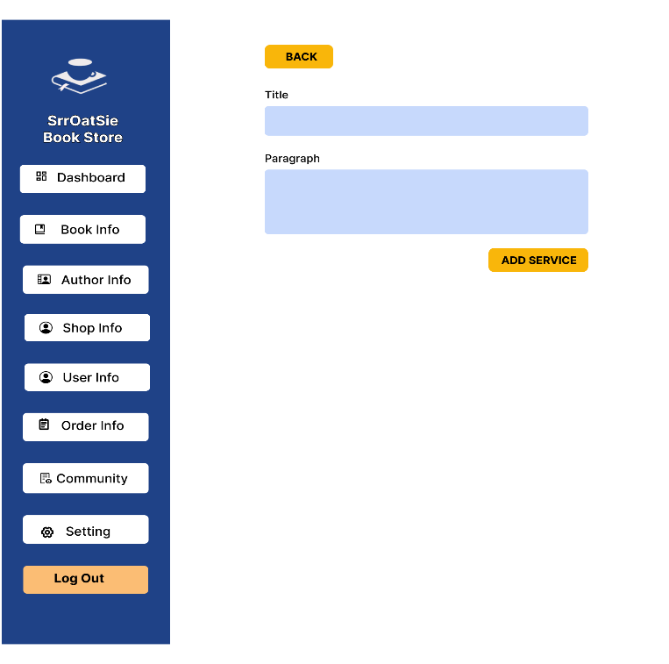

 |  |  |  |  |  |  |  | Add Privacy Policy |  |  | Edit Privacy Policy

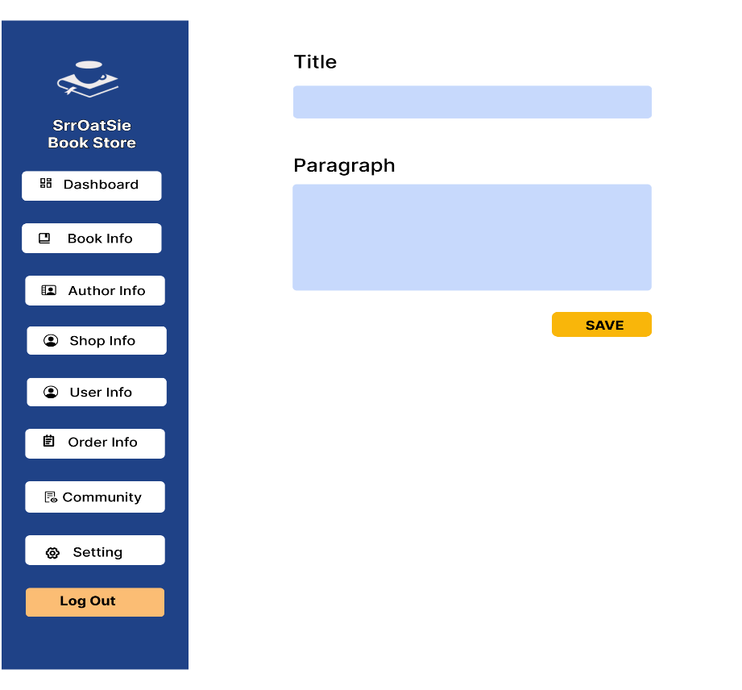
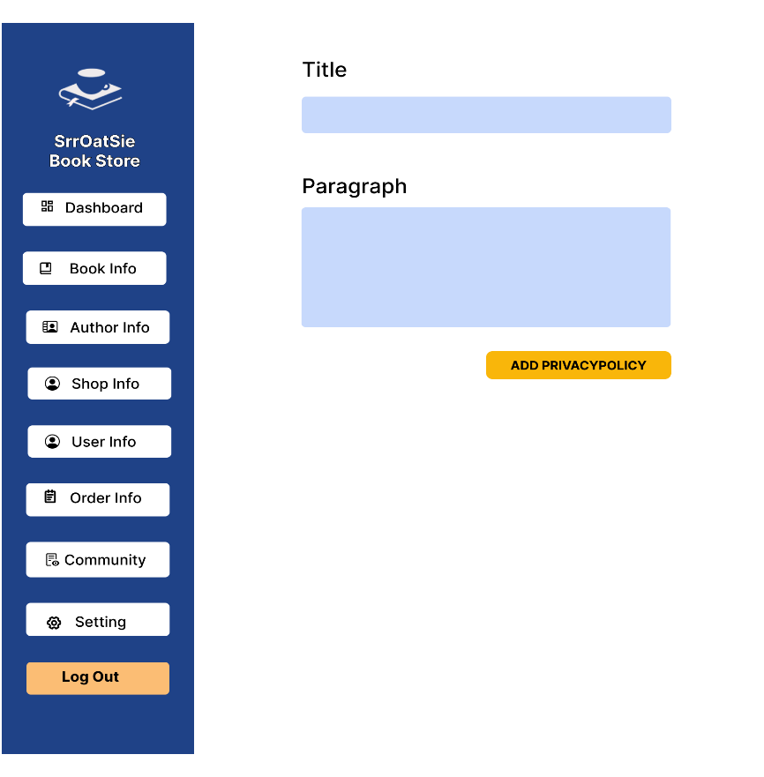

 |  |  |  |  |  |  |  | Add Faq |  |  | Edit Faq
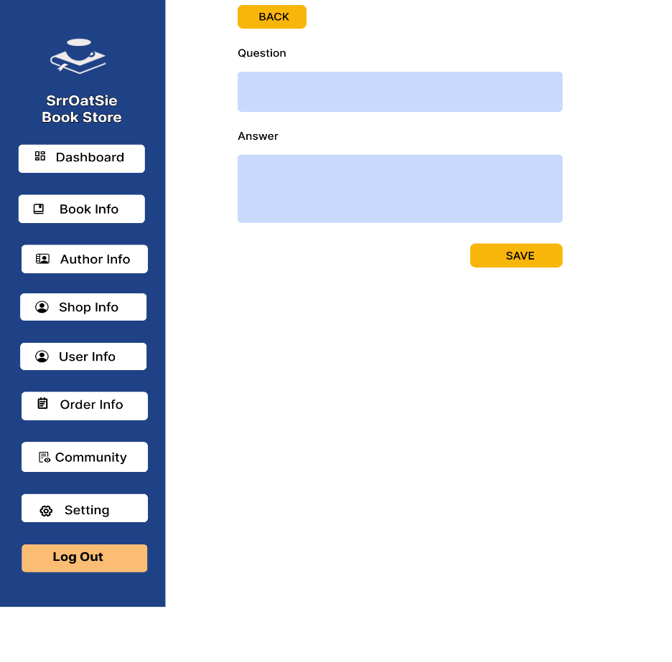
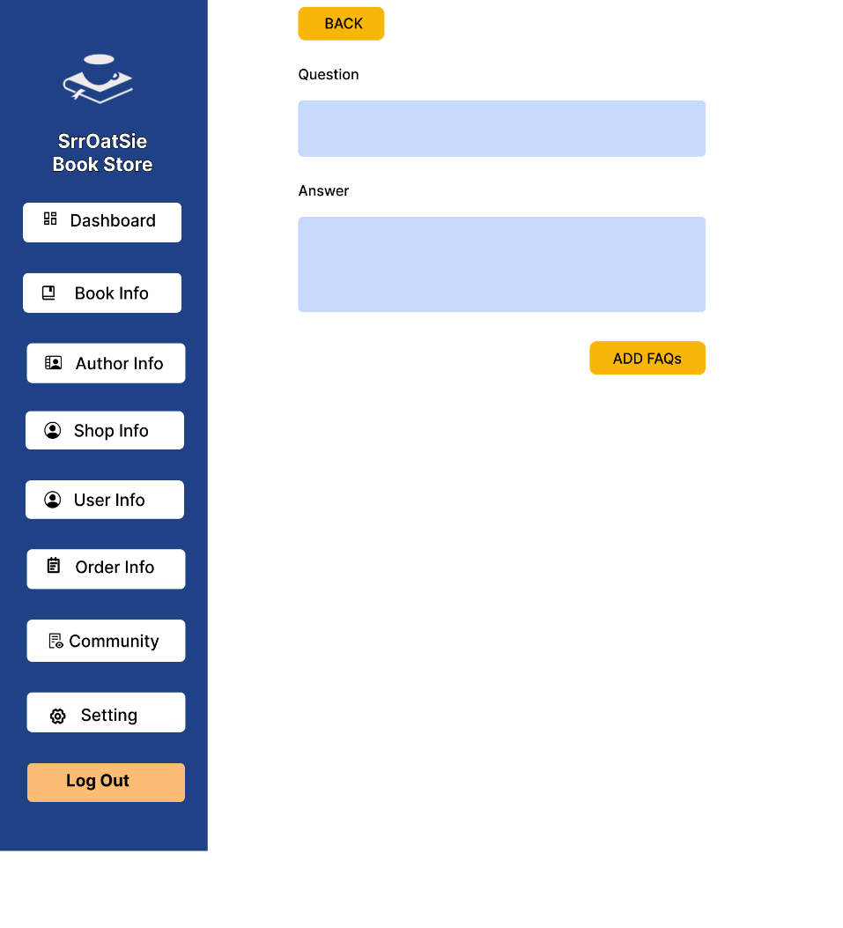

 |  |  |  |  |  |  |  | Login Master |  |  | Add Admin

