Class Diagram
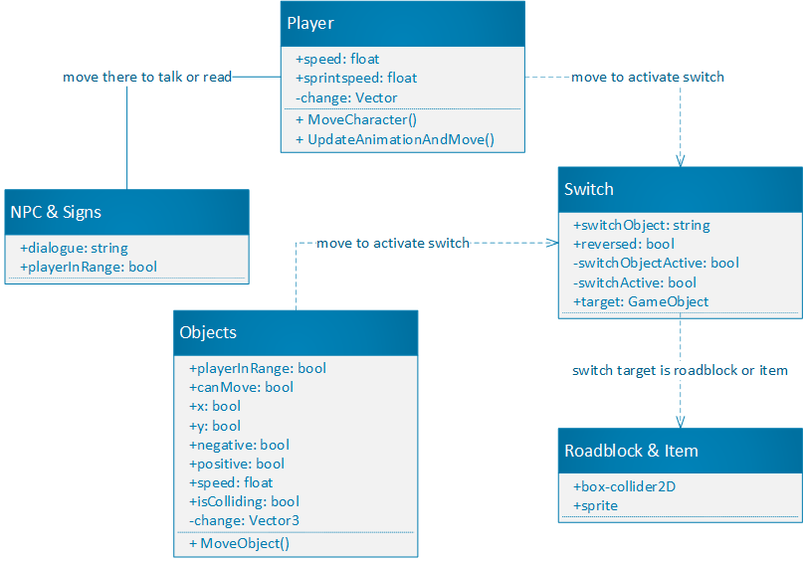
Class Diagram

Name | Piia Laine

Summary
Planning | Research | Game-Work | Website
26.5 | 72 | 138.5 | 15

