START HERE
INTRODUCTION
This workbook contains the pricing for the most popular items ordered in the ACSD. Please use it when ordering any AV or Technology equipment. If you can't find what you need, call Carolyn Joseph or Dan Robertson at x4190 for assistance. Please don't send in requisitions for unlisted items or vendors. We are here to assist you in the ordering process. If you have an item in mind, have the product information available so they can quote it using one of our vendors or help you find the equivalent item on our price list.
PURCHASE REQUISITION TEXT
For all orders, please clearly describe the type of item you are purchasing. For example, if you're ordering a VCR, this should be the first word in the description section of the requisition. Follow this with product numbers and other ordering details.
UPDATES
Since pricing and availability are in a constant state of change, this sheet will need to be updated periodically. For this reason, please visit the link on the District Web page each time you order to insure you are using current pricing.
HOW TO USE
You will notice there are tabs along the bottom for the different equipment categories. Simply click on the tab representing the item you need (Quick Access Links, located to the left of this box, can also be used). For example, if you want pricing for a computer printer, click on the Computer Related & Fax tab. Then scroll the items to find a printer that meets your needs.
Each page is laid out as follows:
Column 1 - Brief description of item
Column 2 - Product number- include all of this in the Description line on your Purchase Requisition
Column 3 - Price- this is the price of the item
Column 4 - Shipping information - most of our vendors include shipping. If there is a charge, it will be listed here.
Column 5 - Vendor - This is the Vendor for the item. Place vendor name on COMPANY line of purchase requisition
Column 6 - This column contains additional ordering information and, in many cases, a link to more detailed product information. PLEASE NOTE: THIS LINK IS FOR INFORMATION PURPOSES ONLY. DO NOT USE FOR PRICING OR VENDOR. Some links are a little slow to connect, so please be patient.
NOTE:
Some items have special ordering instructions. When they exist, a link to a sample Purchase Requisition will be available. Click the link to see a sample purchase requisition. This is especially true for orders for SEHI and COMPAQ products. Please read and follow these directions carefully.
WELCOME TO ACSD EQUPIMENT PRICING

CLICK FOR QUICK ACCESS

Computer Related & Fax
Video & Cameras
TV-VCR-Projectors
Misc AV
Carts-Tables
PA System

Computer Related & Fax
NOTE: ALL SEHI PURCHASES WILL HAVE A BUDGET CHARGE OF 2.0% AT A LATER DATE
COMPUTERS |  |  |  |  | NOTE: LINK IS FOR ILLUSTRATION PURPOSES ONLY. DO NOT USE FOR VENDOR OR PRICING.
DESCRIPTION | PRODUCT NUMBER | PRICE EACH | SHIPPING | VENDOR | LINK TO PICTURE AND SPECS

NOTES ON ORDERING COMPUTER SYSTEMS
1. Computer purchases require 2 Purchase Requisitions. One for HP and one for SEHI
2. All systems must be purchased with Accessory Pack on separate PO from separate vendor (SEHI)
3. Systems are quoted without monitor. Monitors can be found in items 14 - 17.
4. All purchase POs for computer systems will be sent to SEHI who will forward on to HP.
USE BLUE LINKS TO LEFT FOR SAMPLE PURCHASE REQUISITIONS
STUDENT COMPUTER SYSTEM | SEE: NOTES ON ORDERING |  |  |  |  | SAMPLE REQS
STUDENT COMPUTER SYSTEM-NO MONITOR -EVO D530 -DESKTOP-2.4GHZ-512MB--40GHD-CDRW-FIREWIRE -NOTE: MUST ORDER ACCESSORY PACK BELOW FROM SEPARATE VENDOR | STUDENT COMPUTER SYSTEM | 828.00 | INCL | HEWLETT PACKARD | Student Small Form Factor Destop PC | CLICK HERE FOR SAMPLE REQ FOR STUDENT SYSTEM
STUDENT ACCESSORY PACK (HEADPHONE, SURGE, IMAGE & INSTALL WITH LOCK DOWN) | STUDENT ACCESSORY PACK | 80.00 | INCL | SEHI
TEACHER COMPUTER SYSTEM | SEE: NOTES ON ORDERING |  |  |  |  | SAMPLE REQS
TEACHER COMPUTER SYSTEM - NO MONITOR -COMPAQ -TOWER -2.4GHZ-512MB--40GHD-CDRW-VIDEO OUT-ZIP 250-FIREWIRE NOTE: MUST ORDER ACCESSORY PACK BELOW FROM SEPARATE VENDOR | STAFF COMPUTER SYSTEM | 1,020.00 | INCL | HEWLETT PACKARD | Teacher Mini Tower PC | CLICK HERE FOR SAMPLE REQ FOR TEACHER SYSTEM
STAFF ACCESSORY PACK (SPEAKERS, SURGE, IMAGE & INSTALL WITH LOCK DOWN) | STAFF ACCESSORY PACK | 75.00 |  | SEHI
ADMINISTRATIVE COMPUTER SYSTEM | SEE: NOTES ON ORDERING |  |  |  |  | SAMPLE REQS
ADMIN COMPUTER SYSTEM- NO MONITOR -COMPAQ -TOWER -2.4GHZ-512MB--40GHD-CDRW-ZIP 250-FIREWIRE NOTE NOTE: MUST ORDER ACCESSORY PACK BELOW FROM SEPARATE VENDOR | ADMIN COMPUTER SYSTEM | 970.00 | INCL | HEWLETT PACKARD | Administrator Mini Tower PC | CLICK HERE FOR SAMPLE REQ FOR ADMIN SYSTEM
ADMIN ACCESSORY PACK (SPEAKERS, SURGE, SOFTWARE, INSTALL & LOCKDOWN) | ADMIN ACCESSORY PACK | 136.00 | INCL | SEHI | Software includes MS Publisher, Printshop, Acrobat
LAPTOP COMPUTERS
CALL TIS FOR CURRENT PRICING
COMPUTER MONITORS
MONITOR 17" STANDARD CRT- COMPAQ | 17" MONITOR - 261606-001 | 111.00 | INCL | HEWLETT PACKARD | 17" Standard CRT Monitor
MONITOR 17" - FLAT PANEL LCD-COMPAQ | 17" LCD 295926-003 | 390.00 | INCL | HEWLETT PACKARD | 17" Flat Panel LCD Monitor
MONITOR 15" - FLAT PANEL LCD- COMPAQ | 15" LCD P9617D | 278.00 | INCL | HEWLETT PACKARD | 15" Flat Panel LCD Monitor
PRINTERS, SCANNERS, FAX & HEADPHONES
PRINTER-CANON i 250 BUNDLE W XTRA INK (2 BLACK, 1 COLOR) | 8550A001 | $76.90 | INCL | SEHI | http://www.canonusa.
PRINTER-CANON I 455 BUNDLE W XTRA INK (2 BLACK, 1 COLOR) PRINT SHARING | 8996A001 | $103.25 | INCL | SEHI | http://www.canonusa.
PRINTER- LASERJET 1012 15PPM MONOCHROME | Q2461A | $171.24 | INCL | SEHI | http://h10010.www1.hp.com
PRINTER- LASERJET 1150 18PPM MONOCHROME- BIG FOOT PRINT | Q1336A | $263.23 | INCL | SEHI | http://h10010.www1.hp.
PRINTER-HP 2500- COLOR LASER - NETWORKABLE - INCLUDES B D CABLE | C9707A | 1,270.98 | INCL | SEHI | http://h10010.www1.hp.com
PRINTER-HP 4200N-NETWORK-LASER-BLACK ONLY - USED FOR SASI | Q2426A | 1,395.20 | INCL | SEHI | http://h10010.www1.hp.
SCANNER- HP 3970- 2400 DPI 48 BIT | Q3191A | $83.74 | INCL | SEHI | http://h10010.www1.hp.com
SCAN CONVERTER-AVERKEY- WITH REMOTE AND ZOOM | ADD AVERKEY 3 PLUS | 128.00 | INCL | TROXELL | http://shop.store.yahoo.com/pcsound/493020.html
HEADPHONES- CALIFONE- FOR COMPUTER W/ BOOM MIC & VOLUME CONTROL | 3064AV | 11.00 | INCL | TROXELL | http://www.califone.com/headphon.html
HEADPHONES FOR COMPUTER W/ VOLUME CONTROL | KOSS KTX6 | 8.00 | INCL | TROXELL | http://shop.store.yahoo.com/hot-buy/ktx-6.html
HEADPHONES FOR COMPUTER | KOSS KTX1 | 2.00 | INCL | SEE ACSD WAREHOUSE CATALOG | http://www.globalmart.com/page/ktx_1.htm
FAX MACHINE-BROTHER-PPF2800-W/PHONE-MUST ORDER WITH TONER BELOW | 749-211 | 199.94 | INCL | OFFICE DEPOT | http://www.brother.com/usa/fax/info/fax2800/fax2800_ove.html
TONER CARTRIDGE-BROTHER FAX | 782-211 | 29.96 | INCL | OFFICE DEPOT

NOTE: ACSD SEHI ORDERS WILL HAVE A 2% CMAS FEE CHARGED AT A LATER DATE.
PLACE THESE LINE ITEMS ON PURCHASE REQ FOR HP PRINTERS AND SCANNERS OR OTHER PRODUCTS:
INCLUDES BIDIRECTIONAL OR USB CABLE

PLACE THESE LINE ITEMS ON PURCHASE REQ FOR XEROX PRINTERS:
INCLUDES BIDIRECTIONAL CABLE

scrt
SAMPLE REQ FOR STUDENT COMPUTER WITH 15" LCD MONITOR SELECTED

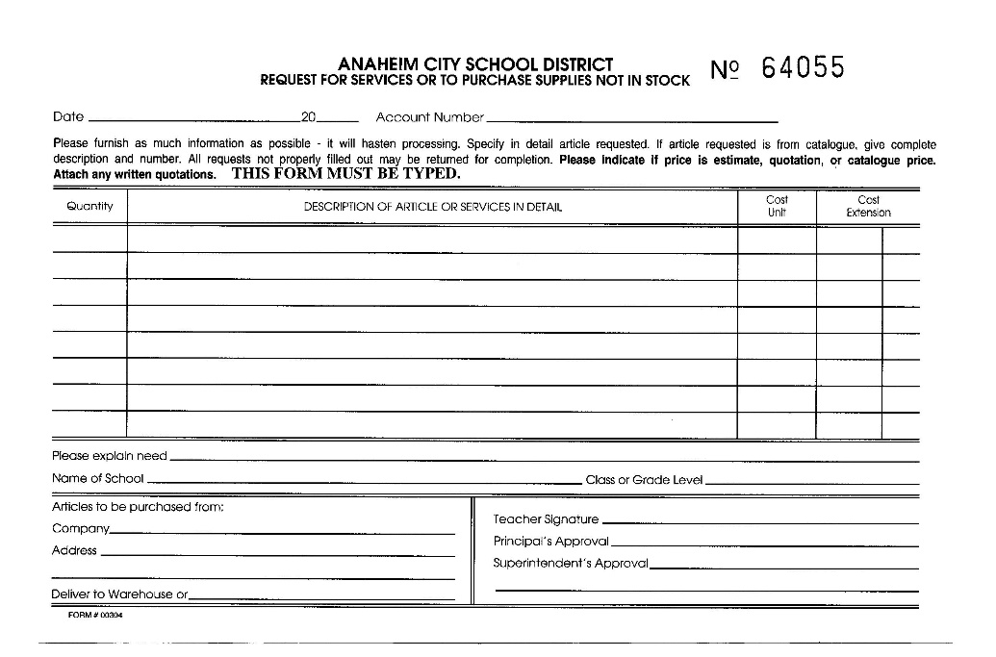

1
Computer, Student Computer System P4-2.4ghz-512mb-
Includes WINXP- MS OFFICE XP LIC-
& 3YR ON SITE WARRANTY
828.00

1
Monitor, 15" LCD # P9617D
278.00
Per GUSD Bid #P15-99/00

Hewlett Packard Company
PO Box 277205 Altanta GA 30384
SEND TO SEHI

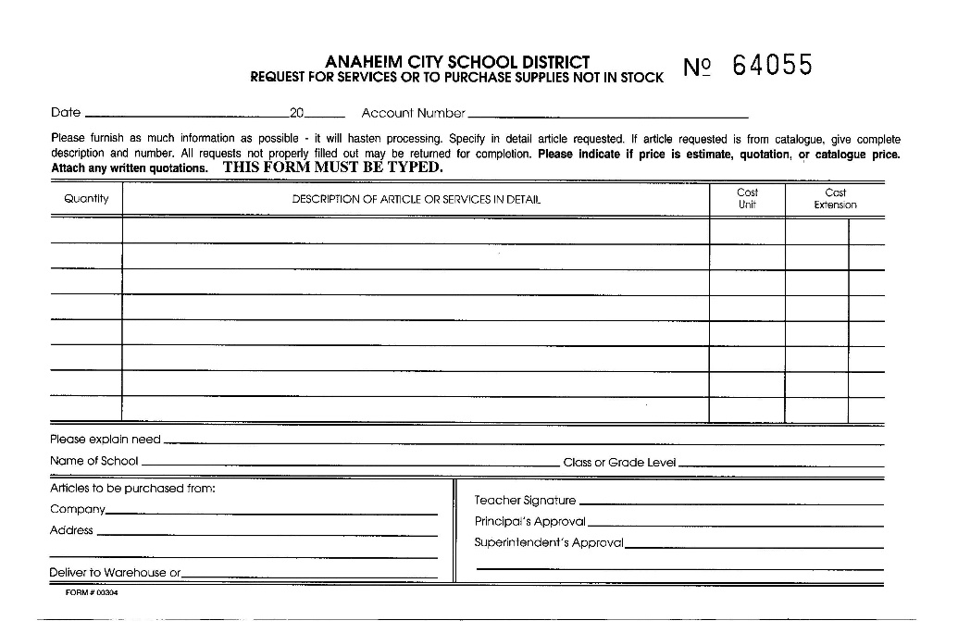

1
Student Accessory Pack
80.00

SEHI

acrt
SAMPLE REQ FOR ADMIN COMPUTER WITH 17" LCD MONITOR SELECTED

1
Computer,Admin Computer System P4-2.4ghz-512mb-
970.00
Includes WINXP- MS OFFICE XP LIC -
3YR ON SITE WARRANTY

1
Monitor, 17" LCD #295926-003
390.00
Per GUSD Bid #P15-99/00

Hewlett Packard Company
PO Box 277205 Altanta GA 30384
SEND TO SEHI

1
Admin Accessory Pack - Includes:
MS PUBLISHER, PRINTSHOP ESSENTIALS, ACROBAT 5.0
136.00

SEHI

tcrt
TEACHER COMPUTER WITH STANDARD 17" MONITOR SELECTED

1
Computer,Staff Computer System P4-2.4 ghz-512mb-
Video Out
1020.00
Includes WINXP- MS OFFICE XP LIC-
& 3YR ON SITE WARRANTY

1
Monitor, 17" # 261606-001
111.00
Per GUSD Bid #P15-99/00

Hewlett Packard Company
PO Box 277205 Altanta GA 30384
SEND TO SEHI

1
Staff Accessory Pack
75.00

SEHI

