MainMenu
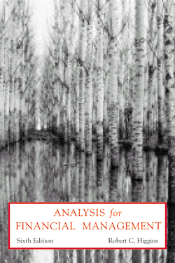
MAIN MENU |  | History

 | Copyright 2000, Irwin/McGraw-Hill.
 | This computer program is protected by copyright law.

