Inventory Verification
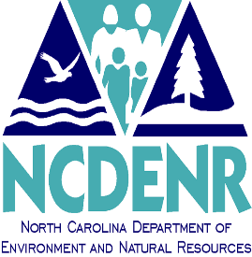

 |  | NORTH CAROLINA
 |  | DEPARTMENT OF ENVIRONMENT AND NATURAL RESOURCES

 |  | INVENTORY VERIFICATION FORM

I, |  |  | ,verify that an accurate physical inventory
has been conducted at:
 |  |  |  | Division

 |  |  |  | Fixed Asset Location

AND

 | All assets listed on the attached report are at this location.
OR
 | There are corrections to the report. Both report and corrections are attached.

Division Director Signature |  |  |  |  | Date

Division Fixed Asset Officer Signature |  |  |  |  | Date

Signature of Division Fixed Asset Designee at Location |  |  |  |  | Date

