IndexGraphics
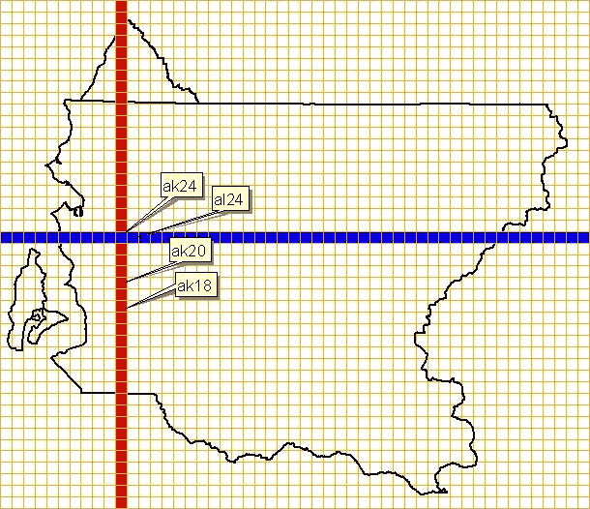
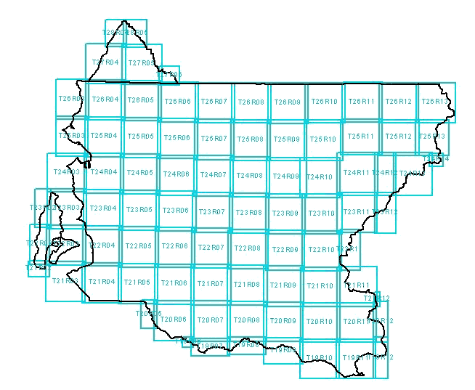

Tier 1 - Idpx7500 | Tier 2 - Idxptrmbr
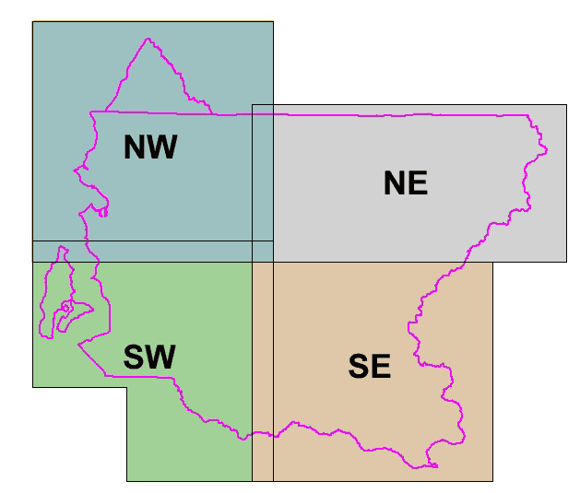


Tier 3 - Idxpzone | KeyRegion

CompositeGraphics
