Solver
Oak Products, Inc: Optimum Product Mix Finder
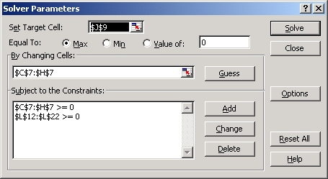
Changes: | Solver employed to find the maximum "Total Profit".
 | See Solver Parameters dialog pictured at right.

Product: |  | Captain | Mate | AmHi | AmLo | SpanK | SpanQ
Qty Produced: |  | 100 | 72 | 40 | 53 | 0 | 0
 |  |  |  |  |  |  |  | Total Profit
Profit/Unit: |  | $36 | $40 | $45 | $38 | $35 | $25 | $10,294

 |  | Product Resources Requirement |  |  |  |  |  | Starting Inventory | Total Usage | Ending Inventory
Long dowel |  | 8 | 0 | 12 | 0 | 8 | 4 | 1280 | 1280 | 0
Short dowel |  | 4 | 12 | 0 | 12 | 4 | 8 | 1900 | 1900 | 0
Leg |  | 4 | 4 | 4 | 4 | 4 | 4 | 1090 | 1060 | 30
Heavy seat |  | 1 | 0 | 0 | 0 | 1 | 1 | 190 | 100 | 90
Light seat |  | 0 | 1 | 1 | 1 | 0 | 0 | 170 | 165 | 5
Heavy rung |  | 6 | 0 | 4 | 0 | 5 | 0 | 1000 | 760 | 240
Light rung |  | 0 | 4 | 0 | 5 | 0 | 6 | 1000 | 553 | 447
Captain rail |  | 1 | 0 | 0 | 0 | 0 | 0 | 110 | 100 | 10
Mate rail |  | 0 | 1 | 0 | 0 | 0 | 0 | 72 | 72 | 0
American rail |  | 0 | 0 | 1 | 1 | 0 | 0 | 93 | 93 | 0
Spanish rail |  | 0 | 0 | 0 | 0 | 1 | 1 | 85 | 0 | 85

Mix Chart
Captain | 100
Mate | 72
AmHi | 40
AmLo | 53

