Charge Codes
PeopleSoft Charge Codes

Charge codes are used to represent goods and services on bill line entry panels.

A charge code is required in the charge code field on the bill line entry panel in PeopleSoft

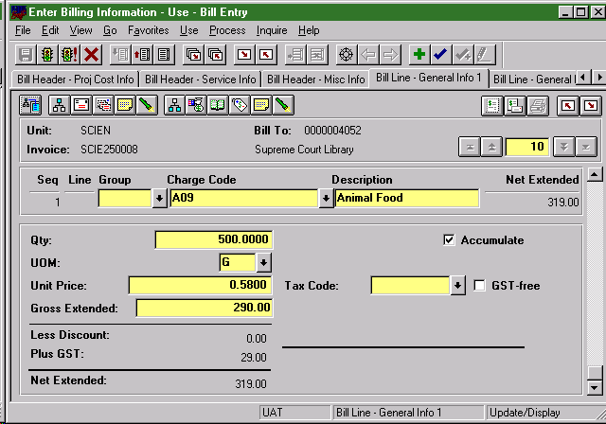

Default revenue distribution values are associated with charge codes

Charge codes are grouped into charge code activity groups to assist bill entry

