Instructions
Personal
Data
Form
Instructions

Personal Data: |  | Changes submitted on the Personal Data form will be processed for both payroll and insurance purposes. Employees who do not wish to have their insurance information updated, must notify the Insurance & Employee Benefits Office.
 | New/Change | Indicate by selecting New or Change. This selection will dictate whether this is a new Personal Data Form or a change to an existing Personal Data Form.
 | Employee ID: | Fill in Employee ID Number.
 | SSN: | Fill in the Employee's Social Security Number.
 | Effective Date: | Date that the information on this form will be effective.
 | Name: | Employee's name.
 | Birth Date: | Employee's birth date.
 | Home Phone: | Employee's home telephone number.
 | Gender: | Employee's gender. Indicate by selecting the appropriate gender.
 |  | ** Note: Students and Grads should process all address changes with Registration and Records.
 | Street/P.O. Box: | (Not Applicable for Students or Grads) Home address. Include street address and/or P.O. Box.
 | City: | (Not Applicable for Students or Grads) City of home address.
 | State: | (Not Applicable for Students or Grads) State of home address.
 | Zip Code: | (Not Applicable for Students or Grads) Zip code of home address.
Direct Deposit Authorization: |  | (See Sample Check Shown Below)
 | Financial Institution: | Enter the name and address of the financial institution which holds the account in which to deposit the employee's payroll amount.
 | Routing #: | The routing number must be nine (9) digits. The first two digits must be 01 through 12 or 21 through 32. Your check may state that it is payable through a bank different from the financial institution at which you have your checking account. If so, do not use the routing number on that check. Instead, contact your financial institution for the correct routing number to enter on this line.
 | Account Type: | Indicate Checking or Savings account by selecting the appropriate button. Choose only one.
 | Account Number: | The account number can be up to 17 characters (both numbers and letters). Include hyphens but omit spaces and special symbols.
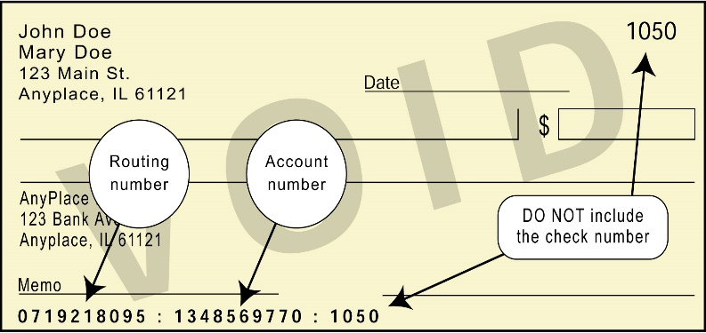
 | Sample Check:

 |  | Note: This is a sample check. In some cases, the check number and account number positions are reversed. Look carefully to determine the check number and account number positions.
Student Loan Status/Disclosure Education Loan Repayment (DELR) | Yes/No | Click on "Yes" if you are currently in default on the repayment of any state educational loan or click on "No" if you are not currently in default on the repayment of any state educational loan. State law provides that any employee who is in default on the repayment of any education loan for a period of six months or more and in the amount of $600 or more shall, as a condition of employment, make a satisfactory loan repayment arrangement with the maker or guarantor of the loan.
 |  | Illinois Public Act 85-0827 (Ill. Rev. Stat. Ch. 127, Par. 3551 et seq) requires that all state agencies obtain verification that employees hired after January 1, 1998 are not in default on educational students loans from the State of Illinois or from any other public funds. This information must be provided before certification papers can be released to the Payroll Office for processing.
 |  | The Act also provides that should an employee fail to make satisfactory payment provisions the "State agency shall terminate the individual's employment." You must contact the lender and establish a repayment plan and have them provide us with a written certification that the repayment plan is satisfactory. Arrangements may be made through payroll deductions in accordance with the State Salary and Annuity Withholding Act.
Citizenship: |  | Indicate citizenship by checking the appropriate box. Choose only one.
 | Citizenship Country: | (Complete only if Non-Resident Alien is selected under Citizenship) Indicate the employee's citizenship country.
 | Visa Type: | (Complete only if Non-Resident Alien is selected under Citizenship) Indicate the employee's Visa Type.
Military Status: |  | (Not required for student employees) Indicate military status by checking the appropriate box.
Highest Educational Level |  | (Not required for student employees) Indicate highest educational level achieved by checking the appropriate box.
Ethnic |  | (Not required for student employees) Indicate ethnic origin by checking the appropriate box. Choose only one.
Education History: |  | (Not required for student employees) List educational history by filling in the following information.
 | Degree: | Degree earned.
 | Date: | Date degree is earned.
 | Major: | Major subject area of degree.
 | School: | School where degree was earned.
Employee Signature: |  | Employee signs here.
Date: |  | Date employee signs this form.

