ASEN03
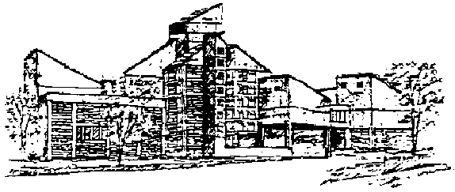

ASEN1 - Monday

TIME | PLACE | EVENT | NOTES

7:00 - 8:20 a.m. | Cheyenne Arapaho | Breakfast
8:20:00 | meet your group at Farrand Field

8:30 - 8:55 | Math 100 | Morning announcements | Group meeting

9:00 - 10:20 | Grp. A: ECAE 1B16 (Lockheed Martin) | Citizen Explorer and | Presenter: Koehler
 |  | Three Corner Satellite
 | Grp. B: ITLL Broida Plaza South | Gossamer Spacecraft | Presenter: Hinkle

10:30 - 11:50 | Grp. A: ITLL Broida Plaza South | Gossamer Spacecraft | Presenter: Hinkle
 | Grp. B: ECAE 1B16 (Lockheed Martin) | Citizen Explorer and | Presenter: Koehler
 |  | Three Corner Satellite

12:00-1:30 p.m. | Cheyenne Arapaho | Lunch

1:30 p.m. | meet your group at Farrand Field, go as a group to the North Side of the Math Building

1:40:00 | Bus to LASP
1:45 - 3:45 | Tour of LASP | Laboratory for Atmospheric | Don't be late!
 |  | & Space Physics Tour
3:45:00 | Bus back to Engineering

5:00 - 6:30 | Cheyenne Arapaho | Dinner | Discuss egg drop
 |  |  | w/ group

6:40pm | Meet in Cheyenne Arapaho Lobby | Walk to Engineering Ctr. | Don't be Late!

7:00 - 8:00 | Engineering ECCR Rooms | Industry Rep. Panels | Divide into 4 groups
 | 1B40, 200, 245, 265 |  | approx.75 students

8:00 - 8:30 | Cheyenne Arapaho | change into swim gear

8:30:00 | meet at Farrand Field | Walk to Rec Ctr.

8:45 - 10:15 | CU Student Recreation Ctr. | Boat Race!!

10:15 - 10:55 | Engineering Lobby | Snacks | Group leaders
 |  |  | meet in ECCR

11:00-11:30 pm | Cheyenne Arapaho |  | Discuss egg drop

11:30:00 | Be on your floor!

