Floor Plan
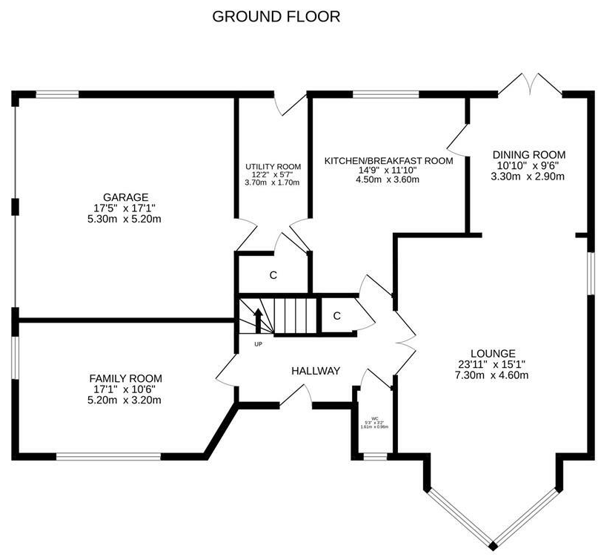
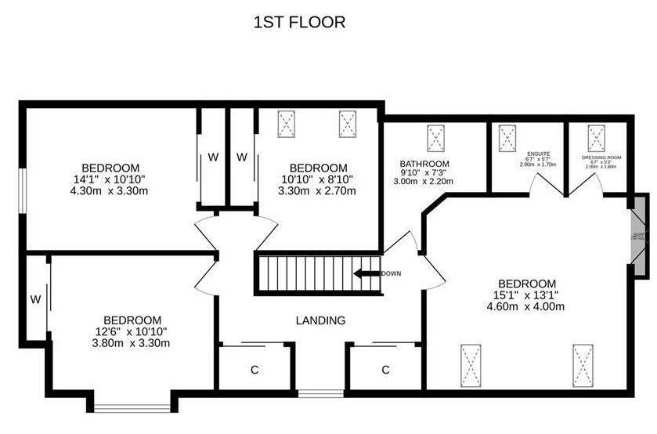
1 | 2 | 3 | 4 | 5 | 6 | 7 | 8 | 9 | 10 | 11 | 12 | 13 | 14 | 15 | 16 | 17 | 18 | 19 | 20 | 21 | 22 | 23 | 24 | 25 | 26 | 27 | 28 | 29 | 30 | 31 | 32 | 33 | 34 | 35 | 36 | 37 | 38 | 39 | 40 | 41 | 42 | 43 | 44 | 45 | 46 | 47 | 48 | 49 | 50 | 51 | 52
 |  |  |  |  |  |  |  | WINDOW |  |  |  |  |  |  |  |  |  |  |  |  |  |  |  |  |  |  |  |  |  |  |  |  |  |  |  |  |  |  |  |  |  |  |  |  |  |  |  |  |  |  |  | 1
 |  |  |  |  |  |  |  |  |  |  |  |  |  |  |  |  |  |  |  |  |  |  |  |  |  |  |  |  |  |  |  |  |  |  |  |  |  |  |  |  |  |  |  |  |  |  |  |  |  |  |  | 2
 |  |  |  |  |  |  |  |  |  |  |  |  |  |  |  |  |  |  |  |  |  |  |  | PAX |  |  |  |  |  |  |  |  |  |  |  |  |  |  |  |  |  |  |  |  |  |  |  |  |  |  |  | 3
 |  |  |  |  |  |  |  |  |  |  |  |  |  |  |  |  |  |  |  |  |  |  |  |  |  |  |  |  |  |  |  |  |  |  |  | MICKE |  |  |  |  |  |  |  |  | MICKE |  |  |  |  |  |  | 4
 |  |  |  |  |  |  |  |  |  |  |  |  |  |  |  |  |  |  |  |  |  |  |  |  |  |  |  |  |  |  |  |  |  |  |  |  |  |  |  |  |  |  |  |  |  |  |  |  |  |  |  | 5
 |  |  |  |  |  |  |  |  |  |  |  |  |  |  |  |  |  |  |  |  |  |  |  |  |  |  |  |  |  |  |  |  |  |  |  |  |  |  |  |  |  |  |  |  |  |  |  |  |  |  |  | 6
 |  |  |  |  |  |  |  |  |  |  |  |  |  |  |  |  |  |  |  |  |  |  |  |  |  |  |  |  |  |  |  |  |  |  |  |  |  |  |  |  |  |  |  |  |  |  |  |  |  |  |  | 7
 |  |  |  |  |  |  |  |  |  |  |  |  |  |  |  |  |  |  |  |  |  |  |  |  |  |  |  |  |  |  |  |  |  |  |  |  |  |  |  |  |  |  |  |  |  |  |  |  |  |  |  | 8
 |  |  |  |  |  |  |  |  |  |  |  |  |  |  |  |  |  |  |  |  |  |  |  |  |  |  |  |  |  |  |  |  |  |  |  |  |  |  |  |  |  |  |  |  |  |  |  |  |  |  |  | 9
 |  |  |  |  |  |  |  |  |  |  |  |  |  |  |  |  |  |  |  |  |  |  |  |  |  |  |  |  |  |  |  |  |  |  |  |  |  |  |  |  |  |  |  |  |  |  |  |  |  |  |  | 10
 |  |  |  |  |  |  |  |  |  |  |  |  |  |  |  |  |  |  |  |  |  |  |  |  |  |  |  |  |  |  |  |  |  |  |  |  |  |  |  |  |  |  |  |  |  |  |  |  |  |  |  | 11
 |  |  |  |  |  |  |  |  |  |  |  |  |  |  |  |  |  |  |  |  |  |  |  |  |  |  |  |  |  |  |  |  |  |  |  |  |  |  |  |  |  |  |  |  |  |  |  |  |  |  |  | 12
 |  |  |  |  |  |  |  |  |  |  |  |  |  |  |  |  |  |  |  |  |  |  |  |  |  |  |  |  |  |  |  |  |  |  |  |  |  |  |  |  |  |  |  |  |  |  |  |  |  |  |  | 13
 |  |  |  |  |  |  |  |  |  |  |  |  |  |  |  |  |  |  |  |  |  |  |  |  |  |  |  |  |  |  |  |  |  |  |  |  |  |  |  |  |  |  |  |  |  |  |  |  |  |  |  | 14
 |  |  |  |  |  |  |  |  |  |  |  |  |  |  |  |  |  |  |  |  |  |  |  |  |  |  |  |  |  |  |  |  |  |  |  |  |  |  |  |  |  |  |  |  |  |  |  |  |  |  |  | 15
 |  |  |  |  |  |  |  |  |  |  |  |  |  |  |  |  |  |  |  |  |  |  |  |  |  |  |  |  |  |  |  |  |  |  |  |  |  |  |  |  |  |  |  |  |  |  |  |  | ALEX |  |  | 16
 |  |  |  |  |  |  |  |  |  |  |  |  |  |  |  |  |  |  |  |  |  |  |  |  |  |  |  |  |  |  |  |  |  |  |  |  |  |  |  |  |  |  |  |  |  |  |  |  |  |  |  | 17
 |  |  |  |  |  |  |  |  |  |  |  |  |  |  |  |  |  |  |  |  |  |  |  |  |  |  |  |  |  |  |  |  |  |  |  |  |  |  |  |  |  |  |  |  |  |  |  |  |  |  |  | 18
 |  |  |  |  |  |  |  |  |  |  |  |  |  |  |  |  |  |  |  |  |  |  |  |  |  |  |  |  |  |  |  |  |  |  |  |  |  |  |  |  |  |  |  |  |  |  |  |  |  |  |  | 19
 |  |  |  |  |  |  |  |  |  |  |  |  |  |  |  |  |  |  |  |  |  |  |  |  |  |  |  |  |  |  |  |  |  |  |  |  |  |  |  |  |  |  |  |  |  |  |  |  |  |  |  | 20
 |  |  |  |  |  |  |  |  |  |  |  |  |  |  |  |  |  |  |  |  |  |  |  |  |  |  |  |  |  |  |  |  |  |  |  |  |  |  |  |  |  |  |  |  |  |  |  |  |  |  |  | 21
 |  |  |  |  |  |  |  |  |  |  |  |  |  |  |  |  |  |  |  |  |  |  |  |  |  |  |  |  |  |  |  |  |  |  |  |  |  |  |  |  |  |  |  |  |  |  |  |  |  |  |  | 22
 |  |  |  |  |  |  |  |  |  |  |  |  |  |  |  |  |  |  |  |  |  |  |  |  |  |  |  |  |  |  |  |  |  |  |  |  |  |  |  |  |  |  |  |  |  |  |  |  |  |  |  | 23
 |  |  |  |  |  |  |  |  |  |  |  |  |  |  |  |  |  |  |  |  |  |  |  |  |  |  |  |  |  |  |  |  |  |  |  |  |  |  |  |  |  |  |  |  |  |  |  |  |  |  |  | 24
 |  |  |  |  |  |  |  |  |  |  |  |  |  |  |  |  |  |  |  |  |  |  |  |  |  |  |  |  |  |  |  |  |  |  |  |  |  |  |  |  |  |  |  |  |  |  |  |  |  |  |  | 25
 |  |  |  |  |  |  |  |  |  |  |  |  |  |  |  |  |  |  |  |  |  |  |  |  |  |  |  |  |  |  |  |  |  |  |  |  |  |  |  |  |  |  |  |  |  |  |  |  |  |  | DOOR | 26
 |  |  |  |  |  |  |  |  |  |  |  |  |  |  |  |  |  |  |  |  | WORKBENCH |  |  |  |  |  |  |  |  |  |  |  |  |  |  |  |  |  |  |  |  |  |  |  |  |  |  |  |  |  |  | 27
 |  |  |  |  |  |  |  |  |  |  |  |  |  |  |  |  |  |  |  |  |  |  |  |  |  |  |  |  |  |  |  |  |  |  |  |  |  |  |  |  |  |  |  |  |  |  |  |  |  |  |  | 28
 |  |  |  |  |  |  |  |  |  |  |  |  |  |  |  |  |  |  |  |  |  |  |  |  |  |  |  |  |  |  |  |  |  |  |  |  |  |  |  |  |  |  |  |  |  |  |  |  |  |  |  | 29
 |  |  |  |  |  |  |  |  |  |  |  |  |  |  |  |  |  |  |  |  |  |  |  |  |  |  |  |  |  |  |  |  |  |  |  |  |  |  |  |  |  |  |  |  |  |  |  |  |  |  |  | 30
 |  |  |  |  |  |  |  |  |  |  |  |  |  |  |  |  |  |  |  |  |  |  |  |  |  |  |  |  |  |  |  |  |  |  |  |  |  |  |  |  |  |  |  |  |  |  |  |  |  |  |  | 31
 |  |  |  |  |  |  |  |  |  |  |  |  |  |  |  |  |  |  |  |  |  |  |  |  |  |  |  |  |  |  |  |  |  |  |  |  |  |  |  |  |  |  |  |  |  |  |  |  |  |  |  | 32
 |  |  |  |  |  |  |  |  |  |  |  |  |  |  |  |  |  |  |  |  |  |  |  |  |  |  |  |  |  |  |  |  |  |  |  |  |  |  |  |  |  |  |  |  |  |  |  |  |  |  |  | 33
 |  |  |  |  |  |  |  |  |  |  |  |  |  |  |  |  |  |  |  |  |  |  |  |  |  |  |  |  |  |  |  |  |  |  |  |  |  |  |  |  |  |  |  |  |  |  |  |  |  |  |  | 34
 |  |  |  |  |  |  |  |  |  |  |  |  |  |  |  |  |  |  |  |  |  |  |  |  |  |  |  |  |  |  |  |  |  |  |  |  |  |  |  |  |  |  |  |  |  |  |  |  |  |  |  | 35
 |  |  |  |  |  |  |  |  |  |  |  |  |  |  |  |  |  |  |  |  |  |  |  |  |  |  |  |  |  |  |  |  |  |  |  |  |  |  |  |  |  |  |  |  |  |  |  |  |  |  |  | 36
 |  |  |  |  |  |  |  |  |  |  |  |  |  |  |  |  |  |  |  |  |  |  |  |  |  |  |  |  |  |  |  |  |  |  |  |  |  |  |  |  |  |  |  |  |  |  |  |  |  |  |  | 37
 |  |  |  |  |  |  |  |  |  |  |  |  |  |  |  |  |  |  |  |  |  |  |  |  |  |  |  |  |  |  |  |  |  |  |  |  |  |  |  |  |  |  |  |  |  |  |  |  |  |  |  | 38
 |  |  |  |  |  |  |  |  |  |  |  |  |  |  |  |  |  |  |  |  |  |  |  |  |  |  |  |  |  |  |  |  |  |  |  |  |  |  |  |  |  |  |  |  |  |  |  |  |  |  |  | 39
 |  |  |  |  |  |  |  |  |  |  |  |  |  |  |  |  |  |  |  |  |  |  |  |  |  |  |  |  |  |  |  |  |  |  |  |  |  |  |  |  |  |  |  |  |  | FRIDGE |  |  |  |  |  | 40
 |  |  |  |  |  |  |  |  |  |  |  |  |  |  |  |  |  |  |  |  |  |  |  |  |  |  |  |  |  |  |  |  |  |  |  |  |  |  |  |  |  |  |  |  |  |  |  |  |  |  |  | 41
 |  |  |  |  |  |  |  |  |  |  |  |  |  |  |  |  |  |  |  |  |  |  |  |  |  |  |  |  |  |  |  |  |  |  |  |  |  |  |  |  |  |  |  |  |  |  |  |  |  |  |  | 42
 |  |  |  |  |  |  |  |  |  |  |  |  |  |  |  |  |  |  |  |  |  |  |  |  |  |  |  |  |  |  |  |  |  |  |  |  |  |  |  |  |  |  |  |  |  |  |  |  |  |  |  | 43
 |  |  |  |  |  |  |  |  |  |  |  |  |  |  |  |  |  |  |  |  |  |  |  |  |  |  |  |  |  |  |  |  |  |  |  |  |  |  |  |  |  |  |  |  |  |  |  |  |  |  |  | 44
 |  |  |  |  |  |  |  |  |  |  |  |  |  |  |  |  |  |  |  |  |  |  |  |  |  |  |  |  |  |  |  |  |  |  |  |  |  |  |  |  |  |  |  |  |  |  |  |  |  |  |  | 45
 |  |  |  |  |  |  |  |  |  |  |  |  |  |  |  |  |  |  |  |  |  |  |  |  |  |  |  |  |  |  |  |  |  |  |  |  |  |  |  |  |  |  |  |  |  |  |  |  |  |  |  | 46
 |  |  |  |  |  |  |  |  |  |  |  |  |  |  |  |  |  |  |  |  |  |  |  |  |  |  |  |  |  |  |  |  |  |  |  |  |  |  |  |  |  |  |  |  |  |  |  |  |  |  |  | 47
 |  |  |  |  |  |  |  |  |  |  |  |  |  |  |  |  |  |  |  |  |  |  |  |  |  |  |  |  |  |  |  |  |  |  |  |  |  |  |  |  |  |  |  |  |  |  |  |  |  |  |  | 48
 |  |  |  |  |  |  |  |  |  |  |  |  |  |  |  |  |  |  |  |  |  |  |  |  |  |  |  |  |  |  |  |  |  |  |  |  |  |  |  |  |  |  |  |  |  |  |  |  |  |  |  | 49
 |  |  |  |  |  |  |  |  |  |  |  |  |  |  |  |  |  |  |  |  |  |  |  |  |  |  |  |  |  |  |  |  |  |  |  |  |  |  |  |  |  |  |  |  |  |  |  |  |  |  |  | 50
 |  |  |  |  |  |  |  |  |  |  |  |  |  |  |  |  |  |  |  |  |  |  |  |  |  |  |  |  |  |  |  |  |  |  |  |  |  |  |  |  |  |  |  |  |  |  |  |  |  |  |  | 51
 |  |  |  |  |  |  |  |  |  |  |  |  |  |  |  |  |  |  |  |  |  |  |  |  |  |  |  |  |  |  |  |  |  |  |  |  |  |  |  |  |  |  |  |  |  |  |  |  |  |  |  | 52
 |  |  |  |  |  |  |  |  |  |  |  |  |  |  |  |  |  |  |  |  |  |  |  |  |  |  |  |  |  |  |  |  |  |  |  |  |  |  |  |  |  |  |  |  |  |  |  |  |  |  |  | 53
1 | 2 | 3 | 4 | 5 | 6 | 7 | 8 | 9 | 10 | 11 | 12 | 13 | 14 | 15 | 16 | 17 | 18 | 19 | 20 | 21 | 22 | 23 | 24 | 25 | 26 | 27 | 28 | 29 | 30 | 31 | 32 | 33 | 34 | 35 | 36 | 37 | 38 | 39 | 40 | 41 | 42 | 43 | 44 | 45 | 46 | 47 | 48 | 49 | 50 | 51 | 52

 |  |  | fan_CFM (cubic feet /min ) > 15 (times per minutes ) * Fume_Volume ( in cubic feet )

BOM
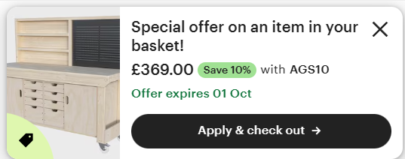
Item | Cost | Basket | IoT Ecosystem | Cost | Basket | Nice to Haves | Cost | Basket | Parts to Print | Qty
Nitrile Gloves (x100 Disposable Long) | £14.00 | Y | Tablet | £65.00 |  | Heat Mat | £27.00 |  | Adjustable Vent/Damper | ?
Paper Towel (x6 Rolls) | £20.00 | Y | Home Assistant Yellow Kit PoE | £130.00 |  | Elegoo Wash & Cure | £112.00 |  | Ball Valve | 9
Insulation Tape (45.7m, x 2) | £17.00 | Y | Touch Screen | £47.00 |  | Gold Insulation (1.2m Sq.) | £17.00 |  | T Connector | 3
Drill Hole Cutter | £12.70 | Y | ESP32-S6 x12 | £90.00 |  | Draft Excluders |  |  | Y Connector (For Ref.) | -
Wardrobe (Pax) (£30 Off Through Vivup, Not Applied) | £505.00 |  | 5kg Servo for Valve x4 | £64.00 |  | Bento Box | £30.00 |  | Mechanical Arm | 1
HT-PLA for flue (x2 @ £23 per Kg.) | £46.00 |  | MG90 x lots | £31.00 |  | Anti-Vibration Feet | £10.00 |  | Ball Joint for Arm | 1 | Include Dovetail
CoPE for flue (x4 @ £13.80 per Kg.) | £55.20 |  | Hall Sensors | £5.00 |  | Foam Mat x28 | £55.00 |  | Rotating C-Clamp for Arm | 1
UV Light for PAX x3 | £27.00 |  | LED on PCB | £15.00 |  | Vise | £58.00 |  | Elbow | -
USB Hub 2 x 10 ports | £72.00 |  | Smart Sockets (x2 for Extensions) | £16.00 |  | Air Intake Filters |  |  | Fan to Pipe Adaptor | -
Digital Timer Sockets (x2 for UV Lights and Extensions) | £14.00 |  | BME680 x3 | £48.00 |  | Filament Dry Bags | £26.00 |  | 90 Degree Adaptor | 2
Alex | £130.00 |  | Smoke Sensors x5 | £17.50 |  | LED (x3, Motion Sensor) | £16.13 |  | Cable Runs
Plywood (Potentially £27 if Plasterboard) | £70.00 |  | Resistors | £5.00 |  | Magnifying Glass | £8.00 |  | 1/8" Tracks for Panels?
Right Angle Support Brackets | £6.20 |  | Total | £533.50 | - | Step Ladder | £17.00 |  | Backdraft Damper
Inline Fan (Includes Controller?) | £120.00 |  |  |  |  | Small Heater | £32.00 |  | Athena 2 Vat Cover
Paint (Wasabi Chocolate) | £52.00 |  | IoT Hardware | Cost | Basket | Intake - Heating Fan | £15.00 |  | Athena 2 Plate Holder
Garage Insulation | £93.60 |  | Threaded Inserts m2x4 x 100 | £5.19 | Y | Total | £423.13 | - | Flange x4
Electrician Call Out | £150.00 |  | Threaded Inserts m3x5.70 x 100 | £7.50 | Y |  |  |  | Screw-Lock x8
Power Sockets (x4, W/ USB) | £48.00 |  | M2x6 TX x1000 | £9.09 |  | Wham Bam | Cost | Basket | Sliding Sections x 6
Workbench (£400 W/ Offer) | £440.00 |  | M2x8 TX x1000 | £9.29 |  | Slap Caddy | £12.00
PLA Matte Teal for Cable Runs | £18.40 |  | M2x10 TX x1000 | £13.89 |  | Slap Pallette | £18.00
Printer | £1,832.00 |  | M2x12 TX x1000 | £11.89 |  | Wham Bam Slap Mat (L+M) | £37.00
Ultrasonic Cleaner | £410.00 |  | M2x16 TX x1000 | £16.10 |  | Ultim8 Trio | £25.00
Fireproofing | £58.00 |  | M3x6 TX x50 | £5.60 |  | Total | £92.00 | - | Castor Wheels for Bench | £22.00 |  | Useful Links
Soundproofing & Insulation | £74.00 |  | M3x8 TX x50 | £5.69 |  |  |  |  | ESP32-S6 1.5in Touch Screen | £22.00 |  | Garage Door Insulation Vid
Fire Extinguisher Ball | £29.00 |  | M3x20 TX x50 | £6.79 |  | Not Garage | Cost | Basket | ESP32-S3 2.8in Touch Screen | £33.00 |  | Propylene Glycol Cleaning Thread
 |  |  | M3x30 TX x50 | £8.09 |  | Monitor Wall mount (Ultrawide) | £80.00 |  | ESP32-S3 3.5in Touch Screen | £40.00
 |  |  | M3x6 Cylinder Head x100 | £5.79 |  | Chair Mat x2 | £100.00 |  | Hyte LCD Display | £150.00
Total | £4,250.40 | - | M3 Washers 7mm OD x100 | £5.00
 |  |  | M3 Nuts | £5.00 |  | Not Sure | Cost | Basket
 |  |  | Magnets 4x3mm x50 | £5.00 |  | Inline Fan | £39.00
Budget | £2,481.00 |  | Stranded Wire | £8.00 |  | Plastic Box (Waste Curing) | £14.00
Grand Total | £5,559.25 |  | USB Power A to C 6 x 3m | £18.00 |  | Lock
Without Printer | £3,317.25 |  | USB Power C to C 8 x 3m | £16.00 |  | Push Lock Mechanism
Orange | £1,308.85 |  | Bearings | £9.00 |  | https://www.amazon.co.uk/Tapo-Monitoring-P100-2-pack-packaging/dp/B0875DFSD3?s=diy&sr=1-3 | -
Without Orange | £2,008.40 |  | Total | £158.22 | - | https://www.amazon.co.uk/Shelly-Pus-Plug-UK-Bluetooth/dp/B0BV37M88W | -

 |  |  | SLA Consumables | Cost | Basket
 |  |  | Sunlu ABS Like Resin (2kg Grey) | £30.00 | Y
 |  |  | Simple Green (Per Gallon) | £42.00 |  |  | £5.00
 |  |  | FEP Screens (Price Estimate) | £20.00 |  | Total | £58.00 | -
 |  |  | Mono Propylene Glycol (x10L) | £58.00
 |  |  | Airtight Resin Container | £18.00 |  | Wham Bam Area (mm): 1000 x 500 | Cost | Basket
 |  |  | Silicone Funnel (Collapsible incl. x100 Filters) | £6.00 |  | Large: 700mm x 345mm | £22.00
 |  |  | Filters |  |  | Small: 240mm x 500mm | £15.00
 |  |  | Total | £102.00 | - | Total | £37.00 | -

