格式說明
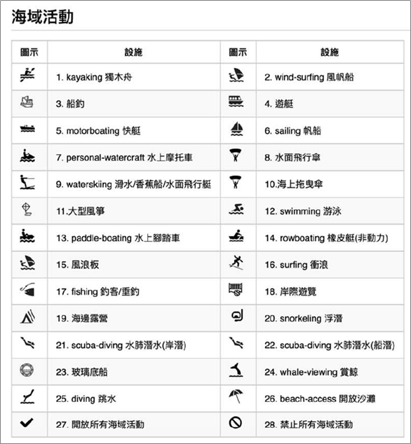
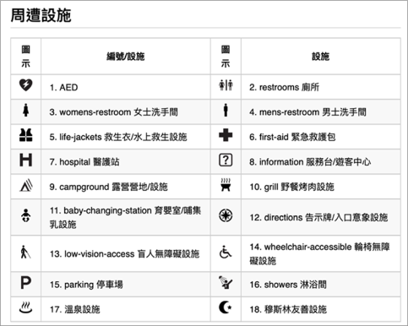
編號 | 海域遊憩活動 | 編號 | 設施
1 | 獨木舟 | 1 | AED
2 | 風帆船 | 2 | 廁所
3 | 船釣 | 3 | 女士洗手間
4 | 遊艇 | 4 | 男士洗手間
5 | 快艇 | 5 | 救生衣/水上救生設施
6 | 帆船 | 6 | 緊急救護包
7 | 水上摩托車 | 7 | 醫護站
8 | 水面飛行傘 | 8 | 服務台/遊客中心
9 | 滑水/香蕉船/水面飛行艇 | 9 | 露營營地/設施
10 | 海上拖曳傘 | 10 | 野餐烤肉設施
11 | 大型風箏 | 11 | 育嬰室/哺集乳設施
12 | 游泳 | 12 | 告示牌/入口意象設施
13 | 水上腳踏車 | 13 | 盲人無障礙設施
14 | 橡皮艇(非動力) | 14 | 輪椅無障礙設施
15 | 風浪板 | 15 | 停車場
16 | 衝浪 | 16 | 淋浴間
17 | 釣客/垂釣 | 17 | 溫泉設施
18 | 岸際遊覽 | 18 | 穆斯林友善設施
19 | 海邊露營
20 | 浮潛
21 | 水肺潛水(岸潛)
22 | 水肺潛水(船潛)
23 | 玻璃底船
24 | 賞鯨
25 | 跳水
26 | 開放沙灘
27 | 開放所有海域活動
28 | 禁止所有海域活動

資料建置說明
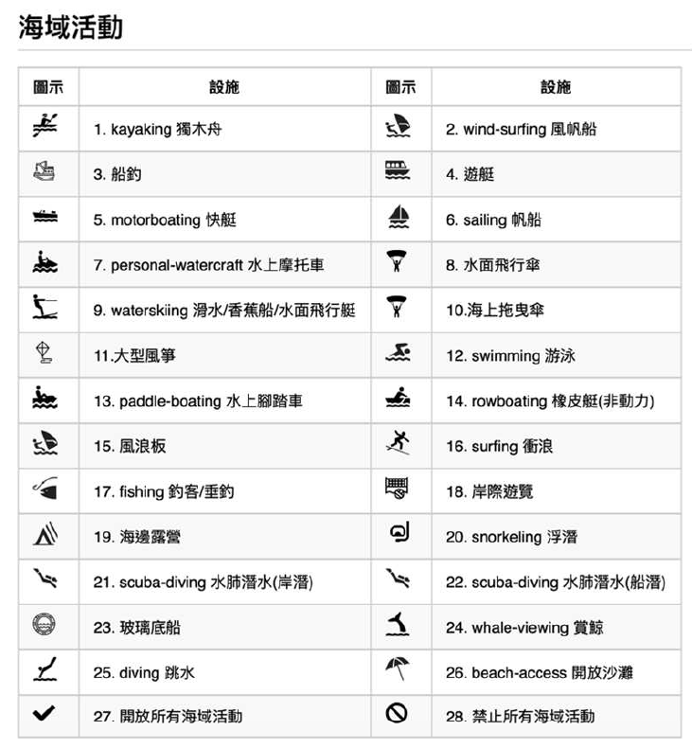
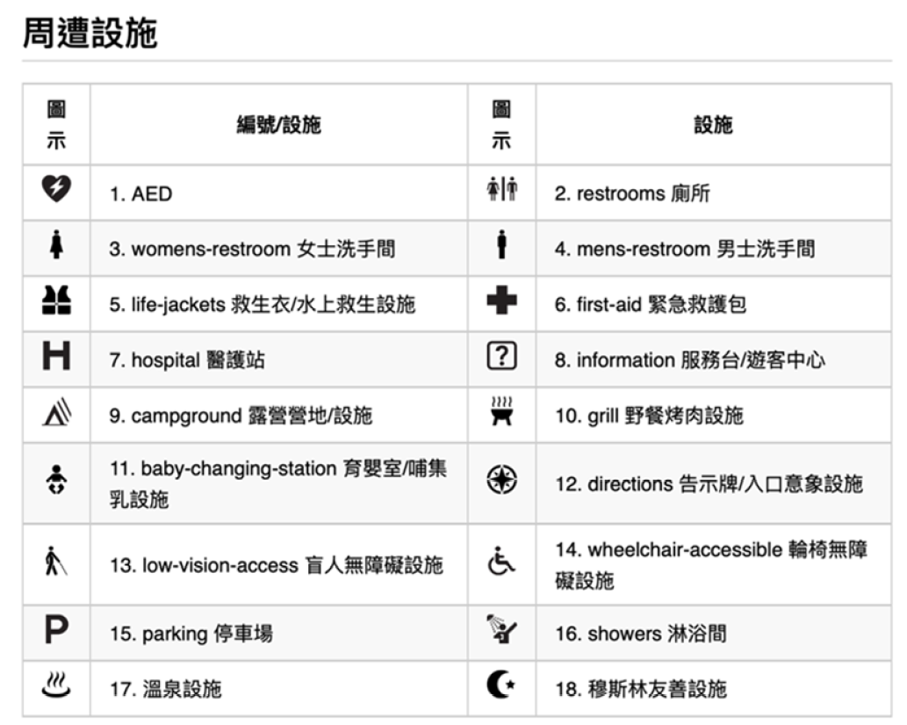
⽬的：提供⼀站式使⽤者以主題式及複合式查詢具有海域遊憩活動之景點設施資訊，此資料須上架國發會開放資料平台(data.gov.tw)，⼀站式平台系統將依資料集更新頻率，至開放資料平台抓取最新「海洋遊憩景點設施格式」。

海洋遊憩活動之景點設施資料請依下列格式建置及上傳開放平台：
●以試算表軟體(Excel,GoogleSpreadsheet等)填寫海洋遊憩活動之景點設施資料，試算表各行為28項欄位資訊，各列為各景點內容，如下圖所示。
●填寫完成，請選擇中文字元碼BIG5並以CSV檔案的形式儲存後上傳國發會「政府資料開放平臺」(data.gov.tw)後，免備文以電子郵件(rocean@oac.gov.tw)通知本會連結網址，俾利⼀站式平臺資料抓取更新。
●請依各欄位內容確實填列，如該欄位無資料者，請空白。
●如仍有填表疑問請洽07-3381810*261436劉先生。

