Аркуш1
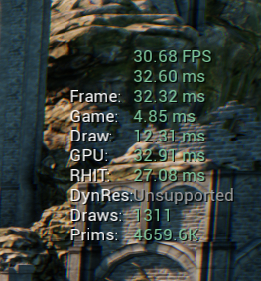
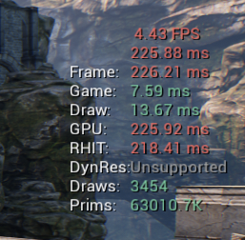
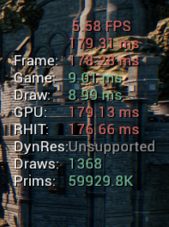
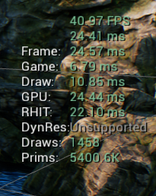
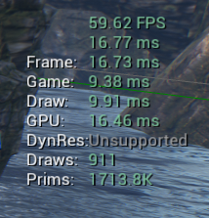
Value | Initial | Remove Expensive Features | LOD | HLOD | OptimazeComplete425
FPS | 4.43 | 5.58 | 30.68 | 40.97 | 59.62
Frame, ms | 226.21 | 178,28 ms | 32.32 | 24.57 | 16.77
Game, ms | 7.59 | 9.01 | 4.85 | 6.79 | 9.38
Draw, ms | 13.64 | 8.99 | 12.31 | 10.85 | 9.91
GPU, ms | 225.92 | 179.13 | 32.91 | 24.44 | 16.46
What have done | Nothing | Disabled Volumetric Fog, FFT Convolution Bloom. Made all ligths static, except Light Source | Applied custom LOD for 15 items | Created and applied cluster of merges | Nothing

