Baseline 2 Methodology
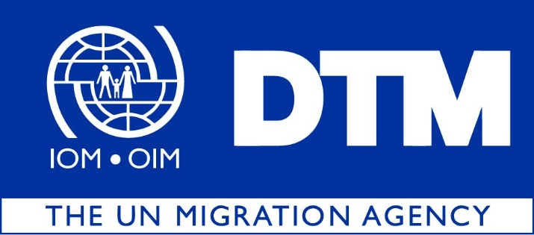
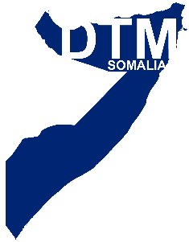

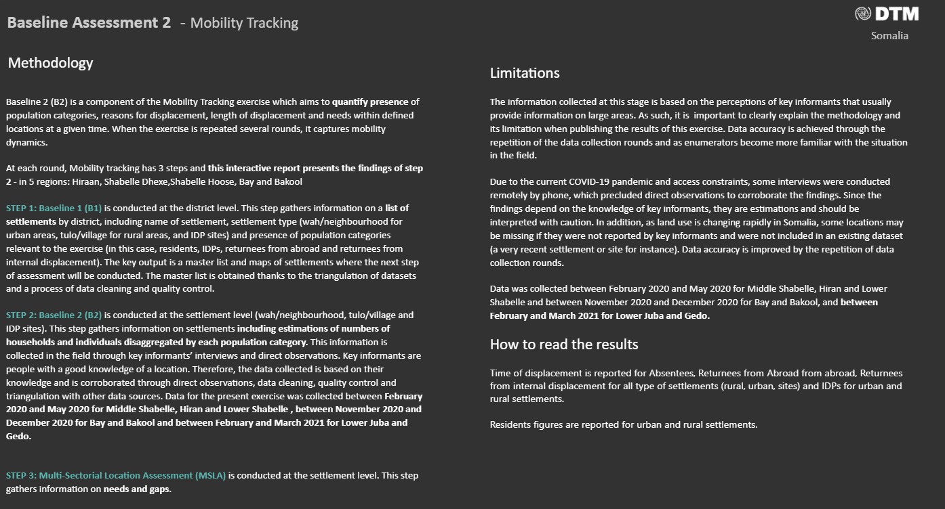

Contact and Sources


DTM Somalia Data and information products are made available on:

· Global DTM : https://dtm.iom.int/somalia
· Displacement.iom.int : https://displacement.iom.int/somalia
· Migration.iom.int/ :https://migration.iom.int/countries/somalia
· Humanitarian Response :https://www.humanitarianresponse.info/en/operations/somalia
· HDX: https://data.humdata.org/organization/international-organization-for-migration

Additional Links
Baseline 1 Dashboard

For any queries, please do not hesitate to contact iomsomaliadtm@iom.int

