Revenue_Profit_Cash_Chart
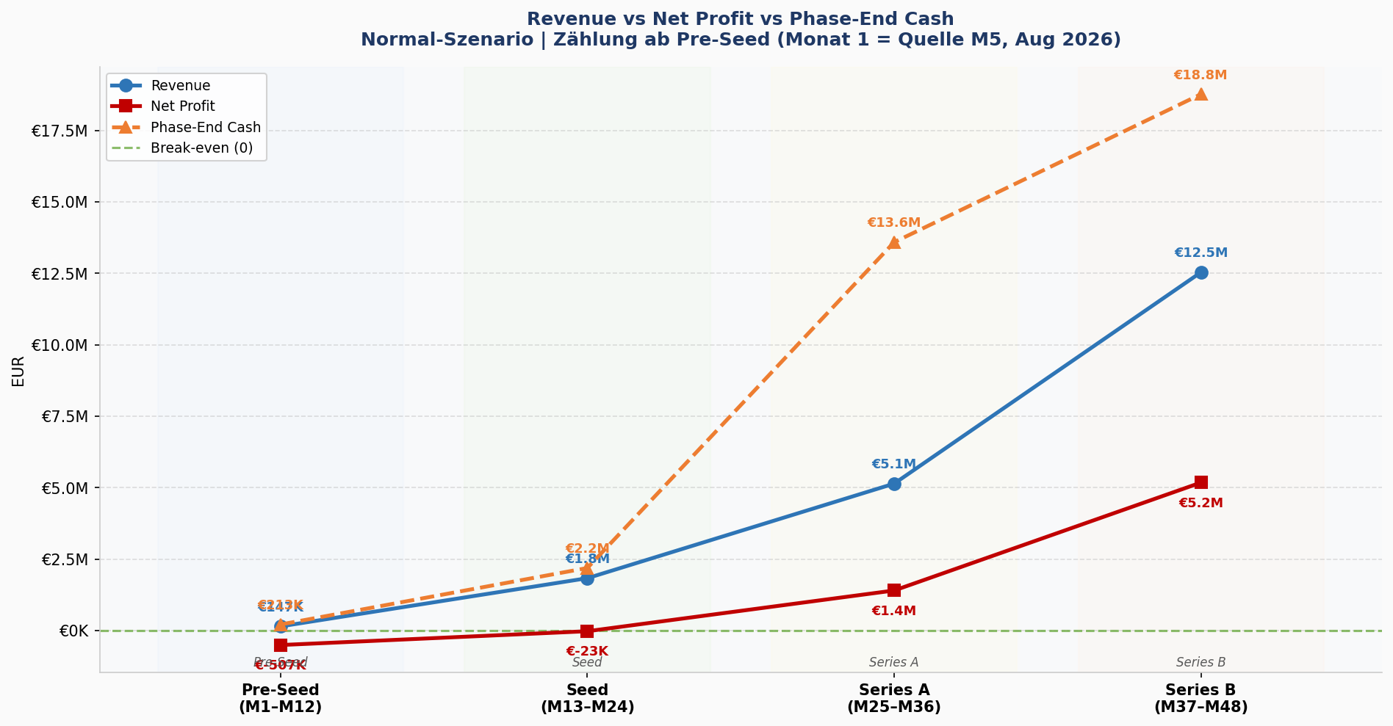
Revenue vs Net Profit vs Year-end Cash — (Pre-Seed-Series B)
Quelle: 260315_LFL_BM_Vorlage_normal_redacted_final.xlsx | Erstellt: 15.03.2026 14:22 | Monat 1 = Pre-Seed-Start (Quelle M5, Aug 2026)

Phase | Ziel-Monate | Quell-Monate | Revenue (€) | Net Profit (€) | Phase-End Cash (€)
Pre-Seed | M1–M12 | M5–M16 | 146,525 | -506,780 | 213,220
Seed | M13–M24 | M17–M28 | 1,833,114 | -22,996 | 2,190,223
Series A | M25–M36 | M29–M40 | 5,142,819 | 1,402,639 | 13,592,863
Series B | M37–M48 | M41–M52 | 12,539,997 | 5,179,834 | 18,772,696

