Revenue_Profit_Cash_Chart
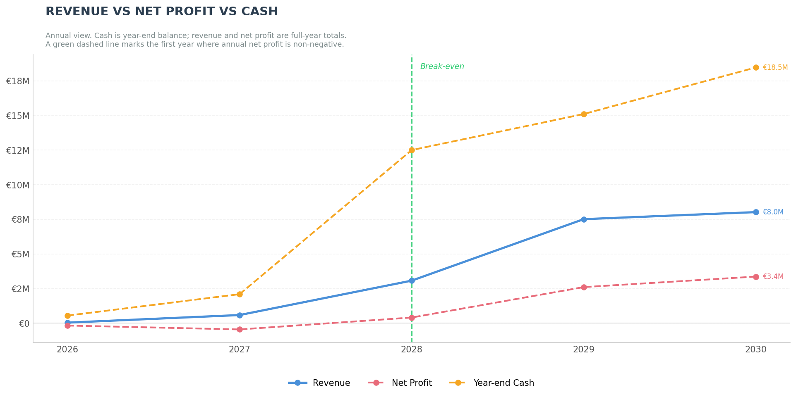
Revenue vs Net Profit vs Year-end Cash — Normal-Szenario (2026–2030)
Quelle: LFL_BM_C13_Normal_v19_20260315_20260315_1025.xlsx | Erstellt: 15.03.2026 10:38

Jahr | Revenue (€) | Net Profit (€) | Year-end Cash (€)
2026 | 38,280 | -172,457 | 547,543
2027 | 585,835 | -453,860 | 2,093,683
2028 | 3,070,408 | 406,781 | 12,500,464
2029 | 7,511,303 | 2,604,310 | 15,104,774
2030 | 8,020,021 | 3,363,650 | 18,468,424

Dashboard
