Revenue_Profit_Cash_Chart
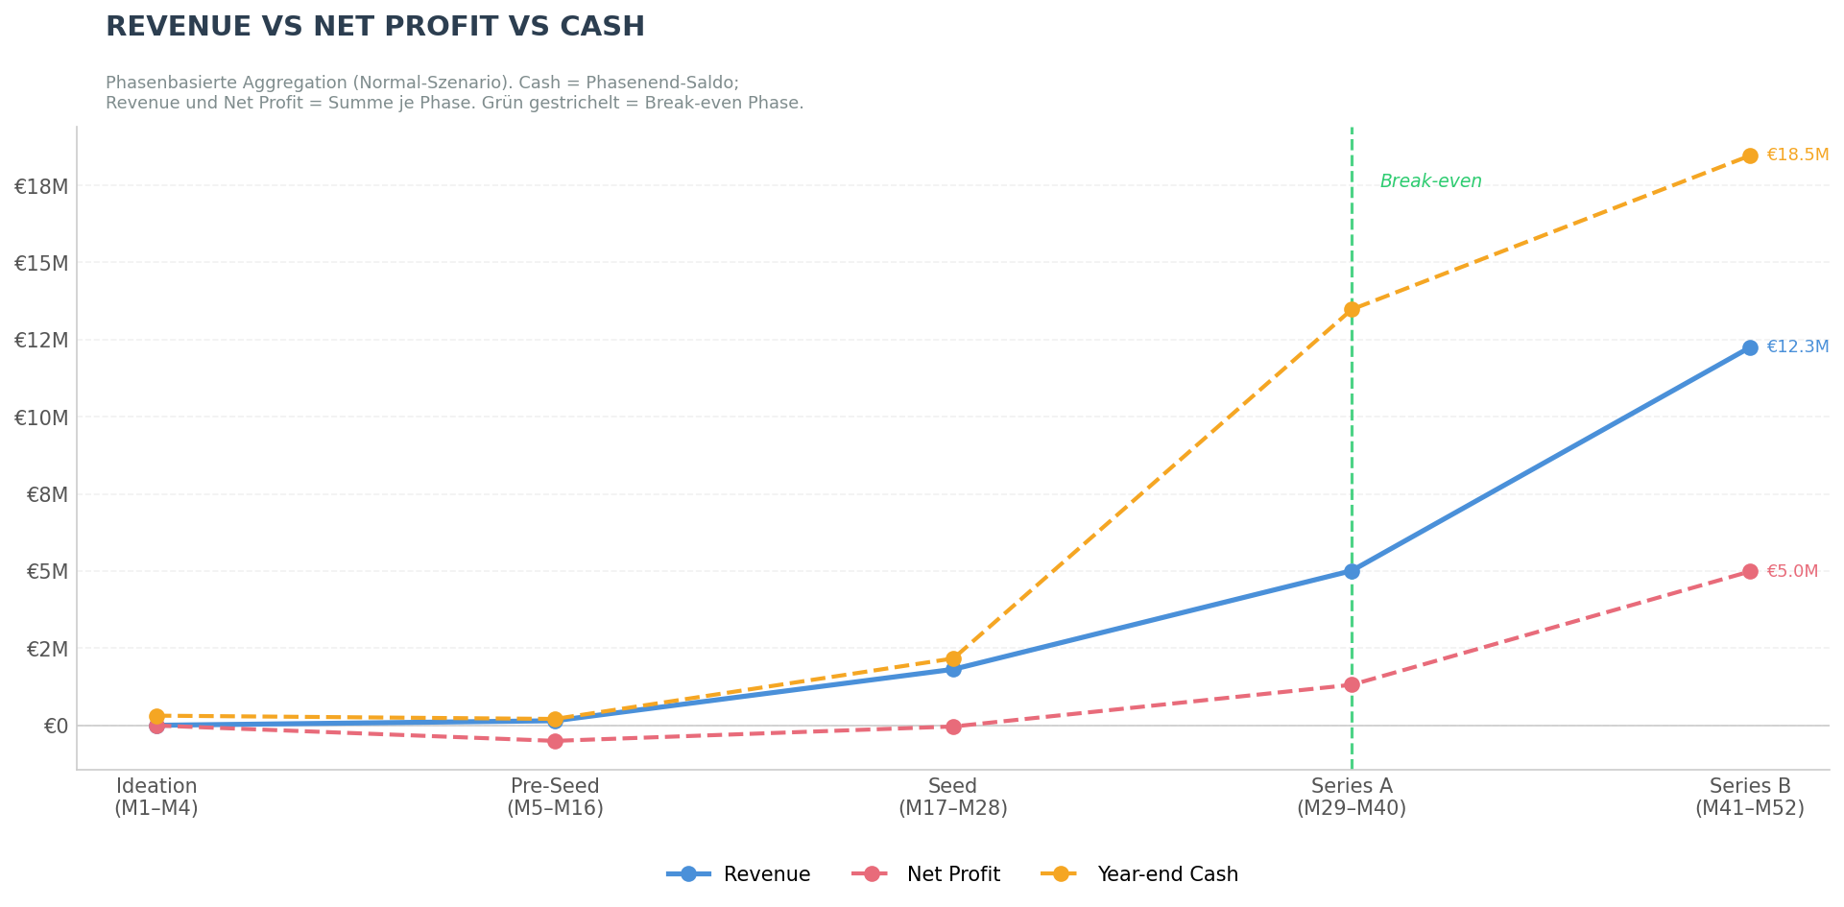
Revenue vs Net Profit vs Year-end Cash — Normal-Szenario (Phasen-Aggregation)
Quelle: 260315_LFL_BM_Vorlage_normal_v19.xlsx | Erstellt: 15.03.2026 11:07

Phase | Monate | Spalten (Quelle) | Revenue (€) | Net Profit (€) | Year-end Cash (€)
Ideation | M1–M4 | B–E | 0 | -8,301 | 311,699
Pre-Seed | M5–M16 | F–Q | 146,525 | -505,580 | 206,119
Seed | M17–M28 | R–AC | 1,814,290 | -39,330 | 2,166,789
Series A | M29–M40 | AD–AO | 5,010,864 | 1,312,878 | 13,479,667
Series B | M41–M52 | AP–BA | 12,254,169 | 4,988,758 | 18,468,424

Dashboard
