Лист1
a= | -1 | sigma^2= | 0.5 | eps= | 0.05
-2.14 | -0.305 | 0.044 | -0.155 | -1.495 | -1.202 | -0.48 | -1.148 | -0.737 | -1.678 |  |  | Ẋ= | -0.94684 |  |  |  |  |  |  |  | Xi-a:
-1.196 | -0.802 | -0.784 | -1.429 | -0.267 | -0.343 | -0.717 | -0.453 | -1.062 | -1.607 |  |  | n= | 50 |  |  |  |  |  |  |  | -1.14 | 0.695 | 1.044 | 0.845 | -0.495 | -0.202 | 0.52 | -0.148 | 0.263 | -0.678
-1.456 | -0.589 | -0.825 | -0.92 | -0.549 | -0.917 | -1.087 | -0.732 | -1.672 | -0.519 |  |  |  |  |  |  |  |  |  |  |  | -0.196 | 0.198 | 0.216 | -0.429 | 0.733 | 0.657 | 0.283 | 0.547 | -0.062 | -0.607
-0.316 | -0.125 | -0.539 | -1.233 | -0.657 | -0.016 | -1.741 | -1.22 | -1.19 | -1.018 |  |  | а) | sqrt(n)= | 7.0710678119 |  |  | в) | sum= | 14.028124 |  | -0.456 | 0.411 | 0.175 | 0.08 | 0.451 | 0.083 | -0.087 | 0.268 | -0.672 | 0.481
-0.993 | -1.094 | -0.691 | -1.294 | -1.661 | -2.385 | -1.303 | -0.845 | -0.992 | -0.807 |  |  |  | t= | 1.9599639845 |  |  |  | t1= | 32.357363696 |  | 0.684 | 0.875 | 0.461 | -0.233 | 0.343 | 0.984 | -0.741 | -0.22 | -0.19 | -0.018
 |  |  |  |  |  |  |  |  |  |  |  |  | sigma= | 0.70710678119 |  |  |  | t2= | 71.420195188 |  | 0.007 | -0.094 | 0.309 | -0.294 | -0.661 | -1.385 | -0.303 | 0.155 | 0.008 | 0.193
0.779 | 0.343 | 0.343 | 0.215 | 0.94 | 0.714 | 0.249 | 0.126 | 0.03 | 0.05 |  |  |  | answer: | -1.1428363985 | -0.75084360155 |  |  | answer: | 0.19641676928 | 0.43353729716
0.349 | 0.676 | 0.813 | 0.021 | 0.992 | 0.345 | 0.1 | 0.532 | 0.71 | 0.624
0.265 | 0.754 | 0.592 | 0.831 | 0.974 | 0.19 | 0.763 | 0.424 | 0.471 | 0.542 |  |  | б) | sqrt(n-1)= | 7.00000 |  |  | г) | S^2= | 0.28340458612
 |  |  |  |  |  |  |  |  |  |  |  |  | t= | 2.0095752371 |  |  |  | t1= | 31.554916463
 |  |  |  |  |  |  |  |  |  |  |  |  | S= | 0.52700711039 |  |  |  | t2= | 70.222413566
 |  |  |  |  |  |  |  |  |  |  |  |  | answer: | -1.0981343484 | -0.7955456516 |  |  | answer: | 0.19775487647 | 0.44008434427

n= | 30 |  |  |  |  |  |  |  |  | k= | 10 | F€U(0,1)
 | F0 | F* | F*+0 | |F*-F0| | |F*+0-F0| |  | d= | 0.084333333333 |  | ▲= | 0.1 |  |  |  |  |  |  |  |  |  |  | x(1)= | 0.021
1 | 0.021 | 0 | 0.033333333333 | 0.021 | 0.012333333333 |  | t= | 1.36 |  | N: | 1 | 2 | 3 | 4 | 5 | 6 | 7 | 8 | 9 | 10 |  | (30)= | 0.992
2 | 0.03 | 0.033333333333 | 0.066666666667 | 0.0033333333333 | 0.036666666667 |  | sqrt(n)*d= | 0.46191269016 |  | ▲i: | 0 | 0.1 | 0.2 | 0.3 | 0.4 | 0.5 | 0.6 | 0.7 | 0.8 | 0.9 |  | n= | 30
3 | 0.05 | 0.066666666667 | 0.1 | 0.016666666667 | 0.05 |  |  | answer: | H1 |  | 0.1 | 0.2 | 0.3 | 0.4 | 0.5 | 0.6 | 0.7 | 0.8 | 0.9 | 1 |  | k= | 5
4 | 0.1 | 0.1 | 0.13333333333 | 0 | 0.033333333333 |  |  |  |  | ui= | 3 | 3 | 3 | 4 | 2 | 3 | 2 | 5 | 2 | 3 |  | h = | 0.1942
5 | 0.126 | 0.13333333333 | 0.16666666667 | 0.0073333333333 | 0.040666666667 |  |  |  |  | pi= | 0.1 | 0.1 | 0.1 | 0.1 | 0.1 | 0.1 | 0.1 | 0.1 | 0.1 | 0.1 |  | 1 | 0.021 | 0.2152
6 | 0.19 | 0.16666666667 | 0.2 | 0.023333333333 | 0.01 |  |  |  |  | (ui-npi)^2/npi= | 0 | 0 | 0 | 0.33333333333 | 0.33333333333 | 0 | 0.33333333333 | 1.3333333333 | 0.33333333333 | 0 |  | 2 | 0.2152 | 0.4094
7 | 0.215 | 0.2 | 0.23333333333 | 0.015 | 0.018333333333 |  |  |  |  | Ꭓ= | 2.6666666667 |  |  |  |  |  |  |  |  |  |  | 3 | 0.4094 | 0.6036
8 | 0.249 | 0.23333333333 | 0.26666666667 | 0.015666666667 | 0.017666666667 |  |  |  |  | t= | 16.918977605 |  |  |  |  |  |  |  |  |  |  | 4 | 0.6036 | 0.7978
9 | 0.265 | 0.26666666667 | 0.3 | 0.0016666666667 | 0.035 |  |  |  |  | answer: | H1 |  |  |  |  |  |  |  |  |  |  | 5 | 0.7978 | 0.992
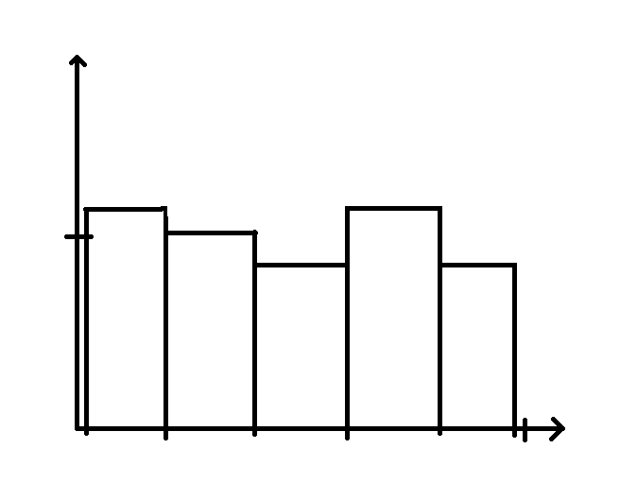
10 | 0.343 | 0.3 | 0.36666666667 | 0.043 | 0.023666666667 |  |  |  |  |  |  |  |  |  |  |  |  |  |  |  |  | u1= | 7
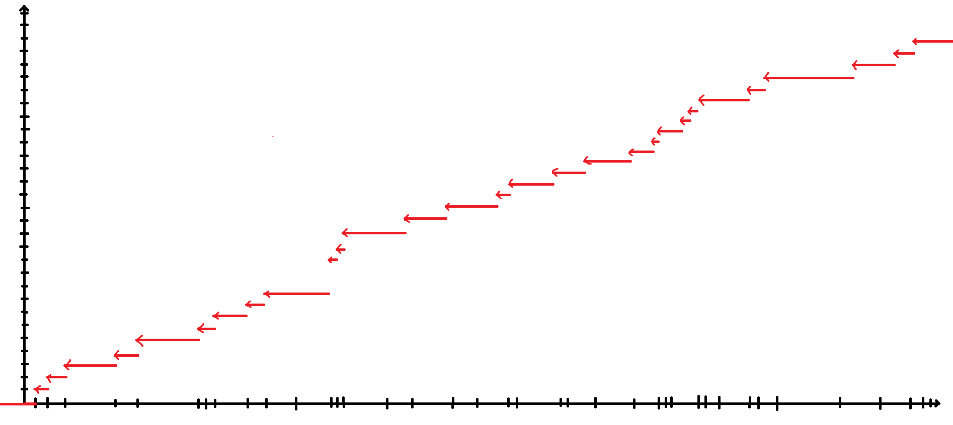
11 | 0.345 | 0.36666666667 | 0.4 | 0.021666666667 | 0.055 |  |  |  |  |  |  |  |  |  |  |  |  |  |  |  |  | u2= | 6
12 | 0.349 | 0.4 | 0.43333333333 | 0.051 | 0.084333333333 |  |  |  |  |  |  |  |  |  |  |  |  |  |  |  |  | u3= | 5
13 | 0.424 | 0.43333333333 | 0.46666666667 | 0.0093333333333 | 0.042666666667 |  |  |  |  |  |  |  |  |  |  |  |  |  |  |  |  | u4= | 7
14 | 0.471 | 0.46666666667 | 0.5 | 0.0043333333333 | 0.029 |  |  |  |  |  |  |  |  |  |  |  |  |  |  |  |  | u5= | 5
15 | 0.532 | 0.5 | 0.53333333333 | 0.032 | 0.0013333333333 |  |  |  |  |  |  |  |  |  |  |  |  |  |  |  |  | h1= | 1.2015104703
16 | 0.542 | 0.53333333333 | 0.56666666667 | 0.0086666666667 | 0.024666666667 |  |  |  |  |  |  |  |  |  |  |  |  |  |  |  |  | h2= | 1.0298661174
17 | 0.592 | 0.56666666667 | 0.6 | 0.025333333333 | 0.008 |  |  |  |  |  |  |  |  |  |  |  |  |  |  |  |  | h3= | 0.8582217645
18 | 0.624 | 0.6 | 0.63333333333 | 0.024 | 0.0093333333333 |  |  |  |  |  |  |  |  |  |  |  |  |  |  |  |  | h4= | 1.2015104703
19 | 0.676 | 0.63333333333 | 0.66666666667 | 0.042666666667 | 0.0093333333333 |  |  |  |  |  |  |  |  |  |  |  |  |  |  |  |  | h5= | 0.8582217645
20 | 0.71 | 0.66666666667 | 0.7 | 0.043333333333 | 0.01
21 | 0.714 | 0.7 | 0.73333333333 | 0.014 | 0.019333333333
22 | 0.754 | 0.73333333333 | 0.76666666667 | 0.020666666667 | 0.012666666667
23 | 0.763 | 0.76666666667 | 0.8 | 0.0036666666667 | 0.037
24 | 0.779 | 0.8 | 0.83333333333 | 0.021 | 0.054333333333
25 | 0.813 | 0.83333333333 | 0.86666666667 | 0.020333333333 | 0.053666666667
26 | 0.831 | 0.86666666667 | 0.9 | 0.035666666667 | 0.069
27 | 0.94 | 0.9 | 0.93333333333 | 0.04 | 0.0066666666667
28 | 0.974 | 0.93333333333 | 0.96666666667 | 0.040666666667 | 0.0073333333333
29 | 0.992 | 0.96666666667 | 1 | 0.025333333333 | 0.008

a= | -1 | sigma^2= | 0.5 | eps= | 0.05 | n= | 20 | m= | 30 |  | а) |  |  |  |  | б)
-2.14 | -0.305 | 0.044 | -0.155 | -1.495 | -1.202 | -0.48 | -1.148 | -0.737 | -1.678 |  | X= | -0.8978 | Sx^2= | 0.32567606 |  | Ψ= | 0.52791758335
-1.196 | -0.802 | -0.784 | -1.429 | -0.267 | -0.343 | -0.717 | -0.453 | -1.062 | -1.607 |  | Y= | -0.97953333333 | Sy^2= | 0.24310464889 |  | t= | 2.0106347576
-1.456 | -0.589 | -0.825 | -0.92 | -0.549 | -0.917 | -1.087 | -0.732 | -1.672 | -0.519 |  | η= | 1.3631564703 |  |  |  | answer: | H1
-0.316 | -0.125 | -0.539 | -1.233 | -0.657 | -0.016 | -1.741 | -1.22 | -1.19 | -1.018 |  | t1= | 0.41632966759
-0.993 | -1.094 | -0.691 | -1.294 | -1.661 | -2.385 | -1.303 | -0.845 | -0.992 | -0.807 |  | t2= | 2.2312738331
 |  |  |  |  |  |  |  |  |  |  | answer: | H1

