Initial_Diagnosis Slide 1
Table Y: Initial_Diagnosis Logical Endpoints and Matching Synthea Synthetic Patients
Age min | 18 | 18 | 18 | 18 | 18 | 18 | 18 | 18 | 18
Age max | 80 | 80 | 80 | 80 | 80 | 80 | 80 | 80 | 80
1st | Hypertension | NOT Hypertension | NOT Hypertension | NOT Hypertension | NOT Hypertension | NOT Hypertension | NOT Hypertension | NOT Hypertension | NOT Hypertension
2nd | NOT dialysis | Has a set of BPs | No set of BPs | Has a set of BPs | Has a set of BPs | Has a set of BPs | Has a set of BPs | Has a set of BPs | Has a set of BPs
3rd | NOT pregnancy | BPs <160/120 |  | Last OR average BP >140/90 | Last OR average BP >140/90 | Last AND average BP <140/90 | Last AND average BP <140/90 | BPs <130/80 | BPs <130/80
4th | NOT Hospice |  |  | Last OR average BP >160/100 | Last AND average BP <160/100 | Last AND average BP >130/80 | Last OR average BP >130/80 | Systolic BP CV > 11.0 OR Diastolic BP CV > 12.8 | Systolic BP CV < 11.0 AND Diastolic BP CV < 12.8
Endpoint | Monitoring and Treatment Pathway | Case 1 Hypertensive Emergency | Case 2 Recommend more BPs | Case 3 Diagnose Stage 2 HTN | Case 4 Consider Stage 2 HTN | Case 5 Consider Stage 1 HTN | Case 6 HBP or ABP monitoring | Case 7 High variability | No further action
Matches | 157 |  | N/A |  |  |  | N/A | N/A | N/A
Comments |  | A | B | C | D | E | F | G | H
Patients | Adolph80_Turcotte120_52b1b75f-2b8a-4319-9542-7abc39502cab.json | Brook779_Senger904_b4e98c87-55bd-4302-90ed-2f2ae7057de3 | Tommie457_Adams676_94ff25c8-3fcf-47fd-a0e2-e0dddb444045 | Brunilda665_Marquardt819_b2a052fd-dd6d-4b08-a17f-ace749ad4cbe | Adolph80_Williamson769_2de9315e-3784-4802-944a-926bcd8febd4 | Andrew29_Trantow673_5447a8a3-6024-4b6d-a30e-44a431754fd6 | Bertram873_Homenick806_b462178c-2492-44ee-bdb4-9e186df89516.json | Carlos172_Arias66_33bb8e83-3c9d-4b0a-b2bd-448f8ddc4bb1 | Vance413_Corkery305_7fda5c1b-2e57-4ed7-9b5d-8852e96fd3af
 | Agnes294_Jenkins714_185d26ad-fb9f-40ae-afb0-94d72827d887.json | Brunilda665_Kuphal363_88ad633c-500e-422e-b415-2272f42c4cf6 | Travis723_Bogisich202_1f1ffbfb-2220-4dfc-a75a-00c6467dc7e7.json | Bunny174_Sauer652_3038f107-f43e-4f8d-bee3-0dd51236ac73 | Ahmad985_Nader710_71e3d0af-39d4-416c-9bef-12c14f3bb821 | Benito209_Conroy74_c384498d-7bdd-43f2-9025-497ae18b4a74 | Blaine377_Crona259_61d63628-15e5-473a-adb4-1a21ac2bfe00.json | Catalina187_Olvera69_cad37b28-60ae-48de-a7d4-73e9d4764630 | Vicente970_Arteaga169_5b93c8fd-c90a-4350-a569-b7ecd1b67a44
 |  |  | Young120_Denesik803_51be8f78-5562-4a29-b834-ba9562dc84fb.json | Burl285_Torp761_2b4109b0-0a81-409d-ac15-ecc25bb91175 | Antone63_Rogahn59_13f9c3ae-3506-40b8-b087-f30f39388d5c |  | Blair400_Grady603_51978986-f824-43da-b69a-d2d17f49df70.json | Wilson960_Heathcote539_a8267e63-5207-4c6d-8f40-2e5ef1e0090d.json
 |  |  |  | Byron202_Vandervort697_5cb3f714-91f4-4b9f-bd58-dc64d8dd3a04 | Belen306_Schmeler639_049639b3-ee64-4e48-b0ac-8e26d0a21738 |  | Bret7_Sanford861_ee641e76-ce1f-42d1-9d4b-2afcccb65f78.json | Williams176_Carter549_3707a5a8-088e-46d8-8744-bb6d4c28b52a.json

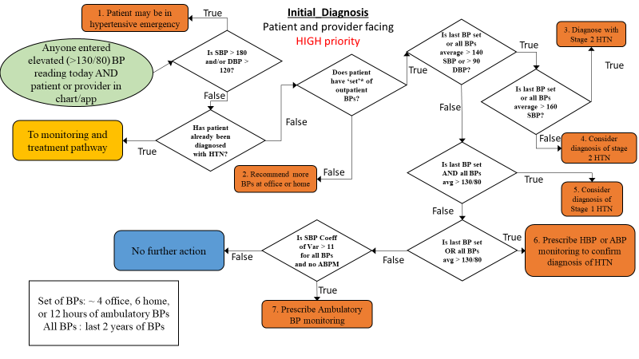
Comments | All sub cases are given in vertically descending and alphabetical order.
 | No exclusions (hospice, ESRD, nor pregnancy), 1 high BP reading, >130/80

A | 2 sub-cases: systolic BP >160 and diastolic BP >120
B | Tommie has high diastolic, Travis has high systolic, and Young has both
C | 4 sub-cases, systolic last BP > 160, systolic average >160 (not last BP); last diastolic > 100, diastolic average >100 (not last BP)
D | 4 sub-cases, systolic last BP > 140, systolic average >140 (not last BP); last diastolic > 90, diastolic average >90 (not last BP)
E | 2 sub-cases: systolic BP >130 and diastolic BP >80
F | 4 sub-cases, systolic last BP > 130, systolic average >130 (not last BP); last diastolic > 80, diastolic average >80 (not last BP)
G | 4 sub-cases: systolic BP stdev/mean × 100 > 11.0 and diastolic BP stdev/mean × 100 > 12.8; same as before last data point is <130/80
H | Control cases.

