Monitoring_Diagnosed_Patient
Table Z: Monitoring_Diagnosed_Patients Endpoints and Matching Synthea Synthetic Patients
Logical steps | 4 Office measurements | 4 Office measurements | 4 Office measurements | 4 Office measurements | 4 Office measurements | 4 Office measurements | 4 Office measurements | 4 Office measurements | 6 Home measurements
Exclusions | No pregnancy, hospice, nor ESRD | No pregnancy, hospice, nor ESRD | No pregnancy, hospice, nor ESRD | No pregnancy, hospice, nor ESRD | No pregnancy, hospice, nor ESRD | No pregnancy, hospice, nor ESRD | No pregnancy, hospice, nor ESRD | No pregnancy, hospice, nor ESRD | No pregnancy, hospice, nor ESRD
1st | NOT Hypertension | Hypertension | Hypertension | Hypertension | Hypertension | Hypertension | Hypertension | Hypertension | Hypertension
2nd | NOT dialysis | No Goal | Goal | Goal | Goal | Goal | Goal | Goal | Goal
3rd | NOT pregnancy |  | No Set of BPs | Set of BPs | Set of BPs | Set of BPs | Set of BPs | Set of BPs | Set of BPs
4th | NOT Hospice |  |  | Last OR Average >140/90 | Last OR Average <140/90 | Last OR Average <140/90 | Last OR Average <140/90 | Last OR Average <140/90 | Last OR Average <140/90
5th |  |  |  |  | Last AND Average BP > goal | Last AND Average BP < goal | Last AND Average BP < goal | Last AND Average BP < goal
6th |  |  |  |  |  | Last OR Average >130/80 | Last OR Average <130/80 | Last OR Average <130/80
7th |  |  |  |  |  |  | SBP Var > 11 | SBP Var < 11
Endpoint | Does not enter flowchart | Discuss target blood pressure and set initial BP goal | Recommend more BPs at office or home | Not at goal: recommend treatment | Not at goal: recommend treatment | Recommend HBP or ABP monitoring to confirm not at goal | Recommend Ambulatory BP monitoring | Patient at goal! No further action | HOME "HH" test: Not at goal recommend treatment

Comments | A | B | C | D | E | F | G | H | I
Patients | Cedric746_Wyman904_ac4a73bc-90da-4e20-af0c-80469ec2b9eb.json | Bud153_Lang846_83cd3265-e2b8-4a84-95fb-491738d4fd75 | Armando772_Kohler843_879c29be-78f6-426a-ab1e-4a572f61a5cd | Al123_Rosenbaum794_3d88b877-badc-4c1d-b74a-eb2082d6070e | Andreas188_Hoeger474_cc146f25-f6bf-40c4-98fd-b89cc8e0a757 | Antonia30_Kilback373_2d3b21e7-11ef-4dd4-9842-ddac21402a35 | Brady998_Ziemann98_86717a77-0cfe-49ad-93ac-2e413faf5e56 | Buster609_King743_53d82273-242b-438d-8056-adc9dc3f3078 | Candace369_Emmerich580_2ea28da9-0367-4304-bafa-63c472340347
 |  |  | Darrel772_Breitenberg711_b9253891-6240-41f2-bb48-0582d13548c7 | Alberto639_Delatorre612_9dedae70-e46d-4de7-becd-dfb8eeaf27e6 | Antione404_Treutel973_959b902e-1857-4ca5-bd69-e0ccc9880214 | Ariel183_Turner526_6edf069d-ebad-4c90-8192-119fb32c84c1 | Brendon298_Bednar518_36a3f725-2f68-479f-acb1-fce4bc7ef21d | Cameron381_Hamill307_a2854ec6-28be-48cd-b0db-4d4398520c51
 |  |  |  | Alesha810_Marks830_1e0a8bd3-3b82-4f17-b1d6-19043aa0db6b |  | Arielle168_Marvin195_c76c71f4-7193-4d78-9e36-c99011243b72
 |  |  |  | Alton320_Monahan736_263b8036-1539-4cca-a18a-24f5035ddc40 |  | Arnold338_Cassin499_b9b1e82a-d325-4d0f-bed6-f02cd5e4b45b

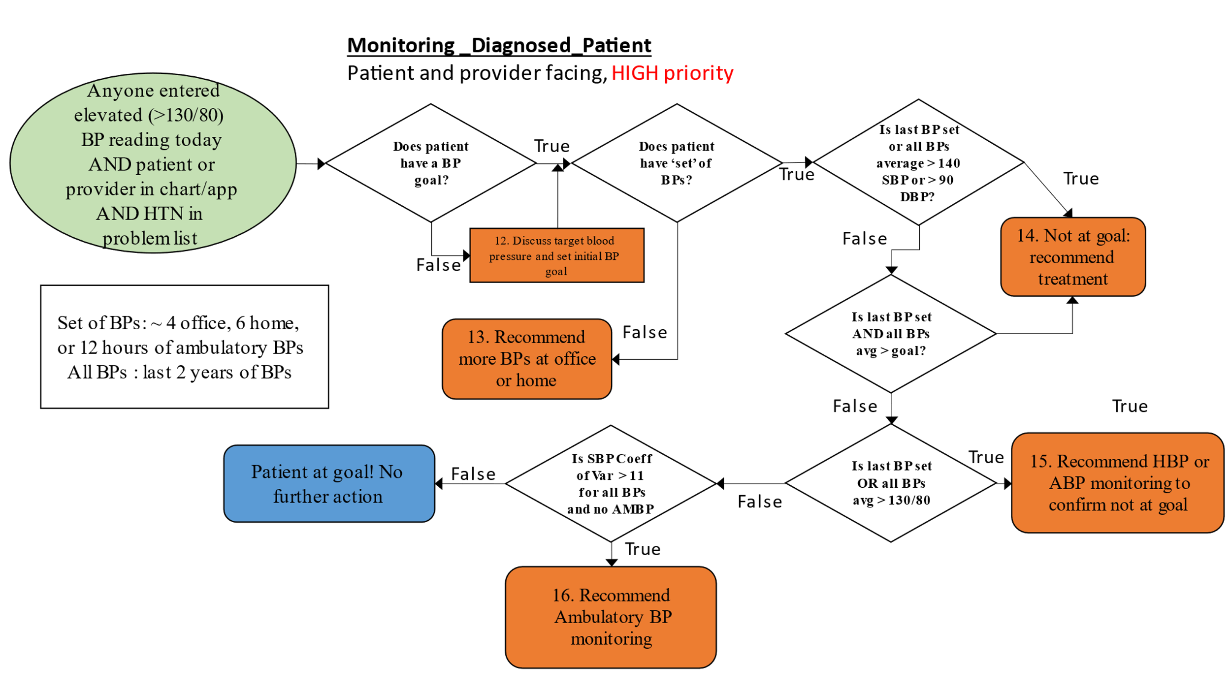
Comments | All sub cases are given in vertically descending and alphabetical order.
 | No exclusions (hospice, ESRD, nor pregnancy), 1 high BP reading, >130/80

A | Cedric746 should not enter the flowchart, need >130/80 on todays's reading to enter
B | Goals have been removed from the file
C | Only has 3 BP reading, not a full set
D | 4 sub-cases: Last set SBP >140, Average SBP >140, Last set DBP >90, Average DBP >90
E | 2 sub-cases: Last and Average SBP >140; Last and Average DBP >90
F | 4 sub-cases: Last set SBP >130, Average SBP >130, Last set DBP >80, Average DBP >80
G | 2 sub cases: Coefficient of Variance SBP >11.0; DBP > 13.8
H | 2 sub cases: Coefficient of Variance SBP <11.0; DBP < 13.8
I | Home measurement, "HH" in the CQL code, 6 measurements

