Sheet1
Human finger |  |  |  |  | Hanol finger |  |  |  |  | Design variable
Thumb | Index | middle | ring | little | Thumb | Index | middle | ring | little | mm | mm | mm | deg | rad | mm | % | deg
 | 20 | 2 | 23 | 18 |  | 20 | 25 | 20 | 15 | Do | Di | h | alpha | alpha_rad | h,c | e | bending
20 | 25 | 3 | 28 | 20 | 20 | 25 | 25 | 25 | 20 | 24 | 18 | 9 | 56.3 | 0.98 | 5.0 | 44.3% | 10 | 18 | 22 | 9
25 | 35 | 4 | 38 | 30 | 25 | 25 | 30 | 25 | 20 |  | 16 | 12 |  |  | 6.4 | 46.2% | 13 | 20.94 | 26.5 | 12
45 | 80 | 9 | 89 | 68 | 45 | 70 | 80 | 70 | 55 |  | 14 | 15 |  |  | 6.5 | 56.5% | 20 | 22.5 | 31 | 15
 |  |  |  |  |  |  |  |  |  |  | 12 | 18 |  |  | 9.0 | 49.9% | 22 | 26.5 | 35.5 | 18
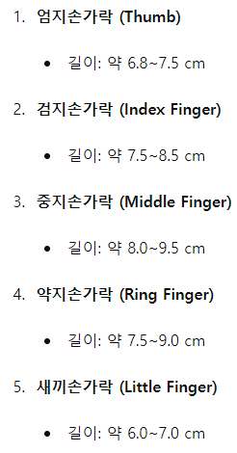
 |  |  |  |  |  |  |  |  |  |  | 10 | 21 |  |  | 8.7 | 58.6% | 30 | 27.66 | 40 | 21
 |  |  |  |  |  |  |  |  |  |  | 8 | 24 |  |  | 7.8 | 67.3% | 39 | 28.33 | 44.5 | 24
 |  |  |  |  |  |  |  |  |  |  | 6 | 27 |  |  | 8.0 | 70.3% | 46 | 30 | 49 | 27

h_flex | n | e
18 | 3 | 62.9%
h_flex,c | 4 | 61.9%
5 | 5 | 61.3%
h_rigid | 6 | 60.9%
4 | 7 | 60.7%
 | 8 | 60.5%
 | 9 | 60.3%
 | 10 | 60.2%
 | 11 | 60.1%
 | 12 | 60.0%
 | 13 | 59.9%
 | 14 | 59.9%

