Defect Report
Defect ID | Test Case | Defect Summary | Reproduced Step | Test Data | Defect Types | Defect Severity | Defect Priority | Expected Result | Actual Result | Tester Name | Attechment | Status
Reliance JioMart (Android)
1 | 1 | Edit full name - 2-letter first name rejected | 1. Launch the JioMart app on the phone 2. Tap the profile icon and log in with the mobile number 3. Tap Edit profile and open Full Name 4. Enter the first and last name | First Name: Om Last Name: Raval | Functionality | Medium | Medium | A valid 2-letter first name such as "Om" should be accepted and the Save changes button should be enabled | Error "First name must be at least 3 characters long" is shown and Save changes stays disabled, so the name cannot be saved | Om | 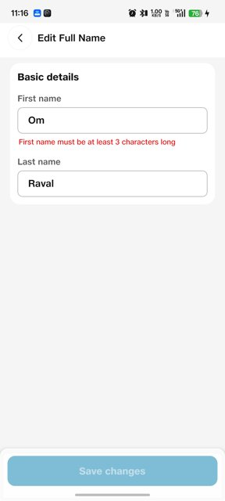 Screenshot: Edit Full Name - "Om" error | New
2 | 1 | Edit full name - error shown for "--" without any user input | 1. Launch the JioMart app on the phone 2. Tap the profile icon and log in with the mobile number 3. Tap Edit profile and open Full Name 4. Check the First name and Last name fields | N/A (no name entered) | UI, Functionality | Medium | Medium | Fields should be empty (with a hint) and no error should appear until the user types an invalid value | Both fields show "--" and both display red errors ("First/Last name cannot contain special characters"); Save changes is disabled | Om | 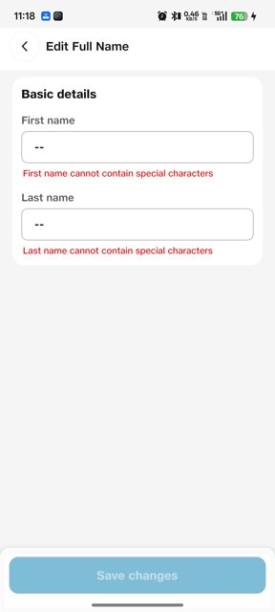 Screenshot: Edit Full Name - "--" errors | New
3 | 2 | Edit email ID - numeric keypad opens for the email field | 1. Launch the JioMart app on the phone 2. Tap the profile icon and log in with the mobile number 3. Tap Edit profile and open Email ID 4. Tap Edit 5. Tap the Email field | Email: ravalom54@gmail.com | Functionality, UI | High | High | An email keyboard (letters, "@" and ".") should open so the user can type an email address | A numeric keypad opens (digits, comma, period, minus, space only). There are no letters or "@" key, so a new email cannot be typed | Om |  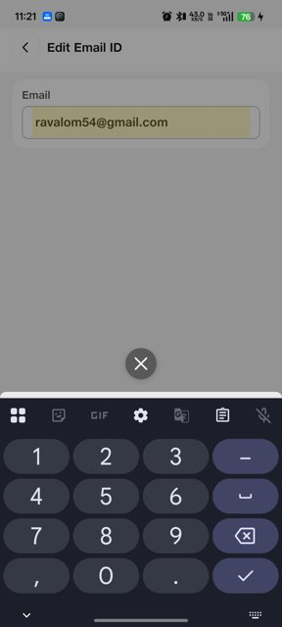 Screenshots: Edit Email ID screen, then numeric keypad | New
4 | 2 | Edit email ID - dummy email shown as the user's email | 1. Launch the JioMart app on the phone 2. Tap the profile icon and log in with the mobile number 3. Tap Edit profile and open Email ID | Mobile: +91 9265878121 (no email added) | UI, Functionality | Low | Low | When no email has been added, the Email field should be empty or prompt the user to add one | A system-generated address "9265878121@nomail.jiomart.com" (built from the mobile number) is shown as the user's email | Om | Screenshot: Edit Email ID - dummy email | New
5 | 3 | Service Hub - Useful videos & articles - duplicate header and back button | 1. Launch the JioMart app on the phone 2. Tap the profile icon and log in with the mobile number 3. Open Service Hub 4. Open Useful videos & articles | N/A | UI | Low | Low | The page should have a single header with one back button | Two stacked headers are shown ("Service Hub" and "Useful videos & articles"), each with its own back arrow, which takes extra space and makes navigation unclear | Om | 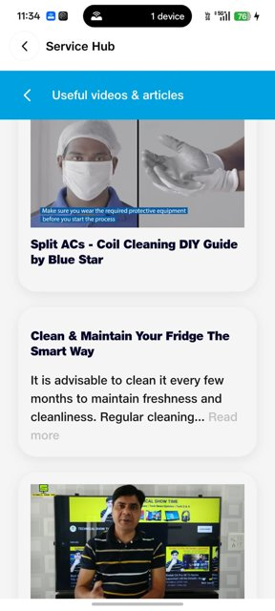 Screenshot: Service Hub - two headers | New
6 | 4 | Account page - Help & Support shows "Failed to Connect" | 1. Launch the JioMart app on the phone 2. Tap the profile icon and log in with the mobile number 3. Open the Account page 4. Scroll to HELP & SUPPORT 5. Tap the option under Help & Support | Active mobile data connection (5G) | Functionality | High | Medium | The Help & Support screen should open | A red "Failed to Connect" message appears even though the phone is online, and the screen does not open | Om | 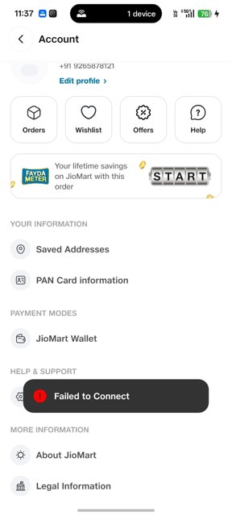 Screenshot: Account - Failed to Connect | New
7 | 5 | Deal Zone Under 99 - products priced above Rs.99 are listed | 1. Launch the JioMart app on the phone 2. Open the Deal Zone Under 99 page 3. Scroll to Home and Kitchen Needs Under 99 4. Check the product prices | XOLDA Tomato Seed (Rs.139) Shopeleven Foam Handle Grip (Rs.119) | Functionality | Medium | High | Every product in an "Under 99" section should be priced Rs.99 or less | XOLDA Tomato Seed (Rs.139) and Shopeleven Foam Handle Grip Strengthener (Rs.119) are listed under "Home and Kitchen Needs Under 99" | Om | 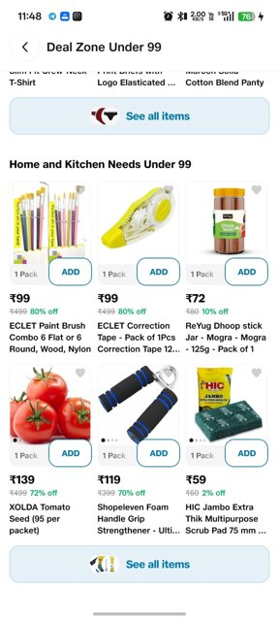 Screenshot: Deal Zone Under 99 | New
8 | 5 | Deal Zone Under 99 - unrelated products in Home and Kitchen section | 1. Launch the JioMart app on the phone 2. Open the Deal Zone Under 99 page 3. Scroll to Home and Kitchen Needs Under 99 4. Check the products listed | N/A | Functionality | Low | Low | Only home and kitchen products should be listed in this section | The section also lists paint brushes, correction tape, tomato seeds and a hand grip strengthener (stationery, gardening and fitness items) | Om | Screenshot: Deal Zone Under 99 | New
9 | 6 | Bottom navigation bar and Kitchen Fest icon overlap page content | 1. Launch the JioMart app on the phone 2. On the Home page scroll down and check the bottom area 3. Tap Categories and scroll the list 4. Open the Price Drop page and check the left category list | N/A | UI | Medium | Medium | The bottom bar and the floating Kitchen Fest icon should not hide content; the page should end above them | Home: section labels show through the bar and the Kitchen Fest icon covers the right edge. Categories: the Wellness menu item and the last tile on the right are cut off. Price Drop: the "Washing Machines" item is hidden behind the bar | Om | 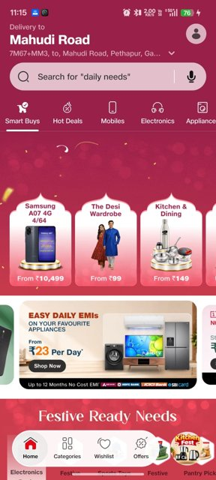 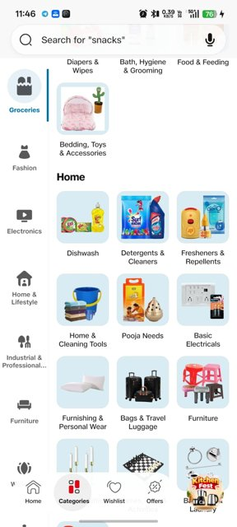 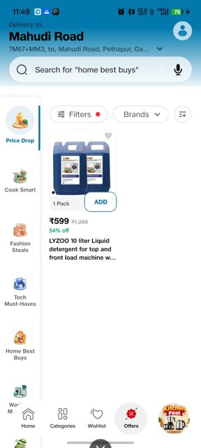 Screenshots: Home, Categories, Price Drop | New

