PL species
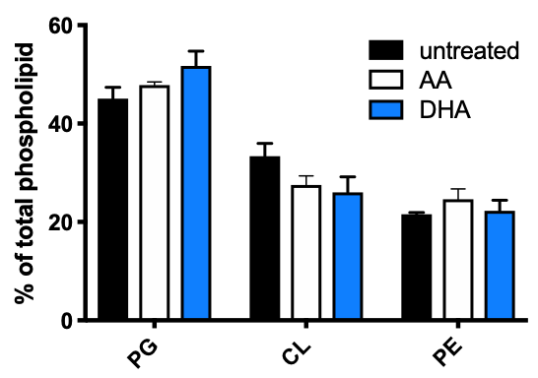
 | untreated |  |  |  | AVERAGE | NUMERICAL | AA |  |  |  | AVERGAGE | NUMERICAL | DHA |  |  |  | AVERAGE | NUMERICAL
PG | 50.4149378 | 45.0489663 | 39.2484342 | 45.5474453 | 45.0649459 | 0.450649459 | 48.7903226 | 47.0923603 | 46.5217391 | 48.989899 | 47.84858025 | 0.4784858025 | 53.5195531 | 44.8554913 | 49.2957746 | 59.1365462 | 51.7018413 | 0.517018413
CL | 27.593361 | 33.297062 | 40.1878914 | 32.4087591 | 33.37176838 | 0.3337176838 | 24.1935484 | 25.8836944 | 27.3913043 | 32.7272727 | 27.54895495 | 0.2754895495 | 21.6759777 | 35.3757225 | 23.7424547 | 23.3935743 | 26.0469323 | 0.260469323
PE | 21.9917012 | 21.6539717 | 20.5636743 | 22.0437956 | 21.5632857 | 0.215632857 | 27.016129 | 27.0239453 | 26.0869565 | 18.2828283 | 24.60246478 | 0.2460246478 | 24.8044693 | 19.7687861 | 26.9617706 | 17.4698795 | 22.25122638 | 0.2225122638
 | 100 | 100 | 99.9999999 | 100 | 99.99999998 | 0.9999999998 | 100 | 100 | 99.9999999 | 100 | 99.99999998 | 0.9999999998 | 100.0000001 | 99.9999999 | 99.9999999 | 100 | 99.99999998 | 0.9999999998

Cardiolipin
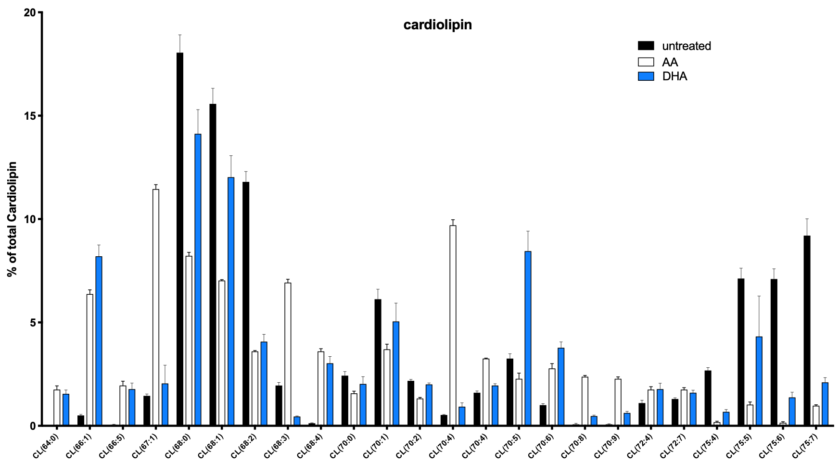
 | untreated |  |  |  |  |  | AA |  |  |  |  |  | DHA
CL(64:0) | 0 | 0 | 0 | 0 |  |  | 1.2 | 2 | 1.9 | 1.9 |  |  | 1.2 | 1.3 | 2 | 1.7
CL(66:1) | 0.4 | 0.6 | 0.6 | 0.4 |  |  | 5.8 | 6.7 | 6.4 | 6.6 |  |  | 6.8 | 8 | 9.4 | 8.6
CL(66:5) | 0 | 0.1 | 0 | 0.1 |  |  | 2.5 | 1.5 | 1.8 | 2 |  |  | 1.9 | 1.1 | 1.6 | 2.5
CL(67:1) | 1.7 | 1.4 | 1.3 | 1.4 |  |  | 11.3 | 11.2 | 11.2 | 12.1 |  |  | 1 | 4.7 | 1.2 | 1.3
CL(68:0) | 15.6 | 19.1 | 18.1 | 19.4 |  |  | 8.3 | 7.8 | 8.2 | 8.6 |  |  | 11.3 | 17 | 14.3 | 13.9
CL(68:1) | 13.5 | 16.4 | 15.5 | 16.9 |  |  | 7.1 | 6.9 | 7 | 7.1 |  |  | 9.5 | 14.6 | 12.2 | 11.8
CL(68:2) | 11.8 | 12.7 | 12.3 | 10.4 |  |  | 3.6 | 3.6 | 3.5 | 3.7 |  |  | 3.2 | 4.9 | 4 | 4.2
CL(68:3) | 2.3 | 2 | 1.9 | 1.6 |  |  | 6.7 | 6.9 | 6.7 | 7.4 |  |  | 0.4 | 0.4 | 0.5 | 0.5
CL(68:4) | 0.2 | 0.1 | 0.1 | 0.1 |  |  | 3.9 | 3.5 | 3.3 | 3.7 |  |  | 2.8 | 2.2 | 3.6 | 3.5
CL(70:0) | 3 | 2.2 | 2.1 | 2.4 |  |  | 1.8 | 1.6 | 1.6 | 1.3 |  |  | 3 | 2.1 | 1.6 | 1.4
CL(70:1) | 7.5 | 5.5 | 5.4 | 6.1 |  |  | 4.2 | 3.8 | 3.8 | 3 |  |  | 7.4 | 5.4 | 4 | 3.4
CL(70:2) | 2 | 2.3 | 2.1 | 2.3 |  |  | 1.4 | 1.3 | 1.2 | 1.4 |  |  | 2 | 1.8 | 2.1 | 2.1
CL(70:4) | 0.6 | 0.5 | 0.5 | 0.5 |  |  | 12.7 | 12.7 | 12.6 | 13.8 |  |  | 0.8 | 0.5 | 1 | 1.4
CL(70:4) | 1.8 | 1.5 | 1.4 | 1.7 |  |  | - | - | - | - |  |  | 2.1 | 1.8 | 2.1 | 1.8
CL(70:5) | 3.9 | 3.1 | 2.8 | 3.2 |  |  | 2.8 | 2.4 | 2.4 | 1.5 |  |  | 6.9 | 7 | 8.9 | 11
CL(70:6) | 1.2 | 1 | 0.9 | 0.9 |  |  | 2.1 | 2.9 | 2.9 | 3.2 |  |  | 3.2 | 3.4 | 4.1 | 4.4
CL(70:8) | 0.1 | 0 | 0 | 0.2 |  |  | 2.5 | 2.4 | 2.2 | 2.4 |  |  | 0.4 | 0.4 | 0.5 | 0.6
CL(70:9) | 0.1 | 0.1 | 0.1 | 0 |  |  | 2.4 | 2.4 | 2.3 | 2 |  |  | 0.5 | 0.5 | 0.7 | 0.8
CL(72:4) | 1.5 | 0.9 | 0.9 | 1.1 |  |  | 2.1 | 1.7 | 1.8 | 1.4 |  |  | 2.6 | 1.5 | 1.7 | 1.3
CL(72:7) | 1.4 | 1.4 | 1.2 | 1.2 |  |  | 1.9 | 1.5 | 1.7 | 1.9 |  |  | 1.3 | 1.9 | 1.6 | 1.6
CL(75:4) | 2.9 | 2.3 | 2.9 | 2.6 |  |  | 0.2 | 0.1 | 0.1 | 0.3 |  |  | 1 | 0.5 | 0.6 | 0.6
CL(75:5) | 8 | 5.7 | 7.5 | 7.3 |  |  | 1.4 | 1 | 0.9 | 0.8 |  |  | 10.1 | 3.3 | 2 | 1.9
CL(75:6) | 8 | 5.7 | 7.5 | 7.2 |  |  | 0.3 | 0.1 | 0.1 | 0.1 |  |  | 2.1 | 1 | 1.3 | 1.1
CL(75:7) | 7.4 | 10.9 | 10.2 | 8.3 |  |  | 1.1 | 1 | 0.9 | 0.9 |  |  | 1.8 | 2.8 | 1.9 | 1.9
SUM_IDF | 94.9 | 95.5 | 95.3 | 95.3 |  |  | 87.3 | 85 | 84.5 | 87.1 |  |  | 83.3 | 88.1 | 82.9 | 83.3
COVERAGE | 71.8 | 76 | 76.5 | 75.6 |  |  | 51.9 | 52.2 | 52.1 | 55.6 |  |  | 52 | 55.3 | 50.8 | 50.6
COVERAGE_% | 0.7565858799 | 0.7958115183 | 0.8027282267 | 0.7932843652 |  |  | 0.5945017182 | 0.6141176471 | 0.6165680473 | 0.6383467279 |  |  | 0.6242496999 | 0.6276958002 | 0.6127864897 | 0.6074429772

 |  |  | CL_AVG_UT | 33.371768375 | AVERAGE | TOTAL_abundance |  |  | CL_AVG_AA | 27.54895495 | AVERAGE | TOTAL_abundance |  |  | CL_AVG_DHA | 26.0469323 | AVERAGE | TOTAL_abundance
CL(64:0)
CL(66:1) |  |  |  |  |  |  | 0.1117533719 | 0.1283524904 | 0.122840691 | 0.118705036 | 12.04128973 | 3.317249483 | 0.1307692308 | 0.1446654611 | 0.1850393701 | 0.1699604743 | 15.76086341 | 4.105221422
CL(66:5)
CL(67:1) |  |  |  |  |  |  | 0.2177263969 | 0.214559387 | 0.2149712092 | 0.2176258993 | 21.62207231 | 5.95665496
CL(68:0) | 0.217270195 | 0.2513157895 | 0.2366013072 | 0.2566137566 | 24.04502621 | 8.024250451 | 0.1599229287 | 0.1494252874 | 0.1573896353 | 0.154676259 | 15.53535276 | 4.279827333 | 0.2173076923 | 0.3074141049 | 0.281496063 | 0.2747035573 | 27.02303544 | 7.038671746
CL(68:1) | 0.1880222841 | 0.2157894737 | 0.2026143791 | 0.2235449735 | 20.74927776 | 6.924400914 | 0.1368015414 | 0.132183908 | 0.1343570058 | 0.1276978417 | 13.27600742 | 3.657401304 | 0.1826923077 | 0.2640144665 | 0.2401574803 | 0.233201581 | 23.00164589 | 5.991223133
CL(68:2) | 0.1643454039 | 0.1671052632 | 0.1607843137 | 0.1375661376 | 15.74502796 | 5.254394261
CL(68:3) |  |  |  |  |  |  | 0.1290944123 | 0.132183908 | 0.1285988484 | 0.1330935252 | 13.07426735 | 3.601824022
CL(68:4)
CL(70:0)
CL(70:1) | 0.1044568245 | 0.07236842105 | 0.07058823529 | 0.08068783069 | 8.202532789 | 2.737330243 |  |  |  |  |  |  | 0.1423076923 | 0.09764918626 | 0.07874015748 | 0.06719367589 | 9.647267798 | 2.512817312
CL(70:2)
CL(70:4) |  |  |  |  |  |  | 0.2447013487 | 0.2432950192 | 0.2418426104 | 0.2482014388 | 24.45101043 | 6.735997848
CL(70:4)
CL(70:5) |  |  |  |  |  |  |  |  |  |  |  |  | 0.1326923077 | 0.1265822785 | 0.1751968504 | 0.2173913043 | 16.29656852 | 4.24475617
CL(70:6)
CL(70:8)
CL(70:9)
CL(72:4)
CL(72:7)
CL(75:4)
CL(75:5) | 0.1114206128 | 0.075 | 0.09803921569 | 0.09656084656 | 9.525516877 | 3.178833429 |  |  |  |  |  |  | 0.1942307692 | 0.05967450271 | 0.03937007874 | 0.03754940711 | 8.270618945 | 2.154242517
CL(75:6) | 0.1114206128 | 0.075 | 0.09803921569 | 0.09523809524 | 9.492448093 | 3.167797791
CL(75:7) | 0.1030640669 | 0.1434210526 | 0.1333333333 | 0.1097883598 | 12.24017032 | 4.084761286
SUM | 1 | 1 | 1 | 1 | 100 | 33.37176838 | 1 | 1 | 1 | 1 | 100 | 27.54895495 | 1 | 1 | 1 | 1 | 100 | 26.0469323

PG
 | untreated |  |  |  |  |  | AA |  |  |  |  |  | DHA |  |  |  |  |  | SPECIES
PG(32:0) | 0.7 | 1 | 0.9 | 0.6 |  |  | 11.7 | 9.4 | 11.5 | 3.1 |  |  | 18.6 | 9 | 8.9 | 6.8 |  |  | 16:0, 16:0
PG(32:1) | 2 | 2.5 | 2.4 | 2.1 |  |  | 3.3 | 3.4 | 3.6 | 3.9 |  |  | 6.1 | 5.5 | 5.9 | 6.3 |  |  | 16:0, 16:1
PG(34:0) | 5.1 | 4.6 | 4.4 | 3.8 |  |  | 2.5 | 2.7 | 2.6 | 2.4 |  |  | 3.4 | 3.4 | 3.7 | 2.9 |  |  | 16:0,18:0
PG(34:1) | 43.4 | 44.6 | 45.1 | 35.6 |  |  | 20.3 | 21.3 | 18.8 | 16.3 |  |  | 28.3 | 29.7 | 34.7 | 25.5 |  |  | 16:1, 18:0 / 18:1, 16:0
PG(34:2) | 17.3 | 17.6 | 16 | 25.5 |  |  | 4.7 | 5.1 | 4.4 | 6.1 |  |  | 5.4 | 6.2 | 7.9 | 7.5 |  |  | 16:1, 18:1
PG(36:3) | 23.2 | 21.8 | 21.8 | 23.6 |  |  | 2.4 | 2.3 | 2.7 | 3.2 |  |  | 3.8 | 5.3 | 6.7 | 4.7 |  |  | 18:1, 18:2
PG(36:5) | 0.4 | 0.4 | 0.5 | 0.4 |  |  | 34.7 | 34.7 | 36.1 | 42.7 |  |  | 0.9 | 1 | 2.2 | 0.8 |  |  | 20:4 16:1
PG(36:6) | 0.4 | 0.4 | 0.5 | 0.4 |  |  | 2.1 | 2.1 | 2.1 | 2.1 |  |  | 18.3 | 24.4 | 17.1 | 31.8 |  |  | 20:5 16:1
PG(38:5) | 0.4 | 0.4 | 0.5 | 0.4 |  |  | 3.7 | 4.1 | 4.1 | 6 |  |  | 0.7 | 0.8 | 0.7 | 0.7
PG(38:6) | 0.4 | 0.4 | 0.5 | 0.4 |  |  | 0.9 | 0.9 | 0.9 | 1 |  |  | 4.7 | 5.2 | 3.7 | 5.7
SUM_IDF | 93.3 | 93.7 | 92.6 | 92.8 |  |  | 86.3 | 86 | 86.8 | 86.8 |  |  | 90.2 | 90.5 | 91.5 | 92.7
COVERAGE | 89 | 88.6 | 87.3 | 88.5 |  |  | 75.1 | 74.6 | 74.9 | 74.2 |  |  | 85.2 | 85.3 | 84.9 | 88.3
COVERAGE_% | 0.9539121115 | 0.9455709712 | 0.9427645788 | 0.9536637931 |  |  | 0.8702201622 | 0.8674418605 | 0.8629032258 | 0.8548387097 |  |  | 0.9445676275 | 0.9425414365 | 0.9278688525 | 0.9525350593

 |  |  | PG_AVG_UT | 45.0649459 | AVERAGE | TOTAL_abundance |  |  | PG_AVG_AA | 47.84858025 | AVERAGE | TOTAL_abundance |  |  | PG_AVG_DHA | 51.7018413 | AVERAGE | TOTAL_abundance
PG(32:0) |  |  |  |  |  |  | 0.155792277 | 0.1260053619 | 0.1535380507 | 0.04177897574 | 11.92786663 | 5.707314839 | 0.2183098592 | 0.1055099648 | 0.1048292108 | 0.07701019253 | 12.64148068 | 6.535878281
PG(32:1) |  |  |  |  |  |  |  |  |  |  |  |  | 0.07159624413 | 0.06447831184 | 0.06949352179 | 0.07134767837 | 6.922893903 | 3.579263619
PG(34:0) | 0.05730337079 | 0.05191873589 | 0.05040091638 | 0.04293785311 | 5.064021904 | 2.282098731
PG(34:1) | 0.4876404494 | 0.5033860045 | 0.5166093929 | 0.402259887 | 47.74739335 | 21.51733698 | 0.2703062583 | 0.2855227882 | 0.2510013351 | 0.2196765499 | 25.66267329 | 12.27922482 | 0.3321596244 | 0.3481828839 | 0.4087161366 | 0.288788222 | 34.44617167 | 17.80930501
PG(34:2) | 0.1943820225 | 0.1986455982 | 0.1832760596 | 0.2881355932 | 21.61098184 | 9.738977273 | 0.06258322237 | 0.06836461126 | 0.05874499332 | 0.08221024259 | 6.797576739 | 3.252543961 | 0.06338028169 | 0.07268464244 | 0.09305064782 | 0.08493771234 | 7.851332107 | 4.059283266
PG(36:3) | 0.2606741573 | 0.2460496614 | 0.2497136312 | 0.2666666667 | 25.57760291 | 11.52653292 |  |  |  |  |  |  | 0.04460093897 | 0.06213364596 | 0.0789163722 | 0.05322763307 | 5.971964755 | 3.08761574
PG(36:5) |  |  |  |  |  |  | 0.4620505992 | 0.4651474531 | 0.481975968 | 0.5754716981 | 49.61614296 | 23.74061998
PG(36:6) |  |  |  |  |  |  |  |  |  |  |  |  | 0.2147887324 | 0.286049238 | 0.2014134276 | 0.3601359003 | 26.55968246 | 13.73184487
PG(38:5) |  |  |  |  |  |  | 0.04926764314 | 0.05495978552 | 0.05473965287 | 0.08086253369 | 5.995740381 | 2.868876648
PG(38:6) |  |  |  |  |  |  |  |  |  |  |  |  | 0.05516431925 | 0.06096131301 | 0.04358068316 | 0.06455266138 | 5.60647442 | 2.898650507
SUM | 1 | 1 | 1 | 1 | 100 | 45.0649459 | 1 | 1 | 1 | 1 | 100 | 47.84858025 | 1 | 1 | 1 | 1 | 100 | 51.7018413

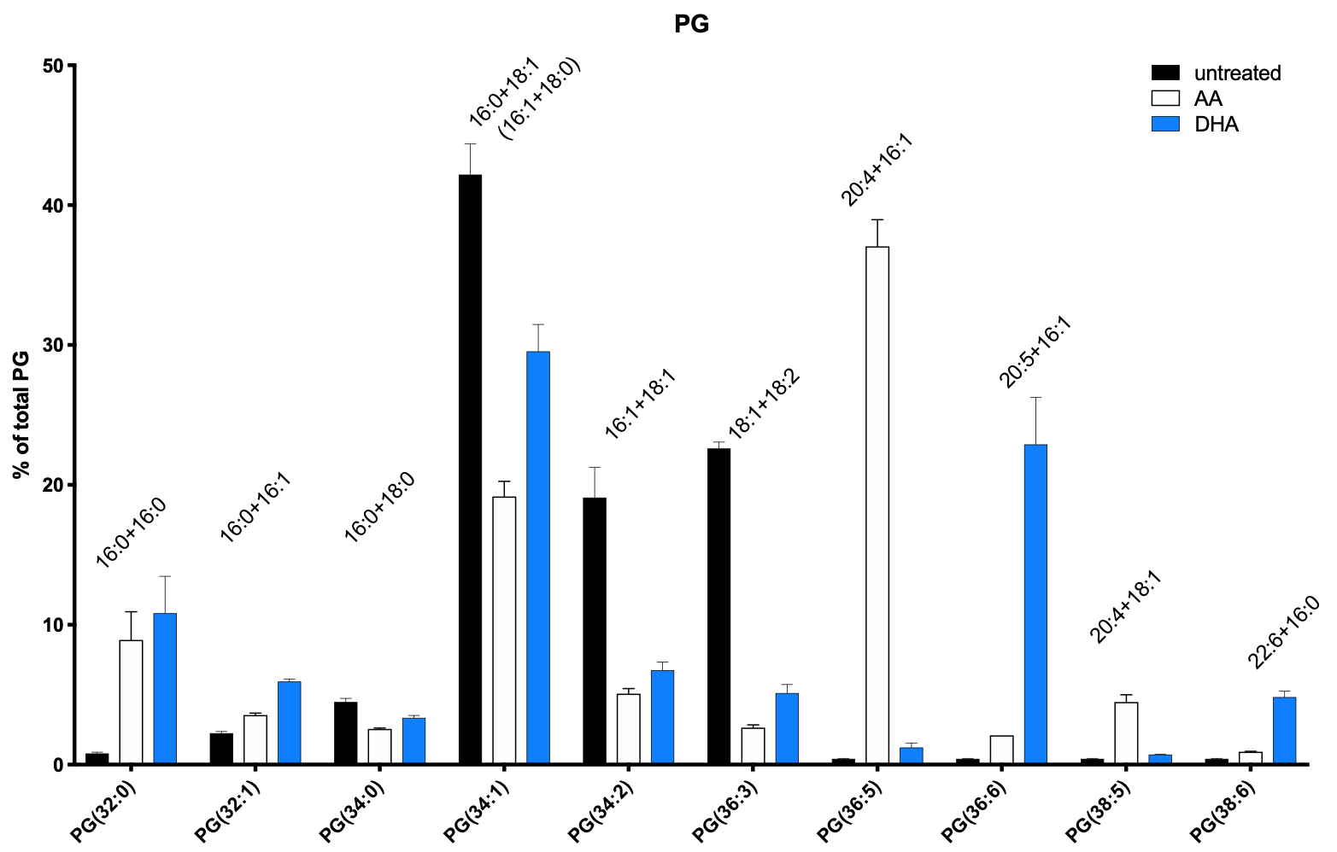

 |  |  |  |  |  |  |  |  |  |  |  |  |  | untreated |  |  |  |  |  | AA |  |  |  | DHA
 |  |  |  |  |  |  |  |  |  |  |  |  | PG(32:0) | 0.7 | 1 | 0.9 | 0.6 |  |  | 11.7 | 9.4 | 11.5 | 3.1 | 18.6 | 9 | 8.9 | 6.8
 |  |  |  |  |  |  |  |  |  |  |  |  | PG(32:1) | 2 | 2.5 | 2.4 | 2.1 |  |  | 3.3 | 3.4 | 3.6 | 3.9 | 6.1 | 5.5 | 5.9 | 6.3
 |  |  |  |  |  |  |  |  |  |  |  |  | PG(34:0) | 5.1 | 4.6 | 4.4 | 3.8 |  |  | 2.5 | 2.7 | 2.6 | 2.4 | 3.4 | 3.4 | 3.7 | 2.9
 |  |  |  |  |  |  |  |  |  |  |  |  | PG(34:1) | 43.4 | 44.6 | 45.1 | 35.6 |  |  | 20.3 | 21.3 | 18.8 | 16.3 | 28.3 | 29.7 | 34.7 | 25.5
 |  |  |  |  |  |  |  |  |  |  |  |  | PG(34:2) | 17.3 | 17.6 | 16 | 25.5 |  |  | 4.7 | 5.1 | 4.4 | 6.1 | 5.4 | 6.2 | 7.9 | 7.5
 |  |  |  |  |  |  |  |  |  |  |  |  | PG(36:3) | 23.2 | 21.8 | 21.8 | 23.6 |  |  | 2.4 | 2.3 | 2.7 | 3.2 | 3.8 | 5.3 | 6.7 | 4.7
 |  |  |  |  |  |  |  |  |  |  |  |  | PG(36:5) | 0.4 | 0.4 | 0.5 | 0.4 |  |  | 34.7 | 34.7 | 36.1 | 42.7 | 0.9 | 1 | 2.2 | 0.8
 |  |  |  |  |  |  |  |  |  |  |  |  | PG(36:6) | 0.4 | 0.4 | 0.5 | 0.4 |  |  | 2.1 | 2.1 | 2.1 | 2.1 | 18.3 | 24.4 | 17.1 | 31.8
 |  |  |  |  |  |  |  |  |  |  |  |  | PG(38:5) | 0.4 | 0.4 | 0.5 | 0.4 |  |  | 3.7 | 4.1 | 4.1 | 6 | 0.7 | 0.8 | 0.7 | 0.7
 |  |  |  |  |  |  |  |  |  |  |  |  | PG(38:6) | 0.4 | 0.4 | 0.5 | 0.4 |  |  | 0.9 | 0.9 | 0.9 | 1 | 4.7 | 5.2 | 3.7 | 5.7
 |  |  |  |  |  |  |  |  |  |  |  |  | SUM_IDF | 93.3 | 93.7 | 92.6 | 92.8 |  |  | 86.3 | 86 | 86.8 | 86.8 | 90.2 | 90.5 | 91.5 | 92.7
 |  |  |  |  |  |  |  |  |  |  |  |  | COVERAGE | 89 | 88.6 | 87.3 | 88.5 |  |  | 75.1 | 74.6 | 74.9 | 74.2 | 85.2 | 85.3 | 84.9 | 88.3
 |  |  |  |  |  |  |  |  |  |  |  |  | COVERAGE_% | 0.9539121115 | 0.9455709712 | 0.9427645788 | 0.9536637931 |  |  | 0.8702201622 | 0.8674418605 | 0.8629032258 | 0.8548387097 | 0.9445676275 | 0.9425414365 | 0.9278688525 | 0.9525350593

 |  |  |  |  |  |  |  |  |  |  |  |  | CL(64:0) | 0 | 0 | 0 | 0 |  |  | 1.2 | 2 | 1.9 | 1.9 | 1.2 | 1.3 | 2 | 1.7
 |  |  |  |  |  |  |  |  |  |  |  |  | CL(66:1) | 0.4 | 0.6 | 0.6 | 0.4 |  |  | 5.8 | 6.7 | 6.4 | 6.6 | 6.8 | 8 | 9.4 | 8.6
 |  |  |  |  |  |  |  |  |  |  |  |  | CL(66:5) | 0 | 0.1 | 0 | 0.1 |  |  | 2.5 | 1.5 | 1.8 | 2 | 1.9 | 1.1 | 1.6 | 2.5
 |  |  |  |  |  |  |  |  |  |  |  |  | CL(67:1) | 1.7 | 1.4 | 1.3 | 1.4 |  |  | 11.3 | 11.2 | 11.2 | 12.1 | 1 | 4.7 | 1.2 | 1.3
 |  |  |  |  |  |  |  |  |  |  |  |  | CL(68:0) | 15.6 | 19.1 | 18.1 | 19.4 |  |  | 8.3 | 7.8 | 8.2 | 8.6 | 11.3 | 17 | 14.3 | 13.9
 |  |  |  |  |  |  |  |  |  |  |  |  | CL(68:1) | 13.5 | 16.4 | 15.5 | 16.9 |  |  | 7.1 | 6.9 | 7 | 7.1 | 9.5 | 14.6 | 12.2 | 11.8
 |  |  |  |  |  |  |  |  |  |  |  |  | CL(68:2) | 11.8 | 12.7 | 12.3 | 10.4 |  |  | 3.6 | 3.6 | 3.5 | 3.7 | 3.2 | 4.9 | 4 | 4.2
 |  |  |  |  |  |  |  |  |  |  |  |  | CL(68:3) | 2.3 | 2 | 1.9 | 1.6 |  |  | 6.7 | 6.9 | 6.7 | 7.4 | 0.4 | 0.4 | 0.5 | 0.5
 |  |  |  |  |  |  |  |  |  |  |  |  | CL(68:4) | 0.2 | 0.1 | 0.1 | 0.1 |  |  | 3.9 | 3.5 | 3.3 | 3.7 | 2.8 | 2.2 | 3.6 | 3.5
 |  |  |  |  |  |  |  |  |  |  |  |  | CL(70:0) | 3 | 2.2 | 2.1 | 2.4 |  |  | 1.8 | 1.6 | 1.6 | 1.3 | 3 | 2.1 | 1.6 | 1.4
 |  |  |  |  |  |  |  |  |  |  |  |  | CL(70:1) | 7.5 | 5.5 | 5.4 | 6.1 |  |  | 4.2 | 3.8 | 3.8 | 3 | 7.4 | 5.4 | 4 | 3.4
 |  |  |  |  |  |  |  |  |  |  |  |  | CL(70:2) | 2 | 2.3 | 2.1 | 2.3 |  |  | 1.4 | 1.3 | 1.2 | 1.4 | 2 | 1.8 | 2.1 | 2.1
 |  |  |  |  |  |  |  |  |  |  |  |  | CL(70:4) | 0.6 | 0.5 | 0.5 | 0.5 |  |  | 12.7 | 12.7 | 12.6 | 13.8 | 0.8 | 0.5 | 1 | 1.4
 |  |  |  |  |  |  |  |  |  |  |  |  | CL(70:4) | 1.8 | 1.5 | 1.4 | 1.7 |  |  | - | - | - | - | 2.1 | 1.8 | 2.1 | 1.8
 |  |  |  |  |  |  |  |  |  |  |  |  | CL(70:5) | 3.9 | 3.1 | 2.8 | 3.2 |  |  | 2.8 | 2.4 | 2.4 | 1.5 | 6.9 | 7 | 8.9 | 11
 |  |  |  |  |  |  |  |  |  |  |  |  | CL(70:6) | 1.2 | 1 | 0.9 | 0.9 |  |  | 2.1 | 2.9 | 2.9 | 3.2 | 3.2 | 3.4 | 4.1 | 4.4
 |  |  |  |  |  |  |  |  |  |  |  |  | CL(70:8) | 0.1 | 0 | 0 | 0.2 |  |  | 2.5 | 2.4 | 2.2 | 2.4 | 0.4 | 0.4 | 0.5 | 0.6
 |  |  |  |  |  |  |  |  |  |  |  |  | CL(70:9) | 0.1 | 0.1 | 0.1 | 0 |  |  | 2.4 | 2.4 | 2.3 | 2 | 0.5 | 0.5 | 0.7 | 0.8
 |  |  |  |  |  |  |  |  |  |  |  |  | CL(72:4) | 1.5 | 0.9 | 0.9 | 1.1 |  |  | 2.1 | 1.7 | 1.8 | 1.4 | 2.6 | 1.5 | 1.7 | 1.3
 |  |  |  |  |  |  |  |  |  |  |  |  | CL(72:7) | 1.4 | 1.4 | 1.2 | 1.2 |  |  | 1.9 | 1.5 | 1.7 | 1.9 | 1.3 | 1.9 | 1.6 | 1.6
 |  |  |  |  |  |  |  |  |  |  |  |  | CL(75:4) | 2.9 | 2.3 | 2.9 | 2.6 |  |  | 0.2 | 0.1 | 0.1 | 0.3 | 1 | 0.5 | 0.6 | 0.6
 |  |  |  |  |  |  |  |  |  |  |  |  | CL(75:5) | 8 | 5.7 | 7.5 | 7.3 |  |  | 1.4 | 1 | 0.9 | 0.8 | 10.1 | 3.3 | 2 | 1.9
 |  |  |  |  |  |  |  |  |  |  |  |  | CL(75:6) | 8 | 5.7 | 7.5 | 7.2 |  |  | 0.3 | 0.1 | 0.1 | 0.1 | 2.1 | 1 | 1.3 | 1.1
 |  |  |  |  |  |  |  |  |  |  |  |  | CL(75:7) | 7.4 | 10.9 | 10.2 | 8.3 |  |  | 1.1 | 1 | 0.9 | 0.9 | 1.8 | 2.8 | 1.9 | 1.9
 |  |  |  |  |  |  |  |  |  |  |  |  | SUM_IDF | 94.9 | 95.5 | 95.3 | 95.3 |  |  | 87.3 | 85 | 84.5 | 87.1 | 83.3 | 88.1 | 82.9 | 83.3
 |  |  |  |  |  |  |  |  |  |  |  |  | COVERAGE | 71.8 | 76 | 76.5 | 75.6 |  |  | 51.9 | 52.2 | 52.1 | 55.6 | 52 | 55.3 | 50.8 | 50.6
 |  |  |  |  |  |  |  |  |  |  |  |  | COVERAGE_% | 0.7565858799 | 0.7958115183 | 0.8027282267 | 0.7932843652 |  |  | 0.5945017182 | 0.6141176471 | 0.6165680473 | 0.6383467279 | 0.6242496999 | 0.6276958002 | 0.6127864897 | 0.6074429772
 |  |  |  |  |  |  |  |  |  |  |  |  |  |  |  |  |  |  |  |  |  |  |  | DHA
 |  |  |  |  |  |  |  |  |  |  |  |  | PE(32:0) | 3.3 | 3.3 | 3.9 | 2.9 |  |  | 2.6 | 2 | 2.2 | 1.7 | 2.6 | 2.9 | 3.4 | 2.3
 |  |  |  |  |  |  |  |  |  |  |  |  | PE(34:1) | 46.6 | 41.1 | 40.2 | 38.7 |  |  | 28.5 | 27.6 | 26 | 22.7 | 33.9 | 34.3 | 37.9 | 32.2
 |  |  |  |  |  |  |  |  |  |  |  |  | PE(34:2) | 22.4 | 25.1 | 26.2 | 31.1 |  |  | 3.7 | 3.4 | 3.3 | 3.9 | 7.7 | 6.6 | 9.2 | 5.6
 |  |  |  |  |  |  |  |  |  |  |  |  | PE(36:1) | 7.2 | 6.4 | 6.4 | 5.6 |  |  | 2.6 | 2.3 | 2.1 | 2.6 | 3.3 | 2.7 | 2.8 | 2.3
 |  |  |  |  |  |  |  |  |  |  |  |  | PE(36:2) | 17 | 19.7 | 19.3 | 18 |  |  | 1.3 | 1.2 | 1.3 | 1.8 | 2.7 | 3.4 | 5.1 | 3.4
 |  |  |  |  |  |  |  |  |  |  |  |  | PE(36:3) | 0 | 0 | 0 | 0 |  |  | 1.5 | 1.4 | 1.7 | 1 | 0 | 0 | 0.1 | 0.1
 |  |  |  |  |  |  |  |  |  |  |  |  | PE(36:4) | 0 | 0 | 0 | 0 |  |  | 31.6 | 32.3 | 31.2 | 27 | 0.2 | 0.1 | 0.5 | 0.4
 |  |  |  |  |  |  |  |  |  |  |  |  | PE(36:5) | 0.1 | 0.1 | 0 | 0.1 |  |  | 1.6 | 1.4 | 1.4 | 1.9 | 26 | 29.4 | 19.9 | 27.5
 |  |  |  |  |  |  |  |  |  |  |  |  | PE(36:6) | 0 | 0 | 0 | 0 |  |  | 0.2 | 0.2 | 0.2 | 0.2 | 5.2 | 4 | 4.8 | 6
 |  |  |  |  |  |  |  |  |  |  |  |  | PE(38:4) | 0 | 0 | 0 | 0 |  |  | 3.4 | 2.7 | 2.7 | 3.3 | 0 | 0 | 0 | 0
 |  |  |  |  |  |  |  |  |  |  |  |  | PE(38:6) | 0 | 0 | 0 | 0 |  |  | 0.1 | 0.1 | 0.1 | 0.1 | 3.4 | 3.6 | 3.9 | 4.6
 |  |  |  |  |  |  |  |  |  |  |  |  | SUM_IDF | 96.6 | 95.7 | 96 | 96.4 |  |  | 77.1 | 74.6 | 72.2 | 66.2 | 85 | 87 | 87.6 | 84.4
 |  |  |  |  |  |  |  |  |  |  |  |  | COVERAGE | 93.2 | 92.3 | 92.1 | 93.4 |  |  | 60.1 | 59.9 | 57.2 | 49.7 | 72.8 | 74.3 | 71.8 | 71.3
 |  |  |  |  |  |  |  |  |  |  |  |  | COVERAGE_% | 0.9648033126 | 0.9644723093 | 0.959375 | 0.968879668 |  |  | 0.7795071336 | 0.8029490617 | 0.7922437673 | 0.750755287 | 0.8564705882 | 0.8540229885 | 0.8196347032 | 0.8447867299

PE
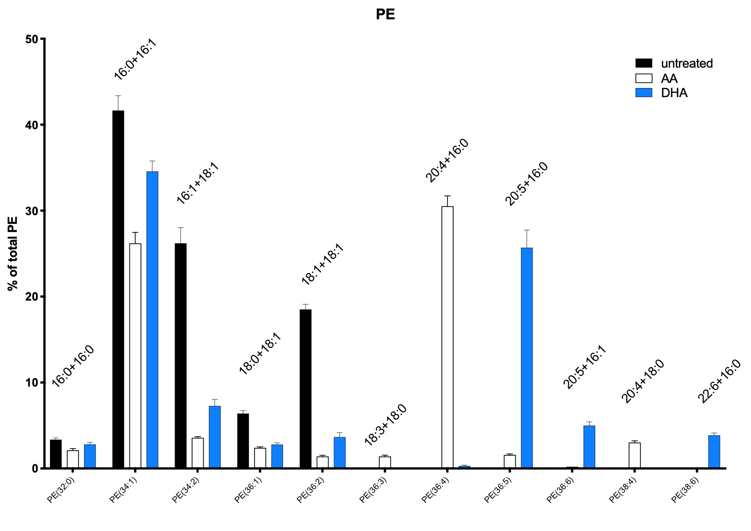
 | untreated |  |  |  |  |  | AA |  |  |  |  |  | DHA
PE(32:0) | 3.3 | 3.3 | 3.9 | 2.9 |  |  | 2.6 | 2 | 2.2 | 1.7 |  |  | 2.6 | 2.9 | 3.4 | 2.3
PE(34:1) | 46.6 | 41.1 | 40.2 | 38.7 |  |  | 28.5 | 27.6 | 26 | 22.7 |  |  | 33.9 | 34.3 | 37.9 | 32.2
PE(34:2) | 22.4 | 25.1 | 26.2 | 31.1 |  |  | 3.7 | 3.4 | 3.3 | 3.9 |  |  | 7.7 | 6.6 | 9.2 | 5.6
PE(36:1) | 7.2 | 6.4 | 6.4 | 5.6 |  |  | 2.6 | 2.3 | 2.1 | 2.6 |  |  | 3.3 | 2.7 | 2.8 | 2.3
PE(36:2) | 17 | 19.7 | 19.3 | 18 |  |  | 1.3 | 1.2 | 1.3 | 1.8 |  |  | 2.7 | 3.4 | 5.1 | 3.4
PE(36:3) | 0 | 0 | 0 | 0 |  |  | 1.5 | 1.4 | 1.7 | 1 |  |  | 0 | 0 | 0.1 | 0.1
PE(36:4) | 0 | 0 | 0 | 0 |  |  | 31.6 | 32.3 | 31.2 | 27 |  |  | 0.2 | 0.1 | 0.5 | 0.4
PE(36:5) | 0.1 | 0.1 | 0 | 0.1 |  |  | 1.6 | 1.4 | 1.4 | 1.9 |  |  | 26 | 29.4 | 19.9 | 27.5
PE(36:6) | 0 | 0 | 0 | 0 |  |  | 0.2 | 0.2 | 0.2 | 0.2 |  |  | 5.2 | 4 | 4.8 | 6
PE(38:4) | 0 | 0 | 0 | 0 |  |  | 3.4 | 2.7 | 2.7 | 3.3 |  |  | 0 | 0 | 0 | 0
PE(38:6) | 0 | 0 | 0 | 0 |  |  | 0.1 | 0.1 | 0.1 | 0.1 |  |  | 3.4 | 3.6 | 3.9 | 4.6
SUM_IDF | 96.6 | 95.7 | 96 | 96.4 |  |  | 77.1 | 74.6 | 72.2 | 66.2 |  |  | 85 | 87 | 87.6 | 84.4
COVERAGE | 93.2 | 92.3 | 92.1 | 93.4 |  |  | 60.1 | 59.9 | 57.2 | 49.7 |  |  | 72.8 | 74.3 | 71.8 | 71.3
COVERAGE_% | 0.9648033126 | 0.9644723093 | 0.959375 | 0.968879668 |  |  | 0.7795071336 | 0.8029490617 | 0.7922437673 | 0.750755287 |  |  | 0.8564705882 | 0.8540229885 | 0.8196347032 | 0.8447867299

 |  |  | PE_AVG_UT | 21.5632857 | AVERAGE | TOTAL_abundance |  |  | PE_AVG_AA | 24.602464775 | AVERAGE | TOTAL_abundance |  |  | PE_AVG_DHA | 22.251226375 | AVERAGE | TOTAL_abundance
PE(32:0)
PE(34:1) | 0.5 | 0.4452871073 | 0.4364820847 | 0.4143468951 | 44.90290218 | 9.682541084 | 0.4742096506 | 0.4607679466 | 0.4545454545 | 0.4567404427 | 46.15658736 | 11.35565815 | 0.4656593407 | 0.4616419919 | 0.5278551532 | 0.4516129032 | 47.66923473 | 10.60698933
PE(34:2) | 0.2403433476 | 0.2719393283 | 0.2844733985 | 0.3329764454 | 28.24331299 | 6.090186272 |  |  |  |  |  |  | 0.1057692308 | 0.08882907133 | 0.1281337047 | 0.07854137447 | 10.03183453 | 2.232206211
PE(36:1) | 0.07725321888 | 0.06933911159 | 0.06948968512 | 0.05995717345 | 6.900979726 | 1.488077974
PE(36:2) | 0.1824034335 | 0.2134344529 | 0.2095548317 | 0.1927194861 | 19.9528051 | 4.30248037
PE(36:3)
PE(36:4) |  |  |  |  |  |  | 0.5257903494 | 0.5392320534 | 0.5454545455 | 0.5432595573 | 53.84341264 | 13.24680663
PE(36:5) |  |  |  |  |  |  |  |  |  |  |  |  | 0.3571428571 | 0.3956931359 | 0.2771587744 | 0.3856942496 | 35.39222543 | 7.875204199
PE(36:6) |  |  |  |  |  |  |  |  |  |  |  |  | 0.07142857143 | 0.05383580081 | 0.06685236769 | 0.08415147265 | 6.906705314 | 1.536826635
PE(38:4)
PE(38:6)
 | 1 | 1 | 1 | 1 | 100 | 21.5632857 | 1 | 1 | 1 | 1 | 100 | 24.60246478 | 1 | 1 | 1 | 1 | 100

Acyl chains (GC)
125 μM DHA 16:1 | Untreated 18:0 | 125 μM AA 18:0 | 125 μM DHA 18:0 | Untreated 18:1 | 125 μM AA 18:1 | 125 μM DHA 18:1 | Untreated 20:4 | 125 μM AA 20:4 | 125 μM DHA 20:4 | Untreated 18:3 | 125 μM AA 18:3 | 125 μM DHA 18:3 | Untreated 22:6 | 125 μM AA 22:6 | 125 μM DHA 22:6 | Untreated 20:5 | 125 μM AA 20:5 | 125 μM DHA 20:5
7.8 | 6.3 | 8 | 6.8 | 47.3 | 14.2 | 27.6 |  | 25.1 |  |  | 2.1 |  |  |  | 4.7 |  |  | 10.6
7.1 | 7.4 | 9.9 | 8.5 | 46.3 | 14.7 | 20.6 |  | 21.5 |  |  | 1.8 |  |  |  | 5.9 |  |  | 13.3
7.1 | 5.8 | 8 | 8.3 | 47.8 | 14.6 | 21.4 |  | 24.9 |  |  | 2.1 |  |  |  | 6.2 |  |  | 13.5
8.2 | 8.1 | 11.3 | 8.7 | 43.7 | 12.7 | 21.2 |  | 23 |  |  | 1.8 |  |  |  | 5.9 |  |  | 13.1
7.55 | 6.9 | 9.3 | 8.075 | 46.275 | 14.05 | 22.7 | #DIV/0! | 23.625 | #DIV/0! | #DIV/0! | 1.95 | #DIV/0! | #DIV/0! | #DIV/0! | 5.675 | #DIV/0! | #DIV/0! | 12.625

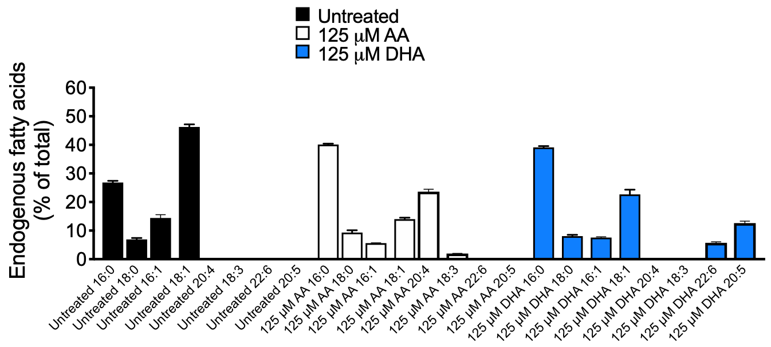

 | UT | AA | DHA
16:0
16:1 |  |  | 7.55
18:0 | 6.9 | 9.3 | 8.075
18:1 | 46.275 | 14.05 | 22.7
18:3 | - | 1.95
20:4 |  |  | 23.625
22:6 |  |  | 5.675
20:5 |  |  | 12.625

UT |  |  |  | AA |  | DHA
normalised tail composition |  |  |  | normalised tail composition |  | normalised tail composition
############################ |  |  |  | ############################ |  | ############################

Tail: 16:0 has normalised number of tails 28.947368421052634 |  |  |  | Tail: 16:0 has normalised number of tails 42.1875 |  | Tail: 16:0 has normalised number of tails 40.87301587301587
Tail: 16:1 has normalised number of tails 6.015037593984962 |  |  |  | Tail: 16:1 has normalised number of tails 10.546875 |  | Tail: 16:1 has normalised number of tails 11.507936507936508
Tail: 17:0 has normalised number of tails 0.0 |  |  |  | Tail: 17:0 has normalised number of tails 2.34375 |  | Tail: 17:0 has normalised number of tails 0.0
Tail: 18:0 has normalised number of tails 12.030075187969924 |  |  |  | Tail: 18:0 has normalised number of tails 8.984375 |  | Tail: 18:0 has normalised number of tails 15.079365079365079
Tail: 18:1 has normalised number of tails 36.84210526315789 |  |  |  | Tail: 18:1 has normalised number of tails 16.796875 |  | Tail: 18:1 has normalised number of tails 18.650793650793652
Tail: 18:2 has normalised number of tails 12.406015037593985 |  |  |  | Tail: 18:2 has normalised number of tails 0.0 |  | Tail: 18:2 has normalised number of tails 1.1904761904761905
Tail: 18:3 has normalised number of tails 0.0 |  |  |  | Tail: 18:3 has normalised number of tails 1.5625 |  | Tail: 18:3 has normalised number of tails 0.0
Tail: 20:4 has normalised number of tails 0.0 |  |  |  | Tail: 20:4 has normalised number of tails 17.578125 |  | Tail: 20:4 has normalised number of tails 0.0
Tail: 20:5 has normalised number of tails 0.0 |  |  |  | Tail: 20:5 has normalised number of tails 0.0 |  | Tail: 20:5 has normalised number of tails 11.507936507936508
Tail: 21:1 has normalised number of tails 3.7593984962406015 |  |  |  | Tail: 21:1 has normalised number of tails 0.0 |  | Tail: 21:1 has normalised number of tails 0.0
Tail: 22:6 has normalised number of tails 0.0 |  |  |  | Tail: 22:6 has normalised number of tails 0.0 |  | Tail: 22:6 has normalised number of tails 1.1904761904761905
sum of the normalised compositions is 100.0 |  |  |  | sum of the normalised compositions is 100.0 |  | sum of the normalised compositions is 100.0

FINAL
Normalised tail % vs Untreated_acyl
Untreated |  |  |  |  |  |  |  | Untreated_acyl | Normalised tail %
Type | label | chain1 | chain2 | chain3 | chain4 | simplified % | MARTINI_unique_index | 16:0 | 28.947368421
PG | 34:0 | 16:0 | 18:0 | - | - | 2 | 1 | 16:1 | 6.015037594
PG | 34:1 | 18:1 | 16:0 | - | - | 22 | 2 | 17:0 | 0
PG | 34:2 | 16:1 | 18:1 | - |  | 10 | 3 | 18:0 | 12.030075188
PG | 26:3 | 18:2 | 18:1 | - | - | 12 | 4 | 18:1 | 36.842105263
CL | 68:0 | 16:0 | 18:0 | 16:0 | 18:0 | 8 | 5 | 18:2 | 12.406015038
CL | 68:1 | 18:1 | 16:0 | 18:0 | 16:0 | 7 | 6 | 18:3 | 0
CL | 68:2 | 18:1 | 16:0 | 18:1 | 16:0 | 5 | 7 | 20:4 | 0
CL | 70:1 | 18:1 | 16:0 | 18:0 | 18:0 | 3 | 6 | 20:5 | 0
CL | 75:5 | 18:2 | 18:1 | 21:1 | 18:1 | 3 | 8 | 21:1 | 3.7593984962
CL | 75:6 | 18:2 | 18:2 | 18:1 | 21:1 | 3 | 9 | 22:6 | 0
CL | 75:7 | 18:2 | 18:2 | 18:2 | 21:1 | 4 | 10
PE | 34:1 | 18:1 | 16:0 | - | - | 10 | 11
PE | 34:2 | 16:1 | 18:1 | - | - | 6 | 12
PE | 36:1 | 18:1 | 18:0 | - | - | 1 | 11
PE | 36:2 | 18:1 | 18:1 | - | - | 4 | 12
 |  |  |  |  |  | 100 | 12 |  | 100
Normalised tail % vs AA_acyl
AA Treated |  |  |  |  |  |  |  | AA_acyl | Normalised tail %
Type | label | chain1 | chain2 | chain3 | chain4 | simplified % | MARTINI_unique_index | 16:0 | 42.1875
PG | 32:0 | 16:0 | 16:0 | - | - | 6 | 1 | 16:1 | 10.546875
PG | 34:1 | 18:1 | 16:0 | - | - | 12 | 2 | 17:0 | 2.34375
PG | 34:2 | 16:1 | 18:1 | - | - | 3 | 3 | 18:0 | 8.984375
PG | 36:5 | 20:4 | 16:1 | - | - | 24 | 4 | 18:1 | 16.796875
PG | 38:5 | 20:4 | 18:1 | - | - | 3 | 4 | 18:2 | 0
CL | 66:1 | 18:1 | 16:0 | 16:0 | 16:0 | 3 | 5 | 18:3 | 1.5625
CL | 67:1 | 18:1 | 17:0 | 16:0 | 16:0 | 6 | 5 | 20:4 | 17.578125
CL | 68:0 | 16:0 | 18:0 | 16:0 | 18:0 | 4 | 6 | 20:5 | 0
CL | 68:1 | 18:1 | 16:0 | 18:0 | 16:0 | 4 | 5 | 21:1 | 0
CL | 68:3 | 18:3 | 16:0 | 18:0 | 16:0 | 4 | 7 | 22:6 | 0
CL | 70:4 | 20:4 | 18:0 | 16:0 | 16:0 | 7 | 8
PE | 34:1 | 18:1 | 16:0 | - | - | 11 | 9
PE | 36:4 | 20:4 | 16:0 | - | - | 13 | 10
 |  |  |  |  |  | 100 | 10 |  | 100

Normalised tail % vs DHA_acyl
DHA Treated |  |  |  |  |  |  |  | DHA_acyl | Normalised tail %
Type | label | chain1 | chain2 | chain3 | chain4 | simplified % | MARTINI_unique_index | 16:0 | 40.873015873
PG | 32:0 | 16:0 | 16:0 | - | - | 6 | 1 | 16:1 | 11.507936508
PG | 32:1 | 16:1 | 16:0 | - | - | 4 | 2 | 17:0 | 0
PG | 34:1 | 18:1 | 16:0 | - | - | 18 | 2 | 18:0 | 15.079365079
PG | 34:2 | 16:1 | 18:1 | - | - | 4 | 3 | 18:1 | 18.650793651
PG | 36:3 | 18:2 | 18:1 | - | - | 3 | 4 | 18:2 | 1.1904761905
PG | 36:6 | 20:5 | 16:1 | - | - | 14 | 5 | 18:3 | 0
PG | 38:6 | 22:6 | 16:0 | - | - | 3 | 6 | 20:4 | 0
CL | 66:1 | 18:0 | 16:1 | 16:0 | 16:0 | 4 | 7 | 20:5 | 11.507936508
CL | 68:0 | 16:0 | 18:0 | 16:0 | 18:0 | 7 | 8 | 21:1 | 0
CL | 68:1 | 18:1 | 16:0 | 18:0 | 16:0 | 6 | 9 | 22:6 | 1.1904761905
CL | 70:1 | 18:1 | 16:0 | 18:0 | 18:0 | 3 | 9
CL | 70:5 | 20:5 | 16:0 | 18:0 | 16:0 | 4 | 10
CL | 75:5 | 20:5 | 18:0 | 18:0 | 16:0 | 2 | 10
PE | 34:1 | 18:1 | 16:0 | - | - | 11 | 11
PE | 34:2 | 18:1 | 16:1 | - | - | 2 | 12
PE | 36:5 | 20:5 | 16:0 | - | - | 8 | 13
PE | 36:6 | 20:5 | 16:1 | - | - | 1 | 14
 |  |  |  |  |  | 100 | 14 |  | 100

