Sheet1
DAR Unit Testing
Willy Renella
2020-03-07
Test Case | Scenario | Expected Results | PASS/FAIL

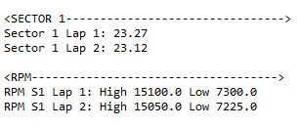
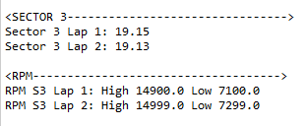
1 | Be able to read/pull data from | Data should be read with no errors
 | Excel with data on two | and accurately | PASS
 | sheets

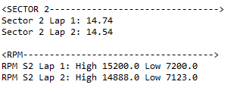

2 | The State Design Pattern | ON status should result in
 | setStatus = ON | application displaying the following: | PASS

 |  | Data System is ON
 |  | Track is Configured

3 | When running the Proxy Pattern | when application gets ran, it
 | it should display the assigned | should display the following: | PASS
 | Track: Orlando Kart Center
 | and prompt user to | Loading Data Track : Orlando Kart Center
 | "Downloadnig Please Wait.." | Downloading Please Wait...

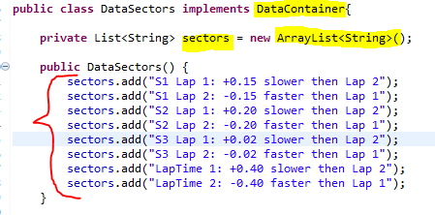
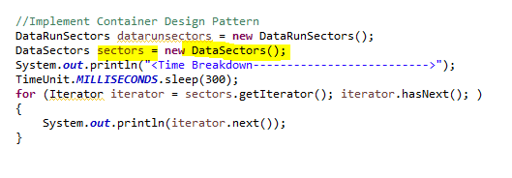
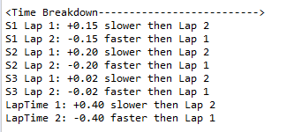

4 | When running the Container | when application gets ran, it
 | Design Pattern it should | should display the following: | PASS
 | display stored list named
 | "sectors"

