Guidance
Back to contents
Guidance

Default view
By default, tables are filtered to show section level industry for the latest three-year average period.
To access other Standard Industrial Classification (SIC) categories e.g. division, group, class, or other three-year or five-year average periods please see guidance below.
A
These are the column buttons. They are located on the right hand side of every column. Left clicking on them brings up the column menu, this allows filtering and sorting to be performed.
B
When a column is currently filtered the column button changes to this icon.

B
A

F
E
C
E
F
E
E
D
E
E
C
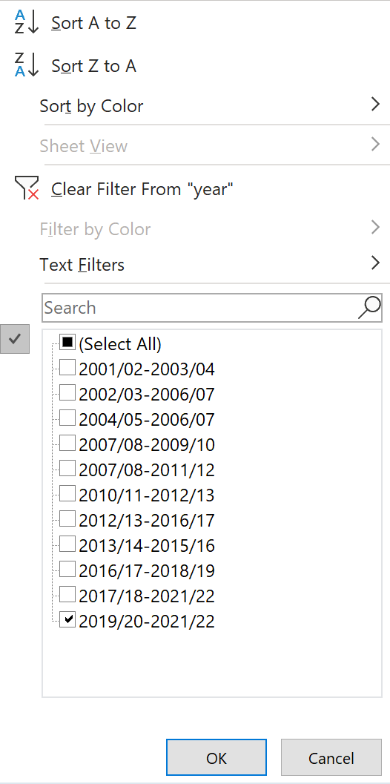
E
C
D
F
Column menu | Removing column filters
When a column menu is opened, the current filter is displayed (see ). | To remove a column filter, left click the corresponding column button
 | then left click 'Clear Filter' in the column menu (see ).

 | Removing all column filters
 | Click in the Sort column filter cell (C11).
 | Click the data tab on the menu bar at the top.
 | In the Sort & Filter menu, press clear.

D
 | Add column filters
 | Left click the appropriate column button, then
 | either
 | Search for a particular value or category by typing into the search bar (see ).
 | Press enter to make the filter
 | or
 | If all values are selected remove the tick from the 'Select All' tickbox, this removes all selections.
 | Then select the individual values using the tickboxes (similar to ).

 | Sorting columns
 | Left click the appropriate column button, then
 | select 'Sort A to Z' or 'Sort Z to A' (see ).

 | Returning to natural sort order
 | Remove all column filters on the table.
 | Left click the column button in the Sort column.
 | Click 'Sort A to Z' (see ) .

Selecting time periods
By default, each table is filtered to show the latest three year period.
To access other three year or five year average periods left click the Year column button and click 'Clear Filter From "year" ' (as shown in ).
Left click the Average column menu and add a column filter to select the time period (similar to ).
To select specific time periods left click on the Year column button.
Add a column filter to select the specific years of interest (similar to ).

Adding more detailed industry levels
By default the table is filtered to SIC section level industry.
To include the more detailed SIC categories (division, group and class).
Left click the Level column button.
Add in the SIC category of interest (similar to ).

Search for specific industry
Firstly remove the column filter on Level, this allows the full range of industries to be searched.
Left click on the Industry column button.
Type the search term into the Search bar (similar to ).

Restrict detailed industry view to specific SIC Sections
Firstly left click on the Industry filter column button.
Add a column filter to restrict to the table to specific section codes (similar to ).
Lastly remove the column filter on Level, this displays the full range of industries within the selected SIC sections.

Copying table/part of table into another Excel spreadsheet (retaining figures in italics)
Select the range of cells required in the table. In the Home tab on the menu bar click 'Find & Select', then select 'Visible Cells only' and click 'OK'.
Select ‘Copy’ from the clipboard group on the Home tab. To retain figures in italics, open a new Excel spreadsheet by holding down the shift key
and clicking the Excel icon on the Desktop taskbar. In the new spreadsheet click the location where the copied cells are to be placed. Right click
with the mouse and then select 'Paste Special' followed by 'HTML' and 'OK'.

