Contents
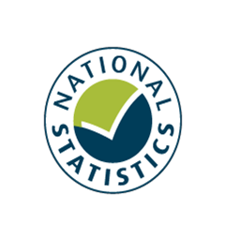
Contents
To access data tables, select the table headings or tabs.
To return to contents click "Back to contents" link at the top of each page.
This release contains 12 worksheets, a guidance page and a page of notes.
For more information about the Family Resources Survey please see our guidance section.
Guidance
Notes
Table | Table Description
7.1 | Households by type of savings and investments, and region/country, 2021 to 2022, United Kingdom
7.2 | Households by type of savings and investments, and composition, 2021 to 2022, United Kingdom
7.3 | Households by type of savings and investments, and age of head, 2021 to 2022, United Kingdom
7.4 | Households by type of savings and investments, and ethnic group of head, average of 2019 to 2020, 2020 to 2021, and 2021 to 2022, United Kingdom
7.5 | Benefit units by type of savings and investments, and benefit unit type, 2021 to 2022, United Kingdom
7.6 | Benefit units by type of savings and investments, and economic status, 2021 to 2022, United Kingdom
7.7 | Adults by gender, type of savings and investments, and age, 2021 to 2022, United Kingdom
7.8 | Households by type of savings and investments, and total gross weekly household income, 2021 to 2022, United Kingdom
7.9 | Households by amount of savings and investments, and composition, 2021 to 2022, United Kingdom
7.10 | Benefit units by amount of savings and investments, and benefit unit type, 2021 to 2022, United Kingdom
7.11 | Benefit units by amount of savings and investments, and economic status, 2021 to 2022, United Kingdom
7.12 | Households by amount of savings and investments, and total gross weekly household income, 2021 to 2022, United Kingdom

