Contents
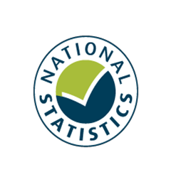

Family Resources Survey, 2020/21
Savings and Investments

Published: 31 March 2022
Next Publication: March 2023
Coverage: United Kingdom
Frequency: Annual

Contents

To access data tables, select the table headings or tabs.
To return to contents click "Back to contents" link at the top of each page.

Table | Table Description
7.1 | Households by type of savings and investments, and region/country, 2020/21, United Kingdom
7.2 | Households by type of savings and investments, and composition, 2020/21, United Kingdom
7.3 | Households by type of savings and investments, and age of head, 2020/21, United Kingdom
7.4 | Households by type of savings and investments, and ethnic group of head, average of 2018/19, 2019/20, and 2020/21, United Kingdom
7.5 | Benefit units by type of savings and investments, and benefit unit type, 2020/21, United Kingdom
7.6 | Benefit units by type of savings and investments, and economic status, 2020/21, United Kingdom
7.7 | Adults by gender, type of savings and investments, and age, 2020/21, United Kingdom
7.8 | Households by type of savings and investments, and total weekly household income, 2020/21, United Kingdom
7.9 | Households by amount of savings and investments, and composition, 2020/21, United Kingdom
7.10 | Benefit units by amount of savings and investments, and benefit unit type, 2020/21, United Kingdom
7.11 | Benefit units by amount of savings and investments, and economic status, 2020/21, United Kingdom
7.12 | Households by amount of savings and investments, and total weekly household income, 2020/21, United Kingdom

Contacts

Statistician: M A Vaughan
team.frs@dwp.gov.uk
Press enquiries: 0115 965 8781
We welcome feedback

Further Information

Website for this release, including supporting guides:
https://www.gov.uk/government/statistics/family-resources-survey-financial-year-2020-to-2021

