Readme
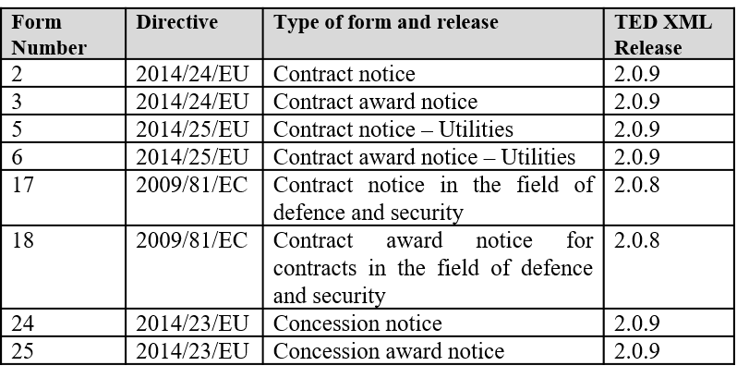


TED ePO Mappings Form 02

Project Background
The ePO model has been created with the future eForms in mind, so the conceptual model of the eProcurement ontology needs to be mapped to the current standard TED XSDs forms. The mappings is performed to the next sample of notices:
Related Documentation
The Ontology version used for the mappings is set by start date of this project which includes the organisation roles and sub roles decisions up to April 17th.
The Ontology version used for the mapping is publicly available here: https://github.com/eprocurementontology/eprocurementontology/tree/v2.0.1/v2.0.1/03-Analysis%20and%20design/EA-Conceptual%20Model
This document consists of 13tabs :
1. Section I, II, III, IV, VI, TED_EXPORT: this sheet contains the mappings of the TED forms under the schema R2.0.9 to the ePO Ontology.
The sheet has been structured as follows:
- TED XSD Path: This column includes the mapable XSD Paths (xPath) of the XML forms.
- Considerations: The xPath starts from the section that is mapped. The TED_EXPORT/Fxx_2014 has not been included to avoid duplicity of
several xPaths of the same element to be mapped (e.g. TED_EXPORT/F02_2014/CONTRACTING_BODY, TED_EXPORT/F02_2014/CONTRACTING_BODY)
- Field in TED forms (PDF): This column aims to helps to understand the TED XSD Path showing which is its equivalent in the PDF TED form.
- Forms: This column identifies all the Forms where the mappable TED element is applied.
- ePO Mapping: The equivalent mapping to the ePO Ontology.
- Element Type: To identify if the element mapped is a class, a code list, or an attribute. When it is an attribute, the data type is noted (e.g. Text, Identifier, others.).
- ePO Path: The Path of the ePO element mapped to the TED concept which include the ePO mapping.
- Business Rules: Business rules identified to define or constrain how the mapping works.
- Comments: Additional information for a better understanding of the mapping.
Considerations: In order to avoid the loss of data during the Ontology population process and to cover the notifications of the last 5 years, an analysis has been carried out to identify the differences between the versions for both the R2.0.9 and R2.0.8 schemes. In cases where a different xPath has been identified between versions, the different paths for the same element have been added, identifying from which version each xPath is:
CONTRACTING_BODY/ADDRESS_CONTRACTING_BODY/NUTS (R2.0.9.S01)
CONTRACTING_BODY/ADDRESS_CONTRACTING_BODY/n2016:NUTS AND ADDRESS_CONTRACTING_BODY/NUTS (R2.0.9.S02) CONTRACTING_BODY/ADDRESS_CONTRACTING_BODY/n2016:NUTS (R2.0.9.S03)
Other Considerations: It is important to note that some elements in the current TED xsd form are not mapable to the ePO Ontology. Therefore, such elements will not appear in the RDF files.
8. Business Rules: This sheet captures all the business rules used in the mapping of the Form.
9. TimePeriods: This sheet contains the mapping between the TED Duration Periods and the TimePeriods used in the ePO Ontology. In this case the code list used in ePO is "timeperiods" from euvocabularies.
10. CA_TYPE: This sheet contains the mapping between the TED Code List CA_TYPE and the ePO equivalent. In this case the code list used in ePO is "buyer-legal-type" from euvocabularies.
11. CA_ACTIVITY: This sheet contains the mapping between the TED Code List CA_ACTIVITY and the ePO equivalent. In this case the code list used in ePO is "main-activity" from euvocabularies.
12. CE_ACTIVITY: This sheet contains the mapping between the TED Code List CE_ACTIVITY and the ePO equivalent. In this case the code list used in ePO is "main-activity" from euvocabularies.
13. TYPECONTRACT: This sheet contains the mapping between the TED Code List Type of Contract and the ePO equivalent. In this case the code list used in ePO is "contract-nature" from euvocabularies.
The code lists' sheets are structured as follows:
- TED Code: Corresponding code in TED
- TED Label: Label of the TED Code
- ePO Authority Code: The equivalent code from ePO that maps the TED code
- ePO Code Label: Label of the ePO Code

