March2019
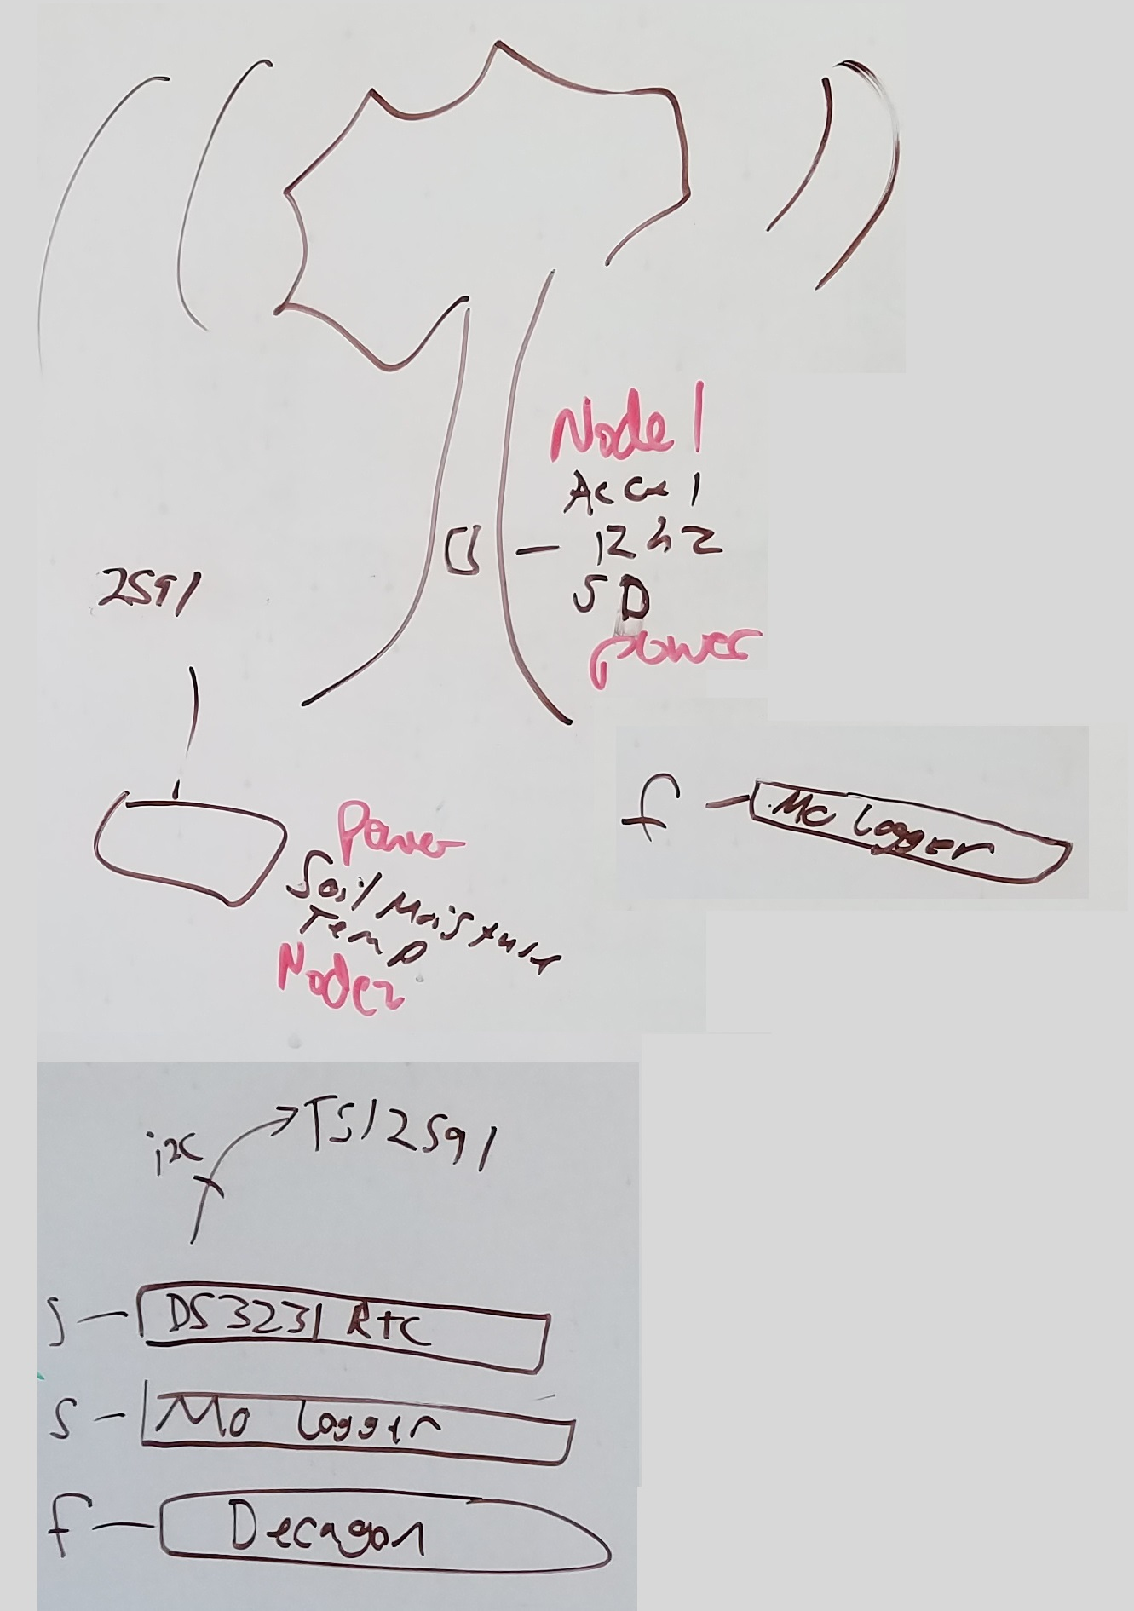
Component | Product ID | Cost | Quantity | Total | Source | Notes | I2C
Feather M0 Adalogger | 2796 | $19.95 | 3 | $59.85 | Adafruit | Nodes 1, 2, and 3
MMA8451 Accelerometer | 2019 | $7.95 | 1 | $7.95 | Adafruit | Node 1
Accelerometer: MPU6050* | SEN-11028 | $29.95 | 1 | $29.95 | Sparkfun | Node 1
Female Feather Short headers | 2940 | $1.50 | 3 | $4.50 | Adafruit | Notes 1, 2, and 3
Stacking headers feather | 2830 | $1.25 | 2 | $2.50 | adafruit | Node 2
SD Card - 16 GB |  | $4.99 | 3 | $14.97 | Amazon | Nodes 1 and 2
DTS3231 Hi-precision RTC** | 3013 | $13.95 | 1 | $13.95 | Adafruit | Node 2
Coin cell battery*** | SY033-ND | $0.52 | 1 | $0.52 | Digikey | Node 2
Teros 12 |  | $225.00 | 2 |  | METER | Node 2, Jill purchased separately
Low cost soil moisture | SEN-13322 | $5.95 | 4 | $23.80 | Sparkfun | Node 2
3.5 mm audio cable assembly, 6' | CP-2207-ND | $3.13 | 4 | $12.52 | Digikey | Node 2 - 1 per low cost soil moisture
3.5 mm audio jacks | CP1-3555NG-ND | $0.69 | 6 | $4.14 | Digikey | Node 2 - 1 per Teros and low cost soil moisture
Decagon pcb (female header) |  | $19.00 | 1 | $19.00 | OPEnS | Node 2 - maximum of 6 soil moisture sensors
TSL 2591 High Dynamic Range Digital Light Sensor**** | 1980 | $6.95 | 1 | $6.95 | adafruit | Node 2
Miniature altimeter module 0.15 - 18.85 PSI | MS580301BA01-00 | $13.82 | 1 | $13.82 | Digikey | Node 3
Pressure sensor PCB + resistor and capacitor |  | $0.78 | 1 | $0.78 | OPEnS | Node 3
6600 mAh 3.7V LiPo battery | 353 | 29.5 | 2 | $59.00 | adafruit | Nodes 1 and 2

 |  |  |  | $274.20

Accelerometer GY521*
RTC DS3231 ** |  |  |  |  |  | Node 2,3
coin cell battery *** |  |  |  |  |  | Node 2,3
TSL 2591 High Dynamic Range Digital Light Sensor**** |  |  |  |  |  | Node 3

Finsihed product
