README
Instruction: by Long and Oliver

OMOP CDM:
https://drive.google.com/drive/folders/1DaNKe6ivIAZPJeI31VJ-pzNB9wS9hDqu

Our Google folder:
https://drive.google.com/drive/folders/1esBKs0M504pfF3FCM-ieW1g_HUrA2kd8
https://docs.google.com/document/d/1ykRNXh2yw8iRupnBvZ3pjuwAL6CnrYVsRmh9yMkmOG8/edit

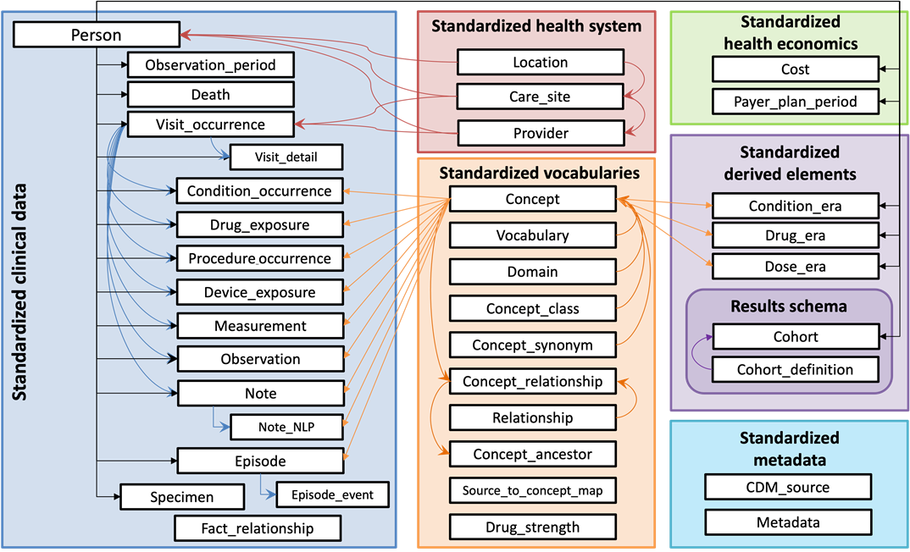
References:
http://ohdsi.github.io/CommonDataModel/cdm54.html#PERSON
https://ohdsi.github.io/CommonDataModel/

http://purl.obolibrary.org/obo/ | OPMI_0000527 | http://purl.obolibrary.org/obo/OPMI_0000527
http://purl.obolibrary.org/obo/ | NCBITaxon_9606 | http://purl.obolibrary.org/obo/ NCBITaxon_9606
http://purl.obolibrary.org/obo/ | OPMI_0000282 | http://purl.obolibrary.org/obo/OPMI_0000282
http://purl.obolibrary.org/obo/ | OPMI_0000531 | http://purl.obolibrary.org/obo/OPMI_0000531
http://purl.obolibrary.org/obo/ | OPMI_0000532 | http://purl.obolibrary.org/obo/OPMI_0000532
http://purl.obolibrary.org/obo/ | OPMI_0000529 | http://purl.obolibrary.org/obo/OPMI_0000529
http://purl.obolibrary.org/obo/ | OPMI_0000530 | http://purl.obolibrary.org/obo/OPMI_0000530
http://purl.obolibrary.org/obo/ | OPMI_0000525 | http://purl.obolibrary.org/obo/OPMI_0000525
http://purl.obolibrary.org/obo/ | OPMI_0000533 | http://purl.obolibrary.org/obo/OPMI_0000533
http://purl.obolibrary.org/obo/ | OPMI_0000534 | http://purl.obolibrary.org/obo/OPMI_0000534
http://purl.obolibrary.org/obo/ | OPMI_0000163 | http://purl.obolibrary.org/obo/OPMI_0000163
http://purl.obolibrary.org/obo/ | OPMI_0000483 | http://purl.obolibrary.org/obo/OPMI_0000483
http://purl.obolibrary.org/obo/ | EUPATH_0000310 | http://purl.obolibrary.org/obo/EUPATH_0000310
http://purl.obolibrary.org/obo/ | OPMI_0000543 | http://purl.obolibrary.org/obo/OPMI_0000543
http://purl.obolibrary.org/obo/ | OPMI_0000540 | http://purl.obolibrary.org/obo/OPMI_0000540
http://purl.obolibrary.org/obo/ | OPMI_0000526 | http://purl.obolibrary.org/obo/OPMI_0000526
http://purl.obolibrary.org/obo/ | OPMI_0000546 | http://purl.obolibrary.org/obo/OPMI_0000546
http://purl.obolibrary.org/obo/ |  | http://purl.obolibrary.org/obo/

