Table 1
Coronavirus disease 2019 (COVID-19)
Situation Report – 47
Data as reported by national authorities by 10AM CET 07 March 2020
SITUATION IN NUMBERS
total and new cases in last 24 hours
Globally
101 927 confirmed (3735 new)
China
80 813 confirmed (102 new)
3073 deaths (28 new)
Outside of China
21 110 confirmed (3633 new)
413 deaths (78 new)
93 Countries/territories/
areas (5 new)
WHO RISK ASSESSMENT
HIGHLIGHTS • 5 new countries/territories/areas (Colombia, Holy See, Peru, Serbia, and Togo) have reported cases of COVID-19 in the past 24 hours. • The global number of reported cases of COVID-19 has surpassed 100,000. • OpenWHO has reached 161, 000 learners in COVID-19 courses. The introductory course on COVID-19 has been partially or fully translated into 17 national languages. For more information, and to enroll in these free courses, please visit OpenWHO’s COVID-19 channel.
 | China | Very High
 | Regional Level | Very High
 | Global Level | Very High

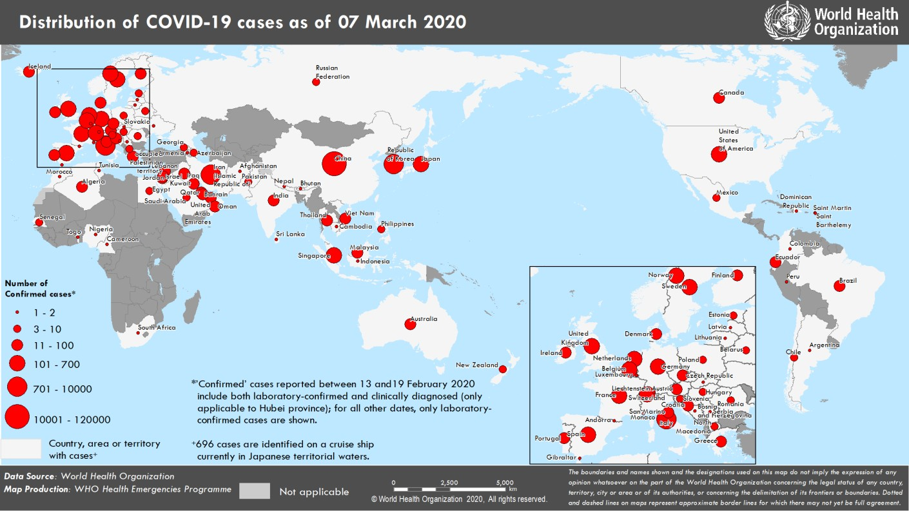
Figure 1. Countries, territories or areas with reported confirmed cases of COVID-19, 07 March 2020

