Table 1
Data as reported by 13 February 2020*
Coronavirus disease 2019 (COVID-19)
Situation Report – 24
SITUATION IN NUMBERS
total and new cases in last 24 hours
Globally
46 997 confirmed (1826 new)
China
46 550 confirmed (1820 new)
1368 deaths (254 new) †
Outside of China
447 confirmed (6 new)
24 countries
1 death
WHO RISK ASSESSMENT
HIGHLIGHTS • No new countries reported cases of COVID-19 in the past 24 hours. • WHO has developed a database to collect the latest scientific findings and knowledge on Coronavirus disease. For more information, please see here. • The two-day global research and innovation forum regarding COVID-19 was convened in line with the WHO R&D Blueprint this week. Leading health experts from around the world met at WHO to assess the current level of knowledge about the new COVID-19 disease, identify gaps and work together to accelerate and fund priority research needed to help stop this outbreak and prepare for any future outbreaks. For more details, please see here. • Overnight 14’840 cases, including 13’332 clinically diagnosed cases were reported from Hubei. This is the first time China has reported clinically diagnosed cases in addition to laboratory-confirmed cases. For consistency, we report here only the number of laboratory-confirmed cases. WHO has formally requested additional information on the clinically diagnosed cases, in particular when these have occurred in the course of the outbreak and whether suspect cases were reclassified as clinically diagnosed cases.
 | China | Very High
 | Regional Level | High

 | Global Level | High
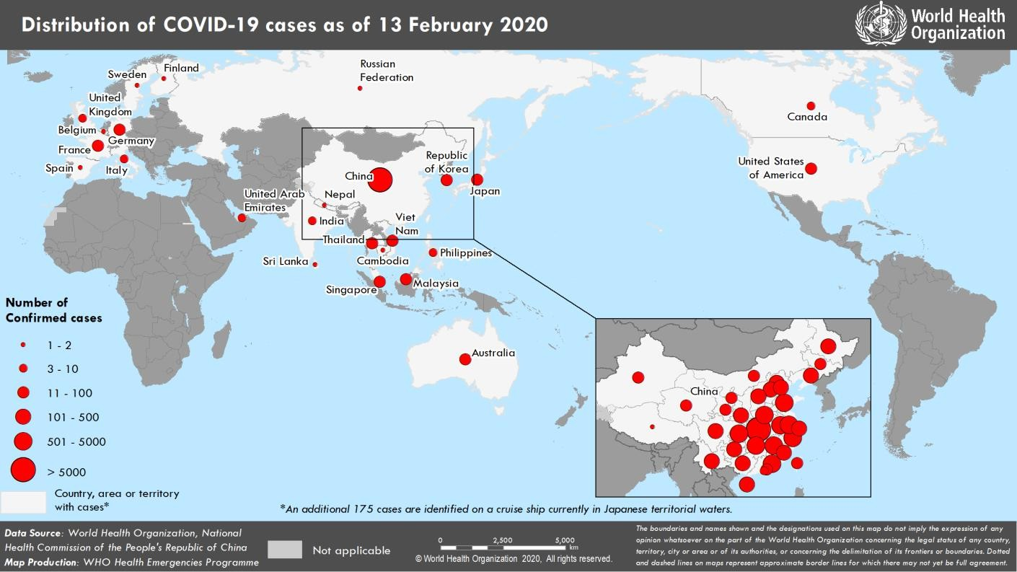 Figure 1. Countries, territories or areas with reported confirmed cases of COVID-19, 13 February 2020 *The situation report includes information provided by national authorities as of 10 AM Central European Time †As reported by China

Table 3
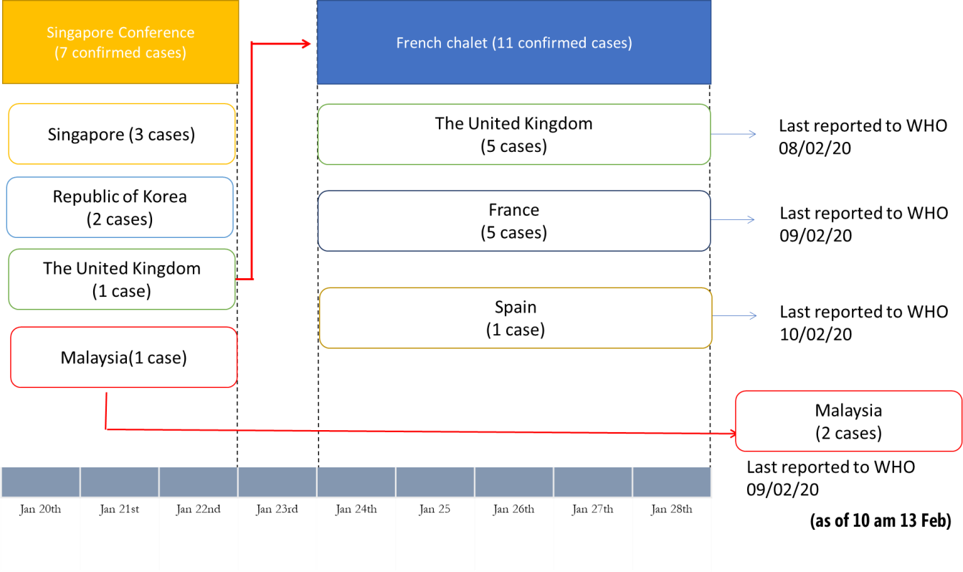
Figure 2. Description of the known transmission chain of event originating in Singapore (Event Number 1, Table 1), as of 10 am 13 Feb 2020

