Table 1
Coronavirus disease 2019 (COVID-19)
Situation Report – 25
Data as reported by 14 February 2020*
HIGHLIGHTS • No new countries reported cases of COVID-19 in the past 24 hours. • The second death has been reported outside of China, in Japan. This individual did not have known travel history to China. • In China, health care workers account for 1716 confirmed cases of COVID-19 including six deaths. | SITUATION IN NUMBERS total and new cases in last 24 hours Globally 49 053 laboratory-confirmed (2056 new) China 48 548 laboratory-confirmed (1998 new) 1381 deaths (121 new) † Outside of China 505 laboratory-confirmed (58 new) 24 countries 2 deaths (1 new) WHO RISK ASSESSMENT
 |  | China | Very High
 |  | Regional Level | High
 |  | Global Level | High
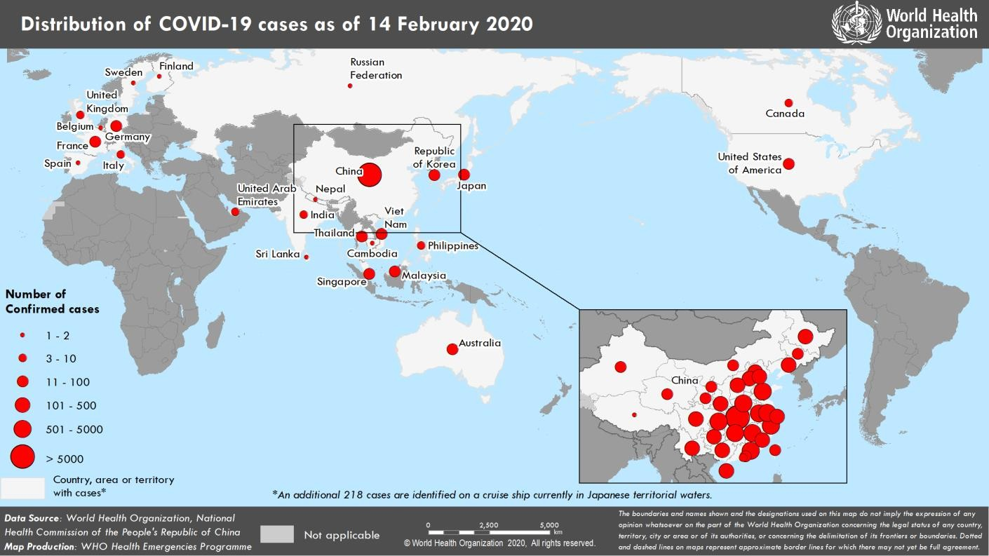 Figure 1. Countries, territories or areas with reported confirmed cases of COVID-19, 14 February 2020 *The situation report includes information provided by national authorities as of 10 AM Central European Time †As reported by China

