Table 1
Coronavirus disease 2019 (COVID-19) Situation Report – 27
Data as reported by 16 February 2020* HIGHLIGHTS • No new countries reported cases of COVID-19 in the past 24 hours. • A third death of a COVID-19 patient has been reported outside of China. This individual was a tourist from China visiting France. • Studies to assess the epidemiology and clinical characteristics of COVID-19 cases in different settings are therefore critical to furthering our understanding of this virus and associated disease. Several early investigation master protocols or master forms are available for countries to use. More information can be found here. | SITUATION IN NUMBERS total and new cases in last 24 hours Globally 51 857 laboratory-confirmed (1278 new) China 51 174 laboratory-confirmed (1121 new) 1666 deaths (142 new) † Outside of China 683 laboratory-confirmed (157 new) 25 countries 3 deaths (1 new) WHO RISK ASSESSMENT

 |  | China | Very High
 |  | Regional Level | High
 |  | Global Level | High

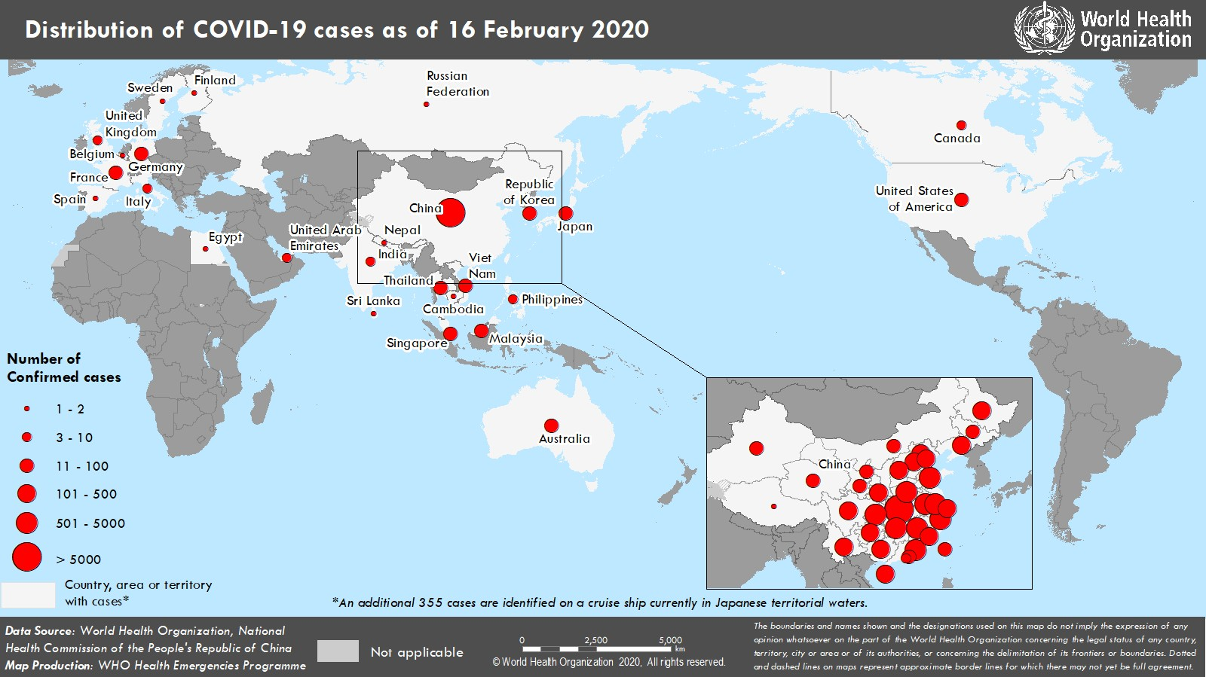 Figure 1. Countries, territories or areas with reported confirmed cases of COVID-19, 16 February 2020 *The situation report includes information provided by national authorities as of 10 AM Central European Time †As reported by China

